Sheet1
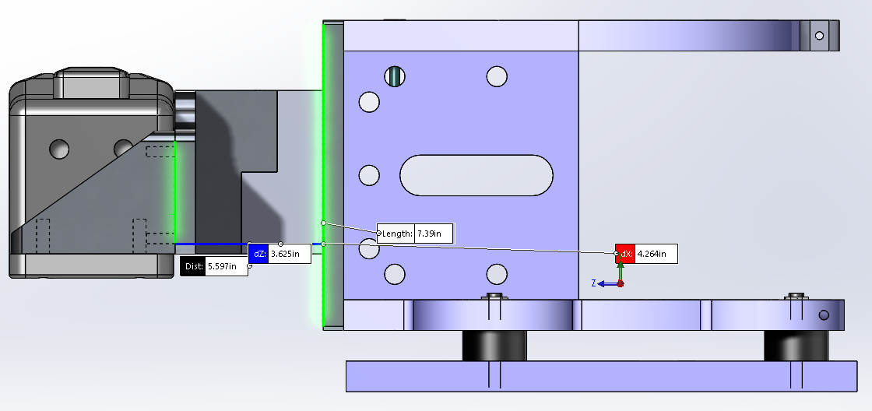
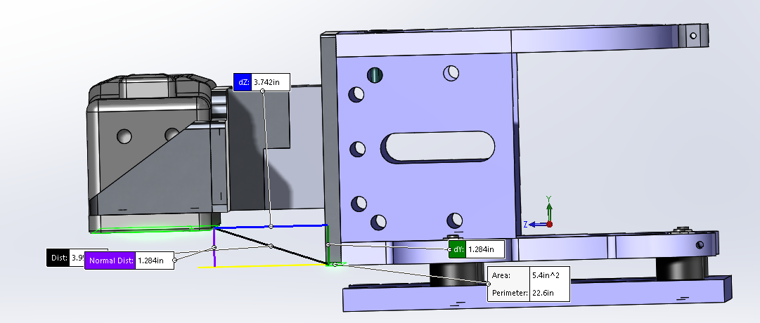
 | Density of Seawater [lb/in3] | 0.0371

Original | MB Receiver Mount Plate | MB Receiver Mount to Kearfott | MB Receiver Mount to Kearfott | ResonRxMountTab2 | ResonRxMountTab2 | Receiver | Total |  | Mounting Bracket
Material | 6061-T6 | 6061-T6 | 6061-T6 | Delrin | Delrin | Mixed |  |  |  | 21.3848
Mass [lb] | 3.403 | 0.595 | 0.595 | 0.234 | 0.234 | 21.3848 | 26.4453 |  | 5.061 | 23.600
Mass as Water [lb] | 1.26 | 0.22 | 0.22 | 0.166 | 0.166 |  |  |  |  | 25.79
Mass in Water [lb] | 2.143 | 0.375 | 0.375 | 0.068 | 0.068 | 10.3617 | 13.3902 |  | 3.029
Volume [in^3] | 34.887 | 6.097 | 6.097 | 4.601 | 4.601 |  | 56.2838
Density [lb/in3] | 0.098 | 0.098 | 0.098 | 0.051 | 0.051 |  |  |  |  | 10.3617
 |  |  |  |  |  |  |  |  |  | 12.567
 |  |  |  |  |  |  |  |  |  | 14.77
Combined Tab | T50 Plate Mount | T50 Mount Tab | Support Tab | Spacer | Receiver | Total | Remaining
Material | 6061-T6 | 6061-T6 | 6061-T6 | Delrin | Mixed
Mass [lb] | 3.263 | 2.816 | 2.748 | 0.193 | 18.100 | 27.1198 | -0.6745 |  | 9.020
Mass as water [lb] | 1.208 | 1.043 | 1.020 | 0.137
Mass in Water [lb] | 2.055 | 1.773 | 1.728 | 0.056 | 8.600 | 14.2118 | -0.8216 |  | 5.612
Volume [in^3] | 33.451 | 28.874 | 28.171 | 3.785
Density [lb/in3] | 0.098 | 0.098 | 0.098 | 0.051

Seperated Tab | T50 Plate Mount | T50 Mount Tab | T50 Mount Tab | Support Tab | Spacer | Receiver | Total | Remaining
Material | 6061-T6 | 6061-T6 | 6061-T6 | 6061-T6 | Delrin | Mixed
Mass [lb] | 3.263 | 0.429 | 0.429 | 2.748 | 0.193 | 18.100 | 25.1618 | 1.2835 | 7.062
Mass as water [lb] | 1.208 | 0.159 | 0.159 | 1.020 | 0.137
Mass in Water [lb] | 2.055 | 0.270 | 0.270 | 1.728 | 0.056 | 8.600 | 12.9788 | 0.4114 | 4.379
Volume [in^3] | 33.451 | 4.402 | 4.402 | 28.171 | 3.785
Density [lb/in3] | 0.098 | 0.097 | 0.097 | 0.098 | 0.051

Combined Tab + Raised Delrin | T50 Plate Mount | T50 Mount Tab | Support Tab | Spacer | Receiver | Total | Remaining
Material | 6061-T6 | 6061-T6 | 6061-T6 | Delrin | Mixed
Mass [lb] | 3.263 | 2.974 | 2.853 | 0.386 | 18.100 | 27.5760 | -1.1306 |  | 9.476
Mass as water [lb] | 1.208 | 1.101 | 1.057 | 0.273
Mass in Water [lb] | 2.055 | 1.873 | 1.797 | 0.112 | 8.600 | 14.4367 | -1.0464 |  | 5.837
Volume [in^3] | 33.451 | 30.486 | 29.252 | 7.570
Density [lb/in3] | 0.098 | 0.098 | 0.098 | 0.059

