CV
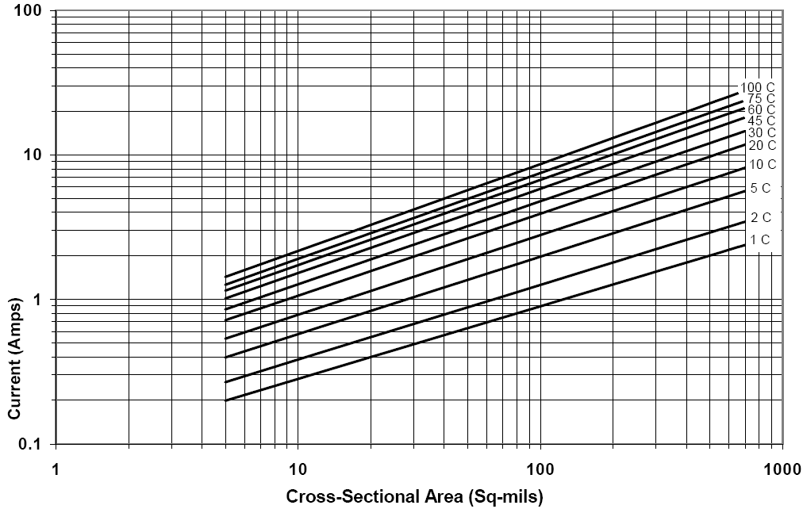

1 |  | 2 |  | 5 |  | 10 |  | 20
5 | 0.20 | 5 | 0.27 | 5 | 0.40 | 5 | 0.53 | 5 | 0.72
8.4 | 0.25 | 10 | 0.39 | 10 | 0.58 | 10 | 0.78 | 10 | 1.08
20 | 0.40 | 15 | 0.47 | 15 | 0.72 | 15 | 0.99 | 15 | 1.35
32.4 | 0.50 | 20 | 0.55 | 20 | 0.84 | 20 | 1.15 | 20 | 1.58
70 | 0.75 | 30 | 0.68 | 30 | 1.03 | 30 | 1.42 | 31 | 2.00
102 | 0.90 | 45 | 0.84 | 45 | 1.27 | 45 | 1.79 | 45 | 2.50
125 | 1.00 | 100 | 1.27 | 100 | 1.98 | 100 | 2.80 | 100 | 4.00
285 | 1.50 | 200 | 1.80 | 200 | 2.80 | 200 | 4.05 | 200 | 5.80
300 | 1.55 | 300 | 2.2 | 300 | 3.6 | 300 | 5.1 | 300 | 7.4
400 | 1.8 | 400 | 2.6 | 400 | 4.2 | 400 | 5.9 | 400 | 8.6
500 | 2 | 500 | 2.94 | 500 | 4.7 | 500 | 6.8 | 523 | 10
700 | 2.4 | 700 | 3.4 | 700 | 5.65 | 700 | 8.2 | 700 | 11.75
125.49x^(1.9817) |  | 63.637x^(1.9386) |  | 27.987x^(1.8658) |  | 15.663x^(1.8121) |  | 8.868x^(1.7655)

30 |  | 45 |  | 60 |  | 75 |  | 100
5 | 0.86 | 5 | 1.02 | 5 | 1.16 | 5 | 1.27 | 5.5 | 1.5
10 | 1.27 | 10 | 1.52 | 10 | 1.72 | 10 | 1.9 | 8.7 | 2
15 | 1.62 | 15 | 1.94 | 15 | 2.22 | 15 | 2.45 | 12.5 | 2.5
20 | 1.9 | 20 | 2.28 | 20 | 2.6 | 20 | 2.88 | 22.4 | 3.5
30 | 2.37 | 30 | 2.87 | 30 | 3.27 | 30 | 3.65 | 30 | 4.2
45 | 3.02 | 45 | 3.67 | 45 | 4.20 | 45 | 4.51 | 40 | 5.00
100 | 4.80 | 100 | 5.80 | 100 | 6.60 | 100 | 7.50 | 100 | 8.6
200 | 7.20 | 200 | 8.70 | 200 | 10.15 | 200 | 11.30 | 200 | 13.00
300 | 9 | 300 | 11.1 | 300 | 12.8 | 300 | 14.35 | 300 | 16.60
400 | 10.5 | 400 | 13 | 400 | 15.2 | 400 | 17 | 400 | 19.7
500 | 12 | 500 | 14.9 | 500 | 17.35 | 500 | 19.4 | 588 | 25
700 | 14.6 | 700 | 18.1 | 700 | 21.1 | 700 | 23.7 | 700 | 27.7
6.5379x^(1.7433) |  | 4.8512x^(1.7175) |  | 3.9366x^(1.6997) |  | 3.3749x^(1.686) |  | 2.7506x^(1.6686)

Universal (Int&Ext.Air)

CVmod-Planes
Modifying the Chart Value for Proximity to Planes
distance | multiplier
5 | 0.42
20 | 0.47
40 | 0.53

For 2oz planes
adjust 4%

For planes larger
than 20 square inches"
adjust 4%

For planes larger
than 40 square inches"
adjust 2%

 |  | From IPC-2152 figure A-13, used most conservative numbers for 1oz plane on small board area. In calculator, if area is larger, additional percentage is applied

CVmod-Material
Modifying the Chart Value for Thermal Conductivity
conductivity | multiplier
0.124 | 1.02
0.138 | 1

CVmod-Thickness
Modifying the Chart Value for Material Thickness
thickness | multiplier
38 | 1.6
59 | 1.15
70 | 1

There is not enough information in IPC-2152 Appendix A to create an accurate response curve, but this equation approximates the multiplier inside the range of test data, reduces the risk for thinner (greater multiplier) and a more conservative multiplier for thicker boards. Boards less than 28 or more than 94 will generate warning

CVmod-Ounce
 | 0.5 OZ |  |  |  |  |  |  | 100 C |  |  |  |  | 75 C |  |  |  |  | 45 C |  |  |  |  | 20 C |  |  |  |  | 10 C
 | 30A | 20A | 10A | 5A | 2.5A | 1A |  | 0.5 | 1 | 2 | 3 |  | 0.5 | 1 | 2 | 3 |  | 0.5 | 1 | 2 | 3 |  | 0.5 | 1 | 2 | 3 |  | 0.5 | 1 | 2 | 3
100 | 595 | 300 | 90 | 27 | 8 |  | 30A | 595 | 590 | 690 | 745 | 30A | 765 | 770 |  |  | 30A |  |  |  |  | 30A |  |  |  |  | 30A
75 | 765 | 395 | 125 | 36 | 10.8 |  | 20A | 300 | 300 | 345 | 370 | 20A | 395 | 390 | 445 | 480 | 20A | 635 | 630 | 710 | 760 | 20A |  |  |  |  | 20A
45 |  | 635 | 190 | 57 | 17 |  | 10A | 90 | 92 | 105 | 112 | 10A | 125 | 120 | 135 | 145 | 10A | 190 | 190 | 215 | 225 | 10A | 410 | 410 | 445 | 478 | 10A
20 |  |  | 410 | 120 | 35.5 | 7 | 5A | 27 | 28 | 32 | 33.5 | 5A | 36 | 36 | 40.5 | 42.4 | 5A | 57 | 56 | 63 | 65 | 5A | 120 | 120 | 130 | 135 | 5A | 230 | 225 | 240 | 260
10 |  |  |  | 230 | 65.2 | 12.5 | 2.5A | 8 | 8.8 | 9.5 | 9.8 | 2.5A | 10.8 | 11 | 12.3 | 12.5 | 2.5A | 17 | 16.5 | 18.5 | 18.8 | 2.5A | 35.5 | 34 | 37.5 | 38.6 | 2.5A | 65.2 | 63.5 | 69 | 72
 |  |  |  |  |  |  | 1A |  |  |  |  | 1A |  |  |  |  | 1A |  |  |  |  | 1A | 7 | 6.6 | 7.4 | 7.5 | 1A | 12.5 | 11.8 | 13.2 | 13.3

 | 1 OZ |  |  |  |  |  |  | 100C |  |  |  |  | 75C |  |  |  |  | 45C |  |  |  |  | 20C |  |  |  |  | 10C
 | 30A | 20A | 10A | 5A | 2.5A | 1A |  | .5-3 | 1-3 | 2-3 |  |  | .5-3 | 1-3 | 2-3 |  |  | .5-3 | 1-3 | 2-3 |  |  | .5-3 | 1-3 | 2-3 |  |  | .5-3 | 1-3 | 2-3
100 | 590 | 300 | 92 | 28 | 8.8 |  | 30A | 79.865771812 | 79.194630872 | 92.617449664 |  | 30A |  |  |  |  | 30A |  |  |  |  | 30A |  |  |  |  | 30A
75 | 770 | 390 | 120 | 36 | 11 |  | 20A | 81.081081081 | 81.081081081 | 93.243243243 |  | 20A | 82.291666667 | 81.25 | 92.708333333 |  | 20A | 83.552631579 | 82.894736842 | 93.421052632 |  | 20A |  |  |  |  | 20A
45 |  | 630 | 190 | 55.5 | 16.5 |  | 10A | 80.357142857 | 82.142857143 | 93.75 |  | 10A | 86.206896552 | 82.75862069 | 93.103448276 |  | 10A | 84.444444444 | 84.444444444 | 95.555555556 |  | 10A | 85.774058577 | 85.774058577 | 93.09623431 |  | 10A
20 |  |  | 410 | 120 | 34 | 6.6 | 5A | 80.597014925 | 83.582089552 | 95.52238806 |  | 5A | 84.905660377 | 84.905660377 | 95.518867925 |  | 5A | 87.692307692 | 86.153846154 | 96.923076923 |  | 5A | 88.888888889 | 88.888888889 | 96.296296296 |  | 5A | 88.461538462 | 86.538461538 | 92.307692308
10 |  |  |  | 225 | 63.5 | 11.8 | 2.5A | 81.632653061 | 89.795918367 | 96.93877551 |  | 2.5A | 86.4 | 88 | 98.4 |  | 2.5A | 90.425531915 | 87.765957447 | 98.404255319 |  | 2.5A | 91.968911917 | 88.082901554 | 97.150259067 |  | 2.5A | 90.555555556 | 88.194444444 | 95.833333333
 |  |  |  |  |  |  | 1A |  |  |  |  | 1A |  |  |  |  | 1A |  |  |  |  | 1A | 93.333333333 | 88 | 98.666666667 |  | 1A | 93.984962406 | 88.721804511 | 99.248120301

Modifying the Chart Value for Copper Thickness
 | 2 OZ |  |  |  |  |  |  | Ave
 | 30A | 20A | 10A | 5A | 2.5A | 1A |  | .5-3 | 1-3 | 2-3
100 | 690 | 345 | 105 | 32 | 9.5 |  | 30 | 79.865771812 | 79.194630872 | 92.617449664
75 |  | 445 | 135 | 40.5 | 12.3 |  | 20 | 82.308459776 | 81.741939308 | 93.124209736
45 |  | 710 | 215 | 63 | 18.5 |  | 10 | 84.195635608 | 83.779995214 | 93.876309535
20 |  |  | 445 | 130 | 37.5 | 7.4 | 5 | 86.109082069 | 86.013789302 | 95.313664302
10 |  |  |  | 240 | 69 | 13.2 | 2.5 | 88.19653049 | 88.367844363 | 97.345324646
 |  |  |  |  |  |  | 1 | 93.65914787 | 88.360902256 | 98.957393484

 | 3 OZ |  |  |  |  |  |  | multiplier
 | 30A | 20A | 10A | 5A | 2.5A | 1A |  | .5oz | 1oz | 2oz
100 | 745 | 370 | 112 | 33.5 | 9.8 |  | 30 | 0.80 | 0.79 | 0.93
75 |  | 480 | 145 | 42.4 | 12.5 |  | 20 | 0.82 | 0.82 | 0.93
45 |  | 760 | 225 | 65 | 18.8 |  | 10 | 0.84 | 0.84 | 0.94
20 |  |  | 478 | 135 | 38.6 | 7.5 | 5 | 0.86 | 0.86 | 0.95
10 |  |  |  | 260 | 72 | 13.3 | 2.5 | 0.88 | 0.88 | 0.97
 |  |  |  |  |  |  | 1 | 0.94 | 0.88 | 0.99

CVtoWIDTH
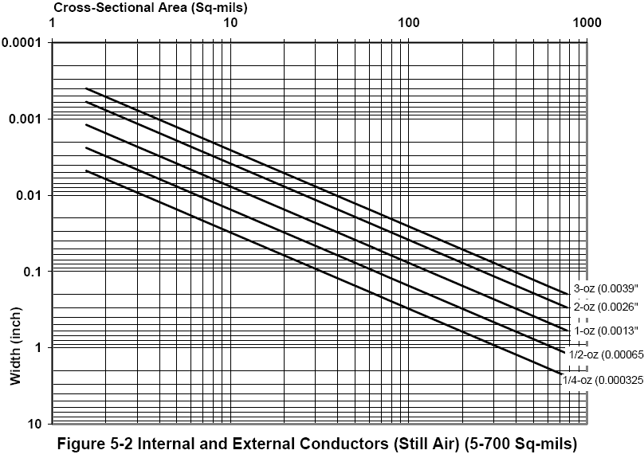

0.00155 | .5OZ
0.000775 | 1OZ
0.000388 | 2OZ
0.000258 | 3OZ

