Y3 Estimates for Pete
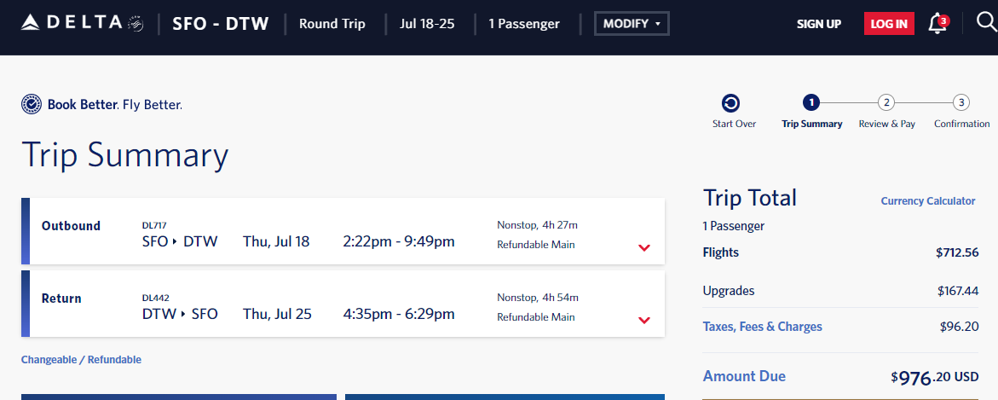
USGS - L. Michigan
Updated: | 2024-04-15
Expenses for an extended deployment during summer 2024
First will be L. Huron, then L. Superior

One LRAUV
 | --one with bioacoustics nosecone

MBARI financial breakdown:
 |  |  |  | 2024
 |  |  |  | Yr 1 |  | Y4 SOW Assumptions:
SALARIES/WAGES |  |  |  | # Hours | Y1 Charge |  | -- Two, 9 day deployments in L. Superior and L. Huron
 |  |  |  |  |  |  | -- one vehicles: Bioacoustic nosecone (Triton)
 | Research Engineer (Shemet) |  |  | 60 |  |  | -- USGS recovers and transports vehicles
 | DMO Operations Tech (Grasse) |  |  | 60 |  |  | -- RT Packing and shipping
 | Software Engineer (Kieft) |  |  | 60 |  | Deployment 'Tasks' | Action | People | Nights | person/nights |  | Kieft | Hobson | Grasse | Shemet |  | total hrs
 |  |  |  | 0 |  | 1 | Trip 1 - unpack, prep and test in Ann Arbor, then transport AUV Cheboygan, MI (Keift) | 2 | 4 | 8 |  | 40 |  |  |  |  | 40
 |  |  |  | 0
 | Total Reg Salary |  |  | 180 | 41,175 | 2 | Trip 2 - Assist launch of Triton at Munising, MI into Lake Superior | 1 | 3 | 3 |  |  |  |  |  |  | 0
 |  |  |  |  |  |  | piloting assist in Lake Superior (Shemet) |  |  |  |  |  |  |  | 40
 | BENEFITS | (Rate-Reg) | 57.15% |  | 23,532 |  |  |  |  |  |  |  |  |  |  |  | 0
 |  |  |  |  |  | 3 | Trip 3 Pack up and ship Triton (Grasse) | 1 | 3 | 3 |  |  |  | 40
 | TOTAL SAL & BEN |  |  |  | 64,707 |  |  |  |  |  |  |  |  |  |  |  | 0

Supplies |  |  |  |  |  |  |  |  |  |  |  |  |  |  |  |  | 0
 | Misc. Consumables and spares |  |  |  | 1,000 | 4 | Mob and deMob |  |  |  |  | 20 |  | 20 | 20

Travel |  |  |  |  |  |  |  |  |  |  |  |  |  |  |  |  | 0
 | Deployment Travel/Lodging |  |  |  | 10,484 |  |  |  |  |  |  |  |  |  |  |  | 0
Shipping
 | Shipping (both directions) |  |  |  | 9,500 |  | Contingency |  |  |  |  |  |  |  |  |  | 0

 | Subtotal Expenses |  |  |  | 20,984 |  |  |  |  | 14 |  | 60 | 0 | 60 | 60 | 0 | 40

Total Direct Costs |  |  |  |  | 85,691 |  |  | Lodging | @ $200/night | 27 | 2,800
 |  |  |  |  |  |  |  | Food/Incidentals | @ $69/day | 36 | 2,484
Total Indirect Costs |  | Rate: | 52.5% |  | 44,988 |  |  | Car Rental | 2 wks @ $600/wk |  | 1,200
 |  |  |  |  |  |  |  | Airfare | 4 flights @ $1000 |  | 4,000
TOTAL DIRECT & INDIRECT COSTS |  |  |  |  | 130,679 |  |  |  |  |  | 10,484

