Sheet1
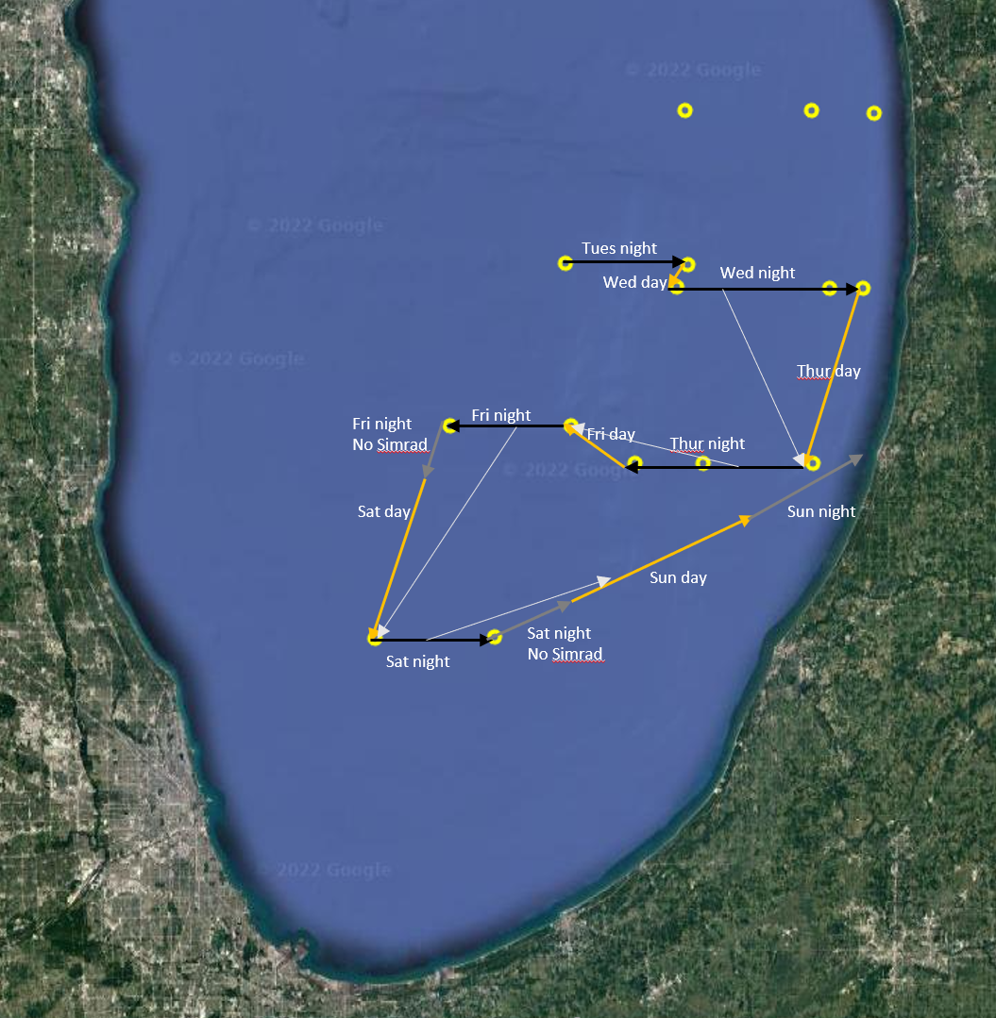
Period | Dist (km) | Transect | Type | StartEnd | LAT | LON | TritonDepth | Direction | ESPNight | #ESP
Tuesday night | 18 | so2 | Deep | Start | 42.676684 | -86.660036 | 50 | east to west | Benthic, Hypo, Meta, Epi | 4
 |  | so2 | Deep | End | 42.677606 | -86.902302 | 50 | east to west
Wed day | 4 |  |  |  |  |  |  |  | Meta, Epi | 2
Wed night | 30 | sn5 | Deep | Start | 42.644468 | -86.681709 | 50 | west to east | Benthic, Hypo | 2
 |  | sn5 | Deep | End | 42.641679 | -86.381253 | 50 | west to east
 |  | sn5 | Shallow | Start | 42.641679 | -86.381253 | 25 | west to east | Meta, Epi | 2
 |  | sn5 | Shallow | End | 42.641381 | -86.31349 | 25 | west to east
Thurs day | 30 |  |  |  |  |  |  |  | Meta, Epi | 2
Thurs night | 29 | sn4 | Shallow | End | 42.38599 | -86.413146 | 25 | east to west
 |  | sn4 | Shallow | Start | 42.386579 | -86.629498 | 25 | east to west | Meta, Epi | 2
 |  | sn4 | Deep | End | 42.386579 | -86.629498 | 50 | east to west
 |  | sn4 | Deep | Start | 42.387484 | -86.76376 | 50 | east to west | Benthic, Hypo | 2
Fri day | 12 |  |  |  |  |  |  |  | Meta, Epi | 2
Fri night cont. | 20 | so1 | Deep | Start | 42.441879 | -87.130984 | 50 | west to east | Benthic, Hypo, Meta, Epi | 4
 |  | so1 | Deep | End | 42.441881 | -86.891075 | 50 | west to east
Fri night cont. | 7
Sat day | 30
Sat night | 20 | sn3 | Deep | End | 42.132473 | -87.042838 | 50 | east to west
 |  | sn3 | Deep | Start | 42.131145 | -87.278214 | 50 | east to west | Benthic, Hypo, Meta, Epi | 4
Sat night cont. | 10
Sun day | 30
Sun night | 30

Total dist: | 270 |  |  |  |  |  |  |  |  | 26

