Sheet1
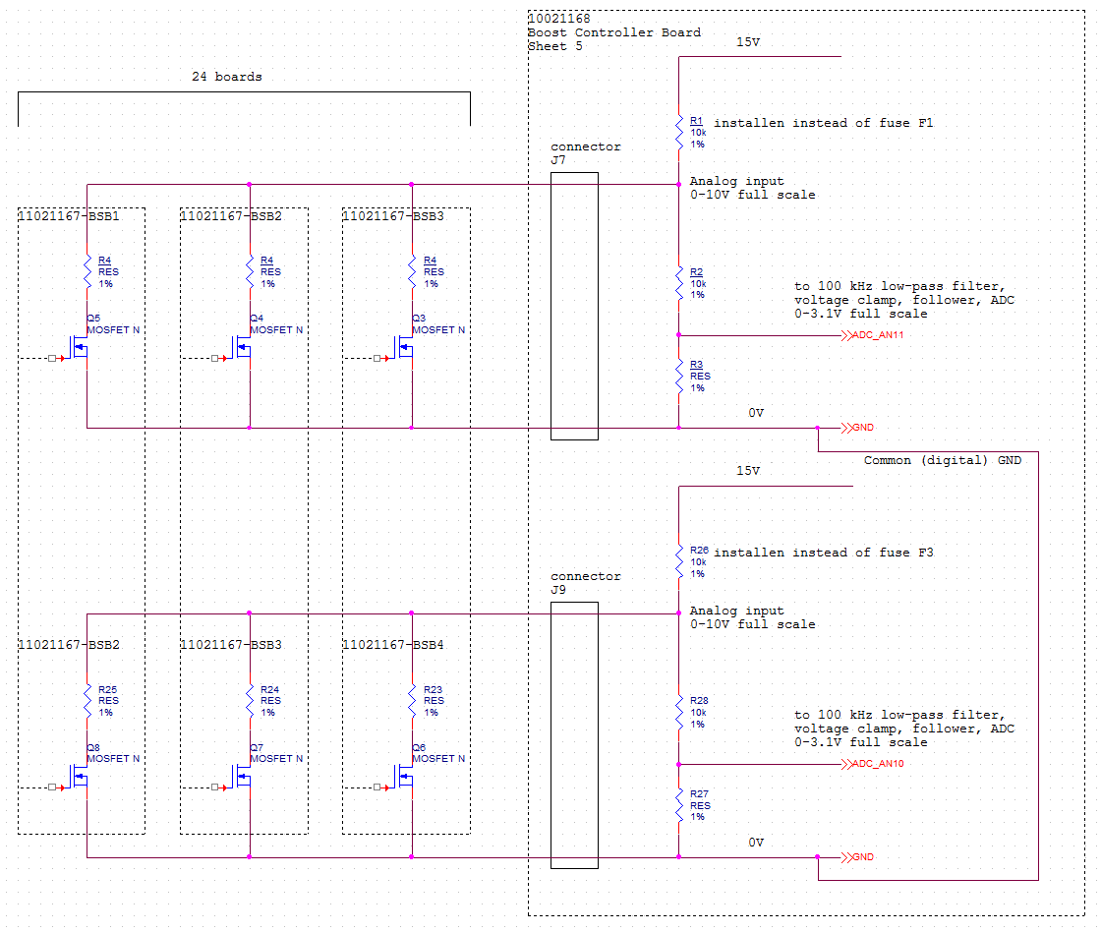
V (R1), V | R1, Ohm | R2, Ohm | R3, Ohm | R opto ON, Ohm | R opto OFF, Ohm | R 4, Ohm | N (R opto) | R ext comb, Ohm | R low comb, Ohm | V (R2), V | V (R3), V | Step voltage, mV | 15V power, mW | comment
15 | 10000 | 10000 | 4530 | 200 | 3.00E+08 | 10000 | 0 | 1.250E+07 | 14513.130 | 8.881 | 2.769 |  | 9.179 | all FETs as off
15 | 10000 | 10000 | 4530 | 200 | 3.00E+08 | 10000 | 1 | 10192 | 5990.212 | 5.619 | 1.752 | 1016.855 | 14.071 | 1 FET is ON
15 | 10000 | 10000 | 4530 | 200 | 3.00E+08 | 10000 | 2 | 5098 | 3773.943 | 4.110 | 1.281 | 470.580 | 16.335 | 2 FETs are ON
15 | 10000 | 10000 | 4530 | 200 | 3.00E+08 | 10000 | 3 | 3399 | 2754.739 | 3.240 | 1.010 | 271.303 | 17.641
15 | 10000 | 10000 | 4530 | 200 | 3.00E+08 | 10000 | 4 | 2550 | 2168.978 | 2.674 | 0.834 | 176.489 | 18.490
15 | 10000 | 10000 | 4530 | 200 | 3.00E+08 | 10000 | 5 | 2040 | 1788.645 | 2.276 | 0.710 | 123.985 | 19.086
15 | 10000 | 10000 | 4530 | 200 | 3.00E+08 | 10000 | 6 | 1700 | 1521.796 | 1.981 | 0.618 | 91.877 | 19.528
15 | 10000 | 10000 | 4530 | 200 | 3.00E+08 | 10000 | 7 | 1457 | 1324.233 | 1.754 | 0.547 | 70.811 | 19.869
15 | 10000 | 10000 | 4530 | 200 | 3.00E+08 | 10000 | 8 | 1275 | 1172.072 | 1.574 | 0.491 | 56.245 | 20.140
15 | 10000 | 10000 | 4530 | 200 | 3.00E+08 | 10000 | 9 | 1133 | 1051.275 | 1.427 | 0.445 | 45.754 | 20.360
15 | 10000 | 10000 | 4530 | 200 | 3.00E+08 | 10000 | 10 | 1020 | 953.051 | 1.305 | 0.407 | 37.948 | 20.542
15 | 10000 | 10000 | 4530 | 200 | 3.00E+08 | 10000 | 11 | 927 | 871.613 | 1.203 | 0.375 | 31.983 | 20.696
15 | 10000 | 10000 | 4530 | 200 | 3.00E+08 | 10000 | 12 | 850 | 802.998 | 1.115 | 0.348 | 27.322 | 20.828
15 | 10000 | 10000 | 4530 | 200 | 3.00E+08 | 10000 | 13 | 785 | 744.397 | 1.039 | 0.324 | 23.610 | 20.941
15 | 10000 | 10000 | 4530 | 200 | 3.00E+08 | 10000 | 14 | 729 | 693.767 | 0.973 | 0.303 | 20.607 | 21.040
15 | 10000 | 10000 | 4530 | 200 | 3.00E+08 | 10000 | 15 | 680 | 649.586 | 0.915 | 0.285 | 18.142 | 21.128
15 | 10000 | 10000 | 4530 | 200 | 3.00E+08 | 10000 | 16 | 637 | 610.696 | 0.863 | 0.269 | 16.095 | 21.205
15 | 10000 | 10000 | 4530 | 200 | 3.00E+08 | 10000 | 17 | 600 | 576.198 | 0.817 | 0.255 | 14.376 | 21.274
15 | 10000 | 10000 | 4530 | 200 | 3.00E+08 | 10000 | 18 | 567 | 545.390 | 0.776 | 0.242 | 12.918 | 21.336
15 | 10000 | 10000 | 4530 | 200 | 3.00E+08 | 10000 | 19 | 537 | 517.710 | 0.738 | 0.230 | 11.671 | 21.392
15 | 10000 | 10000 | 4530 | 200 | 3.00E+08 | 10000 | 20 | 510 | 492.703 | 0.704 | 0.220 | 10.597 | 21.443
15 | 10000 | 10000 | 4530 | 200 | 3.00E+08 | 10000 | 21 | 486 | 470.001 | 0.673 | 0.210 | 9.664 | 21.490
15 | 10000 | 10000 | 4530 | 200 | 3.00E+08 | 10000 | 22 | 464 | 449.298 | 0.645 | 0.201 | 8.849 | 21.533
15 | 10000 | 10000 | 4530 | 200 | 3.00E+08 | 10000 | 23 | 443 | 430.343 | 0.619 | 0.193 | 8.133 | 21.572
15 | 10000 | 10000 | 4530 | 200 | 3.00E+08 | 10000 | 24 | 425 | 412.922 | 0.595 | 0.185 | 7.501 | 21.608 | 24 FETs are ON

Legend
gray cells: calculated values
white cells: user input and constants
Yellow cells: voltage on the input of Boost Controller (0-10V scale)
N (R opto): number of FETs in active (conductive, ON) state
R ext comb: combined resistance of signal path consisting of number N FETs in active state with additional resistor R4
R low comb: combined resistance of R ext comb and resistors R2, R3

