Sheet1
V (R1), V | R1, Ohm | R2, Ohm | R3, Ohm | R opto ON, Ohm | R opto OFF, Ohm | R 4, Ohm | N (R opto) | R ext comb, Ohm | R low comb, Ohm | V (R2), V | V (R3), V | Step voltage, mV | 15V power, mW | comment | Add Error, V | V(R3), V | V(R2) | R low comb | Rext | Nr | Nr rounded | error
15 | 10000 | 10000 | 4530 | 60 | 3.00E+08 | 10000 | 0 | 1.250E+07 | 14513.130 | 8.881 | 2.769 |  | 9.179 | all FETs as off | 0.005 | 2.774 | 8.897 | 14577.545 | -4454976.695 | -0.003 | 0 | 0
15 | 10000 | 10000 | 4530 | 60 | 3.00E+08 | 10000 | 1 | 10052 | 5941.652 | 5.591 | 1.743 | 1025.764 | 14.114 | 1 FET is ON | 0.005 | 1.748 | 5.607 | 5968.870 | 10130.400 | 0.992 | 1 | 0
15 | 10000 | 10000 | 4530 | 60 | 3.00E+08 | 10000 | 2 | 5028 | 3735.474 | 4.079 | 1.272 | 471.180 | 16.381 | 2 FETs are ON | 0.005 | 1.277 | 4.095 | 3755.675 | 5064.815 | 1.986 | 2 | 0
15 | 10000 | 10000 | 4530 | 60 | 3.00E+08 | 10000 | 3 | 3353 | 2724.025 | 3.211 | 1.001 | 270.645 | 17.683 |  | 0.005 | 1.006 | 3.227 | 2741.358 | 3378.840 | 2.977 | 3 | 0
15 | 10000 | 10000 | 4530 | 60 | 3.00E+08 | 10000 | 4 | 2515 | 2143.604 | 2.648 | 0.826 | 175.669 | 18.528 |  | 0.005 | 0.831 | 2.664 | 2159.391 | 2536.330 | 3.966 | 4 | 0
15 | 10000 | 10000 | 4530 | 60 | 3.00E+08 | 10000 | 5 | 2012 | 1767.083 | 2.253 | 0.702 | 123.224 | 19.121 |  | 0.005 | 0.707 | 2.269 | 1781.906 | 2030.978 | 4.953 | 5 | 0
15 | 10000 | 10000 | 4530 | 60 | 3.00E+08 | 10000 | 6 | 1676 | 1503.071 | 1.960 | 0.611 | 91.215 | 19.560 |  | 0.005 | 0.616 | 1.976 | 1517.236 | 1694.139 | 5.938 | 6 | 0
15 | 10000 | 10000 | 4530 | 60 | 3.00E+08 | 10000 | 7 | 1437 | 1307.694 | 1.735 | 0.541 | 70.244 | 19.898 |  | 0.005 | 0.546 | 1.751 | 1321.381 | 1453.572 | 6.920 | 7 | 0
15 | 10000 | 10000 | 4530 | 60 | 3.00E+08 | 10000 | 8 | 1257 | 1157.267 | 1.556 | 0.485 | 55.760 | 20.166 |  | 0.005 | 0.490 | 1.572 | 1170.592 | 1273.163 | 7.901 | 8 | 0
15 | 10000 | 10000 | 4530 | 60 | 3.00E+08 | 10000 | 9 | 1118 | 1037.877 | 1.410 | 0.440 | 45.336 | 20.384 |  | 0.005 | 0.445 | 1.426 | 1050.919 | 1132.855 | 8.880 | 9 | 0
15 | 10000 | 10000 | 4530 | 60 | 3.00E+08 | 10000 | 10 | 1006 | 940.817 | 1.290 | 0.402 | 37.586 | 20.565 |  | 0.005 | 0.407 | 1.306 | 953.630 | 1020.615 | 9.856 | 10 | 0
15 | 10000 | 10000 | 4530 | 60 | 3.00E+08 | 10000 | 11 | 915 | 860.359 | 1.188 | 0.370 | 31.667 | 20.718 |  | 0.005 | 0.375 | 1.204 | 872.984 | 928.787 | 10.831 | 11 | 0
15 | 10000 | 10000 | 4530 | 60 | 3.00E+08 | 10000 | 12 | 838 | 792.578 | 1.102 | 0.343 | 27.044 | 20.848 |  | 0.005 | 0.348 | 1.118 | 805.046 | 852.266 | 11.803 | 12 | 0
15 | 10000 | 10000 | 4530 | 60 | 3.00E+08 | 10000 | 13 | 774 | 734.696 | 1.027 | 0.320 | 23.364 | 20.960 |  | 0.005 | 0.325 | 1.043 | 747.031 | 787.520 | 12.774 | 13 | 0
15 | 10000 | 10000 | 4530 | 60 | 3.00E+08 | 10000 | 14 | 719 | 684.694 | 0.961 | 0.300 | 20.387 | 21.058 |  | 0.005 | 0.305 | 0.977 | 696.914 | 732.024 | 13.742 | 14 | 0
15 | 10000 | 10000 | 4530 | 60 | 3.00E+08 | 10000 | 15 | 671 | 641.064 | 0.904 | 0.282 | 17.946 | 21.145 |  | 0.005 | 0.287 | 0.920 | 653.184 | 683.930 | 14.709 | 15 | 0
15 | 10000 | 10000 | 4530 | 60 | 3.00E+08 | 10000 | 16 | 629 | 602.661 | 0.853 | 0.266 | 15.918 | 21.221 |  | 0.005 | 0.271 | 0.869 | 614.694 | 641.848 | 15.673 | 16 | 0
15 | 10000 | 10000 | 4530 | 60 | 3.00E+08 | 10000 | 17 | 592 | 568.599 | 0.807 | 0.252 | 14.215 | 21.289 |  | 0.005 | 0.257 | 0.823 | 580.555 | 604.717 | 16.636 | 17 | 0
15 | 10000 | 10000 | 4530 | 60 | 3.00E+08 | 10000 | 18 | 559 | 538.182 | 0.766 | 0.239 | 12.772 | 21.351 |  | 0.005 | 0.244 | 0.782 | 550.069 | 571.712 | 17.596 | 18 | 0
15 | 10000 | 10000 | 4530 | 60 | 3.00E+08 | 10000 | 19 | 529 | 510.854 | 0.729 | 0.227 | 11.538 | 21.406 |  | 0.005 | 0.232 | 0.745 | 522.679 | 542.183 | 18.554 | 19 | 0
15 | 10000 | 10000 | 4530 | 60 | 3.00E+08 | 10000 | 20 | 503 | 486.167 | 0.695 | 0.217 | 10.475 | 21.457 |  | 0.005 | 0.222 | 0.711 | 497.936 | 515.606 | 19.511 | 20 | 0
15 | 10000 | 10000 | 4530 | 60 | 3.00E+08 | 10000 | 21 | 479 | 463.756 | 0.665 | 0.207 | 9.552 | 21.503 |  | 0.005 | 0.212 | 0.681 | 475.475 | 491.561 | 20.465 | 20 | -1
15 | 10000 | 10000 | 4530 | 60 | 3.00E+08 | 10000 | 22 | 457 | 443.320 | 0.637 | 0.199 | 8.746 | 21.545 |  | 0.005 | 0.204 | 0.653 | 454.993 | 469.702 | 21.418 | 21 | -1
15 | 10000 | 10000 | 4530 | 60 | 3.00E+08 | 10000 | 23 | 437 | 424.609 | 0.611 | 0.190 | 8.037 | 21.584 |  | 0.005 | 0.195 | 0.627 | 436.241 | 449.744 | 22.368 | 22 | -1
15 | 10000 | 10000 | 4530 | 60 | 3.00E+08 | 10000 | 24 | 419 | 407.413 | 0.587 | 0.183 | 7.412 | 21.619 | 24 FETs are ON | 0.005 | 0.188 | 0.603 | 419.007 | 431.449 | 23.317 | 23 | -1

Legend
gray cells: calculated values
white cells: user input and constants
Yellow cells: voltage on the input of Boost Controller (0-10V scale)
N (R opto): number of FETs in active (conductive, ON) state
R ext comb: combined resistance of signal path consisting of number N FETs in active state with additional resistor R4
 | V (R3), V
0 | 2.769
1 | 1.743
2 | 1.272
3 | 1.001
4 | 0.826
5 | 0.702
6 | 0.611
7 | 0.541
8 | 0.485
9 | 0.440
10 | 0.402
11 | 0.370
12 | 0.343
13 | 0.320
14 | 0.300
15 | 0.282
16 | 0.266
17 | 0.252
18 | 0.239
19 | 0.227
20 | 0.217
21 | 0.207
22 | 0.199
23 | 0.190
24 | 0.183
R low comb: combined resistance of R ext comb and resistors R2, R3
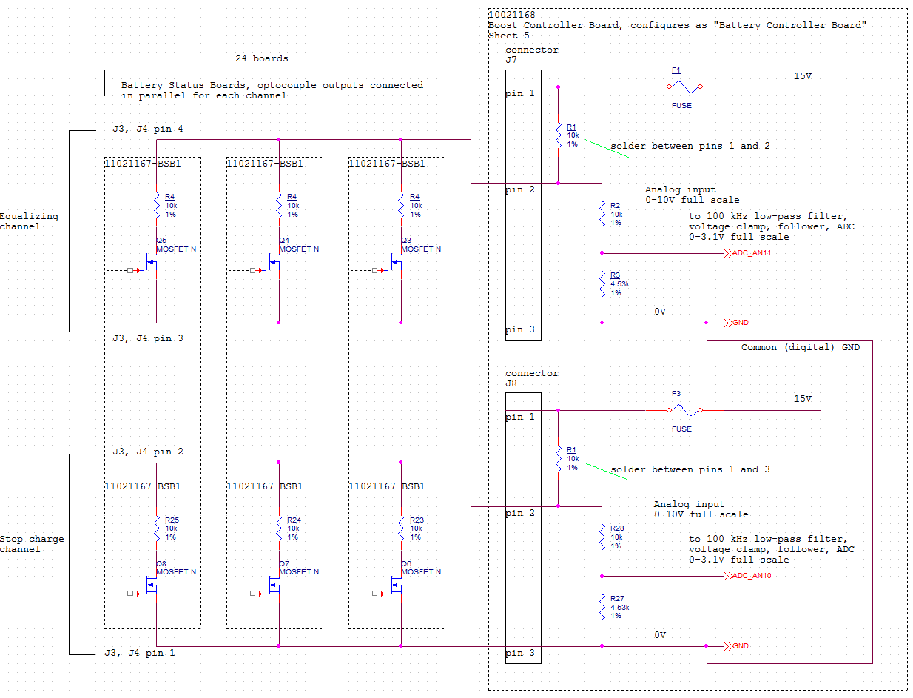

 | Nr rounded
2.774 | 0
1.748 | 1
1.277 | 2
1.006 | 3
0.831 | 4
0.707 | 5
0.616 | 6
0.546 | 7
0.490 | 8
0.445 | 9
0.407 | 10
0.375 | 11
0.348 | 12
0.325 | 13
0.305 | 14
0.287 | 15
0.271 | 16
0.257 | 17
0.244 | 18
0.232 | 19
0.222 | 20
0.212 | 20
0.204 | 21
0.195 | 22
0.188 | 23

