Connector
P1
P2
P3
P4

MSD

Generator
Fuse
Export 1
Fuse
Export 2
Fuse

Connector | Description | HV Connector
 | P1 | https://www.mcmaster.com/5566T528/ | TERMINAL BLOCK, 8 POS, MCMASTER, 5566T528
Pin Number | Ring Terminal | Signal | Description | Voltage | Current
1 | #10 | HV Export 1 HV + | HV Battery Voltage Zone | 300 V | 10 A
2 | #10 | HV Export 1 HV - | HV Battery Voltage Zone | 300 V | 10 A
3 | #10 | HV Export 2 HV + | HV Battery Voltage Zone | 300 V | 10 A
4 | #10 | HV Export 2 HV - | HV Battery Voltage Zone | 300 V | 10 A
5 | #10 | Generator HV + | HV Battery Voltage Zone | 300 V | 50 A
6 | #10 | Generator HV - | HV Battery Voltage Zone | 300 V | 50 A
7 | #10 | Chassis Reference A | Chassis Zone1
8 | #10 | Chassis Reference B | Chassis Zone1

Connector | Description | LV Connector
 | P2 | https://www.mcmaster.com/5566T41/ | TERMINAL BLOCK, 12 POS, MCMASTER, 5566T41
Pin Number | Ring Terminal | Signal | Description | Voltage | Current
1 | #8 | ISO 24 V + | ISO Zone 1 | 24 V | 10 A
2 | #8 | ISO 24 GND1 | ISO Zone 1 |  | 10 A
3 | #8 | ISO CAN A | ISO Zone 1
4 | #8 | ISO CAN B | ISO Zone 1
5 | #8 | ISO CAN Shield GND1 | ISO Zone 1
6 | #8
7 | #8
8 | #8 | Shorting Plug A | Internal LV Zone | 24 V | 2 A
9 | #8 | Shorting Plug B | Internal LV Zone | 24 V | 2 A
10 | #8
11 | #8 | System Start Power | Internal LV Zone | 24 V | 10 A
12 | #8 | System Start Ground | Internal LV Zone |  | 10 A

Connector | Description | Jumper Configuration for CAN Address, Do not connect externally
 | P3 | https://www.mcmaster.com/5566T85/ | TERMINAL BLOCK, 6 POS, MCMASTER, 5566T85
Pin Number | Ring Terminal | Signal | Description | Voltage | Current
1 | #6 | CAN ID Configure | Internal LV Zone
2 | #6 | CAN ID Bit 0 | Internal LV Zone
3 | #6 | CAN ID Bit 1 | Internal LV Zone
4 | #6 | Program 1 | Internal LV Zone
5 | #6 | Program 2 | Internal LV Zone
6 | #6 | CAN ID GND2 | Internal LV Zone
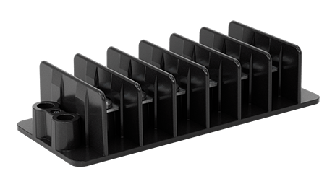
Connector | Description | Diagnostic CAN Link - For Debug use only, Do not connect externally
 | P4 | https://www.mcmaster.com/5566T85/ | TERMINAL BLOCK, 6 POS, MCMASTER, 5566T85
Pin Number | Ring Terminal | Signal | Description | Voltage | Current
1 | #6 | 24 V+ | Internal LV Zone | 24 V | 1A
2 | #6 | I_CAN A | Internal LV Zone
3 | #6 | I_CAN B | Internal LV Zone
4 | #6 | BI_CAN A | Internal LV Zone
5 | #6 | BI_CAN B | Internal LV Zone
6 | #6 | GND2 | Internal LV Zone

