Sheet1
 |  | Data From Proccessed Images: | Dilution Step | Detected Particles
 |  |  | 1 | 212 | 212
 |  |  | 2 | 127 | 106
 |  |  | 4 | 90 | 53
 |  |  | 8 | 69 | 26.5
 |  |  | 16 | 40 | 13.25
 |  |  | 32 | 26 | 6.625
 |  |  | 64 | 30 | 3.3125
 |  |  | 128 | 19 | 1.65625
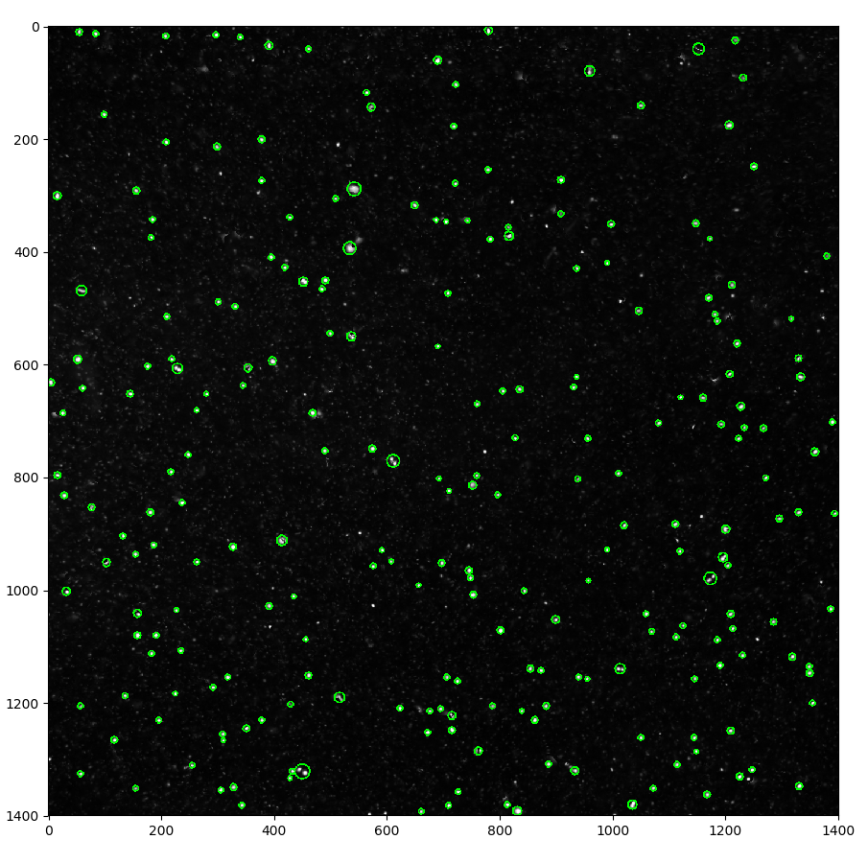
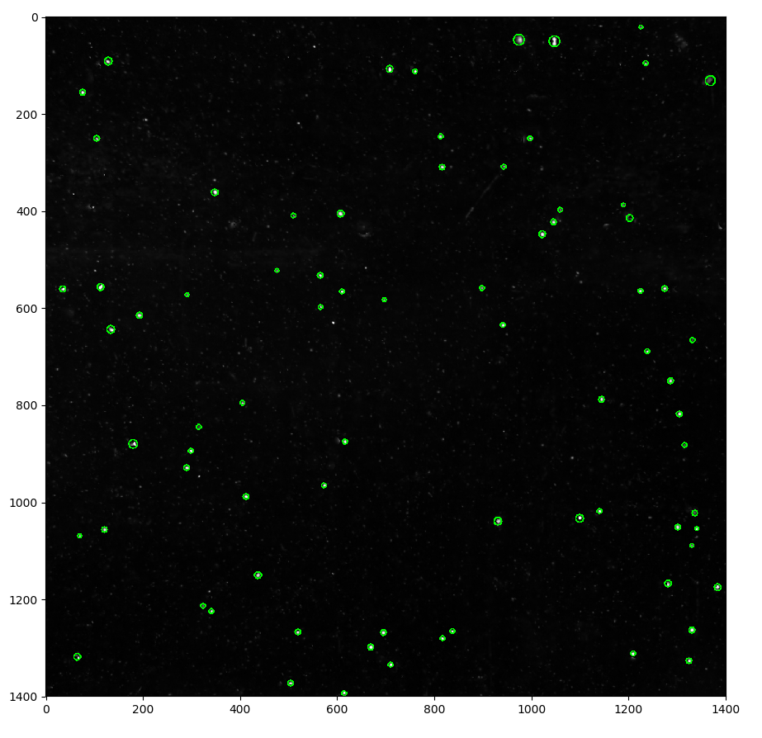
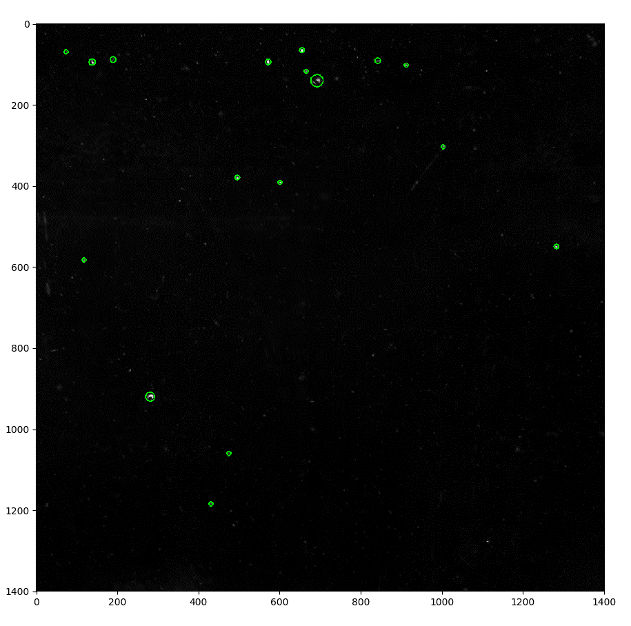

Random Particle Dilution

 | 1x Dilution |  | 8x Dilution |  |  |  | 128x Dilution

Data Collection Procedure:
Mix tank with ruler for 10 secondslet settle for 30 seconds, record 4 images (totalfocus, raw, and ray), Mix tank with ruler for 10 seconds, remove half of the water in the tank and replace with RO water. Repeat

Data Processing Procedure:
For each dilution step, compute median image over all four frames, subtract this median from each image and rescale to 8-bit, run each image through Sobel edge filter, threshold edge magnitude image above 15 * median with zero pixel values removed.
Detect all 8-neighbor objects and count only those with area larger than 60 pixels.
Average all four counts for each dilution together.

Python Code from cvtools file: |  |  |  |  |  | Python Script:
# import raw image |  |  |  |  |  | import sys
def import_image(abs_path, filename, raw=True, color=False, bayer_pattern=BAYER_PATTERN): |  |  |  |  |  | import os
# Load and convert image as needed |  |  |  |  |  | import numpy as np
img_c = cv2.imread(os.path.join(abs_path, filename), cv2.IMREAD_UNCHANGED) |  |  |  |  |  | import glob
if raw: |  |  |  |  |  | import cv2
if color: |  |  |  |  |  | import cvtools
img_c = cv2.cvtColor(img_c, bayer_pattern)
 |  |  |  |  |  | if __name__=="__main__":
return img_c
 |  |  |  |  |  | if len(sys.argv) != 2:
 |  |  |  |  |  | print('Please supply a directory')
# convert image to 8 bit with or without autoscaling |  |  |  |  |  | exit()
def convert_to_8bit(img, auto_scale=True):
# Convert to 8 bit and autoscale |  |  |  |  |  | total_focus_files = glob.glob(os.path.join(sys.argv[1],"*_TotalFocus.png"))
if auto_scale:
 |  |  |  |  |  | scales = ['01x', '02x', '04x', '08x', '016x', '032x', '064x', '0128x']
result = np.float32(img) - np.min(img)
if np.max(img) != 0: |  |  |  |  |  | # process background for each set
result = result / np.max(img) |  |  |  |  |  | scales = ['01x','02x','04x','08x','016x','032x','064x','0128x']
 |  |  |  |  |  | for scale in scales:
img_8bit = np.uint8(255 * result) |  |  |  |  |  | group = []
else: |  |  |  |  |  | skip_group = False
img_8bit = np.unit8(img) |  |  |  |  |  | for img_file in total_focus_files:
 |  |  |  |  |  | if scale in img_file:
return img_8bit |  |  |  |  |  | group.append(img_file)

 |  |  |  |  |  | all_imgs = []
def find_particles(filename,save_to_disk=False,show=False,color=False):
 |  |  |  |  |  | for img_file in group:
gray = import_image(os.path.dirname(filename),os.path.basename(filename),raw=True,color=color) |  |  |  |  |  | gray = cvtools.import_image(os.path.dirname(img_file), os.path.basename(img_file), raw=True, color=False)
 |  |  |  |  |  | gray = cvtools.convert_to_8bit(gray)
gray = convert_to_8bit(gray) |  |  |  |  |  | all_imgs.append(gray)
gray = gray[200:1600,200:1600]
 |  |  |  |  |  | all_imgs = np.array(all_imgs)
if show:
plt.imshow(gray) |  |  |  |  |  | # median and subtract
plt.show() |  |  |  |  |  | med_img = np.median(all_imgs,0)
# remove single-p |  |  |  |  |  | for ind,img_file in enumerate(group):
 |  |  |  |  |  | bg_sub = all_imgs[ind].astype('float') - med_img
# edge-based segmentation and region filling to define the object |  |  |  |  |  | bg_sub_8bit = bg_sub - np.min(bg_sub)
edges_mag = scharr(gray) |  |  |  |  |  | bg_sub_8bit = (2**16)*(bg_sub/np.max(bg_sub))
edges_med = np.median(edges_mag[edges_mag > 0]) |  |  |  |  |  | print('saving: '+ img_file+'_bg_sub.tif')
edges_thresh = EDGE_THRESH*edges_med |  |  |  |  |  | cv2.imwrite(img_file+'_bg_sub.tif',bg_sub)
edges = edges_mag >= edges_thresh
if show: |  |  |  |  |  | proc_results = []
plt.imshow(edges)
plt.show() |  |  |  |  |  | bg_sub_files = glob.glob(os.path.join(sys.argv[1], "*bg_sub*.tif"))
# remove single-pixel particles
edges = morphology.opening(edges, morphology.rectangle(3,3)) |  |  |  |  |  | for scale in scales:
# define the binary image for further operations |  |  |  |  |  | group = []
bw_img = edges |  |  |  |  |  | skip_group = False
 |  |  |  |  |  | for img_file in total_focus_files:
# Compute morphological descriptors |  |  |  |  |  | if scale in img_file:
label_img = morphology.label(bw_img.astype('uint16'), neighbors=8, background=0) |  |  |  |  |  | group.append(img_file)
props = measure.regionprops(label_img, gray) |  |  |  |  |  | mean_particles = 0
 |  |  |  |  |  | for ind,img_file in enumerate(group):
color_img = cv2.cvtColor(gray,cv2.COLOR_GRAY2RGB) |  |  |  |  |  | show_proc = False
 |  |  |  |  |  | if ind == 1:
particle_count = 0 |  |  |  |  |  | show_proc = True
for p in props: |  |  |  |  |  | mean_particles += cvtools.find_particles(img_file, save_to_disk=False, show=show_proc)
if p['area'] > AREA_FILTER: |  |  |  |  |  | print(mean_particles/len(group))
particle_count += 1
cv2.circle(color_img,
(int(p['centroid'][1]),
int(p['centroid'][0])),
int(p['major_axis_length']/2.0),
(0, 255, 0),
2)
print(filename + "," + str(particle_count))

if show:
plt.imshow(color_img)
plt.show()

if save_to_disk:
output = filename.rstrip('\\')+'.proc.tif'
print('Saving to: ' + output)
cv2.imwrite(output,label_img.astype('uint16'))

return particle_count

