Sheet1
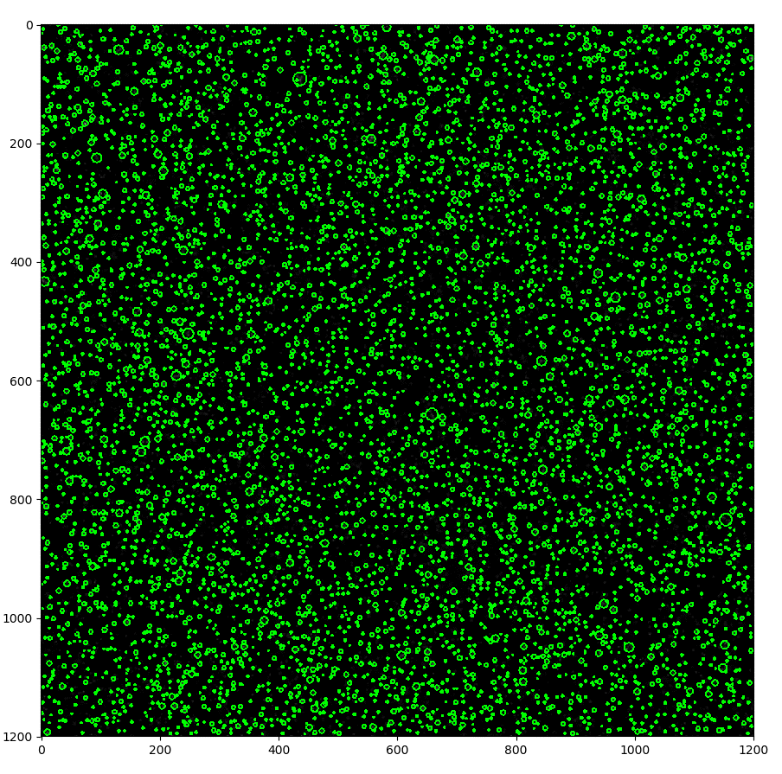
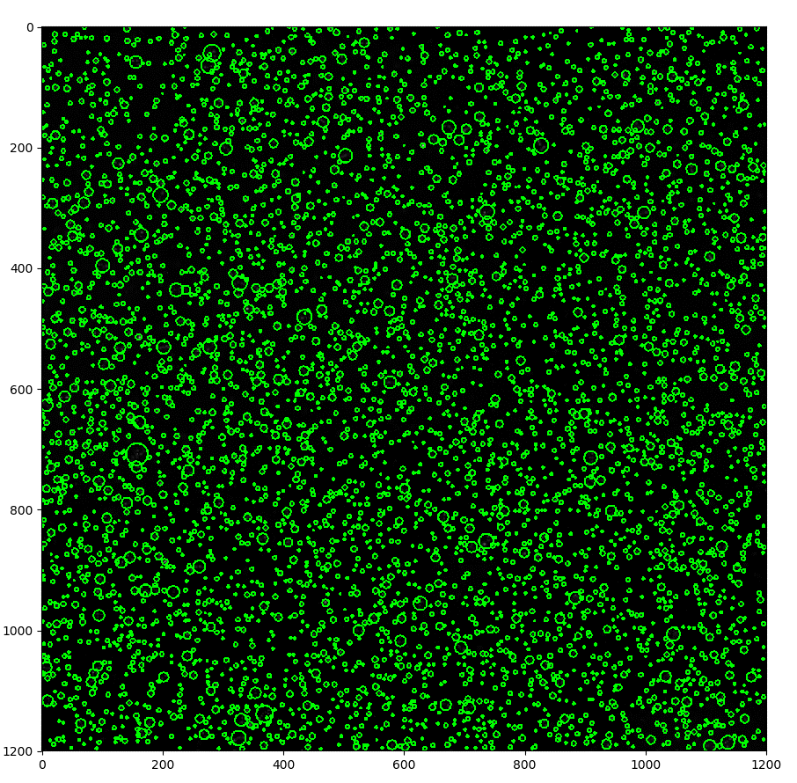
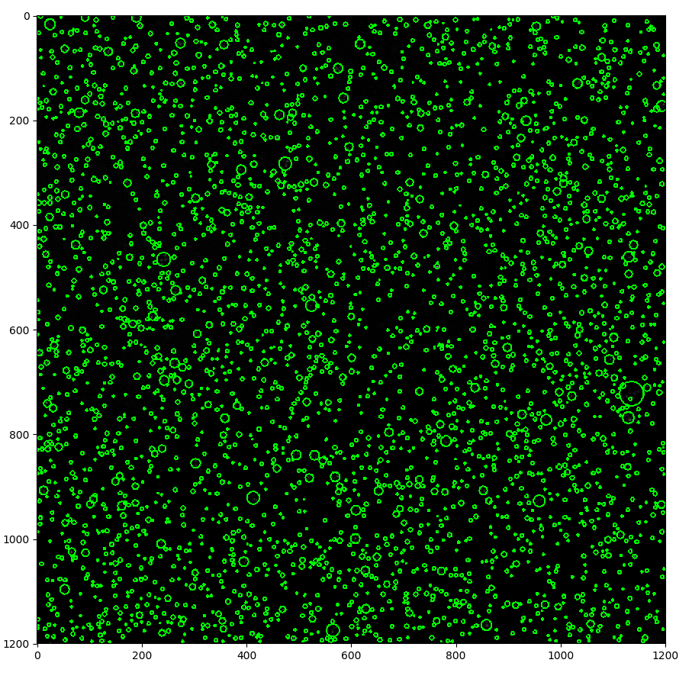
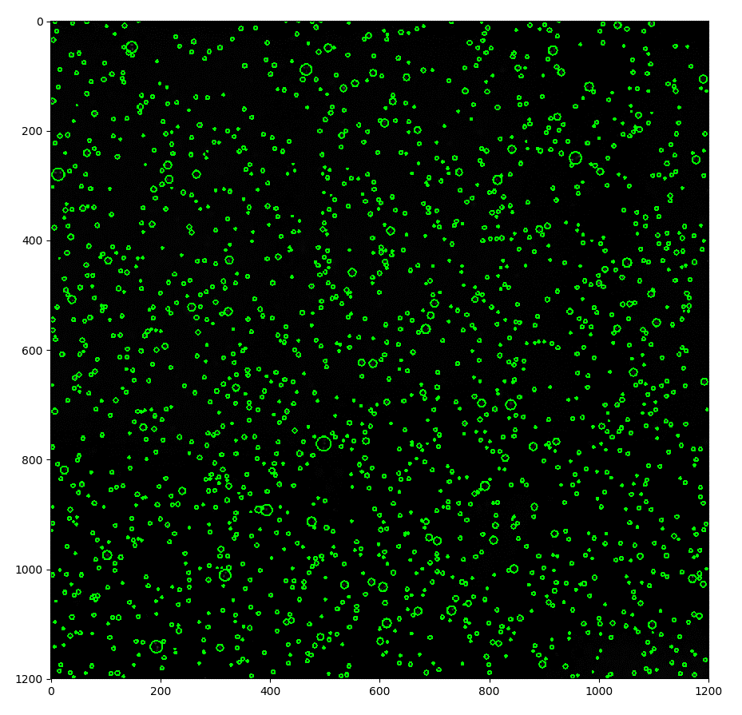
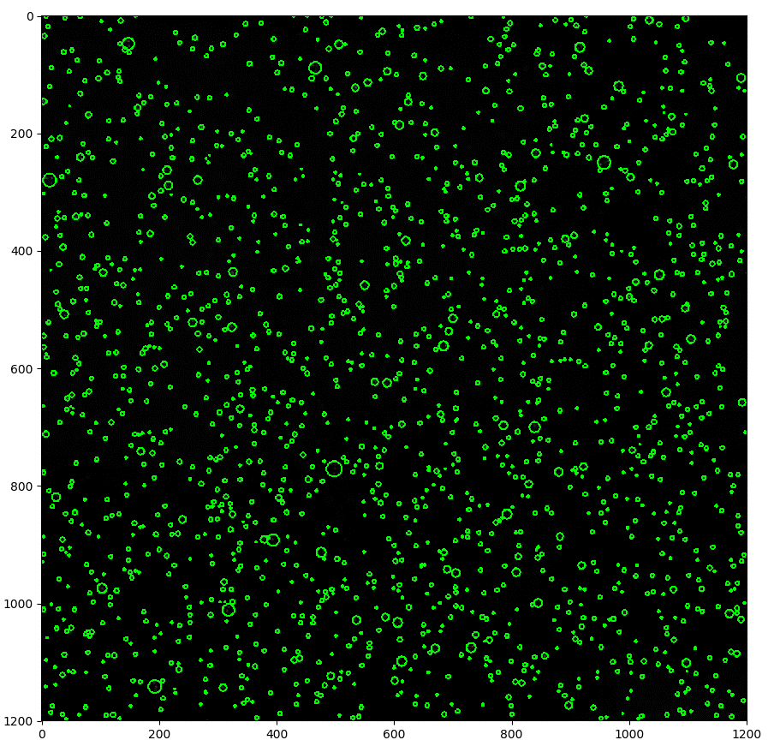
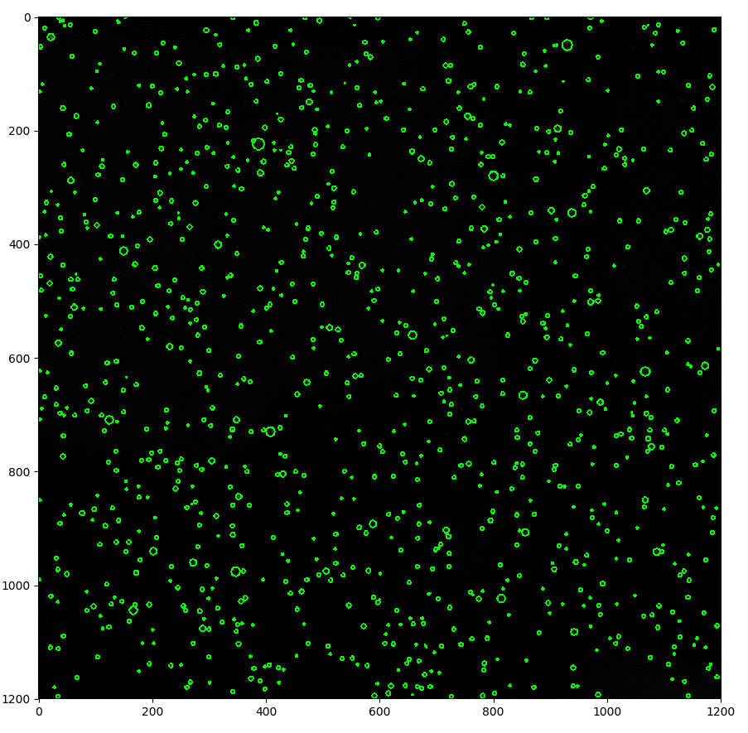
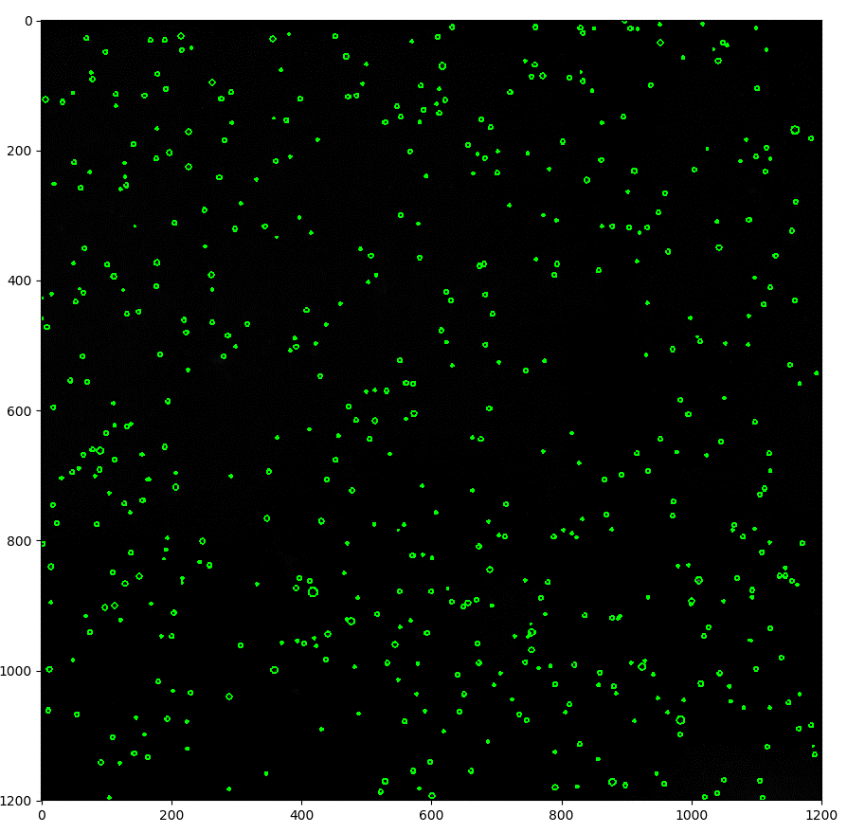
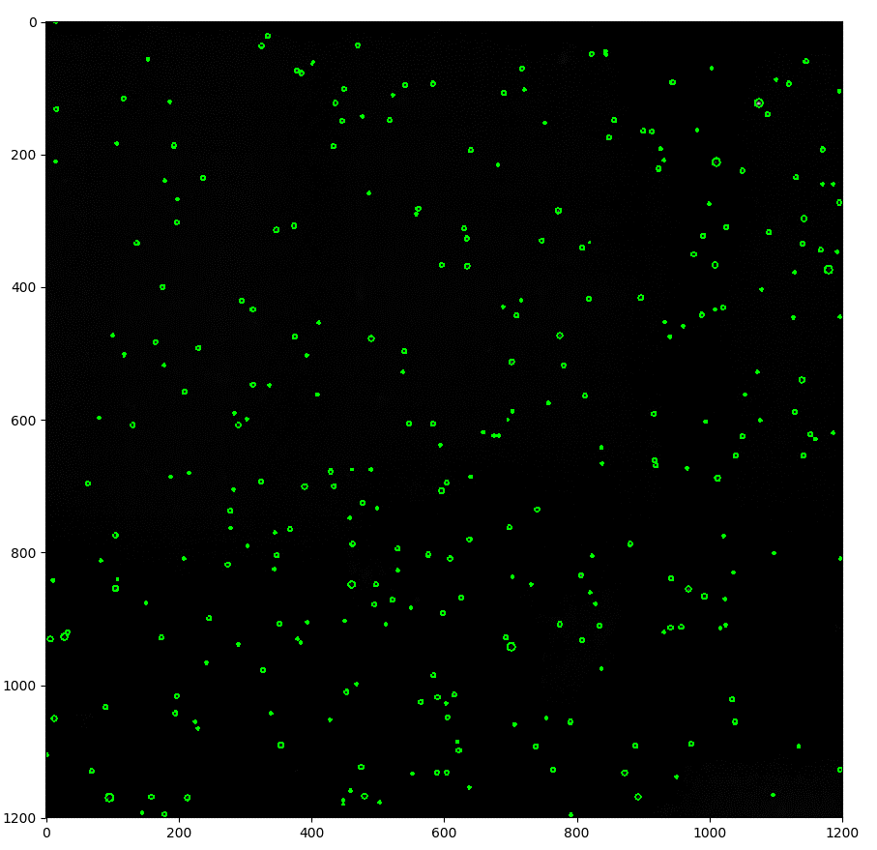
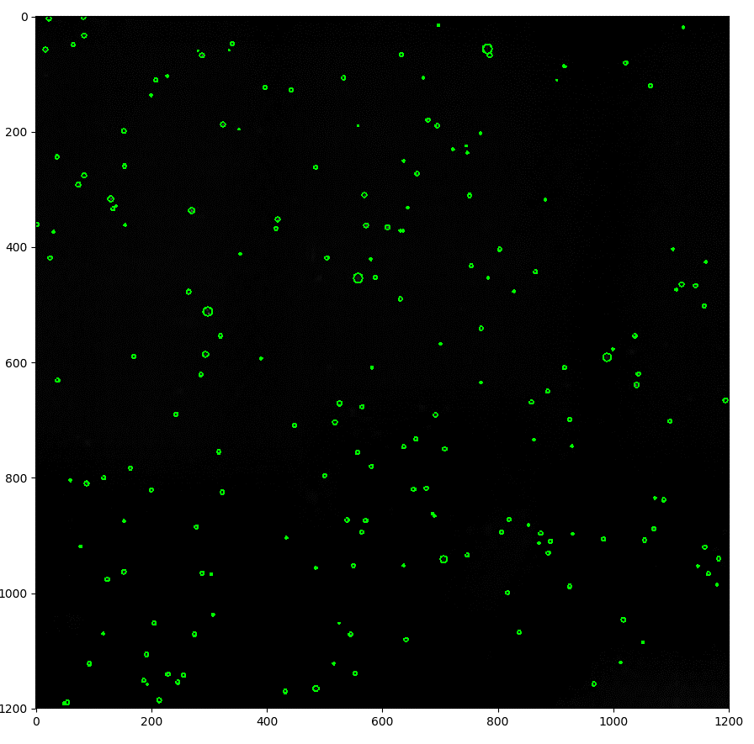
Dilution Experiment
Step number | Expected | Estimated | std error
1 | 3120.3333333 | 3120.3333333 | 76.71085683 | 3.4942009905 | 3.4942009905 | Dilution Step | 1.8866789647 | Notes:
2 | 1653.8761452 | 1748.5 | 27.868739955 | 3.2185029832 | 3.2426656366
4 | 876.60708371 | 1101.6666667 | 24.340752294 | 2.9428049758 | 3.0420502091 |  |  | Steps x1, x2 seemed like to concetration was too high for total focus image, lots of artifacts
8 | 464.62970124 | 515.16666667 | 18.284784203 | 2.6671069684 | 2.7119477547
16 | 246.26855439 | 294 | 0 | 2.3914089611 | 2.4683473304 |  |  | Tank Volume (ml): |  | 8511.215625
32 | 130.53018505 | 195.5 | 5.8142545142 | 2.1157109537 | 2.2911467617
 |  |  |  |  |  |  |  | Removed 4 l each dilution

 |  |  |  |  |  |  |  | Imaged Volume: 15*5*5 cc

 |  |  |  |  |  |  |  | 6247.1666667 | 1 |  | 16.659111111 | 0.375 | 29.618682584
 |  |  |  |  |  |  |  | 4655.5 | 1.8866789647 |  | 12.414666667 | 0.375 | 15.698846034
 |  |  |  |  |  |  |  | 3120.3333333 | 3.5595575159 |  | 8.3208888889 | 0.375 | 8.3208888889
 |  |  |  |  |  |  |  | 1748.5 | 6.715742289 |  | 4.6626666667 | 0.375 | 4.4103363871
 |  |  |  |  |  |  |  | 1101.6666667 | 12.670449709 |  | 2.9377777778 | 0.375 | 2.3376188899
 |  |  |  |  |  |  |  | 515.16666667 | 23.90507094 |  | 1.3737777778 | 0.375 | 1.2390125366
 |  |  |  |  |  |  |  | 294 | 45.101194492 |  | 0.784 | 0.375 | 0.65671614504
 |  |  |  |  |  |  |  | 195.5 | 85.091474932 |  | 0.52133333333 | 0.375 | 0.34808049346

