Sheet1
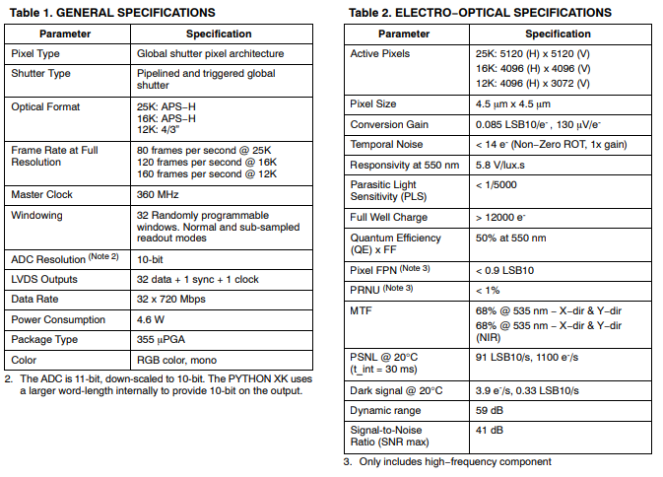
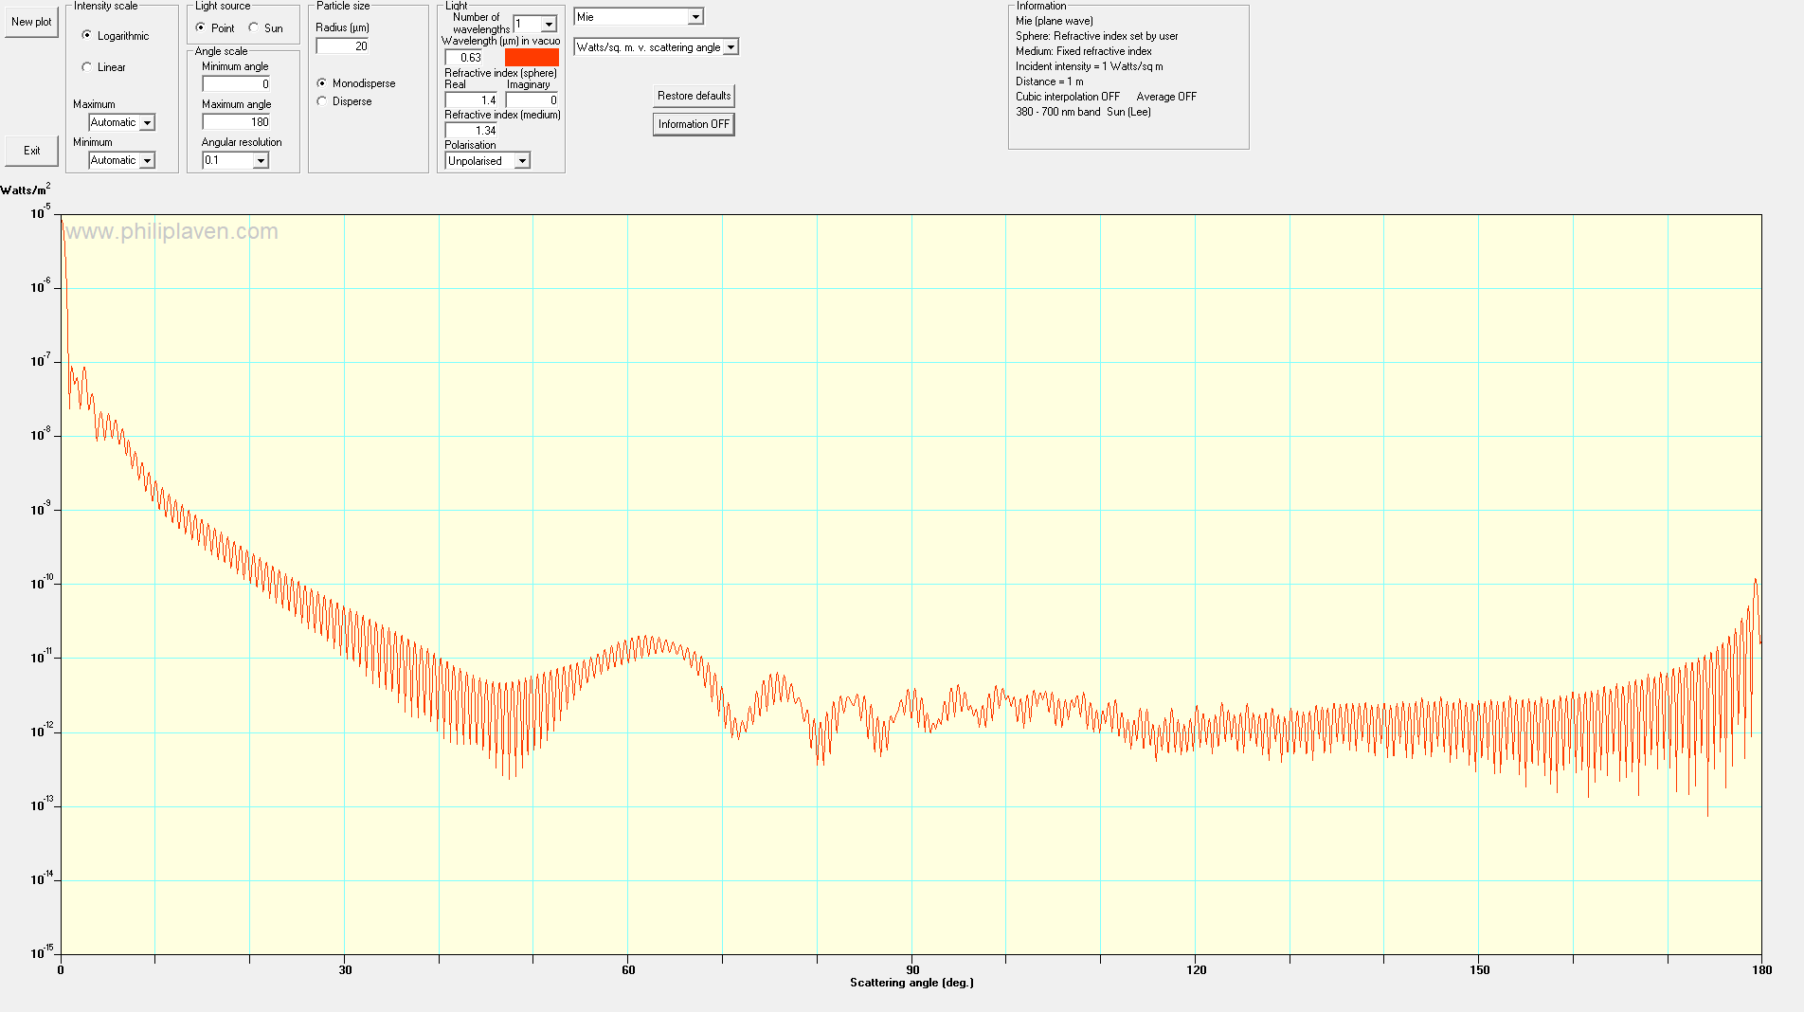
Item |  |  | Notes

Light Power Output | 10 | W | This is ther optical power output from a single light source in the array
Total number of lights | 6 | # | Assume that all lights combine equally to illuminate the imaged volume
Fraction of light in illuminated area | 0.5 |  | This is the fraction of the output power that actually illuminates the imaged volume
Illuminated area | 625 | cm^2 | This is the cross-sectional area of the imaged volume that is illuminated
Power Density | 0.048 | W/cm^2 | Total power density of the lights
Total path length in water | 2 | m | Two-way path length in water
Absorption coeff | 0.3 | 1/m | at 630 nm in seawater
Scattering coeff | 1 | 1/m | one-way scatter vs two way aborption since the on the way to the target the scattered light still hits the target.
Attenuation over total path in water | 0.20189651799 |  | Fraction of power lost to attenuation in water
Scattering Intensity ratio from MiePlot | 1E-11 |  | Fraction of input intensity to backscattered intensity over 150-180 deg for a 100 um sphere of 1.4 refractive index in 1.34 water at 630 nm
Power scattered back towards lens | 9.6910328637E-14 | W/cm^2 | Watts per solid angle in the backward hemisphere
Focal length of lens | 50 | mm
Aperature of lens | 2.8 | F/#
Effective area subtended by lens | 2.5044584292 | cm^2
Power collected by lens | 2.4270788943E-13 | W
Lens efficiency | 0.75
Power Incident on pixel | 1.8203091707E-13 | W
Exposure Time | 0.0005 | s | Longest exposure at 10 cm/s and 50 um pixel to avoid motion blur
Energy on pixel during exposure | 9.1015458537E-17 | J
Photons per Pixel at 630 nm | 288.93796361 |  | From : https://www.pveducation.org/pvcdrom/properties-of-sunlight/energy-of-photon

Sensor Quantum Efficiency | 0.5

Pixel SNR (assuming not dark noise limited) | 12.019525024

R26 Sensor Specs

