INjection plan figures
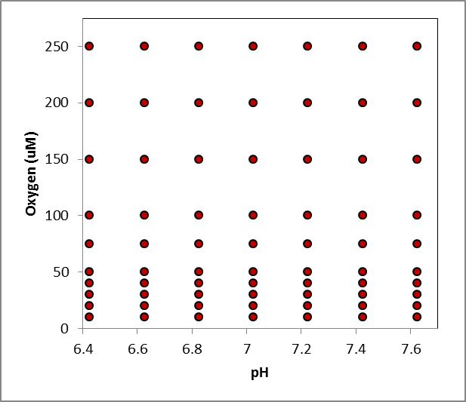
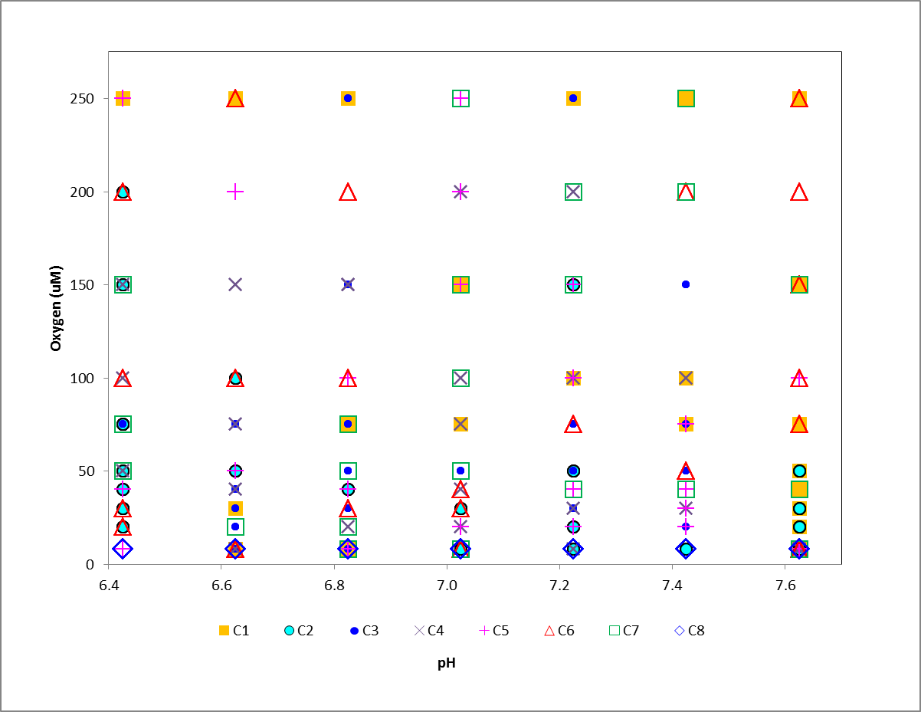

Above is the conceptual plan for the combined treatments for pH and O2 | Above is the injection plan for combined treatments for pH and O2
 | Each symbol represents a chamber, with each occurrence representing 4 consecutive cycles of incubations for that treatment
 | The schedule of injections for this plan is on the other worksheet.

