BOM V2
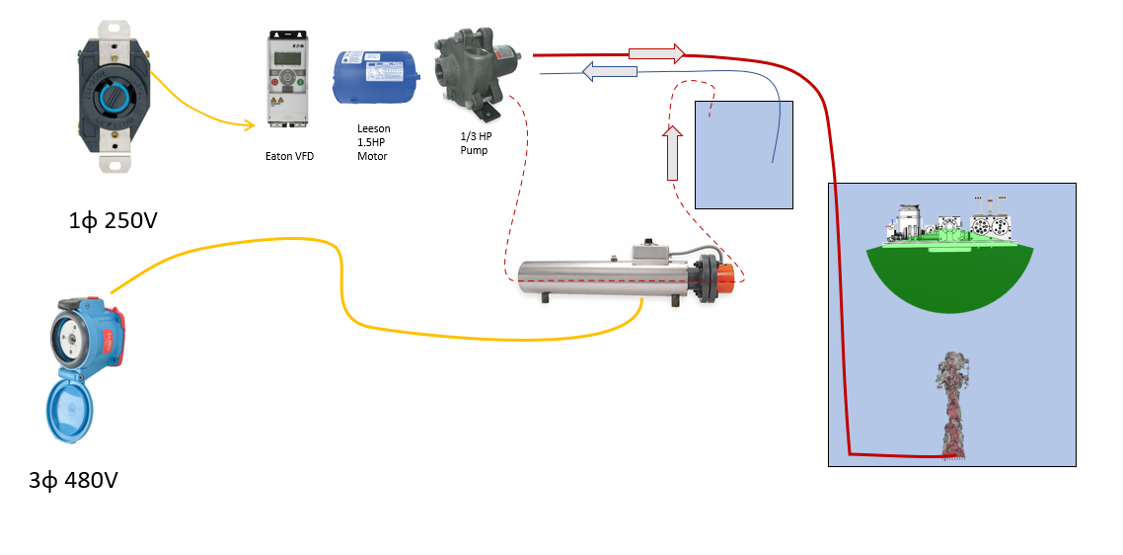
 | item # | item description | qty | amount | subtotal | Vendor | PN# | link | notes
have | 1 | motor | 1
have | 2 | VFD | 1
ordered | 3 | Pedestal Pump: Sized for 1/3 hp | 1 | $438.16 | $438.16 |  |  | https://www.grainger.com/product/DAYTON-Pedestal-Pump-Sized-for-1-2ZWY8 | 5/8 in Shaft Out Dia, SS, NPT 1in intake, NPT 3/4 discharge
ordered | 4 | 20A fuses for motor | 1
ordered | 5 | switch for motor | 1

 | 6 | Immersion Heater 24kW 480V | 1 | $3,101.25 | $3,101.25 | Grainger | CHF02346 | https://www.grainger.com/product/TEMPCO-Circulation-Heater-480V-AC-2VYF4
 | 7 | 330 gallon IBC tote | 1 | $386.48 | $386.48 | The Cary Company | 26WN3C | https://www.thecarycompany.com/330-gallon-ibc-tote-new-un-rated-2-inch-camlock-valve-composite-pallet
 | 8 | EPDM 1/2" x 100ft hose | 1 | $529.95 | $529.95 | Grainger | 20023845 | https://www.grainger.com/product/CONTINENTAL-Steam-Cleaner-Pressure-Washer-4KT63
 | 9 | Bussman Fuseblock | 1 | $150 | $150.00
 | 10 | Bussman Fuse 60A | 1 | $40 | $40.00
 | 11

 | 15 | estimated misc fittings and additional pieces |  |  | $500

 |  |  | total |  | $5,145.84

BOM V1
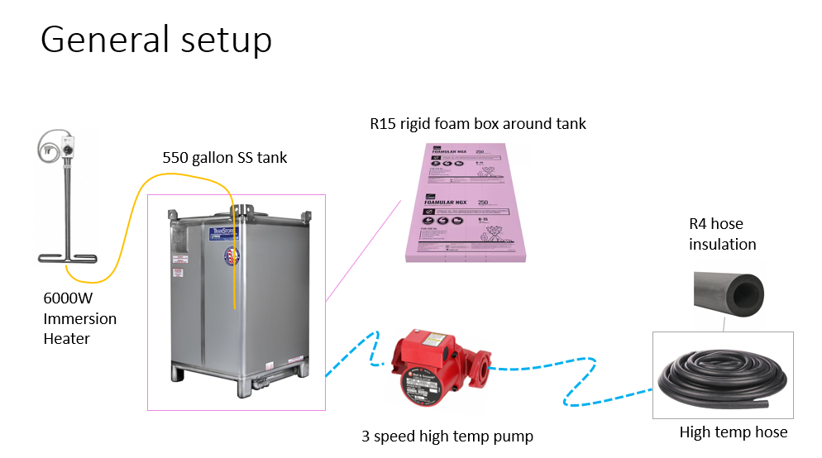
item # | item description | qty | amount | subtotal | link | notes
1 | Immersion Heater | 1 | $1,123.14 | $1,123.14 | https://www.grainger.com/product/TEMPCO-Sanitizing-Sink-Tank-Immersion-6THU6?opr=PDPRRDSP&analytics=dsrrItems_6THU7 | 1 phase 240V, 6000W with temp controller
2 | 550 gallon 304 stainless IBC tank | 1 | $4,753.67 | $4,753.67 | https://www.thecarycompany.com/550-gallon-304-ss-food-grade-ibc-tank-26bs53 | hoist points
3 | heater hose 50ft | 1 | $112.85 | $112.85 | https://www.grainger.com/product/THERMOID-Heater-Hose-5-8-in-Hose-Inside-5RLZ3 | other diam also available
4 | pipe insulation | 9 | $39.59 | $356.31 | https://www.grainger.com/product/AEROFLEX-Pipe-Insulation-EPDM-19NG06 | test fit needed
5 | Pump Multi-Speed, Flanged, 1/15 HP | 1 | $296.90 | $296.90 | https://www.grainger.com/product/BELL-GOSSETT-Hydronic-Circulating-Pump-3NVG3 | 250f max media temp
6 | ridgid insulation foam | 4 | $82.63 | $330.52 | https://www.homedepot.com/p/Owens-Corning-FOAMULAR-NGX-F-250-3-in-x-4-ft-x-8-ft-Scored-Square-Edge-XPS-R-15-Rigid-Foam-Board-Insulation-9GBNGX/316462139 | additional structure require.

8 | estimated misc fittings and additional pieces |  | $500

 |  | total | $6,908.78

notes
