Inert Strength
"BK-7" | E = | 79.8 | Temp = | 73 | F |  | Load Ring Diameter = | 19.777 | 21.101 |  |  |  | 6.8
Montery Dome | v = | 0.22 | RH = | 30 | % |  | Support Ring Diameter = | 39.770 | 39.808 |  |  |  |  | 19.776 | 39.763
 |  |  | Preload = | 50 | N |  | Environment = | Inert |  |  |  |  |  | 19.766 | 39.771
 |  |  | Effective Area (mm) = | 841.6 |  |  |  |  |  |  |  |  |  | 19.788 | 39.776
 |  |  | Effective Volume (mm) = | 107.9 |  |  | 924.15

 | Thickness | Plate | Loading | Failure | Failure | Stressing | Biaxial
 | mm | Diameter | Rate | Load | Time | Rate | Strength
 | h | mm | N/s | N | s | MPa/s | MPa
DRY |  |  |  |  |  |  |  |  |  |  |  | BK-7
P2-1 | 1.985 | 50.74 | 300 | 2263 |  | 38 | 259.6 | Fracture | Stress |  |  | Linear Fit
P2-2 | 1.951 | 50.74 | 1000 | 2778 |  | 130 | 330.0 | Stress | Rate |  | N = | 20.7 | All data
P2-3 | 1.969 | 50.73 | 1000 | 3475 |  | 127 | 405.2 | Mpa | Mpa/s |  |  | 1.23
P2-4 | 1.960 | 50.72 | 1000 | 2635 | 1.41 | 128 | 310.2 |  |  |  | A = | 16.81 | m/s (MPa√m)-n
P2-5 | 1.977 | 50.73 | 1000 | 3070 | 1.65 | 126 | 355.1 | 115.0 | 0.001 |  | Kic = | 0.94 | MPa√m
P2-6 | 1.977 | 50.73 | 1000 | 2638 | 2.63 | 126 | 332.7 | 127.9 | 0.01 |  | Y = | 1.28
P2-7 | 1.995 | 50.73 | 1000 | 2898 | 2.85 | 124 | 359.1 | 142.2 | 0.10 |  | B = | 0.0124 | MPa2s
P2-8 | 2.010 | 50.73 | 1000 | 3266 | 3.22 | 122 | 398.5 | 158.1 | 1.00 |  | sIq = | 381.5 | MPa
P2-9 | 1.998 | 50.73 | 1000 | 1855 | 1.84 | 123 | 229.1 |  |  |  | D = | 158
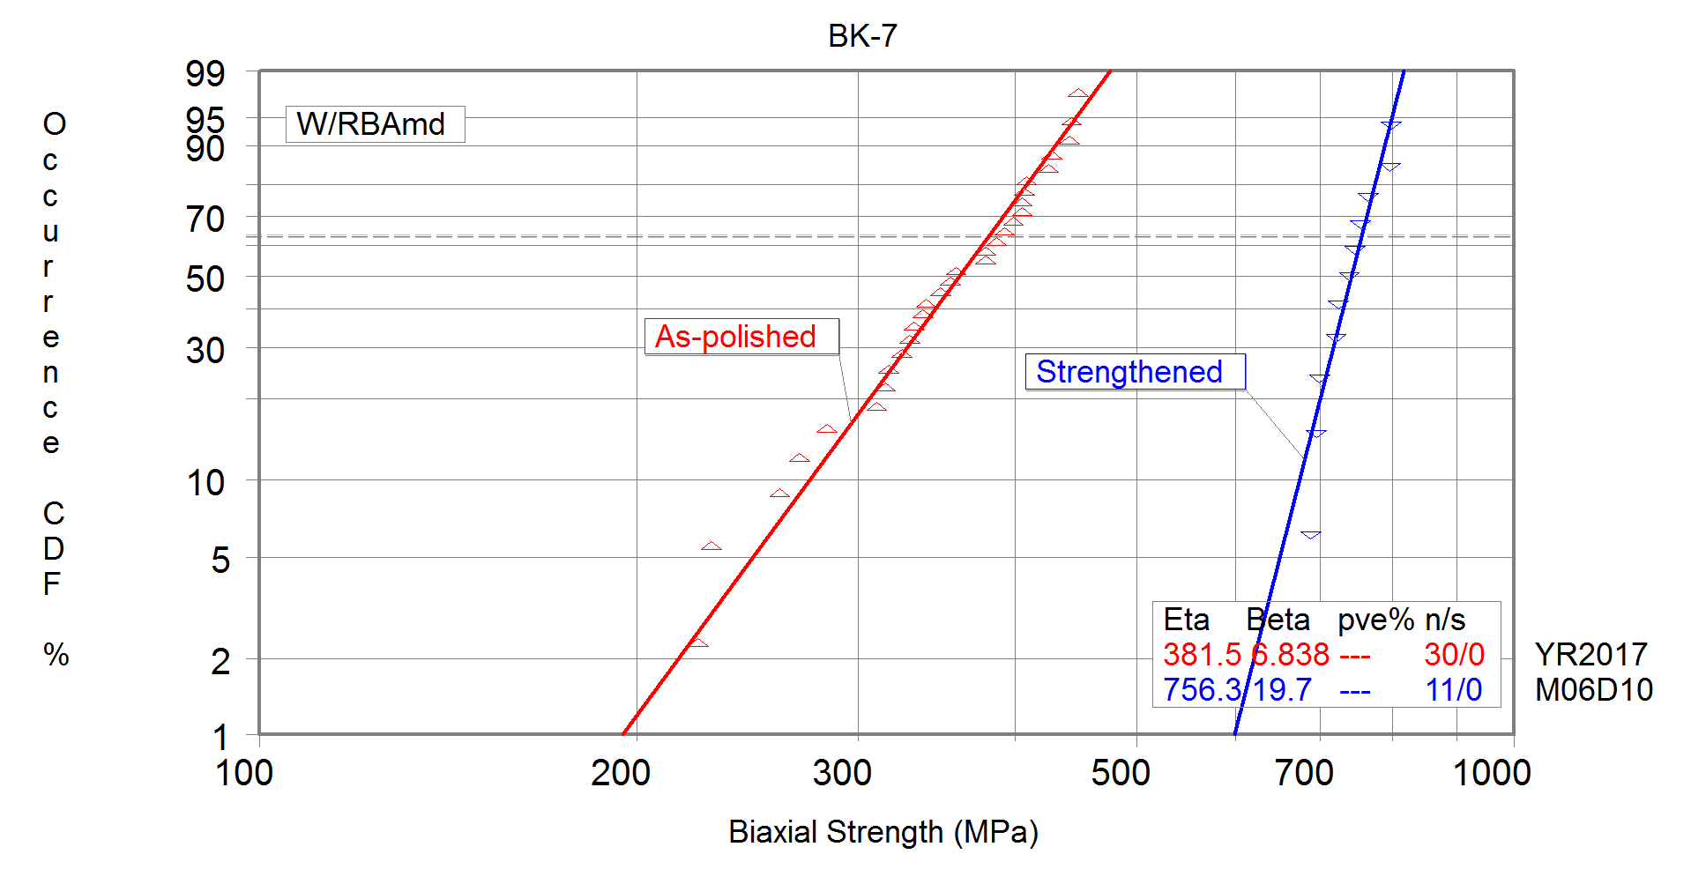
P2-10 | 1.982 | 50.75 | 1000 | 2782 | 2.73 | 125 | 349.1
P2-11 | 1.985 | 50.74 | 1000 | 3094 | 3.08 | 125 | 387.1
P2-12 | 2.016 | 50.73 | 1000 | 1843 | 1.83 | 121 | 223.6
P2-13 | 2.015 | 50.72 | 1000 | 3120 | 3.07 | 121 | 378.9
P2-14 | 1.990 | 50.73 | 1000 | 2534 | 2.48 | 124 | 315.5
P2-15 | 2.007 | 50.73 | 1000 | 3322 | 3.31 | 122 | 406.6
P2-16 | 2.108 | 50.73 | 1000 | 3679 | 3.63 | 111 | 408.2
P2-17 | 2.012 | 50.72 | 1000 | 2788 | 2.74 | 122 | 339.6
P2-18 | 2.017 | 50.72 | 1000 | 3534 |  | 121 | 428.3
P2-19 | 2.012 | 50.72 | 1000 | 3632 | 3.58 | 122 | 442.3
P2-20 | 2.013 | 50.73 | 1000 | 3334 | 3.28 | 122 | 405.6
P2-21 | 2.017 | 50.72 | 1000 | 2337 | 2.29 | 121 | 283.2
P2-22 | 1.984 | 50.73 | 1000 | 2533 | 2.48 | 125 | 317.2
P2-23 | 1.997 | 50.72 | 1000 | 3440 | 3.39 | 124 | 425.3
P2-24 | 2.01 | 50.71 | 1000 | 2209 | 2.16 | 122 | 269.6
P2-25 | 2.011 | 50.73 | 1000 | 3644 | 3.59 | 122 | 444.2
P2-26 | 2.014 | 50.72 | 1000 | 4033 | 3.95 | 122 | 449.5
P2-27 | 2.020 | 50.73 | 1000 | 3051 | 3.00 | 121 | 338.0
P2-28 | 2.010 | 50.72 | 1000 | 3389 |  | 122 | 379.3
P2-29 | 1.991 | 50.72 | 1000 | 2854 | 2.80 | 124 | 325.4
P2-30 | 2.012 | 50.72 | 1000 | 3512 | 3.46 | 122 | 392.2

 |  |  |  |  |  |  | 356.3
 |  |  |  |  |  |  | 62.4
 |  |  |  |  |  |  | 18%

Strengthened |  |  |  |  |  |  |  |  |  |  |  |  |  | Strengthened BK-7
(Ionex) |  |  |  |  |  |  |  |  |  | Fracture | Stress |  |  | Linear Fit
IX-1 | 1.992 | 50.74 | 1000 | 6550 | 6.53 | 124 | 746.2 | 1.00 |  | Stress | Rate |  | N = | 20.7 | All data
IX-2 | 1.959 | 50.75 | 1000 | 6764 | 7.53 | 128 | 796.7 | 1.12 |  | Mpa | Mpa/s |  |  | 1.23
IX-3 | 1.994 | 50.74 | 1000 | 6157 | 6.1 | 124 | 700.0 | 1.00 |  |  |  |  | A = | 16.81 | m/s (MPa√m)-n
IX-4 | 2.038 | 50.74 | 1000 | 8578 | 8.6 | 119 |  | 1.00 |  | 207.5 | 0.001 |  | Kic = | 0.94 | MPa√m
IX-5 | 2.039 | 50.74 | 1000 | 7338 | 7.3 | 119 | 797.9 | 1.00 |  | 230.7 | 0.01 |  | Y = | 1.28
IX-6 | 2.040 | 50.78 | 1000 | 6666 | 6.6 | 118.4 | 723.9 | 1.00 |  | 256.4 | 0.10 |  | B = | 0.0124 | MPa2s
IX-7 | 2.038 | 50.74 | 1000 | 6384 | 6.3 | 118.7 | 694.8 | 1.00 |  | 285.1 | 1.00 |  | sIq = | 756.3 | MPa
IX-8 | 2.040 | 50.71 | 1000 | 6942 | 6.9 | 118.5 | 754.3 | 1.00 |  |  |  |  | D = | 285 | MPa
IX-9 | 2.037 | 50.740 | 1000 | 7015 | 7.0 | 118.8 | 764.3 | 1.00
IX-10 | 2.038 | 50.750 | 1000 | 6785 | 6.7 | 118.7 | 738.4 | 1.00
IX-11 | 2.037 | 50.74 | 1000 | 6317 | 6.3 | 118.8 | 688.2 | 1.00
IX-12 | 2.039 | 50.73 | 1000 | 6633 | 6.6 | 118.6 | 721.3 | 1.00

 |  |  |  |  |  |  | 738.7 | 756.30
 |  |  |  |  |  |  | 37.8
 |  |  |  |  |  |  | 5%

 |  |  |  |  |  |  |  |  |  |  |  |  |  |  |  | All data

 |  |  |  |  |  |  |  |  |  |  |  |  |  |  |  | 0.0

