Sheet1
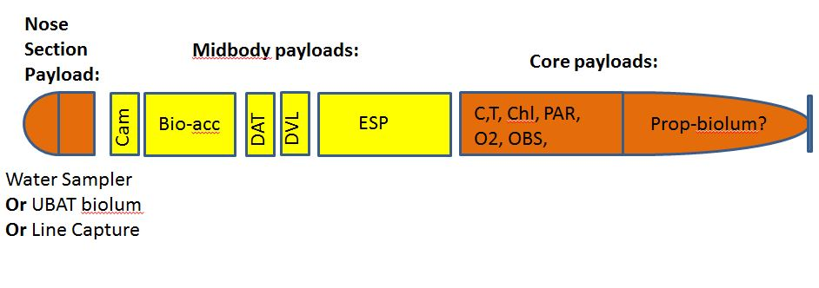
LRAUV PAYLOADS | 3-Aug-17

