Sheet1
 | Phantom Miro C210 | Phantom Miro M110 | Phantom Miro M120 | Phantom Miro M320 | Photron Fastcam Mini UX50 | Photron Fastcam Multi | Edgertronic | Allied Vision Mako 223B (NIR) | Allied Vision Manta 223B | MotionBLITZ EoSens mini1 | Imperx B1020 | Blackfly PGE 20E4M-CS | Basler avA1000-100gm/gc
max resolution | 1280x1024 | 1280X800 | 1920x1200 | 1920X1200 | 1280x1024 | 1280x1024 | 1280x1024 | 2048x1088 |  | 1280x1024 | 1024X1024 | 1280X1024 | 1024x1024
frame rate (at max res) | 1800 | 1630 | 730 | 1380 | 2000 | 4800 | 500 | 49.5 |  | 506 | 74 | 60 | 101
minimum frame rate |  | 24 | 24 | 24 | 1000 |  | 10 | 49.5 |  | 1 | ? | ? | ?
resolution at ~1000 fps | 1280x1024 | 1280x800 | 1152x1152 | 1920X1200 | 1280x1024 |  | 768x768, 864x688,1056x592; overclock 912x912, 1024x816, 1232x688 | 50x2048 |  | 1280x512 | N/A | N/A | N/A
throughput | 2.3 Gpx/s | 1.6 Gpx/s | 1.6 Gpx/s | 3.2 Gpx/s | ? | ? | ? | ? |  | ? | ? | 1 GB/s | ?
minimum shutter speeds | 5 microseconds | 2 microseconds | 1 microsecond | 1 microsecond | 4 microseconds | 1 microsecond | 4 microseconds | 1 microsecond |  | 2 microseconds | 2 microseconds | 2 microseconds
sensor | CMOS | CMOS | CMOS | CMOS |  |  | CMOS | CMOS |  | CMOS | CCD - KAI01050 | CMOS | CCD KAI01050
sensor size | 0.5 |  |  |  |  |  |  | 0.66666666667 |  | 17.92 x 14.34 | 0.5 | 1/1.8" | 0.5
pixel size | 5.6 micron | 20 micron | 10 micron | 10 micron | 10 micron | 10 micron | 14 micron | 5.5 micron |  | 14 micron | 5.5 micron | 5.3 micron | 5.5 MICRON
bit depth | 12 | 12 | 12 | 12 | 12 | 12 | ? | 12 |  | 8 | 12, 14 (single only) | 10 | 12
ISO monochrome | 640D adjustable | 16,000; 6,400D | 12,500T; 5,000D | 12,500T; 5,000D | 6,400 | 10,000 | 400-6400 |  |  | 2,500 ASA | ? | ? | ?
cooled |  | TEC | TEC | TEC | fan | fan | fan |  |  | uncooled and cooled option
dynamic range |  | 57.7 dB | 55 dB | 55 | ? | ? | ? | 26 dB ? |  | up to 90 using dynamic range adjustment |  | ~50 dB
internal (volatile) memory | 8 GB | 3, 6, 12 GB | 3, 6, 12 GB | 3, 6, 12 GB | 4, 8, 16 GB | 8, 16, 32 GB | 8 GB |  |  | 3 GB | 2 GB | 16 MB
internal (non-volatile) memory | 128 GB | add 120-240 GB | add 120-240 GB | add 120-240 GB | none | none | pending SD card |  |  | none |  | 512 kB
triggering | external (TTL), software | external (TTL), software | external (TTL), software | external (TTL), software | external (TTL), software | external (TTL), software | I/O connector, software |  |  | external, software | external, software | external, software
comm connection | gigabit ethernet | gigabit ethernet | gigabit ethernet | gigabit ethernet | gigabit ethernet | gigabit ethernet | ethernet | gigabit ethernet |  | gigabit ethernet | GigE Vision | GigE PoE
lens mounts | 1" C-lens mounts and reversible for CS lenses | Canon, F, G, C, PL mount | Canon, F, G, C, PL mount | Canon, F, G, C, PL mount | F, G, C mount (MFT?) | F, G, C, MFT mount | F mount | C/CS mount |  | C, F, or FG-mount | C mount | CS mount
power (DC) | 16-32 VDC, 12 W | 12-28 VDC, 65 W | 12-28 VDC, 65 W | 12-28 VDC, 65 W | 22-32 VDC, 40 W |  | 12 VDC, 1.5 A, ?W | 12-24 VDC; 2.8 W |  | 10-30 VDC, 7.5 W max |  | 5-16 VDC; 2 W
power (AC) | 100-240 VAC | 100-240 VAC | 100-240 VAC | 100-240 VAC | 100-240 VAC | 100-240 VAC | 100-240 VAC
battery | yes | yes | yes | yes | no | no | no |  |  | yes |  | no
shock rating | 170G | 25G | 25G | 25G | 100G |  | ? |  |  | 100G | 100G
operating temperature | 0-50 c | 0-40 c | 0-40 c | 0-40 c | 0-40 c | 0-45 c | ? "if human can tolerate conditions, camera will be fine" | 5-45 C |  | 5-35 C uncooled; 5-45 C cooled | minus 40-85 C | 0-45 c
size | 2.9X2.9X3.25 in without lens or lens mount | 3.5 x 4 x 7.5 in without battery and lens | 3.5 x 4 x 7.5 in without battery and lens | 3.5 x 4 x 7.5 in without battery and lens | 4.7 x 4.7 x 3.6 in without lens | camera head: 2.72 x 2.76 x 5.96 in without lens; main unit: 10.24 x 5.51 x 8.78 in | 4.4 x 4.25 x 3.1 in without lens | 2.38 x 1.14 x 1.14 in without lens |  | 2.5 x 2.5 x 2.5 in (with c mount; no lens) | 1.8 x 1.8 x 3 in (no mount/lens) | 1.2 x 1.2 x 1.2 in (no mount/lens)
weight | 1.2 lbs | 3 lbs without flash card, battery or lens | 3 lbs without flash card, battery or lens | 3 lbs without flash card, battery or lens | 3.3 lbs without lens | head: 2.2 lbs; main unit: 17.2 lbs | 1.9 lbs without lens | 0.2 lbs |  | 0.6 lbs | 0.5 | 0.1 lbs
included | power supply, ethernet cable, software, cabling | power supply, ethernet cable, battery, 120GB cine flash, capture cable, software | power supply, ethernet cable, battery, 120GB cine flash, capture cable, software | power supply, ethernet cable, battery, 120GB cine flash, capture cable, software | ? | cable 5/10 m; special long distance is available
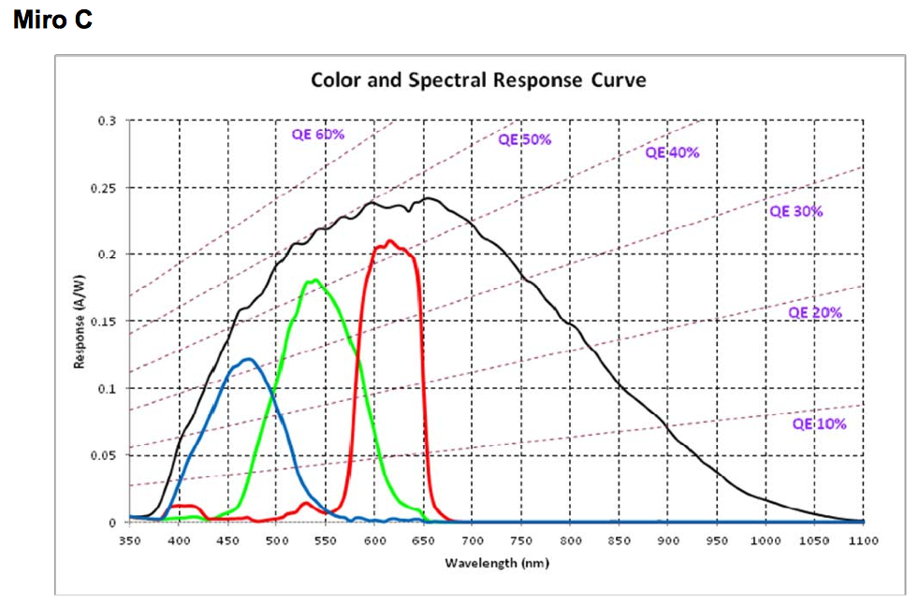 spectral sensitivity |  | 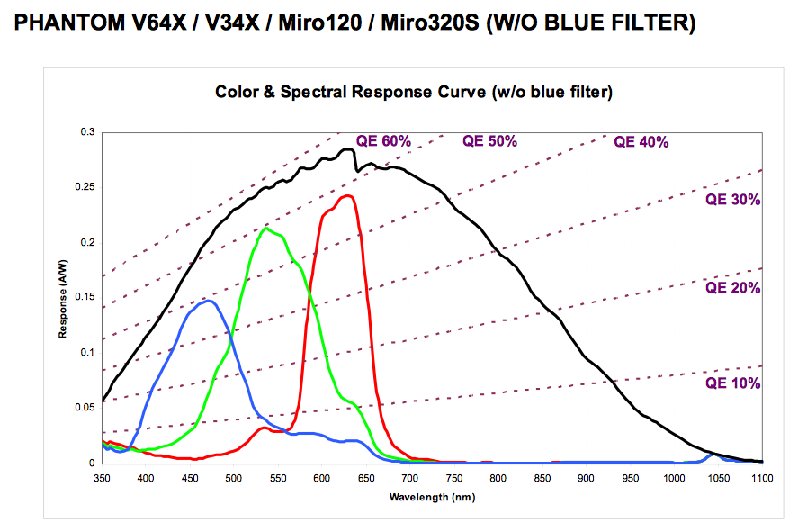 |  |  | 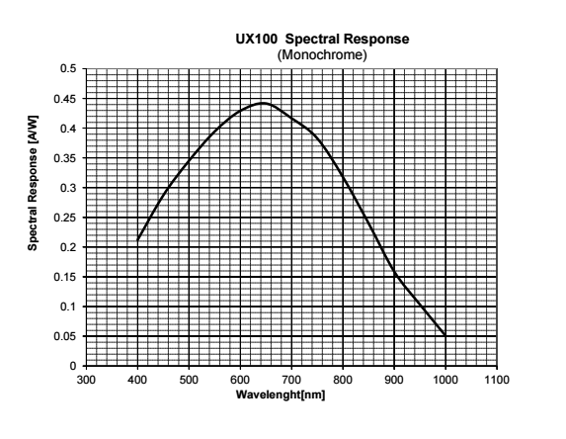 |  | 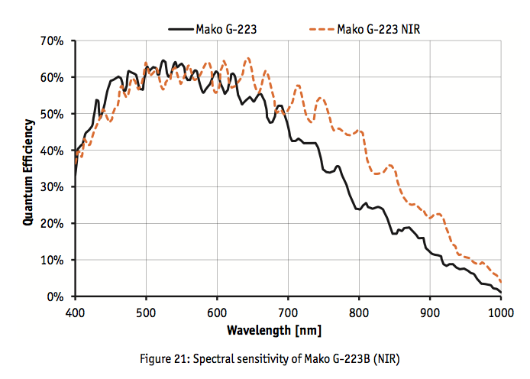 "The monochrome camera is available with an IR filter delete option. It has a typical Si response curve out to 1100nm." | spectral sensitivity >60% at 671 nm, >30% at 850 nm |  | 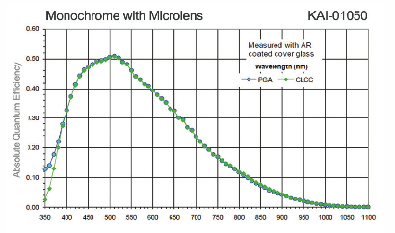 "400-900 nm spectral bandwidth" |  | 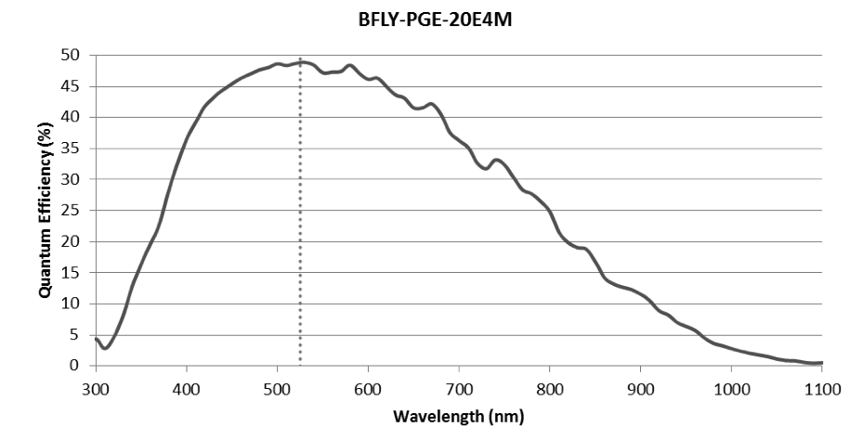
cost |  | $22,865 | $29,665 | $38,165 | $19,125 | $42,000 (includes MFT mount, j-box, one head) | $5,500 | $2,000 |  | ? Emailed | ? Emailed | ~$500
cons | price | price | price | price | size won't fit in panasonic housing | requires box to be in same housing as camera; prohibitive | size won't fit in panasonic housing | 50 fps is slower than frame rates with Mini Zeus II

Sheet2
MAKO G-131
MANTA G-223 NIR
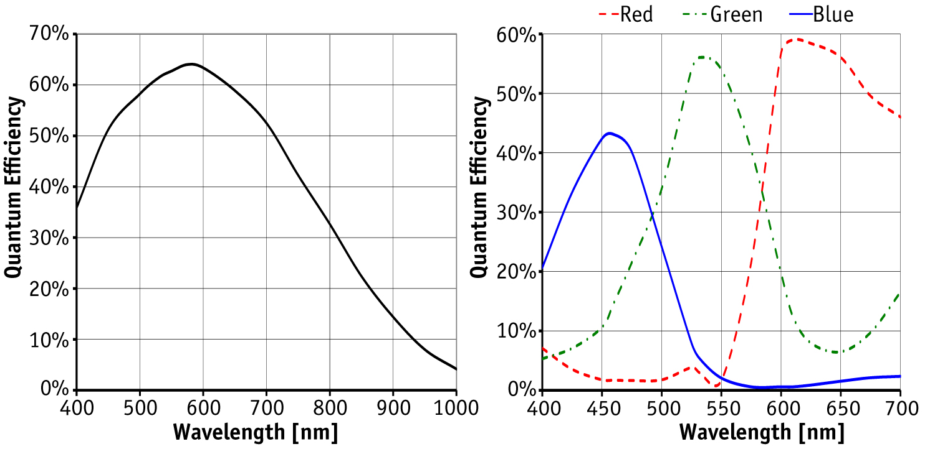
Prosilica GX1920
Prosilica GT1660
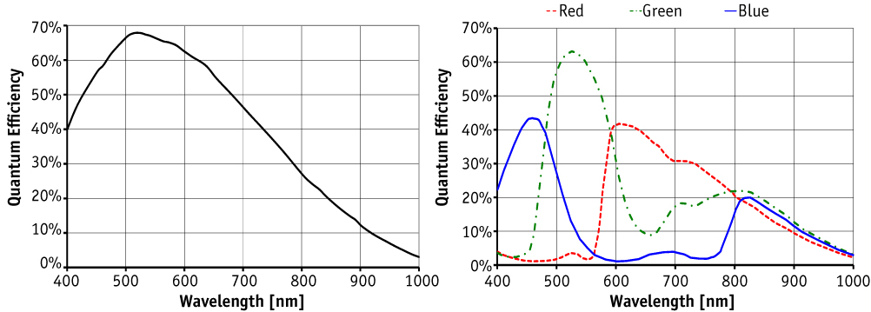
Prosilica GT1930L
Prosilica GX1050
 | Allied Vision MAKO G-131 | Allied Vision MAKO G-223 NIR | Allied Vision MANTA G-223 NIR | Prosilica GE1050 | Prosilica GT1660 | Prosilica GT1910 | Prosilica GT1930L | Prosilica GT2000 NIR | Prosilica GX1050 | Prosilica GX1910 | Prosilica GX1920 | Phantom Miro C210 | Phantom Miro M110 | Phantom Miro M120 | Phantom Miro M320 | Photron Fastcam Mini UX50 | Photron Fastcam Multi | Edgertronic
max resolution | 1280X1024 | 2048X1088 | 2048X1088 | 1024X1024 | 1600x1200 | 1920x1080 | 1936X1216 | 2048x1088 | 1024x1024 | 1920x1080 | 1936x1456 | 1280x1024 | 1280X800 | 1920x1200 | 1920X1200 | 1280x1024 | 1280x1024 | 1280x1024
frame rate (at max res) | 62 | 49.5 | 53.7 | 59 | 62 | 57.5 | 50.7 | 53.7 | 112 | 63 | 40.7 | 1800 | 1630 | 730 | 1380 | 2000 | 4800 | 500
throughput |  |  |  |  |  |  |  |  |  |  |  | 2.3 Gpx/s | 1.6 Gpx/s | 1.6 Gpx/s | 3.2 Gpx/s
minimum shutter speeds |  |  |  |  |  |  |  |  |  |  |  | 5 microseconds | 2 microseconds | 1 microsecond | 1 microsecond | 4 microseconds | 1 microsecond | 4 microseconds
sensor | CMOS Progressive | CMOS Progressive | CMOS Progressive | CCD Progressive | CCD Progressive | CCD Progressive | CMOS Progressive | CMOS Progressive | CCD Progressive | CCD Progressive | CCD Progressive | CMOS | CMOS | CMOS | CMOS |  |  | CMOS
sensor size | 1/1.8 | Type 2/3 | Type 2/3 | Type 1/2 | Type 2/3 | Type 2/3 | Type 1/1.2 | Type 2/3 | Type 1/2 | Type 2/3 | Type 2/3 | 0.5
pixel size | 5.3 micron | 5.5 micron | 5.5 micron | 5.5 micron | 5.5 micron | 5.5 micron | 5.86 micron | 5.5 micron |  | 5.5 micron | 5.5 micron | 5.6 micron | 20 micron | 10 micron | 10 micron | 10 micron | 10 micron | 14 micron
bit depth | 10 | 12 | 12 | 12 | 14 | 14 | 12 | 12 | 14 | 14 | 14 | 12 | 12 | 12 | 12 | 12 | 12
ISO monochrome | ? |  |  |  |  |  |  |  |  |  |  | 640D adjustable | 16,000; 6,400D | 12,500T; 5,000D | 12,500T; 5,000D | 6,400 | 10,000 | 400-6400
cooled | ? |  |  |  |  |  |  |  |  |  |  |  | TEC | TEC | TEC | fan | fan | fan
dynamic range | ? |  |  |  |  |  |  |  |  |  |  |  | 57.7 dB | 55 dB | 55
internal (volatile) memory | 64 MB buffer | 64 MB buffer | 128 MB buffer | 32 MB buffer | 128 MB buffer | 128 MB buffer | 128 MB buffer | 128 MB buffer | 128 MB buffer | 128 MB buffer | 128 MB buffer | 8 GB | 3, 6, 12 GB | 3, 6, 12 GB | 3, 6, 12 GB | 4, 8, 16 GB | 8, 16, 32 GB | 8 GB
internal (non-volatile) mem |  |  |  |  |  |  |  |  |  |  |  | 128 GB | add 120-240 GB | add 120-240 GB | add 120-240 GB | none | none | pending SD card
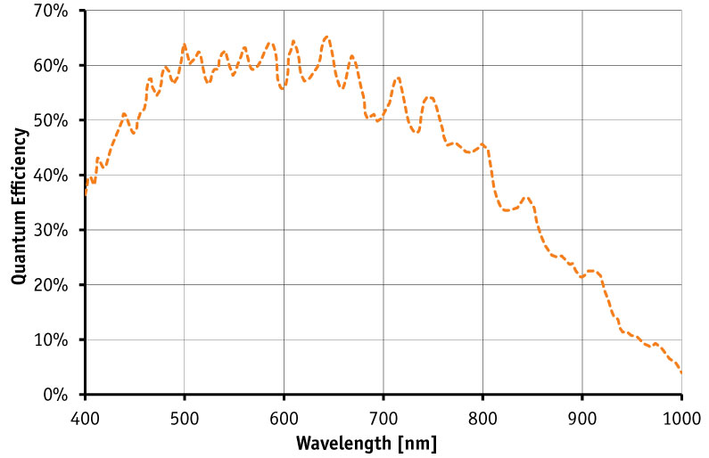
MAKO G-223 NIR
triggering | external, software | external, software | external, software | external, software | external, software | external, software | external, software | external, software | external, software | external, software | external, software | external, software | external, software | external, software | external, software | external, software | external, software | external, software
comm connection | GigE | GigE | GigE | GigE | GigE | GigE | GigE | GigE | Dual-port GigE | Dual-port GigE | GigE | GigE | GigE | GigE | GigE | GigE | GigE | ethernet
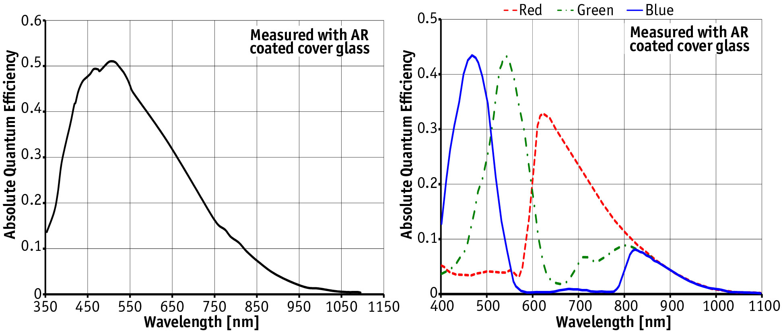
Prosilica GE 1050
Prosilica GT1910
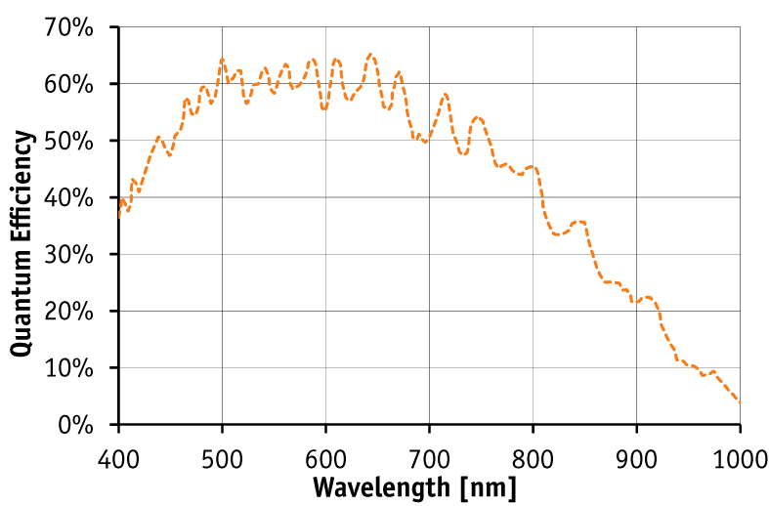
Prosilica GT2000 NIR
Prosilica GX1910
lens mounts | C/CS-mount | C/CS-mount | C-mount | C-mount | C-mount | C-mount | EF-mount (can adjust focus) | C-mount | C-mount | C/F/EF-mount | C-mount | 1" C-lens mounts and reversible for CS lenses | EF/F/G/C/PL-mount | EF/F/G/C/PL-mount | EF/F/G/C/PL-mount | F/G/C-mount | F/G/C/MFT-mount | F mount
power (DC) | PoE/12-24V; 2.2W PoE | PoE/12-24V; 2.8W PoE | PoE/8-30VDC; 3.1W PoE | 5-24VDC; 5W | PoE or 7-25 VDC; 6.3W PoE | PoE or 7-25 VDC; 6.3 W PoE | PoE or 7-25VDC; 3.88W PoE | PoE or 7-25VDC; 4.2W PoE | 5V-24VDC; 5.4W (1) 6.7W (2 ports) | 5V-24VDC; 5.4W (1) 6.7W (2 ports) | PoE or 7-25VDC; 6W PoE | 16-32 VDC, 12 W | 12-28 VDC, 65 W | 12-28 VDC, 65 W | 12-28 VDC, 65 W | 22-32 VDC, 40 W |  | 12 VDC, 1.5 A, ?W
battery | no | no | no | no | no | no | no | no | no | no | no | yes | yes | yes | yes | no | no | no
operating temperature | 5-45 C | 5-45 C | 5-45 C | 0-50 C | minus 20-60 | minus 20-60 C | minus 30-70 C | minus 20-65 C | 0-50 C | 0-50 C | minus 20-60 C | 0-50 c | 0-40 c | 0-40 c | 0-40 c | 0-40 c | 0-45 c | "if human can tolerate conditions, camera will be fine"
size | 1.14 x 1.14 x 2.38 in (w/ connectors) | 1.14 x 1.14 x 2.38 in (w/ connectors) | 1.73 x 1.14 x 3.40 in (w/ connectors) | 2.00 x 1.54 x 3.15 in (w/ connectors) | 2.10 x 1.30 x 3.62 in (w/ connectors) | 2.10 x 1.30 x 3.62 in (w/ connectors) | 2.60 x 2.10 x 3.78 in (w/ connectors) | 2.10 x 1.30 x 3.39 in (w/ connector) | 2.10 x 1.3 x 4.22 in (w/ connectors) | 2.10 x 1.3 x 4.22 in (w/ connectors) | 2.10 x 1.3 x 3.62 in (w/ connectors) | 2.9X2.9X3.25 in without lens or lens mount | 3.5 x 4 x 7.5 in without battery and lens | 3.5 x 4 x 7.5 in without battery and lens | 3.5 x 4 x 7.5 in without battery and lens | 4.7 x 4.7 x 3.6 in without lens | camera head: 2.72 x 2.76 x 5.96 in without lens; main unit: 10.24 x 5.51 x 8.78 in | 4.4 x 4.25 x 3.1 in without lens
weight | 0.18 lbs | 0.18 lbs | 0.42 lbs | 0.39 lbs | 0.49 lbs | 0.49 lbs | 0.82 lbs | 0.46 lbs | 0.59 lbs | 0.59 lbs | 0.49 lbs | 1.2 lbs | 3 lbs without flash card, battery or lens | 3 lbs without flash card, battery or lens | 3 lbs without flash card, battery or lens | 3.3 lbs without lens | head: 2.2 lbs; main unit: 17.2 lbs | 1.9 lbs without lens
spectral sensitivity | see below for % | see below for % | see below for % | see below for % | see below for % | see below for % | see below for % | see below for % | see below for absolute | see below for % | see below for % | see below for absolute | see below for absolute | see below for absolute | see below for absolute | see below for absolute | see below for absolute | "The monochrome camera is available with an IR filter delete option. It has a typical Si response curve out to 1100nm."
cost |  |  |  |  |  |  |  |  |  |  |  |  | $22,865 | $29,665 | $38,165 | $19,125 | $42,000 (includes MFT mount, j-box, one head) | $5,500
cons | spectral sensitivity? Lower frame rate? NIR version? | spectral sensitivity? Lower frame rate? | spectral sensitivity? Lower frame rate? | spectral sensitivity? Lower frame rate? PoE? | spectral sensitivity? Lower frame rate? NIR version? | spectral sensitivity? Lower frame rate? | spectral sensitivity? Lower frame rate? | spectral sensitivity? Lower frame rate? | spectral sensitivity? PoE? | spectral sensitivity? PoE? 3-axis motorized lens control? | dual GigE? Spectral sensitivity? Mounts and lens control? | price | price | price | price | size won't fit in panasonic housing | requires box to be in same housing as camera; prohibitive | size won't fit in panasonic housing

questions: | lens mount options
 | spectral sensitivity units %=AW; absolute QE vs. QE
 | how does 65 MB buffer work?
 | how is data transferred?
 | NIR versions?
 | lower frame rates?

