Sheet1
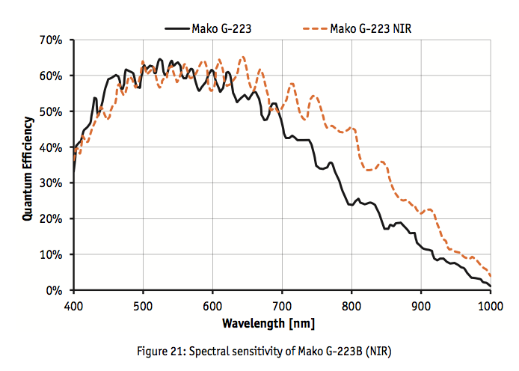
 | Phantom Miro M110 | Phantom Miro M120 | Phantom Miro M320 | Photron Fastcam Mini UX50 | Photron Fastcam Multi | Edgertronic | Allied Vision Mako 223B (NIR)
max resolution | 1280X800 | 1920x1200 | 1920X1200 | 1280x1024 | 1280x1024 | 1280x1024 | 2048x1088
frame rate (at max res) | 1630 | 730 | 1380 | 2000 | 4800 | 500 | 49.5
minimum frame rate | 24 | 24 | 24 | 1000 |  | 10 | 49.5
resolution at ~1000 fps | 1280x800 | 1152x1152 | 1920X1200 | 1280x1024 |  | 768x768, 864x688,1056x592; overclock 912x912, 1024x816, 1232x688 | 50x2048
throughput | 1.6 Gpx/s | 1.6 Gpx/s | 3.2 Gpx/s | ? | ? | ? | ?
minimum shutter speeds | 2 microseconds | 1 microsecond | 1 microsecond | 4 microseconds | 1 microsecond | 4 microseconds | 1 microsecond
sensor | CMOS | CMOS | CMOS |  |  | CMOS | CMOS
sensor size |  |  |  |  |  |  | 0.66666666667
pixel size | 20 micron | 10 micron | 10 micron | 10 micron | 10 micron | 14 micron | 5.5 micron
bit depth | 12 | 12 | 12 | 12 | 12 | ? | 12
ISO monochrome | 16,000; 6,400D | 12,500T; 5,000D | 12,500T; 5,000D | 6,400 | 10,000 | 400-6400
cooled | TEC | TEC | TEC | fan | fan | fan
dynamic range | 57.7 dB | 55 dB | 55 | ? | ? | ? | 26 dB ?
internal (volatile) memory | 3, 6, 12 GB | 3, 6, 12 GB | 3, 6, 12 GB | 4, 8, 16 GB | 8, 16, 32 GB | 8 GB
internal (non-volatile) memory | add 120-240 GB | add 120-240 GB | add 120-240 GB | none | none | pending SD card
triggering | external (TTL), software | external (TTL), software | external (TTL), software | external (TTL), software | external (TTL), software | I/O connector, software
comm connection | gigabit ethernet | gigabit ethernet | gigabit ethernet | gigabit ethernet | gigabit ethernet | ethernet | gigabit ethernet
lens mounts | Canon, F, G, C, PL mount | Canon, F, G, C, PL mount | Canon, F, G, C, PL mount | F, G, C mount (MFT?) | F, G, C, MFT mount | F mount | C/CS mount
power (DC) | 12-28 VDC, 65 W | 12-28 VDC, 65 W | 12-28 VDC, 65 W | 22-32 VDC, 40 W |  | 12 VDC, 1.5 A, ?W | 12-24 VDC; 2.8 W
power (AC) | 100-240 VAC | 100-240 VAC | 100-240 VAC | 100-240 VAC | 100-240 VAC | 100-240 VAC
battery | yes | yes | yes | no | no | no
shock rating | 25G | 25G | 25G | 100G |  | ?
operating temperature | 0-40 c | 0-40 c | 0-40 c | 0-40 c | 0-45 c | ? "if human can tolerate conditions, camera will be fine" | 5-45 C
size | 3.5 x 4 x 7.5 in without battery and lens | 3.5 x 4 x 7.5 in without battery and lens | 3.5 x 4 x 7.5 in without battery and lens | 4.7 x 4.7 x 3.6 in without lens | camera head: 2.72 x 2.76 x 5.96 in without lens; main unit: 10.24 x 5.51 x 8.78 in | 4.4 x 4.25 x 3.1 in without lens | 2.38 x 1.14 x 1.14 in without lens
weight | 3 lbs without flash card, battery or lens | 3 lbs without flash card, battery or lens | 3 lbs without flash card, battery or lens | 3.3 lbs without lens | head: 2.2 lbs; main unit: 17.2 lbs | 1.9 lbs without lens | 0.2 lbs
included | power supply, ethernet cable, battery, 120GB cine flash, capture cable, software | power supply, ethernet cable, battery, 120GB cine flash, capture cable, software | power supply, ethernet cable, battery, 120GB cine flash, capture cable, software | ? | cable 5/10 m; special long distance is available |  | spectral sensitivity >60% at 671 nm, >30% at 850 nm
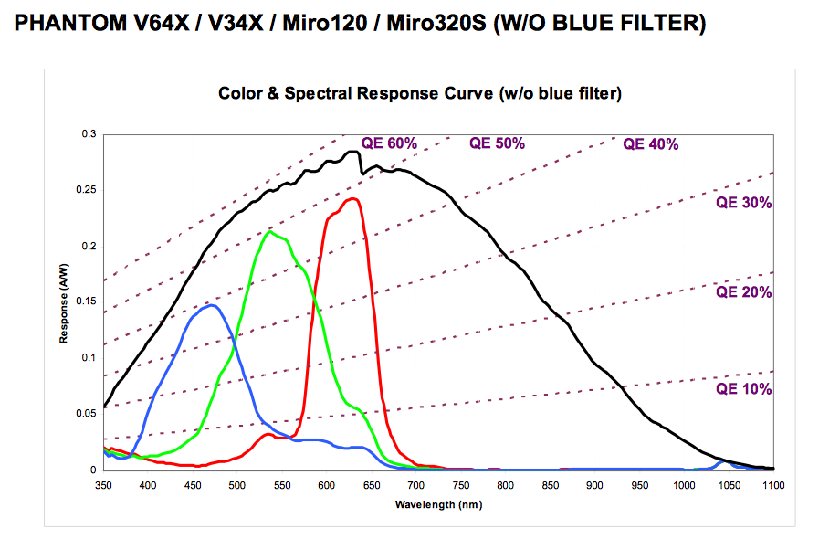
 |  |  |  |  |  | $5,500 | $2,000

