Sheet1
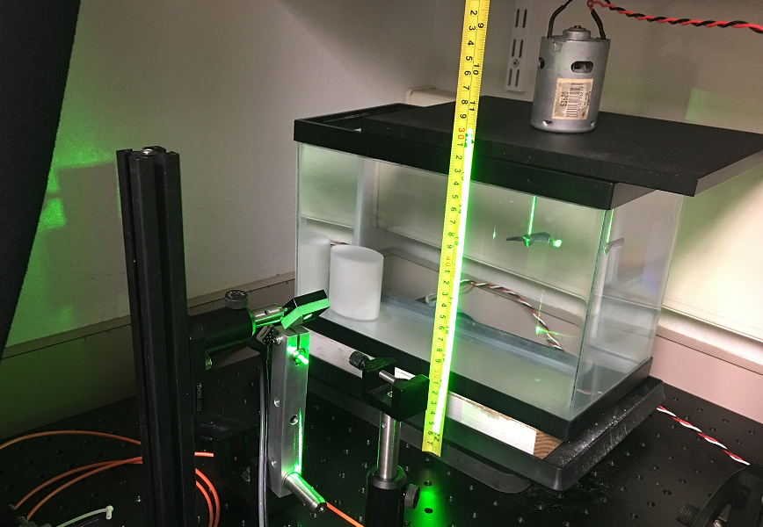
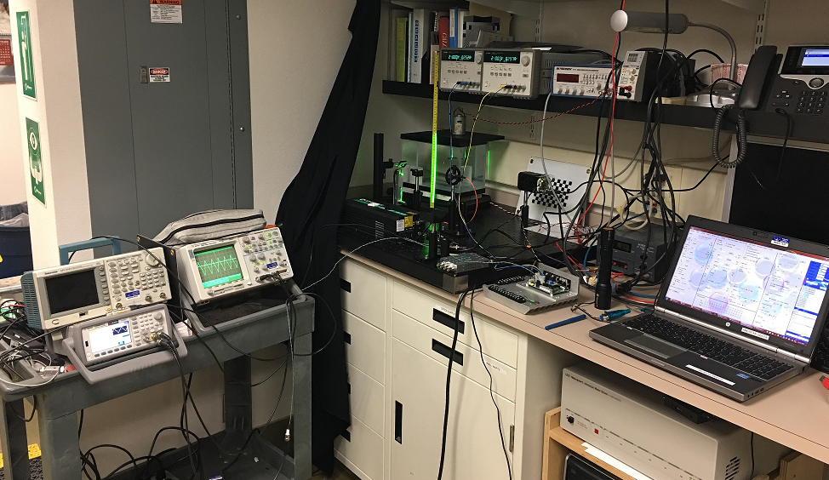
Freq multiplier | Galvo Frequency, Hz | Calvo input amplitude, +/-, V | Raster sweep up, inch (at 6") | Raster sweep down, inch (at 6") | Distance, inch | Raster Amplitude, inch | Raster Full angle, deg | Raster full angle, deg (2.5V) | Raster full angle, deg (5.0V) | Raster full angle, deg (10.0V) | `
1 | 60.1 | 2.5 | 1.100 | -1.000 | 6.0 | 2.1 | 19.9 | 19.9 |  |  | Full raster
1 | 60.1 | 5.0 | 2.250 | -2.150 | 6.0 | 4.4 | 40.3 |  | 40.3
1 | 60.1 | 10.0 | 5.250 | -4.850 | 6.0 | 10.1 | 80.1 |  |  | 80.1
2 | 120.1 | 2.5 | 1.100 | -1.000 | 6.0 | 2.1 | 19.9 | 19.9 |  |  | Full raster
2 | 120.1 | 5.0 | 2.250 | -2.150 | 6.0 | 4.4 | 40.3 |  | 40.3 |  | Raster ok
2 | 120.1 | 10.0 | 5.250 | -4.850 | 6.0 | 10.1 | 80.1 |  |  | 80.1 | Raster ok
3 | 180.1 | 2.5 | 1.100 | -1.000 | 6.0 | 2.1 | 19.9 | 19.9 |  |  | Full raster
3 | 180.1 | 5.0 | 2.250 | -2.150 | 6.0 | 4.4 | 40.3 |  | 40.3 |  | Raster ok
3 | 180.1 | 10.0 | 5.150 | -4.700 | 6.0 | 9.9 | 78.7 |  |  | 78.7 | Raster ok
4 | 240.1 | 2.5 | 1.100 | -1.000 | 6.0 | 2.1 | 19.9 | 19.9 |  |  | Full raster
4 | 240.1 | 5.0 | 2.250 | -2.150 | 6.0 | 4.4 | 40.3 |  | 40.3 |  | Raster ok
4 | 240.1 | 10.0 | 4.650 | -3.950 | 6.0 | 8.6 | 71.1 |  |  | 71.1 | Raster reduced slightly
5 | 300.1 | 2.5 | 1.100 | -1.000 | 6.0 | 2.1 | 19.9 | 19.9 |  |  | Full raster
5 | 300.1 | 5.0 | 2.200 | -2.000 | 6.0 | 4.2 | 38.6 |  | 38.6 |  | Raster ok
5 | 300.1 | 10.0 | 3.750 | -3.150 | 6.0 | 6.9 | 59.7 |  |  | 59.7 | Raster reduced slightly
6 | 360.1 | 2.5 | 1.100 | -1.000 | 6.0 | 2.1 | 19.9 | 19.9 |  |  | Full raster
6 | 360.1 | 5.0 | 2.200 | -2.000 | 6.0 | 4.2 | 38.6 |  | 38.6 |  | Raster ok
6 | 360.1 | 10.0 | 3.150 | -2.650 | 6.0 | 5.8 | 51.5 |  |  | 51.5 | Raster reduced significantrly
7 | 420.1 | 2.5 | 1.100 | -1.000 | 6.0 | 2.1 | 19.9 | 19.9 |  |  | Full raster
7 | 420.1 | 5.0 | 2.100 | -1.900 | 6.0 | 4.0 | 36.9 |  | 36.9 |  | Raster reduced several degrees
7 | 420.1 | 10.0 | 2.650 | -2.150 | 6.0 | 4.8 | 43.5 |  |  | 43.5 | Raster reduced significantrly
8 | 480.1 | 2.5 | 1.100 | -1.000 | 6.0 | 2.1 | 19.9 | 19.9 |  |  | Full raster
8 | 480.1 | 5.0 | 1.900 | -1.700 | 6.0 | 3.6 | 33.4 |  | 33.4 |  | Not full raster
8 | 480.1 | 10.0 | 2.350 | -1.850 | 6.0 | 4.2 | 38.5 |  |  | 38.5 | Raster reduced significantrly

Galvo full raster angle as a function of frequency and input voltage
 | Raster full angle, deg (2.5V) | Raster full angle, deg (5.0V) | Raster full angle, deg (10.0V)
1 | 19.9
1 |  | 40.3
1 |  |  | 80.1
2 | 19.9
2 |  | 40.3
2 |  |  | 80.1
3 | 19.9
3 |  | 40.3
3 |  |  | 78.7
4 | 19.9
4 |  | 40.3
4 |  |  | 71.1
5 | 19.9
5 |  | 38.6
5 |  |  | 59.7
6 | 19.9
6 |  | 38.6
6 |  |  | 51.5
7 | 19.9
7 |  | 36.9
7 |  |  | 43.5
8 | 19.9
8 |  | 33.4
8 |  |  | 38.5

