Sheet1
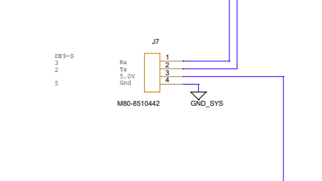
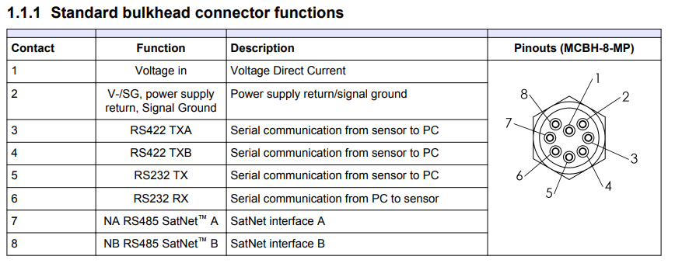
S1 Pico pH connector
Pin # | Color | Function | To TTL Side
1 | Red | VCC Pwr | + |  |  |  |  |  |  |  |  | 7-Jun-23
2 | Wht | RXD | "<--" |  |  |  |  |  | Contact | Color |  | 8 pin whip | Color | Use
3 | Grn | TXD | "-->" |  |  |  |  |  | 1 | BLK | Red | 1 | blue | Voltage in
4 | Blk | GND | - |  |  |  |  |  | 2 | WHT | Blk | 2 | orange | Gnd (share comms/pwr w/ breakout) |  | Pin 5 DB9
 |  |  |  |  |  |  |  |  | 3 | RED |  | 3 | blk
 |  |  |  |  |  |  |  |  | 4 | GRN |  | 4 | wht
 |  |  |  |  |  |  |  |  | 5 | ORANGE | TX GRN | 5 | Brown | Tx Sensor | PIN 2 DB9
14002601 RS232<--> TTL converter |  |  |  |  |  |  |  |  | 6 | BLUE | RX WHT | 6 | grn | Rx Sensor | Pin 3 DB9
TTL (Pico) |  |  | RS232 (mFET) |  |  |  |  |  | 7 | WHT/BLK |  | 7 | Red
Pin# | Color | Function | Pin# | Color | Function |  |  |  | 8 | RED/BLK |  | 8 | Ylw
1 | Blk | - | 1 | Grn | "-->"
2 | Red | + | 2 | Wht | "<--"
3 | Grn | "-->" | 3 | Red | +
4 | Wht | "<--" | 4 | Blk | -
 |  |  |  |  |  | Pico | Convert | mFET
 |  |  |  |  |  | TTL |  | RS232

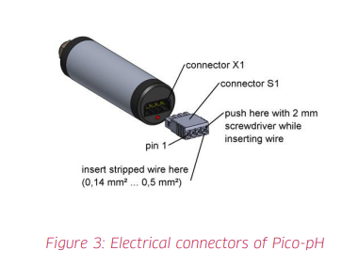
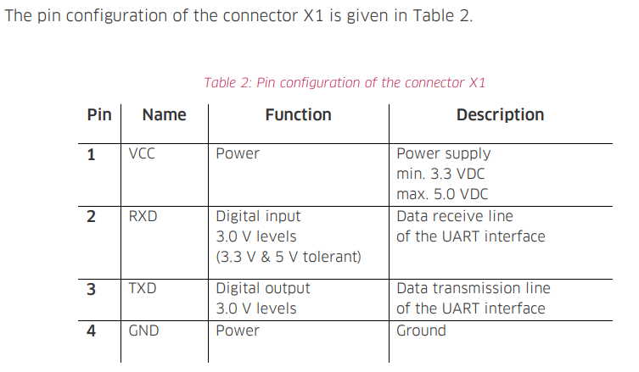
mFET Pico Connection
Pin # | Color | Function
1 | Grn | RX
2 | Wht | TX
3 | Red | V+
4 | Blk | Gnd

mFET | color | Spray bulk | OCR manual
1 | Grn | 6 | rs232 RX
2 | Blue | 5 | Rs232 TX
3 | Blk | 2 | gnd
4 | Red | 1 | PWR

