Sheet1
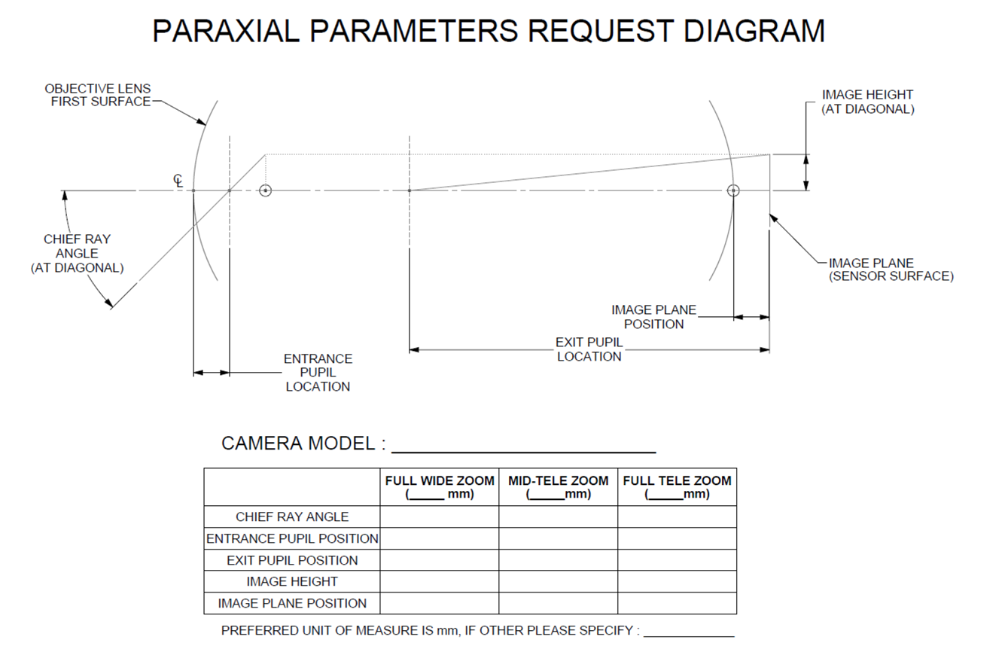
OBJECT DISTANCE | 500mm OBJECT DISTANCE |  |  | 1500mm OBJECT DISTANCE |  |  | 2500mm OBJECT DISTANCE
Paraxial Data Request for Canon CJ15ex4.3B 4K/UHD Lens | FULL WIDE ZOOM (4.3MM) | MID-TELE ZOOM (40MM) | FULL TELE ZOOM (65MM) | FULL WIDE ZOOM (4.3MM) | MID-TELE ZOOM (40MM) | FULL TELE ZOOM (65MM) | FULL WIDE ZOOM (4.3MM) | MID-TELE ZOOM (40MM) | FULL TELE ZOOM (65MM)
CHIEF RAY ANGLE
ENTRANCE PUPIL POSITION
EXIT PUPIL POSITION
IMAGE HEIGHT
IMAGE PLANE POSITION

