DATA
UA14X4.5BERD OPTICAL DATA |  |  |  |  | Object side negative |  |  |  |  |  |  |  | 2019-10-28
CHIEF RAY ANGLE AND PUPIL POSTION AT DIAGONAL |  |  |  |  | Image plane side positive

 | FOCUS AT INFINITY
 | EXTENDER | X1 |  |  |  |  |  | X2
 | FOCAL LENGTH | f'4.5 | f'8 | f'15 | f'30 | f'40 | f'63 | f'4.5 | f'8 | f'15 | f'30 | f'40 | f'63
(1) | CHIEF RAY ANGLE (deg) | 51.65 | 33.49 | 19.36 | 10.14 | 7.68 | 4.98 | 32.06 | 19.24 | 10.52 | 5.34 | 4.02 | 2.59
(2) | ENTRANCE PUPIL POSTION (mm) | 39.98 | 48.46 | 59.96 | 78.45 | 88.94 | 106.98 | 36.35 | 44.39 | 56.15 | 75.59 | 86.47 | 105.08
(3) | EXIT PUPIL POSITION (mm) | 291.08 | 291.08 | 291.08 | 291.08 | 291.08 | 291.08 | -156.27 | -156.27 | -156.27 | -156.27 | -156.27 | -156.27
(4) | IMAGE HEIGHT (mm) | 5.50 | 5.50 | 5.50 | 5.50 | 5.50 | 5.50 | 5.50 | 5.50 | 5.50 | 5.50 | 5.50 | 5.50
(5) | IMAGE PLANE POSITION (mm) | 39.57 | 39.57 | 39.57 | 39.57 | 39.57 | 39.57 | 39.57 | 39.57 | 39.57 | 39.57 | 39.57 | 39.57

 | FOCUS AT M.O.D ( 300mm FROM FRONT VERTEX )
 | EXTENDER | X1 |  |  |  |  |  | X2
 | FOCAL LENGTH | f'4.5 | f'8 | f'15 | f'30 | f'40 | f'63 | f'4.5 | f'8 | f'15 | f'30 | f'40 | f'63
(1) | CHIEF RAY ANGLE (mm) | 51.72 | 32.53 | 18.14 | 8.92 | 6.50 | 3.94 | 32.15 | 18.86 | 9.95 | 4.73 | 3.43 | 2.07
(2) | ENTRANCE PUPIL POSTION (mm) | 38.38 | 48.15 | 60.95 | 83.56 | 97.73 | 124.77 | 35.80 | 44.10 | 56.84 | 80.08 | 94.48 | 121.83
(3) | EXIT PUPIL POSITION (mm) | 291.08 | 291.08 | 291.08 | 291.08 | 291.08 | 291.08 | -156.27 | -156.27 | -156.27 | -156.27 | -156.27 | -156.27
(4) | IMAGE HEIGHT (mm) | 5.50 | 5.50 | 5.50 | 5.50 | 5.50 | 5.50 | 5.50 | 5.50 | 5.50 | 5.50 | 5.50 | 5.50
(5) | IMAGE PLANE POSITION (mm) | 39.57 | 39.57 | 39.57 | 39.57 | 39.57 | 39.57 | 39.57 | 39.57 | 39.57 | 39.57 | 39.57 | 39.57

 | (2) FRONT LENS VERTEX REFERENCE
 | (3) IMAGE PLANE POSITION REFERENCE
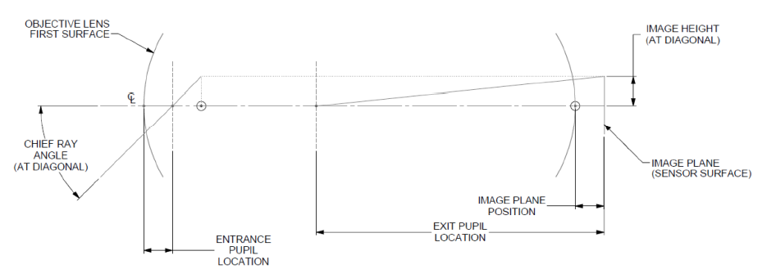
(1)
(2)
(3)
(4)
(5)
(+)
(-)

