Velocity (Z)
Velocity (Z)
 | No Snoot | Snoot 13" long | Snoot 10.5" Long
0 | 0.027763016649 | 0.066312384325 | -0.038648581931
0.004110528173 | 0.030871776578 | 0.065804299242 | -0.040525899287
0.0082210563459 | 0.033381968996 | 0.051276953189 | -0.042181993168
0.012331584519 | 0.033381968996 | 0.044670888758 | -0.043655266924
0.016442112692 | 0.036386651859 | 0.021101215268 | -0.045392707986
0.020552640865 | 0.039261774421 | -0.0070254793861 | -0.046702371783
0.024663169038 | 0.039261774422 | -0.032064308709 | -0.048083433371
0.028773697211 | 0.042952476203 | -0.095880555966 | -0.0492590296
0.032884225384 | 0.045253501754 | -0.13764489772 | -0.050010444524
0.036994753557 | 0.045253501754 | -0.18118832165 | -0.050798652138
0.04110528173 | 0.050490865095 | -0.27317496302 | -0.050886208803
0.045215809903 | 0.051336470769 | -0.29253017222 | -0.050321642038
0.049326338076 | 0.052798489724 | -0.30867073047 | -0.048602165139
0.053436866249 | 0.057445896997 | -0.32423606851 | -0.046934859835
0.057547394422 | 0.057445896997 | -0.33559690845 | -0.04032709271
0.061657922595 | 0.061842311053 | -0.32734473686 | -0.03423484711
0.065768450768 | 0.063351331065 | -0.26436907769 | -0.026638907849
0.069878978941 | 0.065347833163 | -0.17981084562 | -0.01205611392
0.073989507113 | 0.068742297736 | -0.14077186668 | 0.0069505790978
0.078100035286 | 0.069244108558 | -0.12219583835 | 0.032952253779
0.082210563459 | 0.073259706927 | -0.11832784397 | 0.068734449018
0.086321091632 | 0.073259706927 | -0.10649865874 | 0.1148274307
0.090431619805 | 0.076440910865 | -0.084504950925 | 0.17117365584
0.094542147978 | 0.076569543068 | -0.073293773618 | 0.24905062653
0.098652676151 | 0.078062176757 | -0.064843925144 | 0.33584109356
0.10276320432 | 0.078200460393 | -0.054851656175 | 0.40690187339
0.1068737325 | 0.077667098803 | -0.0634808184 | 0.4888249271
0.11098426067 | 0.077292114292 | -0.061118275354 | 0.55883004405
0.11509478884 | 0.074555341767 | -0.057686981585 | 0.55965789631
0.11920531702 | 0.072497868468 | -0.040302951061 | 0.53836183236
0.12331584519 | 0.06871761593 | -0.047162016253 | 0.49823719348
0.12742637336 | 0.062965328574 | -0.050782248471 | 0.42750349286
0.13153690154 | 0.059343295048 | -0.027370286862 | 0.3508368413
0.13564742971 | 0.049324817264 | -0.027839457847 | 0.2769090794
0.13975795788 | 0.042367843938 | -0.032557945713 | 0.21966197332
0.14386848605 | 0.035263232759 | -0.056914536931 | 0.17879356283
0.14797901423 | 0.022612745217 | -0.044865741626 | 0.14307491519
0.1520895424 | 0.012672265427 | -0.040696975338 | 0.11890780923
0.15620007057 | 0.0045251015552 | -0.044976594711 | 0.10374080901
0.16031059875 | -0.0057105794334 | -0.048168423991 | 0.087157103967
0.16442112692 | -0.015804076969 | -0.047499874178 | 0.072411304762
0.16853165509 | -0.021505846768 | -0.043571532365 | 0.060495582555
0.17264218326 | -0.026858495236 | -0.022310310833 | 0.056697838895
0.17675271144 | -0.031678482117 | -0.010841315977 | 0.059879970639
0.18086323961 | -0.031656288232 | 0.0014814801018 | 0.057168053669
0.18497376778 | -0.03081836648 | -0.076156311081 | 0.049168240446
0.18908429596 | -0.025842323261 | -0.065952958879 | 0.044595164809
0.19319482413 | -0.017851745591 | -0.042869754041 | 0.045360094372
0.1973053523 | -0.010054232005 | 0.017853705945 | 0.043973985196
0.20141588048 | 0.0014266864836 | -0.0095718609994 | 0.039539907397
...

Plot Data
Sketch25
Length [m] | Velocity (Z) [m/s] | Snoot13 | Snoot10p5 | Streamlined
0 | -0.39887699297 | -0.39511069969 | -0.39770225038 | -0.39725013865 | 0.027763016649 | 0.066312384325 | -0.038648581931 | 0.045205197076
0.004110528173 | -0.39876287231 | -0.39483812076 | -0.3975433843 | -0.39706432141 | 0.030871776578 | 0.065804299242 | -0.040525899287 | 0.045205197076
0.0082210563459 | -0.398635973 | -0.39456763034 | -0.39737680145 | -0.39687850418 | 0.033381968996 | 0.051276953189 | -0.042181993168 | 0.05182177773
0.012331584519 | -0.39849875548 | -0.39435685498 | -0.39720341117 | -0.3966654893 | 0.033381968996 | 0.044670888758 | -0.043655266924 | 0.053370614639
0.016442112692 | -0.39836153796 | -0.39417323403 | -0.39702396497 | -0.39644610788 | 0.036386651859 | 0.021101215268 | -0.045392707986 | 0.053370614639
0.020552640865 | -0.3982119696 | -0.39408649689 | -0.39683737696 | -0.39622672647 | 0.039261774421 | -0.0070254793861 | -0.046702371783 | 0.057763011371
0.024663169038 | -0.39805058297 | -0.39411537532 | -0.39664540555 | -0.39598928998 | 0.039261774422 | -0.032064308709 | -0.048083433371 | 0.062375711181
0.028773697211 | -0.39788919634 | -0.39424717656 | -0.39644775724 | -0.39573289287 | 0.042952476203 | -0.095880555966 | -0.0492590296 | 0.062375711181
0.032884225384 | -0.39771263898 | -0.39464129629 | -0.39624527661 | -0.39547649575 | 0.045253501754 | -0.13764489772 | -0.050010444524 | 0.065522651861
0.036994753557 | -0.39752662318 | -0.39520708952 | -0.39603970727 | -0.39520716304 | 0.045253501754 | -0.18118832165 | -0.050798652138 | 0.072025322338
0.04110528173 | -0.39734060739 | -0.39595186922 | -0.39583089798 | -0.39491110092 | 0.050490865095 | -0.27317496302 | -0.050886208803 | 0.072025322339
0.045215809903 | -0.39713306326 | -0.3970747626 | -0.39562172879 | -0.39461503881 | 0.051336470769 | -0.29253017222 | -0.050321642038 | 0.075250045187
0.049326338076 | -0.39692204325 | -0.39827721612 | -0.39541488026 | -0.39430572138 | 0.052798489724 | -0.30867073047 | -0.048602165139 | 0.082179220247
0.053436866249 | -0.39670501357 | -0.39954601585 | -0.39521509969 | -0.39396792138 | 0.057445896997 | -0.32423606851 | -0.046934859835 | 0.082179220247
0.057547394422 | -0.3964688806 | -0.40087879735 | -0.39502217263 | -0.39363012138 | 0.057445896997 | -0.33559690845 | -0.04032709271 | 0.087035107738
0.061657922595 | -0.39623274762 | -0.40225827789 | -0.39485640698 | -0.39327236111 | 0.061842311053 | -0.32734473686 | -0.03423484711 | 0.092857500918
0.065768450768 | -0.39597854306 | -0.40360383766 | -0.39471568367 | -0.39289066774 | 0.063351331065 | -0.26436907769 | -0.026638907849 | 0.092857500918
0.069878978941 | -0.39571813563 | -0.4046905342 | -0.39460618369 | -0.39250897437 | 0.065347833163 | -0.17981084562 | -0.01205611392 | 0.10054621907
0.073989507113 | -0.39544952152 | -0.40542965174 | -0.39455662669 | -0.3920956763 | 0.068742297736 | -0.14077186668 | 0.0069505790978 | 0.10338214716
0.078100035286 | -0.39516695437 | -0.40600829847 | -0.39458519725 | -0.39167072107 | 0.069244108558 | -0.12219583835 | 0.032952253779 | 0.10468877256
0.082210563459 | -0.39488232451 | -0.4065105879 | -0.39472064841 | -0.39124039492 | 0.073259706927 | -0.11832784397 | 0.068734449018 | 0.11283195527
0.086321091632 | -0.39458118842 | -0.40699697784 | -0.3950031833 | -0.39077659599 | 0.073259706927 | -0.10649865874 | 0.1148274307 | 0.11283195527
0.090431619805 | -0.39428005233 | -0.40743474358 | -0.39547518469 | -0.39031279706 | 0.076440910865 | -0.084504950925 | 0.17117365584 | 0.11813103301
0.094542147978 | -0.39396583981 | -0.40778210356 | -0.39617879883 | -0.38982721612 | 0.076569543068 | -0.073293773618 | 0.24905062653 | 0.12072296762
0.098652676151 | -0.39365109855 | -0.40808337968 | -0.39720252844 | -0.38933098096 | 0.078062176757 | -0.064843925144 | 0.33584109356 | 0.12229724448
0.10276320432 | -0.39333022177 | -0.40834992246 | -0.39858301272 | -0.38882827469 | 0.078200460393 | -0.054851656175 | 0.40690187339 | 0.12557803368
0.1068737325 | -0.39300877657 | -0.40857539174 | -0.40025559433 | -0.38831208265 | 0.077667098803 | -0.0634808184 | 0.4888249271 | 0.12559585768
0.11098426067 | -0.39268952378 | -0.40883633143 | -0.40226492297 | -0.38779581734 | 0.077292114292 | -0.061118275354 | 0.55883004405 | 0.12577466146
0.11509478884 | -0.39237181236 | -0.40908755983 | -0.40456200961 | -0.38727881705 | 0.074555341767 | -0.057686981585 | 0.55965789631 | 0.12577466146
0.11920531702 | -0.39206535053 | -0.40932468379 | -0.40686249916 | -0.38676181676 | 0.072497868468 | -0.040302951061 | 0.53836183236 | 0.12033937607
0.12331584519 | -0.391767346 | -0.4094903502 | -0.40907545064 | -0.38626715836 | 0.06871761593 | -0.047162016253 | 0.49823719348 | 0.12014346878
0.12742637336 | -0.3914848803 | -0.409684211 | -0.41112346866 | -0.38577330525 | 0.062965328574 | -0.050782248471 | 0.42750349286 | 0.10818609799
0.13153690154 | -0.39122605955 | -0.40989295286 | -0.41288073381 | -0.38532860325 | 0.059343295048 | -0.027370286862 | 0.3508368413 | 0.10709773781
0.13564742971 | -0.39098212726 | -0.4100054592 | -0.41432285853 | -0.38488837498 | 0.049324817264 | -0.027839457847 | 0.2769090794 | 0.087524705253
0.13975795788 | -0.39077937621 | -0.41011989407 | -0.4154611011 | -0.38452860221 | 0.042367843938 | -0.032557945713 | 0.21966197332 | 0.081888215108
0.14386848605 | -0.39060522199 | -0.41025372443 | -0.41636402783 | -0.3841919984 | 0.035263232759 | -0.056914536931 | 0.17879356283 | 0.057350071655
0.14797901423 | -0.39046027148 | -0.41048767324 | -0.41709896381 | -0.38395625931 | 0.022612745217 | -0.044865741626 | 0.14307491519 | 0.043391494848
0.1520895424 | -0.39036732115 | -0.41067209513 | -0.41768707728 | -0.38377789735 | 0.012672265427 | -0.040696975338 | 0.11890780923 | 0.018787180683
0.15620007057 | -0.39031523145 | -0.41083938119 | -0.41817585118 | -0.38370067211 | 0.0045251015552 | -0.044976594711 | 0.10374080901 | -0.0066353622599
0.16031059875 | -0.39029663089 | -0.41102425875 | -0.4186022807 | -0.38372794696 | -0.0057105794334 | -0.048168423991 | 0.087157103967 | -0.028542039683
0.16442112692 | -0.39032010439 | -0.41122225642 | -0.41896054243 | -0.38384526981 | -0.015804076969 | -0.047499874178 | 0.072411304762 | -0.066182869207
0.16853165509 | -0.39038506749 | -0.41141750599 | -0.41925819114 | -0.38411731636 | -0.021505846768 | -0.043571532365 | 0.060495582555 | -0.081384909011
0.17264218326 | -0.39047346788 | -0.411596608 | -0.41950685993 | -0.38445185132 | -0.026858495236 | -0.022310310833 | 0.056697838895 | -0.13328185315
0.17675271144 | -0.39058387048 | -0.41168831516 | -0.419739918 | -0.38499971014 | -0.031678482117 | -0.010841315977 | 0.059879970639 | -0.14378988787
0.18086323961 | -0.39071408578 | -0.4117328787 | -0.4199860563 | -0.38559076252 | -0.031656288232 | 0.0014814801018 | 0.057168053669 | -0.20255922033
0.18497376778 | -0.39084420984 | -0.41172678903 | -0.4202210472 | -0.3864233879 | -0.03081836648 | -0.076156311081 | 0.049168240446 | -0.21761464208
0.18908429596 | -0.39097088961 | -0.41203983169 | -0.42042315464 | -0.38731789902 | -0.025842323261 | -0.065952958879 | 0.044595164809 | -0.26586073731
0.19319482413 | -0.3910771152 | -0.41231093319 | -0.42060646432 | -0.38841072707 | -0.017851745591 | -0.042869754041 | 0.045360094372 | -0.29134021597
0.1973053523 | -0.39115049531 | -0.41248715052 | -0.42079291826 | -0.38960828924 | -0.010054232005 | 0.017853705945 | 0.043973985196 | -0.32755287116
0.20141588048 | -0.39119182351 | -0.41241376236 | -0.42097367457 | -0.39095470454 | 0.0014266864836 | -0.0095718609994 | 0.039539907397 | -0.36172902249
0.20552640865 | -0.39118595908 | -0.41245310776 | -0.42113620447 | -0.39244160188 | 0.017498954999 | -0.035711382516 | 0.041297404855 | -0.38565742743
0.20963693682 | -0.39111402913 | -0.41259990041 | -0.42130595862 | -0.3940268576 | 0.028685382662 | -0.014563625569 | 0.045647846019 | -0.4265074933
0.21374746499 | -0.39099611705 | -0.4126597646 | -0.42149359538 | -0.39578002867 | 0.039997999789 | -0.020309487011 | 0.04290875609 | -0.43917112603
0.21785799317 | -0.39083170415 | -0.41274324732 | -0.42166997303 | -0.39758525395 | 0.057832381261 | -0.024156014243 | 0.041432498206 | -0.4829678194
0.22196852134 | -0.39059398252 | -0.4128425413 | -0.42184028248 | -0.39957050678 | 0.065035405197 | -0.022603863537 | 0.044641707666 | -0.49021834193
0.22607904951 | -0.39032665265 | -0.41293545511 | -0.42202378347 | -0.40158556309 | 0.070708866465 | -0.023190859706 | 0.040182413369 | -0.5243753023
0.23018957769 | -0.39003600186 | -0.4130307818 | -0.42218895442 | -0.40374102254 | 0.072923970867 | -0.029976288405 | 0.031952844503 | -0.53398692361
0.23430010586 | -0.38973624583 | -0.41315400017 | -0.42232029748 | -0.40593599083 | 0.063414359129 | -0.056924656401 | 0.030647032348 | -0.5576475893
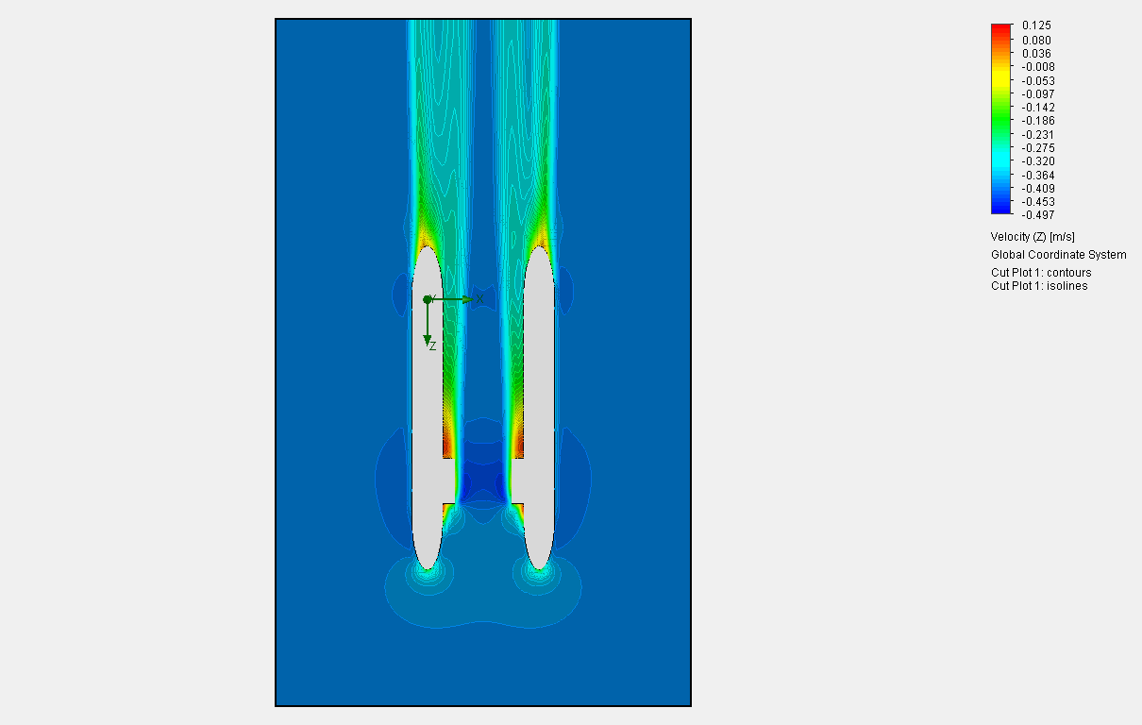
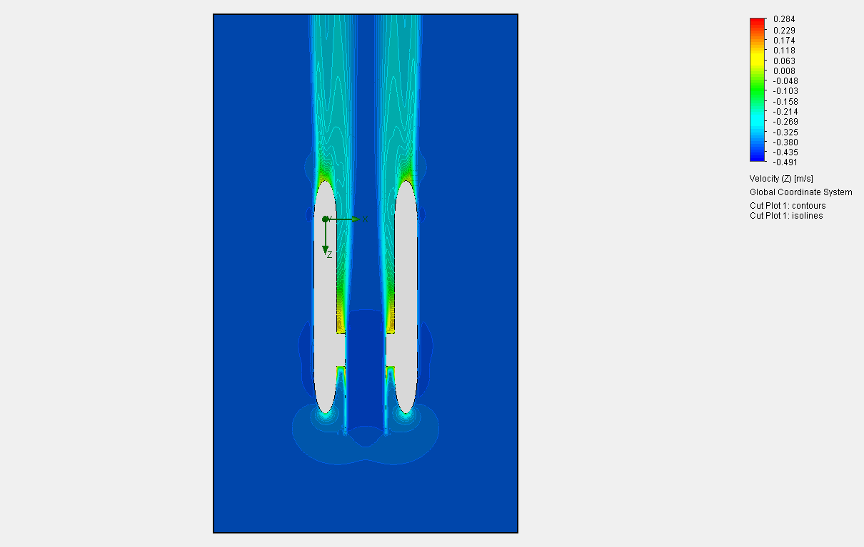
0.23841063403 | -0.38947557932 | -0.41338799058 | -0.42244627297 | -0.40822821696 | 0.048152393704 | -0.026958307402 | 0.0310510486 | -0.56901326913
0.24252116221 | -0.38927764755 | -0.41349880346 | -0.42257390918 | -0.41056716203 | 0.020888085455 | -0.015596544161 | 0.030425114332 | -0.58213988683
0.24663169038 | -0.38919178648 | -0.41356291349 | -0.42269897247 | -0.41296006444 | -0.049702999253 | -0.014851092259 | 0.032725452719 | -0.58737475084
0.25074221855 | -0.38939609206 | -0.41362395933 | -0.42283349137 | -0.4153744849 | -0.1258124242 | -0.037777867714 | 0.03687487928 | -0.59032928261
0.25485274672 | -0.38991324758 | -0.41377924632 | -0.4229850666 | -0.41780105005 | -0.21240133948 | -0.03538327648 | 0.034518495051 | -0.58701570155
0.2589632749 | -0.39078632927 | -0.41392469027 | -0.42312695585 | -0.42021399463 | -0.4493009012 | -0.019586596331 | 0.02405745931 | -0.58626053459
0.26307380307 | -0.39263319328 | -0.41400520153 | -0.42322584471 | -0.42262383507 | -0.65157043413 | -0.015459030004 | 0.020865965215 | -0.5903541967
Shear alogn path through focal plane
0.26718433124 | -0.3953114919 | -0.41406874631 | -0.42331161485 | -0.42505050263 | -0.86218425109 | -0.02244157257 | 0.028786572102 | -0.59057862477
0.27129485942 | -0.39885552456 | -0.41416099302 | -0.42342994286 | -0.42747809271 | -1.2206920384 | -0.033353618199 | 0.032787757533 | -0.59149775253
0.27540538759 | -0.40387321357 | -0.41429809401 | -0.42356471786 | -0.42990946088 | -1.5083098934 | -0.024904802557 | 0.030438558962 | -0.57328776718
0.27951591576 | -0.41007316388 | -0.4144004659 | -0.42368983642 | -0.4322659764 | -1.6585622223 | -0.01906314126 | 0.027746428673 | -0.53792616345
0.28362644394 | -0.41689073063 | -0.41447882548 | -0.4238038889 | -0.43447713705 | -1.7688537068 | -0.013497322075 | 0.026053437087 | -0.48045294863
0.28773697211 | -0.42416165362 | -0.4145343066 | -0.42391098228 | -0.43645205243 | -1.6862841222 | -0.024261733223 | 0.028125753811 | -0.42634766639
0.29184750028 | -0.43109317201 | -0.41463403514 | -0.42402659399 | -0.43820456652 | -1.5124932543 | -0.02903766397 | 0.028482547051 | -0.3111110427
0.29595802845 | -0.43731031815 | -0.41475339528 | -0.4241436723 | -0.43948339723 | -1.3061073831 | -0.032184205927 | 0.0250879736 | -0.25940235655
0.30006855663 | -0.44267910934 | -0.41488568936 | -0.42424679712 | -0.44054967793 | -0.85506231636 | -0.025088357868 | 0.025180743475 | -0.07240587287
0.3041790848 | -0.44619386708 | -0.41498881576 | -0.42435030328 | -0.44084730431 | -0.60298341837 | -0.023420248255 | 0.02825238264 | -0.036115753473
0.30828961297 | -0.44867244741 | -0.41508508535 | -0.42446643549 | -0.44099575913 | -0.38554974744 | -0.022766068491 | 0.027863285614 | 0.13433264571
0.31240014115 | -0.45025726051 | -0.41517866592 | -0.42458096831 | -0.440443581 | -0.12937812399 | -0.024542332267 | 0.021448705012 | 0.15595334661
0.31651066932 | -0.45078907293 | -0.41527954787 | -0.42466913382 | -0.43980253038 | 0.047645975649 | -0.025191252837 | 0.021048413575 | 0.23452764579
0.32062119749 | -0.45059322281 | -0.41538309722 | -0.42475565391 | -0.43883849788 | 0.1556959869 | -0.024100613054 | 0.024472449055 | 0.26591735089
0.32473172566 | -0.44995323007 | -0.41548216347 | -0.42485624861 | -0.43774543712 | 0.26011991107 | -0.019607197408 | 0.026279189794 | 0.3148164908
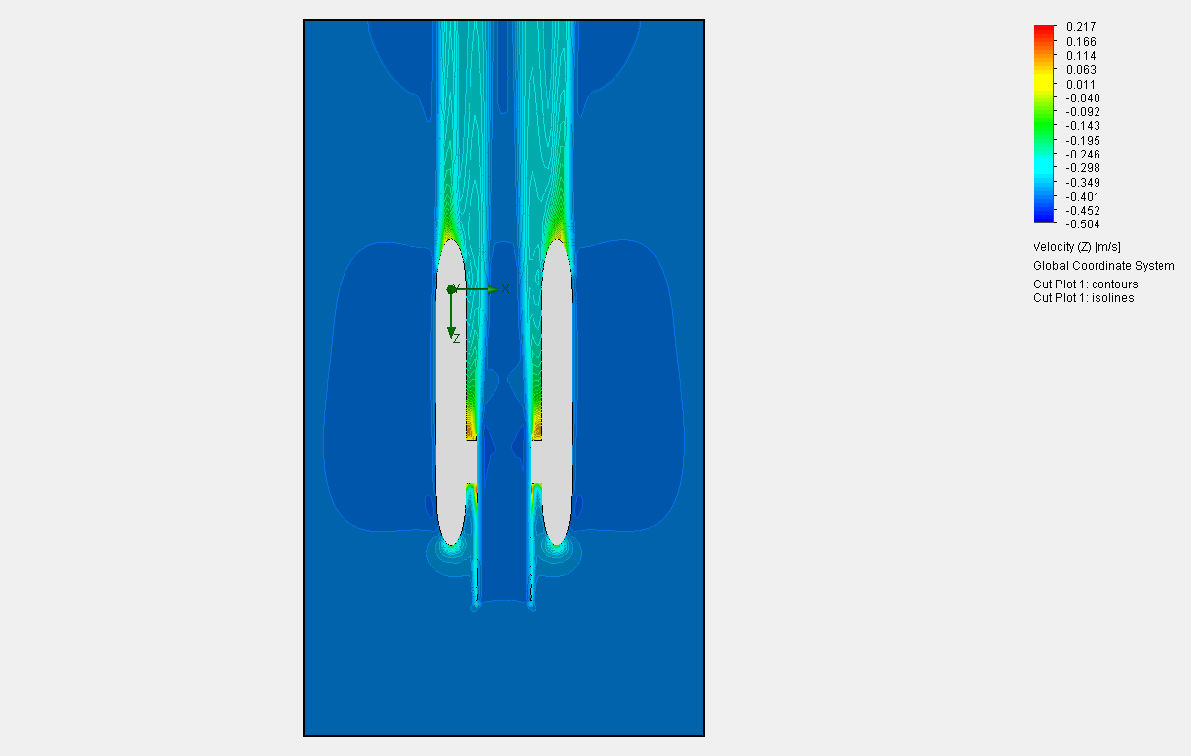
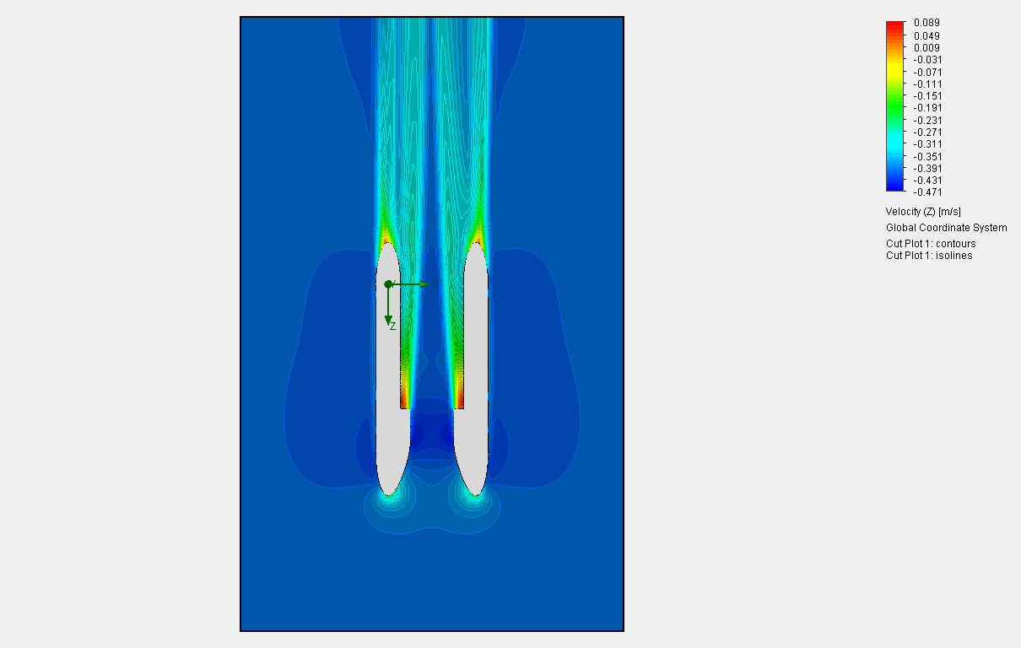
0.32884225384 | -0.44888399985 | -0.41556275941 | -0.42496426996 | -0.43645137507 | 0.35908218744 | -0.023180227474 | 0.026693588748 | 0.35551397117
0.33295278201 | -0.4474079824 | -0.41565804239 | -0.4250739947 | -0.43499002487 | 0.40482365674 | -0.024411168524 | 0.024318712084 | 0.38670324469
0.33706331018 | -0.44574394335 | -0.41575838518 | -0.42517395746 | -0.43340047029 | 0.44530824388 | -0.024780712028 | 0.02195613155 | 0.41024687552
0.34117383836 | -0.44391349127 | -0.415860247 | -0.42526420875 | -0.43171413895 | 0.48004918807 | -0.01907384716 | 0.01761298588 | 0.41846287897
0.34528436653 | -0.44194023556 | -0.41593865058 | -0.42533660743 | -0.4299940355 | 0.48280480769 | -0.025512367921 | 0.015258184539 | 0.42087292963
0.3493948947 | -0.43995565279 | -0.41604351989 | -0.42539932662 | -0.42826402546 | 0.47957734435 | -0.037878153525 | 0.013369024298 | 0.4200171562
0.35350542288 | -0.43798433661 | -0.41619921911 | -0.42545428038 | -0.42653753311 | 0.46134737612 | -0.033082689429 | 0.0081303200717 | 0.40935922842
0.35761595105 | -0.43608795522 | -0.41633520644 | -0.42548770029 | -0.42485485047 | 0.42910292181 | -0.0115669721 | 0.0010108812946 | 0.4031437673
0.36172647922 | -0.43432411557 | -0.4163827528 | -0.42549185554 | -0.42319771665 | 0.40501283139 | 0.014191712248 | -0.0074088493234 | 0.38606527627
0.36583700739 | -0.43265929892 | -0.41632441737 | -0.42546140126 | -0.42161078446 | 0.37774072824 | 0.03715992899 | -0.020644612484 | 0.37410977375
0.36994753557 | -0.43110658501 | -0.41617167043 | -0.425376541 | -0.42007299569 | 0.35054626584 | 0.040480568834 | -0.040191052565 | 0.35901667395
0.37405806374 | -0.42966565471 | -0.41600527391 | -0.42521133454 | -0.41859724754 | 0.34397533043 | 0.045899449096 | -0.06479608595 | 0.34456065755
0.37816859191 | -0.42825173442 | -0.41581660294 | -0.42494498841 | -0.41718092125 | 0.34018129228 | 0.089504328002 | -0.097112923544 | 0.33559376492
0.38227912009 | -0.42685340964 | -0.41544869287 | -0.424545803 | -0.41580145363 | 0.34795066899 | 0.13396803109 | -0.13728775412 | 0.3256473525
0.38638964826 | -0.42542314861 | -0.41489801351 | -0.42398147782 | -0.41446287101 | 0.35913824777 | 0.17236465916 | -0.18165036245 | 0.32304067528
0.39050017643 | -0.42394690073 | -0.41418950372 | -0.42323479888 | -0.41313500321 | 0.36885900295 | 0.22589100995 | -0.22797972356 | 0.31144726987
0.39461070461 | -0.4224306954 | -0.41326097236 | -0.42229768181 | -0.41185479043 | 0.38171838993 | 0.2610229634 | -0.27278357976 | 0.30758142495
0.39872123278 | -0.42086163121 | -0.41218803011 | -0.42117639722 | -0.41059046832 | 0.38815992274 | 0.28528500678 | -0.31197122534 | 0.28669373714
0.40283176095 | -0.41926608891 | -0.41101535806 | -0.41989403071 | -0.40941200564 | 0.38806025962 | 0.31150934419 | -0.34422433267 | 0.27607352865
0.40694228912 | -0.41767095628 | -0.40973489012 | -0.41847908689 | -0.40827719762

