Sheet1
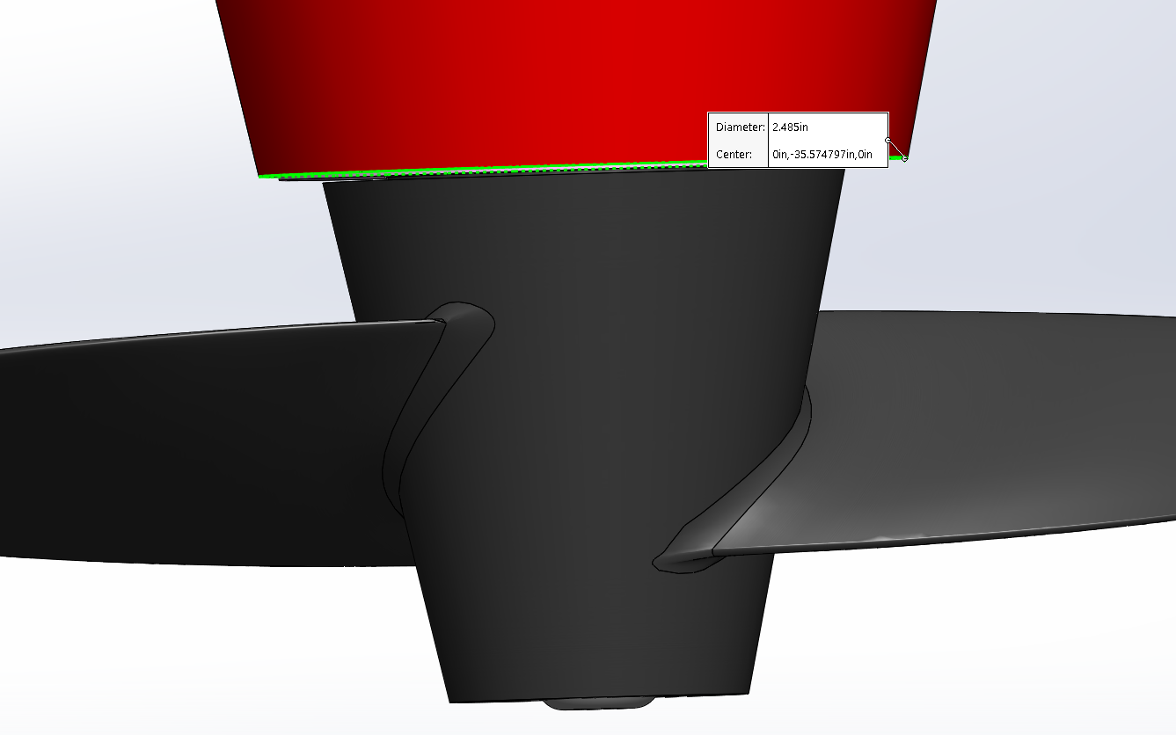
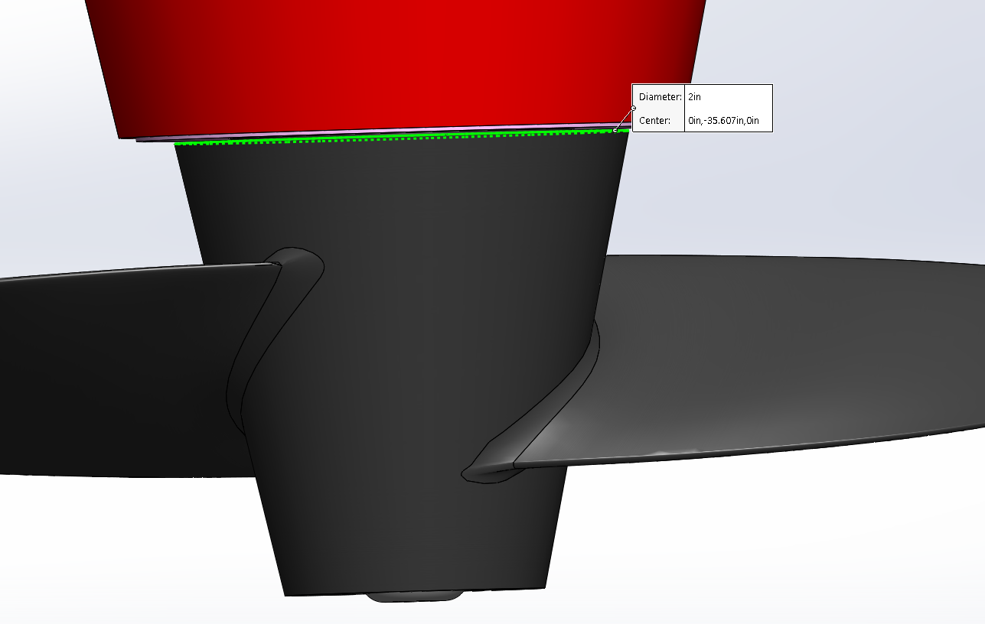
Propeller scaling

 | starting D | 2
 | final D | 2.48

 | scale % | 124%

