Sheet1
Company Name | Contact | Quote Received | Cable Under consideration | Price per 1 km | Lead time | Cable Characteristics | Drawing | Quote | OD, [in] | OD, [mm] | Outer jacket thickness [mm] | Bend Radius, Dynamic, [in] | Weight/Meter in Air, datasheet [kg/m] | Cross-section area, [m2] | Specific gravity, datasheet | Density, datasheet [g/cc] | Cable Density, calculated, [g/cc] | Seawater Density [g/cc] | Specific Gravity (Sea Water), calculated | Weigh/Meter in Seawater, calculated [kg/m] | Weight/meter sea H2O | Working Load (kN) | Ultimate Breaking Strength (kN)
Birns | Brock @ Ocean Innovations | Mar-24 | No- too expensive | $100k
Hydrogroup | Aidan Kidd/Paul Weston | 2024-04-04 | yes | $26.55k | 14-15 weeks |  | OF Cable Options\Hydrogroup\CLS8009-Model.pdf | OF Cable Options\Hydrogroup\Q0052580 Rev 01.pdf | 0.591 | 15.00 | 2.0 | 11.811 | 0.43000 | 0.00017671 |  |  | 2.433 | 1.028 | 2.367 | 0.248 | 0.254 kg/m | 10.00 | 50.00
South Bay | Hailey Wilson | 2024-03-29 | yes | $30k | 30-34 weeks |  | OF Cable Options\South-Bay\South-Bay - SB-51786 Rev A.pdf | NA | 0.670 | 17.02 | NA | 10.000 | 0.48154 | 0.00022746 |  |  | 2.117 | 1.028 | 2.059 | 0.248 |  | 12.46 | 50.04
Winchester (formerly Falmat) | Shawn Amirehsani | 2024-04-12 | yes | $55k (2000m) | 16-18 |  | OF Cable Options\Winchester-Falmat\FM110619CP-3 SS tube with Jacket_Winchester.pdf | OF Cable Options\Winchester-Falmat\Quote 26315 - MBARI.pdf | 0.500 | 12.70 | 1.6 | 8.000 | 0.37601 | 0.00012668 | 3.00 | 3.00 | 2.968 | 1.028 | 2.887 | 0.246 | 0.247 kg/m | 12.50 | 50.00
Seven Valleys | Sherwin Nepomucena | 2024-04-14 | Yes | $44k | 5 weeks ARO plus Material procure… |  | OF Cable Options\Seven Valleys Quote\006SC014 - Rev 00.pdf | OF Cable Options\Seven Valleys Quote\7VQ-2024-03-0019 - Quote - MBARI - Rev 00.pdf | 0.531 | 13.50 | 1.3 | 12.000 | 0.41500 | 0.00014314 |  |  | 2.899 | 1.028 | 2.820 | 0.268 | 0.270 kg/m | 20.00 | 60.00
Rochester | Casey Kitt |  | Yes |  |  |  | OF Cable Options\Rochester-Cable\A711567-RochesterCable.pdf | NA | 0.590 | 14.99 | NA | 12.000 | 0.55100 | 0.00017648 | 3.00 |  | 3.122 | 1.028 | 3.037 | 0.370 | 0.370 kg/m | 21.10 | 67.00
Concept Cables | Simon | 2024-04-10 | ya | $49K (2000m) | 10 weeks…? | stranded strength member | OF Cable Options\Concept Cables\MBA002071.1.pdf | OF Cable Options\Concept Cables\CC Quote Letter - price break metres - 2024-04-10-10-51 - 17719.pdf | 0.571 | 14.50 | 1.5 | 10.236 | 0.50000 | 0.00016513 |  |  | 3.028 | 1.028 | 2.945 | 0.330 | 0.377 kg/m | 26.48 | 80.41

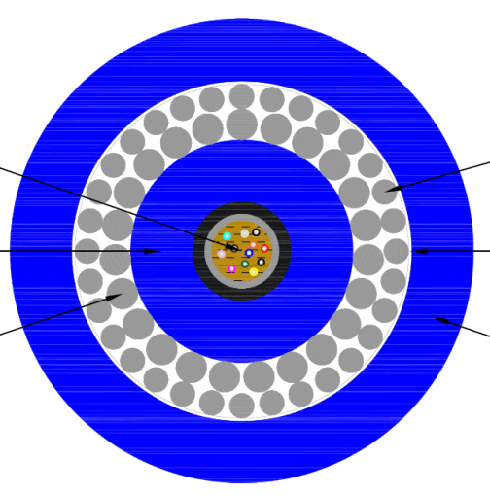
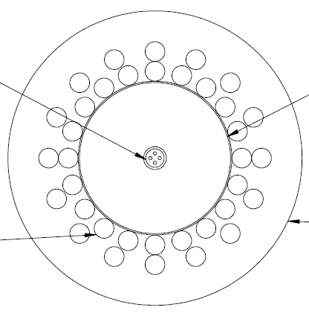
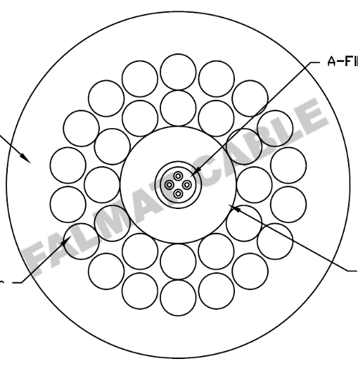
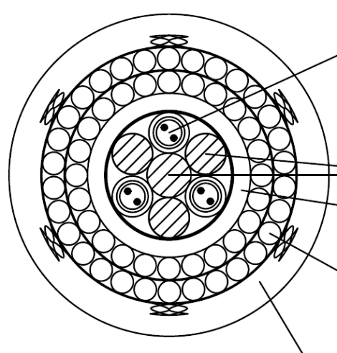
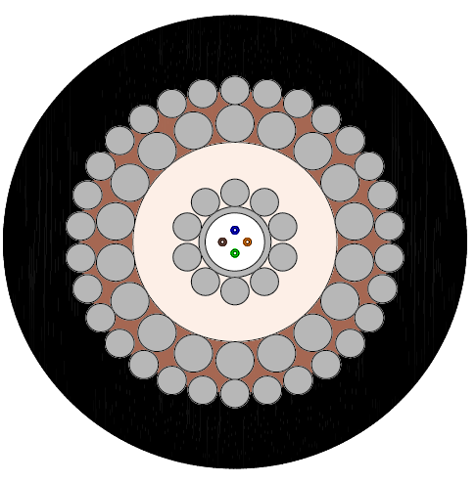
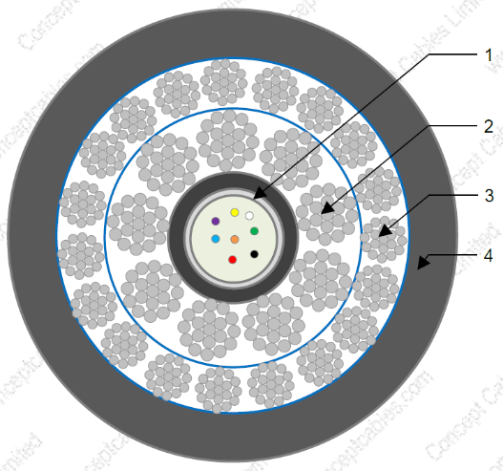
Legend:
Values, entered, confirmed by DK
Values, automatically calculated
Inches = mm / 25.4
mm = inches * 25.4
Weight/Meter [kg/m]= Weight/1000ft [lbs/1000ft] * 0.453592 [kg/lb] / 304.8 [m/1000ft]
Cross-section area [m2] = (OD [mm] /1000/2)^2 * PI
Cable Density [g/cc] = Weight/Meter [kg/m] / Cross-Section [m2] / 1000
Specific Gravity (Sea Water) = Cable Density [g/cc] / Seawater Density [g/cc]
Weigh/Meter in Seawater [kg/m] = Weight/Meter in Air [kg/m] - Seawater Density [g/cc] * 1000 * Cross-section area [m2]
Load [kN] = Load [lbf] * 4.44822 [N/lbf] / 1000
Load [kN] = Load [KGF] *9.80665 [N/KGF] / 1000

