Sheet1
Manufacturer | Part Number | fiber passes | Insertion loss (dB) | Return Loss/ Back Reflection (dB) | depth rating (closed face) | Cost | Lead Time | Notes
Birns | 3O-4F2 | 4 | 0.5 max, 0.1 typ | 35 |  | 3718 (BCR)$5525 (CCP molded to UF cable) | 10-16 weeks | measured return loss more like 75 dB
Green Tweed/Lancer | 500-BST-ST-S1-B02 (AS) 500-BST-S1-B02-000 (DK) | 1 | <1 dB, (0.5 dB per connection) | below 0.5 dB per connector |  | $478.45 | 10 weeks if out of stock
TE DEUTSCH | ILC-PSC-S12 | 12 | 0.5 | 35 |  | won't even quote us |  | APC
Macartney | optolink connector | 4 | 1-1.5 mated pair | 30 |  | ? |  | worked poorly on Mini
Macartney | optolink penatrator | 7 | 0.2 |  |  | $3,815 | 6 weeks
Teledyne Impulse PDM | omega fiber optic conn | variable | 0.2 | 30 | 5000 |  | 18-20 weeks
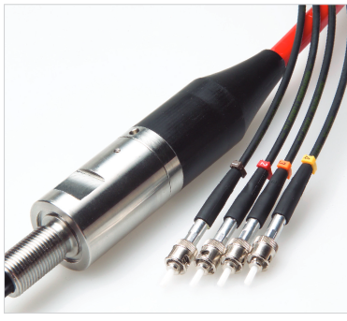
Macartney Optolink Penetrator
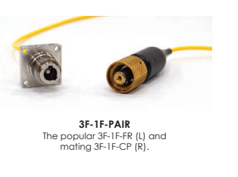
Birns
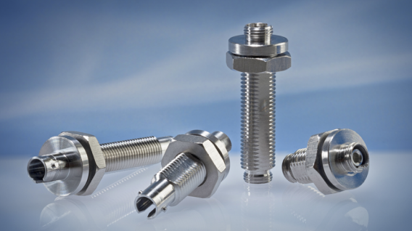
Lancer

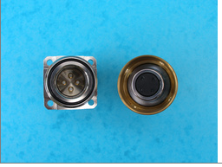
Teledyne Impulse PDM
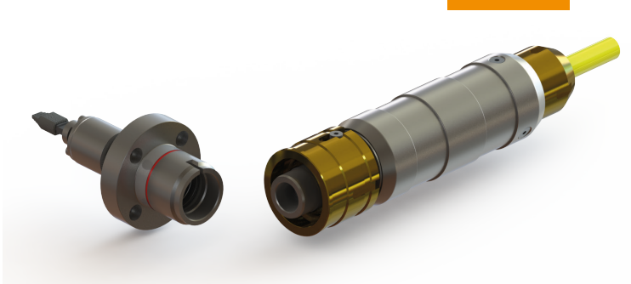
TE DEUTSCH

