Sheet1
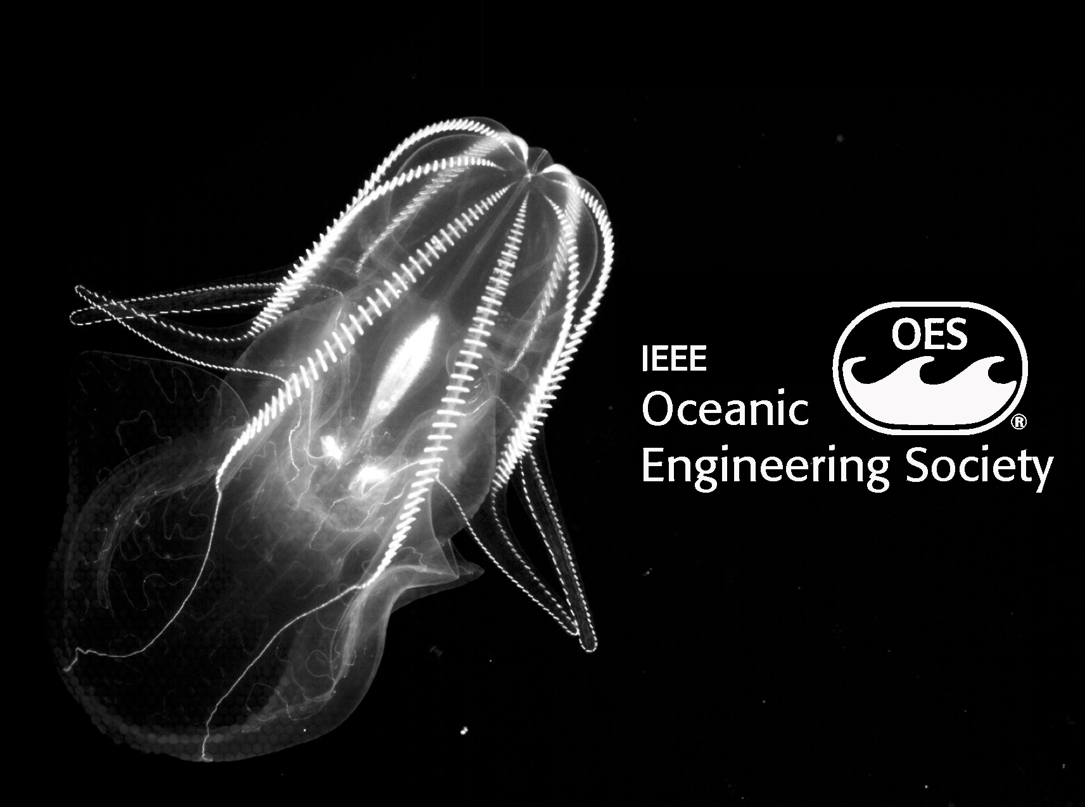
 |  | Marine Imaging
MIW
 |  | Workshop 2024

 | Invoice #101 | Contact | Patron
 | 2024-07-24 | 1-831-775-1707 | University of Southampton
 |  | miw@mbari.org | email: Maria Baker <mcb3@soton.ac.uk>

 | MIW Contact | Description | Quantity | Unit Price | Line Total
 | Bill Kirkwood | Box Fish Robotics | 1 | 1250.00 | $1,250.00
 |  | Exhibitor space w/ electrical - $3000.00 | Wells Fargo Bank N.A.
 | Payment | Attendance to Workshop - included | Routing Number: 121000248
 | Bank Transfer USD | Patronage | Account Name: Institute of Electrical and Electronics Engineers
 |  |  | Account Number: 21570000000605590
 | Due Date |  | SWIFT code: WFBIUS6S
 | 2024-10-07 |  | 123 South Broad Street, Philadelphia, PA. 19109
 |  |  | Subtotal
 |  |  |  | Sales Tax | Total
 |  |  | $1,250.00 | 0.00 | $1,250.00

 |  |  |  |  |  | THANK YOU

