Sheet1
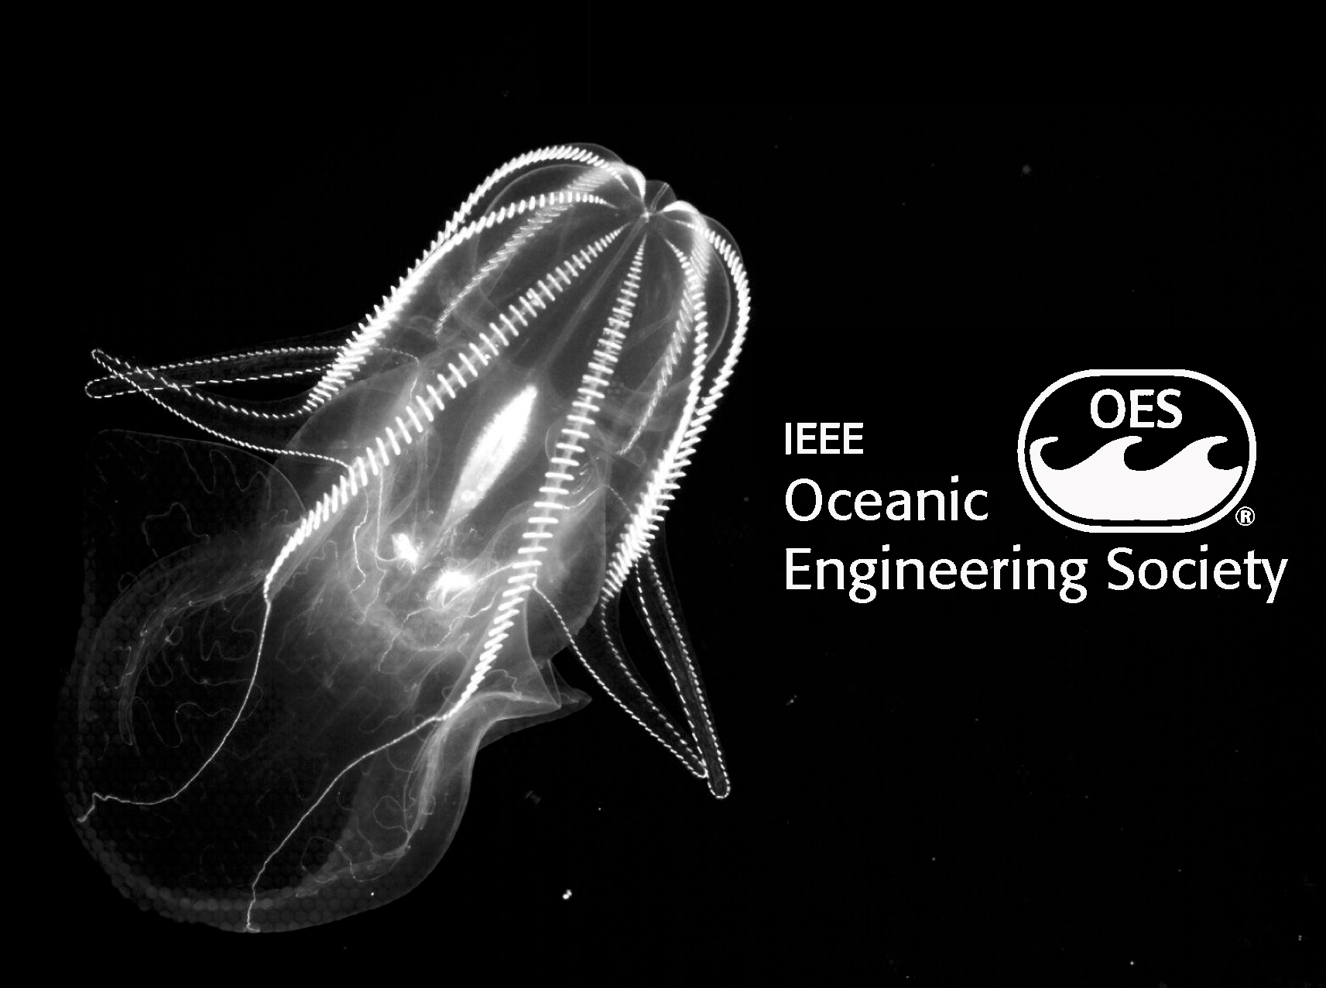
 |  | Marine Imaging
MIW
 |  | Workshop 2024

 | Invoice #101 | Contact | Regsitrant
 | 2024-07-30 | 1-831-775-1707 | University of Victoria - Kea Witting
 |  | miw@mbari.org | email: kea.witting@vuw.ac.nz

 | MIW Contact | Description | Quantity | Unit Price | Line Total
 | Bill Kirkwood | Registration for Kea Witting | 1 | 100.00 | $100.00
 |  |  | Wells Fargo Bank N.A.
 | Payment |  | Routing Number: 121000248
 | Bank Transfer USD |  | Account Name: Institute of Electrical and Electronics Engineers
 |  |  | Account Number: 21570000000605590
 | Due Date |  | SWIFT code: WFBIUS6S
 | 2024-07-08 |  | 123 South Broad Street, Philadelphia, PA. 19109
 |  |  | Subtotal
 |  |  |  | Sales Tax | Total
 |  |  | $100.00 | 0.00 | $100.00

 |  |  |  |  |  | THANK YOU

