FOCAL_quote
Parameter | Mbari Specification | Focal Specification
Fiber type (multimode or singlemode) | Singlemode | Singlemode
Fiber distance (m) | Tether typically 2400 meters max, 100 ft deck run on both ends. | 10 km
Number of fibers | We have 6 total in the tether, do you need 1 or 2? | 1 fiber
Fiber Optic Redundancy Requirement | We have never had this if I understand what you mean, 90% of the time you break one fiber they all break, although sometimes fiber migration does cause more losses on one fiber coil inside our tether CCP than others so there might be some advantage but when it has not been reterminated in a few years and gets like that we typically reterminate. | Redundancy not required.

 |  | (Redundancy allows for the same data to transfer over 2 fibers)
Optical budget (dB) | I have seen it as low as like 7 db but as high as 17db which it is right now and we plan to reterminate this fall if not sooner. This is reported from our 903 diagnostic software. Again, we get slow tube migration and a coil in the ccp can get tight and cause losses. IT has been a few years since we last had to reterminate (knock on wood) | 18 dB
Number of Ethernet ports, and associated link speeds: | We need like 10 ethernet ports inside the can for various devices, maybe even plan for 12 but we can do that with a cwdm switch that has 10 or 12 built in. we run that presently on a separate fiber that runs our ethernet system along with two Focal 914s for two HDSDI cameras. We have a cwdm that does that. WE need to provide two gigabit connections for science, the rest are fairly lower speed, our multibeam uses like 100 mb everything else right now is pretty slow bandwidth requirement. I don’t know what I give up here by having you do all my ethernet or I provide a switch to explode your Ethernet to my various customers (instruments) | 10 ports (10/100/1000) on a switch using a 10Gb/s optical link
 |  | 2 ports on the video cards allowing 10/100M links
10M |  | -
100M |  | 2
1000M |  | 10
10G | If I had a 10 G link to ethernet that should be plenty and I could explode the single port with a managed switch | Optional
Number of Serial ports along with protocols: | Have 26 now as stated above. WE do use three 485 for party lines, a 422 for Sprint INS and need a TTL for timing for the sprint INS. The high speed 232 card we need them to run at 115 kbaud. Right now our 16 channel serial card has trouble running at 115, actually sometimes even 56, but is solid at 9.6 or 19.2, 38.4 sometimes in question. | 24 ports on a 907-SS8 serial server
 | WE should plan on having at least this many and these features. | 8 ports on a 907-DX8 transparent low latency suitable for triggers
 |  | All ports are software configurable for RS-232/485/422
 |  | 907-DX8 ports can also be TTL compatible.
RS-232 | 21 total, 5 must be 115K, ideally we have 24 of these or more | See above
RS-485 | Need at least 3 | See above
RS-422 | Need 1 at least 115k, we also use the timing port for the sprint INS | See above
Number of Video ports and type: | We now have 8 NTSC, it seems you support 6 with a card I think we could live with that, not sure it is worth doubling that to get 12? Especially if we can get 6 HDSDI 3G with the other card you mention in the 907X brochure. | Will specify 6 NTSC video, see below.
Analog composite (NTSC / PAL) | We now have 8, would want at least 6. | 6 (converts to SDI at console)
SDI |  | 0
HD-SDI |  | 0
3G-SDI | Is there a card that gives us 6? That might be fine. | 6
4K | We have a 4 K camera but it uses a fiber by itself. | CWDM module includes a bypass port @ 1310 nm for a 4K camera feed
Any other special signals (Hydrophone, Trigger, TTL, CANbus, etc…) | We use one of the high speed 232 channels now to trigger the usbl system | noted
Diagnostic requirements | Something like you have now would be great, a serial port we could parse or an ethernet port we could get LCM traffic so we can alarm on the fiber loss. | Ethernet diagnostics is included
Environmental requirements |  | -10 to +60 C operation, user must provide conductive cooling to the remote cards via mounting plates in the bottle.
Size limitations (single stack, multiple stacks, etc…) | See above | 907 (PC/104) form factor for remote side, 8 cards total including CWDM.
Enclosure requirements (rack mount / other) | Topside has I believe 6 U available so should be plenty of space | ROM quote includes a custom 3U enclosure for the console stacks.
Pressure rating (1 ATM / 6K PSI / Other) | We would put this subsea into a 1 atm housing so no need for pressure tolerance. | 1 ATM

Remote:

Remote:
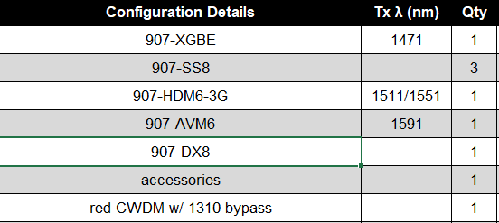

Console:
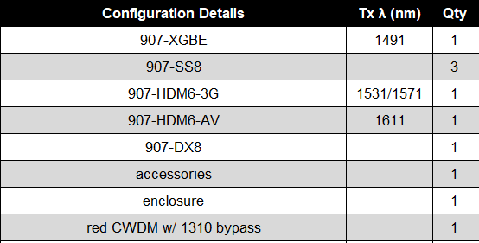

ROM price including NRE for the console enclosure is $70K USD for the system. Estimated availability is Q1 2028.

Console:

Cameras
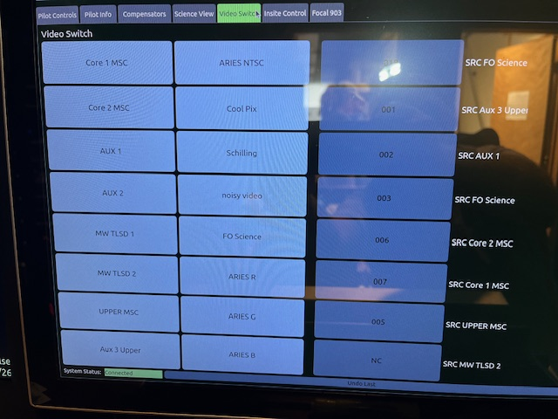
C
 | qty | item
 | 1 | Core 1
 | 2 | Core 2
 | 3 | Aux 1
 | 4 | Aux 2
 | 5 | Midwater TLSD 1
 | 6 | Midwater TLSD 2
 | 7 | Upper MSC
 | 8 | Aux 3 upper
 | 9 | Schilling T4
 | 10 | FO science

Fiber Budget
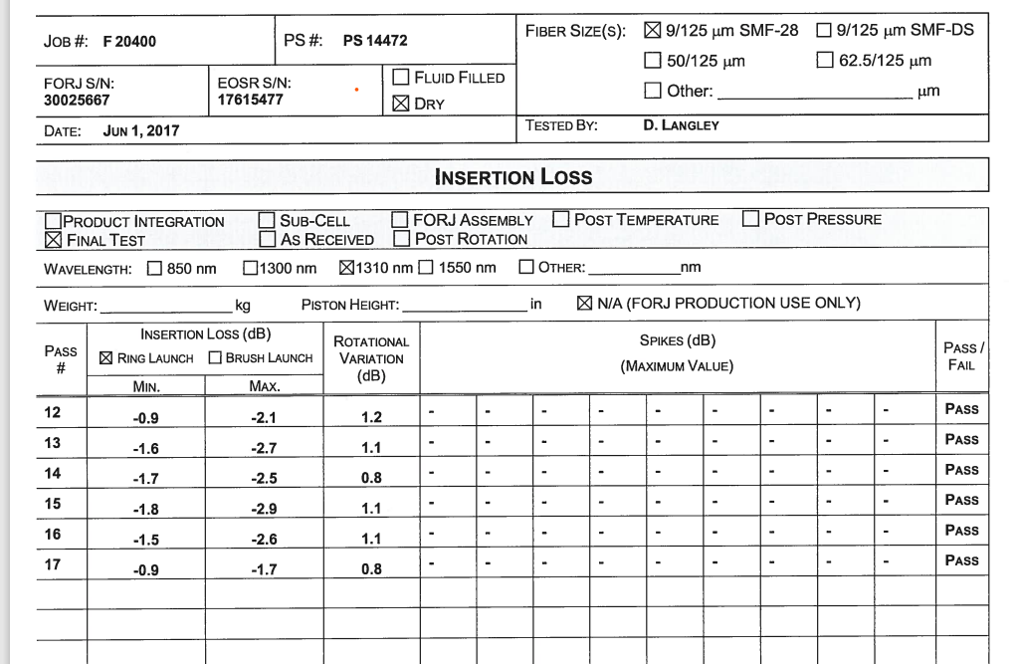
Ventana Optical budget, some values estimated, need to shoot with OTDR
item | from | to | item loss | Minimum loss estimate | Maximum loss estimate
1 | Focal inside FO can | FO can harness- ST | ST-ST | 0.5 | 0.7
2 | FO can harness ST | Term Can J box | ST-ST | 0.5 | 0.7
3 | Seacon BCR | Seacon CCP | ST-ST | 0.5 | 0.7
4 | Seacon CCP internal | Seacon CCP Tether ST | ST-ST | 0.5 | 0.7
5 | Tether | Tether | 2 KM SM Fiber | 1 | 1 | .4 db/km at 1331 um, so for 2500 meters. =.4*2.5 = |  |  |  |  | 1
6 | Rotating winch j box Tether ST | Slip ring input ST | ST-ST | 0.5 | 0.7
7 | Slip Ring | Slip Ring channel loss | Slip Ring ch 1 | 2.7 | 2.7 |  | from FORJ inspection documents worst channel at 1330
8 | Slip ring output ST | Static winch j box ST | ST-ST | 0.5 | 0.7
9 | Seacon CCP winch ST | Seacon BCR Winch ST | ST-ST | 0.5 | 0.7
10 | Fiber run to PDU | Fiber run to PDU | 60 meters fiber | 0.0186 | 0.1 |  |  |  |  |  | 0.0186
11 | Tether ST in PDU j box | PDU j box | ST-ST | 0.5 | 0.7
12 | fiber run to Focal | Fiber run to focal | 30 meters fiber | 0.0093 | 0.1 |  |  |  |  |  | 0.0093
13 | PDU j box fiber ST | Focal ST control room | ST-ST | 0.5 | 0.7
 |  | coils loss inside Seacon CCP at vehicle
 |  |  | total | 8.2279 | 10.2

VENTANA HDTV INSTALLATION OPTICAL BUDGET |  |  |  |  |  |  | Mark Chaffey 6/16/99 & 9/14/01
Uplink budget @ 1310nm | Budget | Cumulative budget | Actual test values - first installation | Actual test values - 9/14/01 | Budget with new transceiver | Downlink budget @ 1550nm | Budget | Cumulative budget | Actual test values - first installation | Actual test values - 9/14/01

HDC-750 launch power @ 1310 | -6.59 | -7.82 | -7.82 | -8.35 |  | HDCU launch power* @ 1310 | -6.83 | -8.09 | -8.09
OCP Transceiver launch power @ 1310nm |  |  |  |  | 3.00dBm | MRV Transceiver launch power @ 1550 |  | 0.75 | 0.75 | 4.27 | 4.27

camera to WDM coupler | -0.5 | -8.32 |  |  | 2.50dBm | MRV to WDM coupler | -0.5 | 0.25 |  |  | 3.77dBm
Camera WDW loss | -1.5 | -9.82 |  |  | 1.00dBm | HD interface WDM loss | -1.5 | -1.25 |  |  | 2.27dBm
WDM to bulkhead coupler | -0.5 | -10.32 |  |  | 0.50dBm | HD interface bulkhead coupler | -0.5 | -1.75 |  |  | 1.77dBm
SeaCon camera bulkhead connector loss | -0.5 | -10.82 |  |  | 0.00dBm | Fiber tray coupler | -0.5 | -2.25 |  | 0.84 | 1.27dBm
SeaCon Ventana bulkhead connector loss | -0.5 | -11.32 |  |  | -0.50dBm | FORJ junction box coupler | -0.5 | -2.75 |  |  | 0.77dBm
bulkhead to telm cable coupler | -0.5 | -11.82 |  | -12.36 | -1.00dBm | winch drum breakout coupler | -0.5 | -3.25 |  |  | 0.27dBm
telm cable to umbilical coupler | -0.5 | -12.32 |  |  | -1.50dBm | Optical loss splice tray to telm housing | -5.95 |  | -4.11
umbilical length in km | 2.25 |  |  |  |  | FORJ loss (SM fiber #1, pass 11) | -2.1 | -5.35 |  |  | -1.83dBm
attenuation/km | -0.6 |  |  |  |  | Optical loss splice tray to telm housing | -6.65 |  | -5.4
end to end umbilical loss | -1.35 | -13.67 |  |  | -2.85dBm | FORJ loss (SM fiber #2, pass 12) | -2.8
Optical loss splice tray to telm housing | -5.95 |  | -5.63 |  |  | umbilical length in km | 2.25
FORJ loss (SM fiber #1, pass 11) | -2.6 | -16.27 |  |  | -5.45dBm | attenuation/km | -0.6
Optical loss splice tray to telm housing | -7.05 |  | -7.78 |  |  | end to end umbilical loss | -1.35 | -6.7 |  |  | -3.18dBm
FORJ loss (SM fiber #2, pass 12) | -4.2 |  |  |  |  | telm cable to umbilical coupler | -0.5 | -7.2 |  |  | -3.68dBm
winch drum breakout coupler | -0.5 | -16.77 |  |  | -5.95dBm | bulkhead to telm cable coupler | -0.5 | -7.7 |  |  | -4.18dBm
FORJ junction box coupler | -0.5 | -17.27 | -19.21 | -20.9 | -6.45dBm | SeaCon Ventana bulkhead connector loss | -0.5 | -8.2 |  |  | -4.68dBm
Fiber tray coupler | -0.5 | -17.77 |  |  | -6.95dBm | SeaCon camera bulkhead connector loss | -0.5 | -8.7 |  |  | -5.18dBm
HD interface bulkhead coupler | -0.5 | -18.27 | -21.09 |  | -7.45dBm | WDM to bulkhead coupler | -0.5 | -9.2 |  |  | -5.68dBm
HD interface WDM loss | -1.5 | -19.77 |  |  | -8.95dBm | Camera WDW loss | -1.5 | -10.7 |  |  | -7.18dBm
WDM to Lemo coupler | -0.5 | -20.27 |  |  | -9.45dBm | camera to WDM coupler | -0.5 | -11.2 |  |  | -7.68dBm
Loss to HDCU cable Lemo connector | -12.95 | -20.27 |  |  | -9.45dBm | Total optical loss to camera coupler | -11.95 | -11.2 |  |  | -7.68dBm

Link budget to impairment |  | 5.48 | 8.57 |  |  | Link budget to impairment |  | 12.7
Link budget to "NG" flag |  | -0.64 | 2.37 |  |  | Link budget to "NG" flag |  | 6.6
Link budget to "WARNING" flag |  | -3.77 | -0.83 |  |  | Link budget to "WARNING" flag |  | 3.5
measured HDCU flag to "WARNING" |  |  | -16.5 |  |  | measured HDCU flag to "WARNING" |  |  | -14.7
measured HDCU flag to "NG" |  |  | -19.63 |  |  | measured HDCU flag to "NG" |  |  | -17.8
Uplink receive mimimum before impairment* |  |  | -25.75 |  |  | Downlink receive mimimum before impairment |  |  | -23.9
* measured at HDCU cable Lemo connector

Lab test with camera, UW cable, attenuator, interface box and CCU.., 9/12/01
Link budget to impairment |  |  |  | -14 |  |  |  |  |  | >-14
Link budget to "NG" flag |  |  |  | -7.5 |  |  |  |  |  | -13.2
Link budget to "WARNING" flag |  |  |  | -4.5 |  |  |  |  |  | -10.2

GSS Buttons
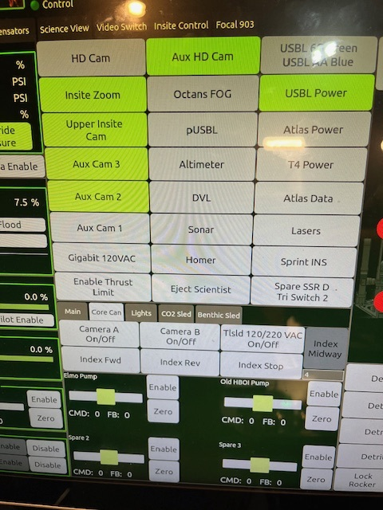
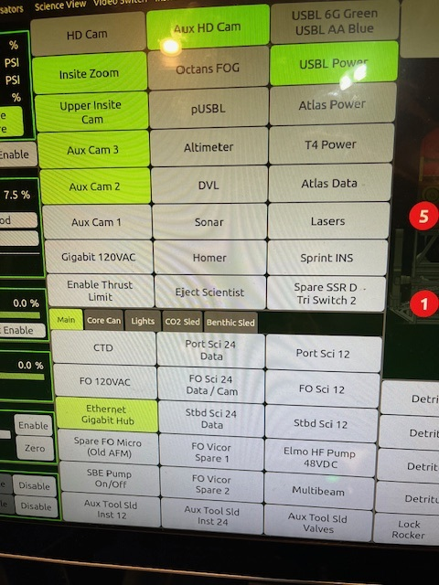
GSS

FO_MICRO_CARD_netlist
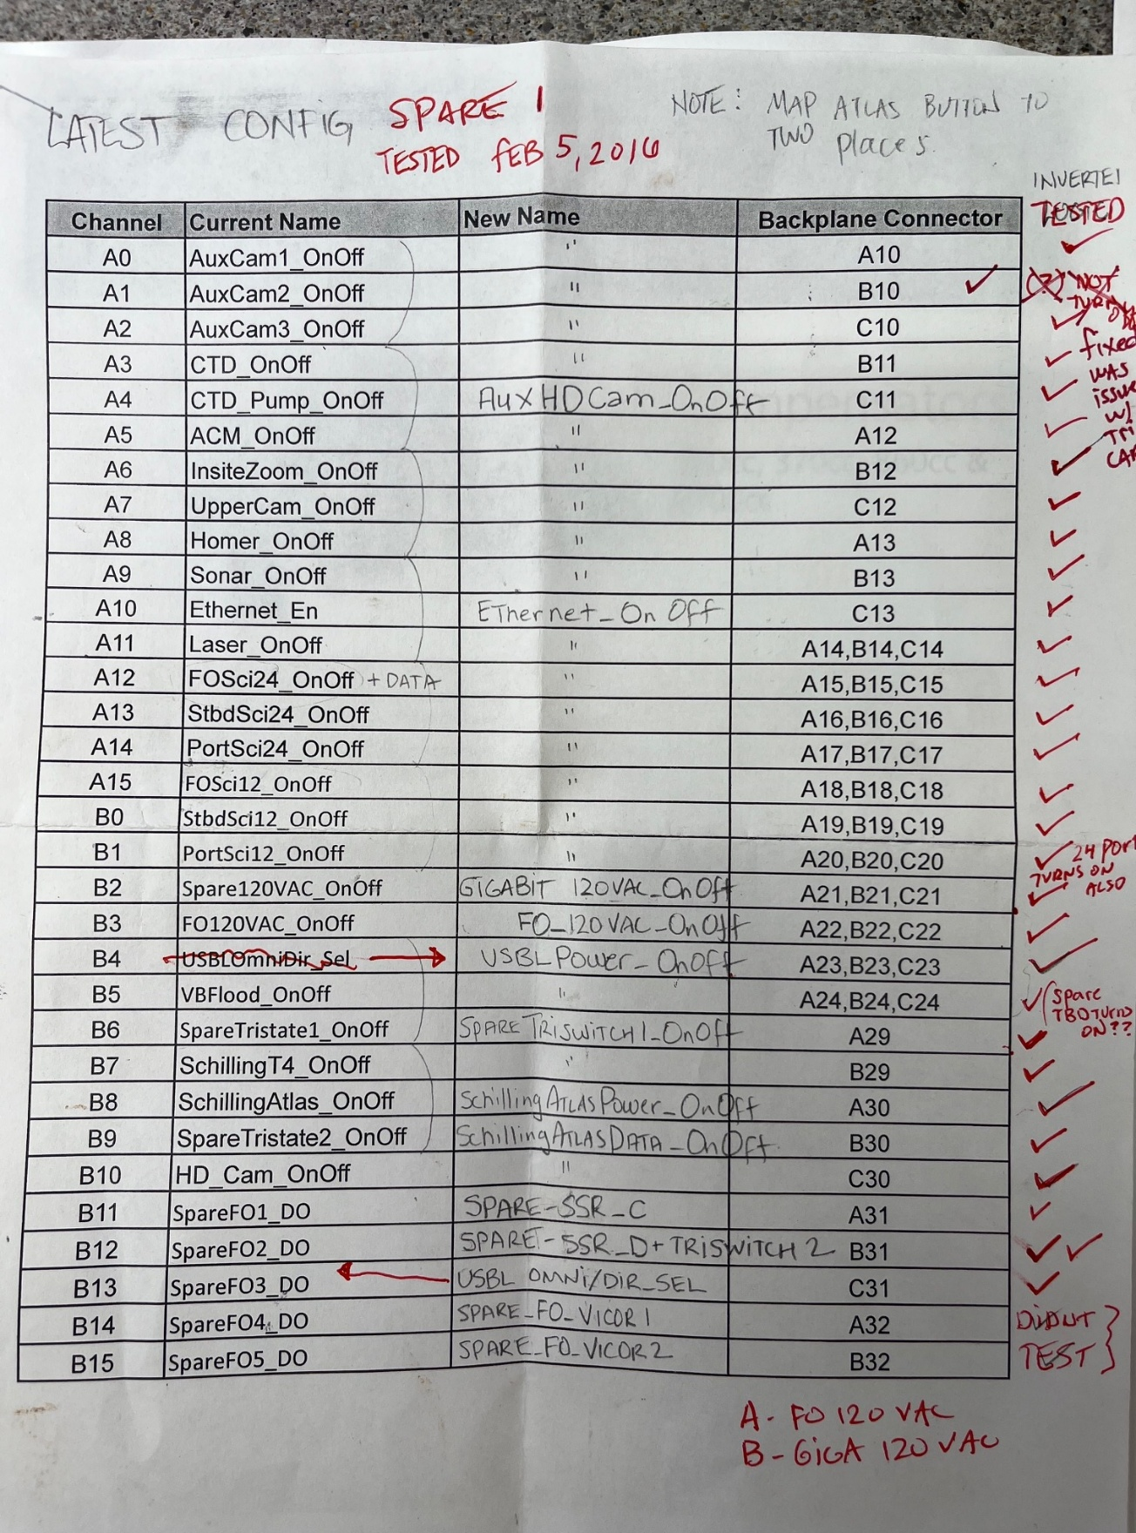
FO Micro Netlit for FO CAN

item | channel | Name | description
1 | A0 | AuxCam1 on/off
2 | A1 | AuxCam2 on/off
3 | A2 | AuxCam3 on/off
4 | A3 | CTD on/off
5 | A4 | CTD pump on/off
6 | A5 | AFM on/off
7 | A6 | InsiteZoom camera on/off
8 | A7 | Upper pan tilt camera on/off
9 | A8 | homer on/off
10 | A9 | sonar on/off
11 | A10 | Ethernet on/off
12 | A11 | lazers on/off
13 | A12 | FO Sci 24 on/off
14 | A13 | Stbd Sci 24 on/off
15 | A14 | Port Sci 24 on/off
16 | A15 | FO sci 12 on/off
17 | B0 | Stbd sci 12 on/off
18 | B1 | port sci 12 on/off
19 | B2 | Spare 120 VAC on/off
20 | B3 | FO 120 VAC on/off
21 | B4 | USBL power to beacons on/off
22 | B5 | VB Flood valve on/off
23 | B6 | Spare tristate switch ch 1 on/off
24 | B7 | Schilling T4 on/off
25 | B8 | schilling Atlas Power on/off
26 | B9 | schilling Atlas Data on/off
27 | B10 | HD camera main on/off
28 | B11 | Spare FO1_DO | Spare SSR_C
29 | B12 | Spare FO2_DO | Spare SSR_D _Triswitch 2
30 | B13 | USBL omni_directional switch
31 | B14 | Spare FO4_DO | Spare_FO_Vicor 1
32 | B15 | Spare FO5_DO | Spare_FO_Vicor 2

FO_can_cards1
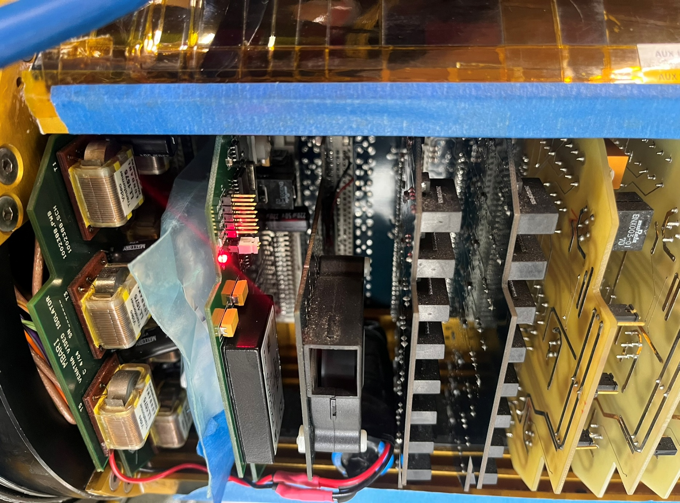

FO_can_cards2
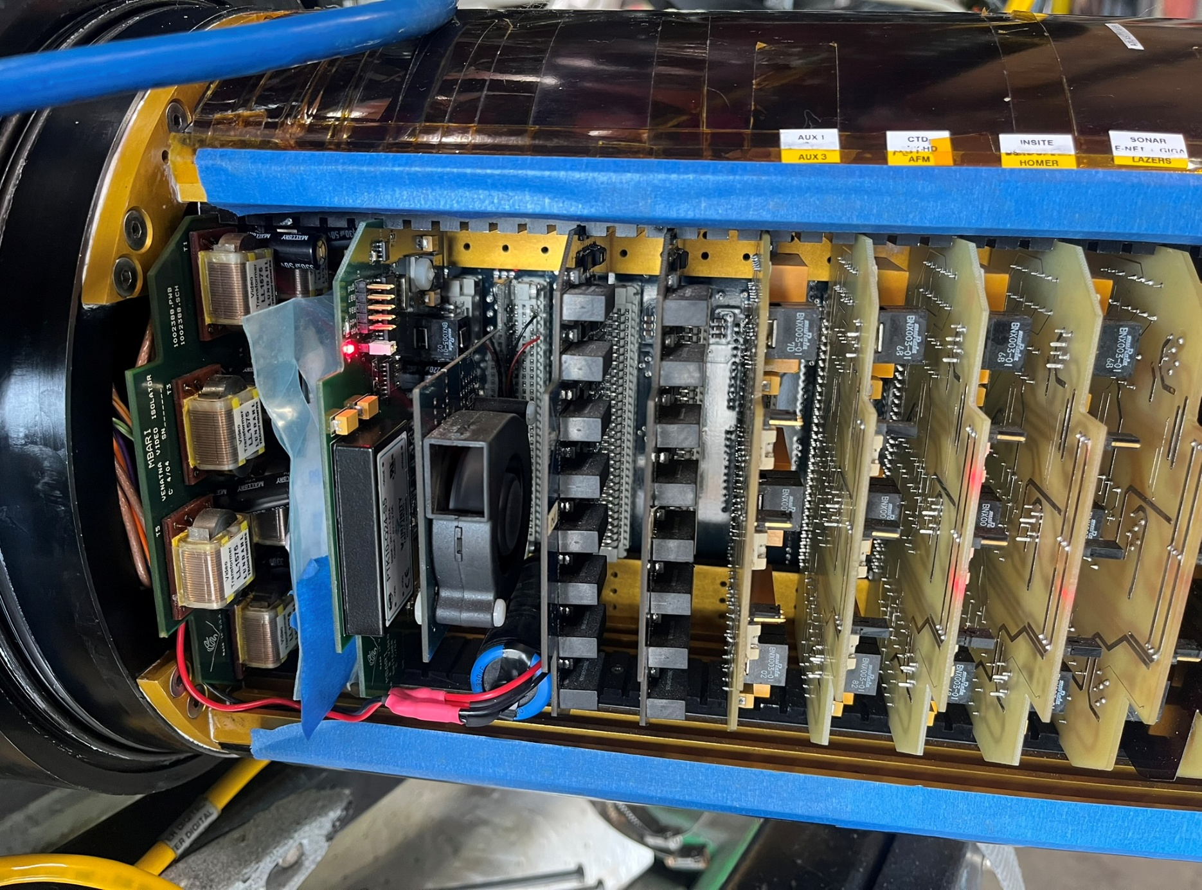

FO_can_cards3
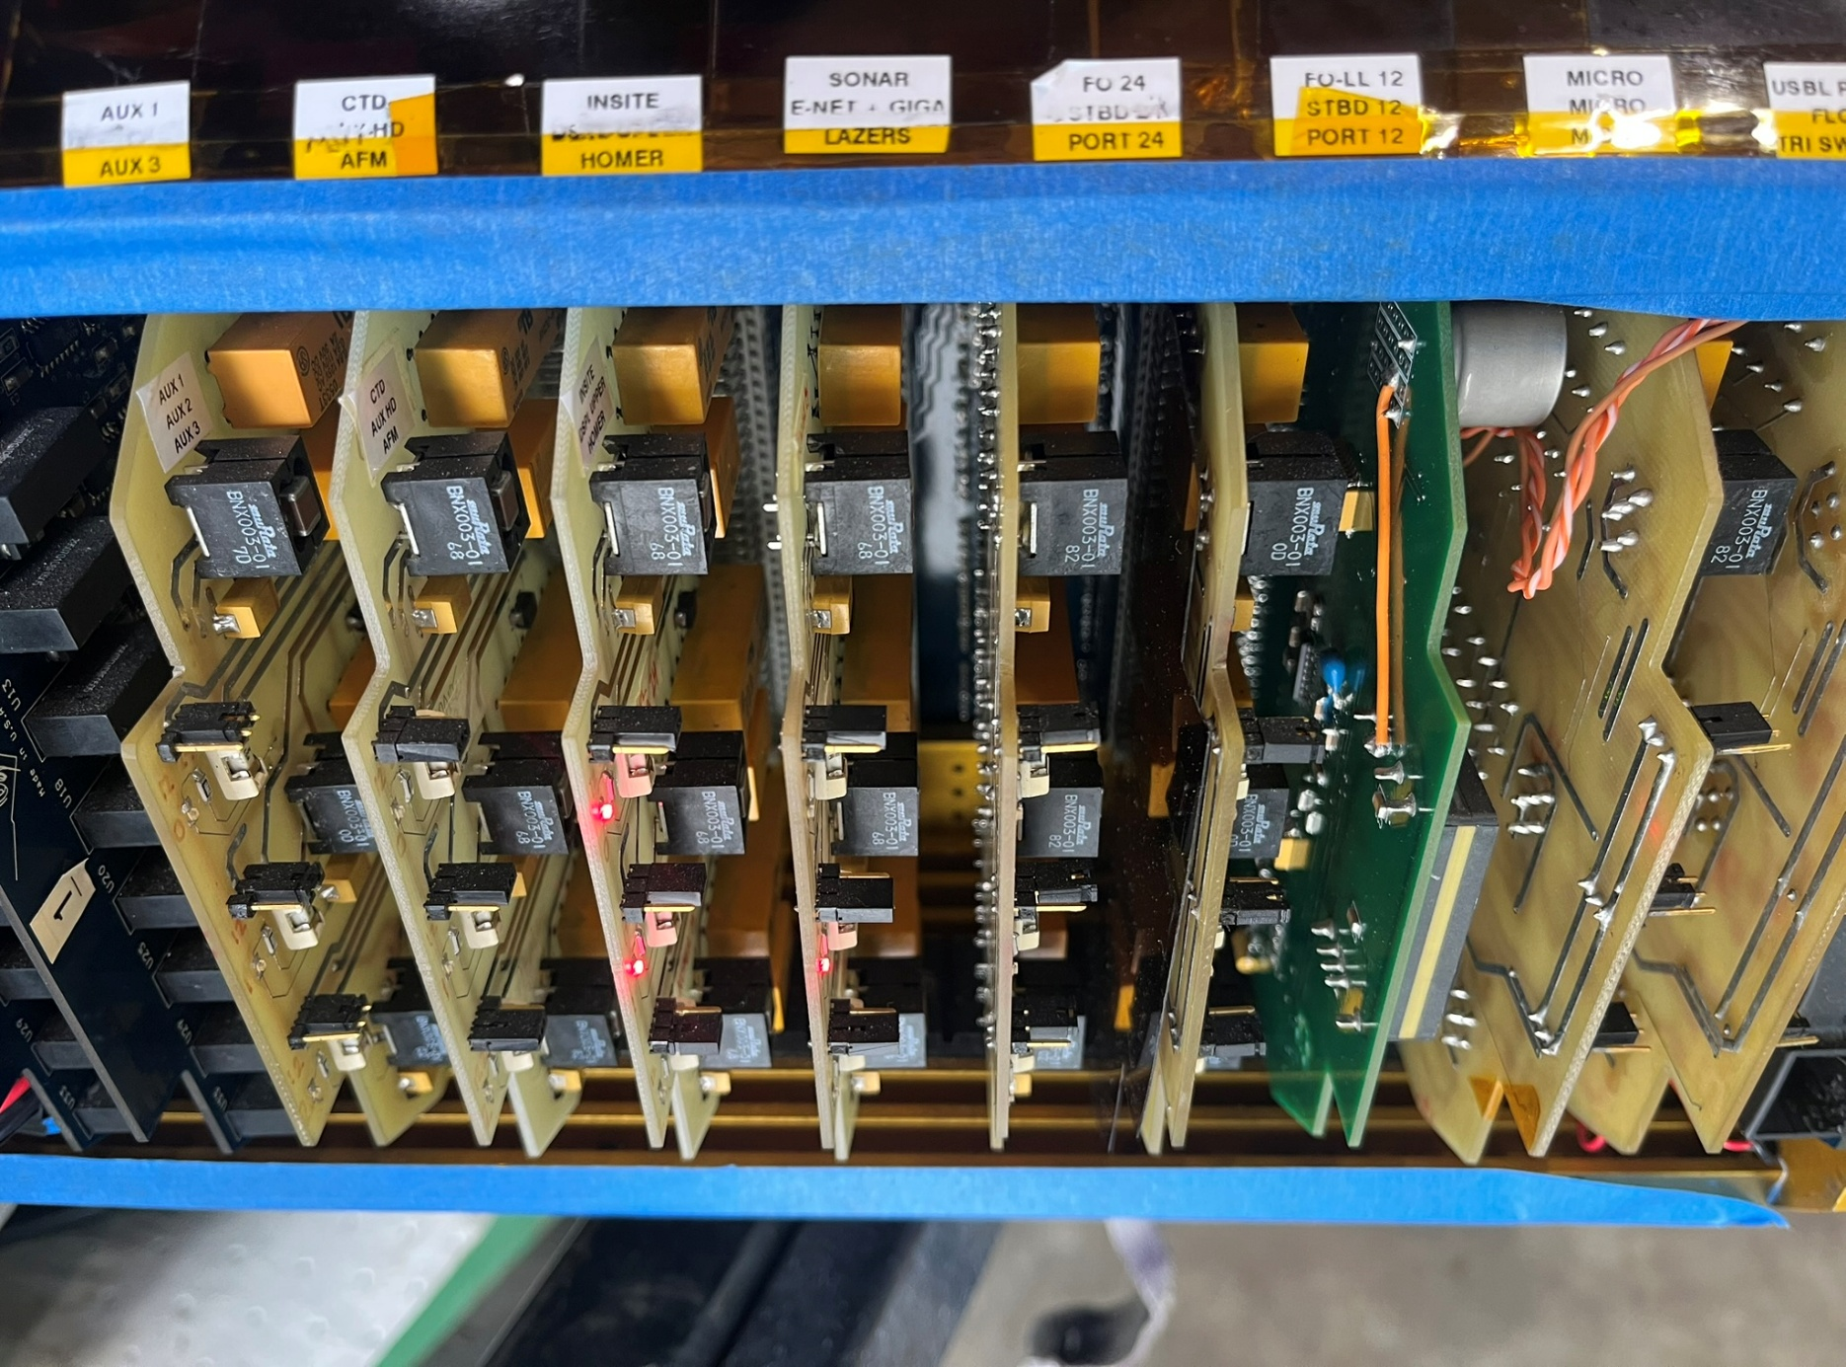

FO_can_cards4
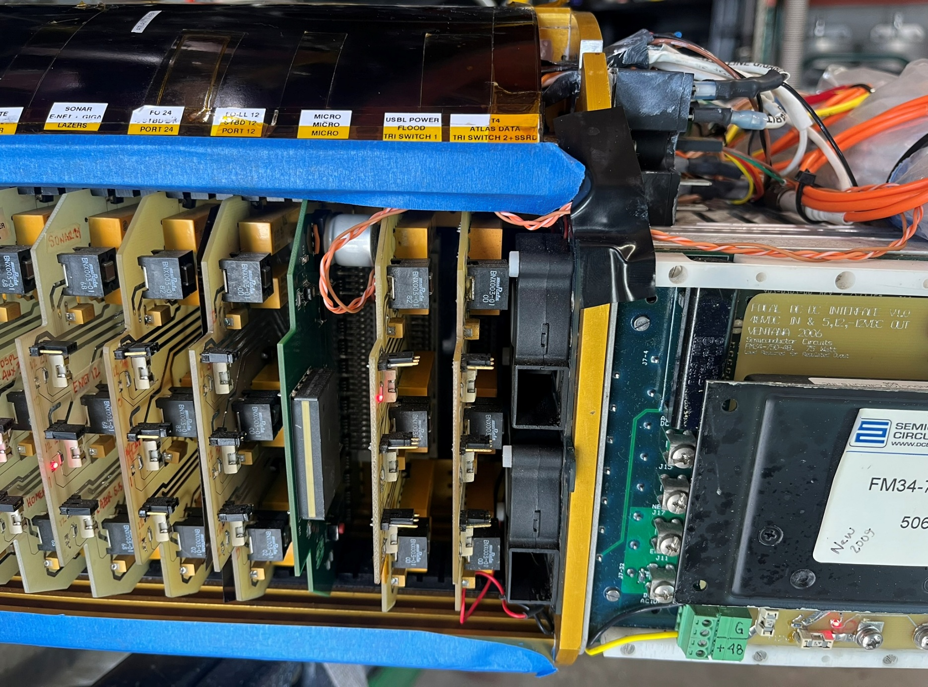

FO_Can_focal
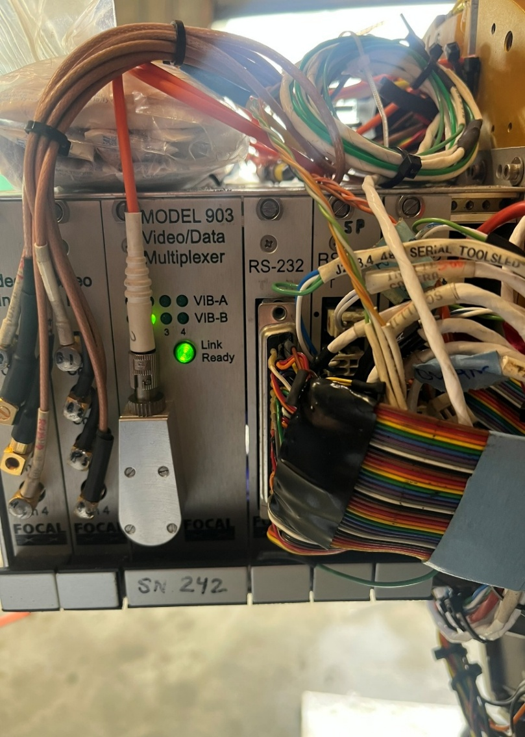

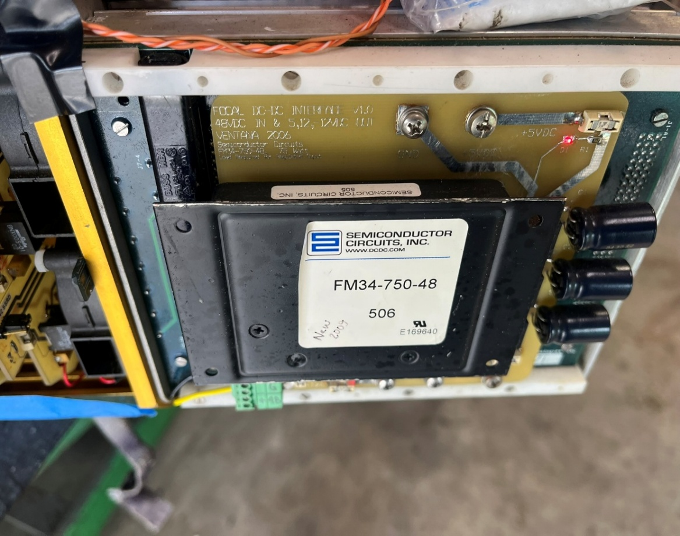

FO_can_top
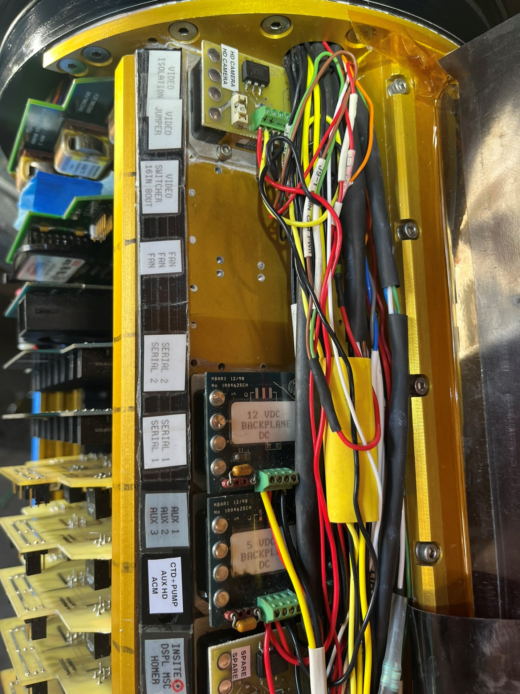

FO_can_bot
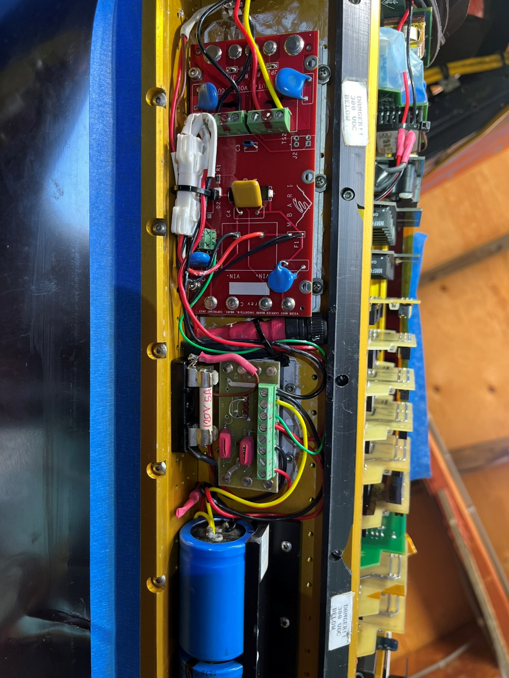

FO_Can_Isolated_vicors
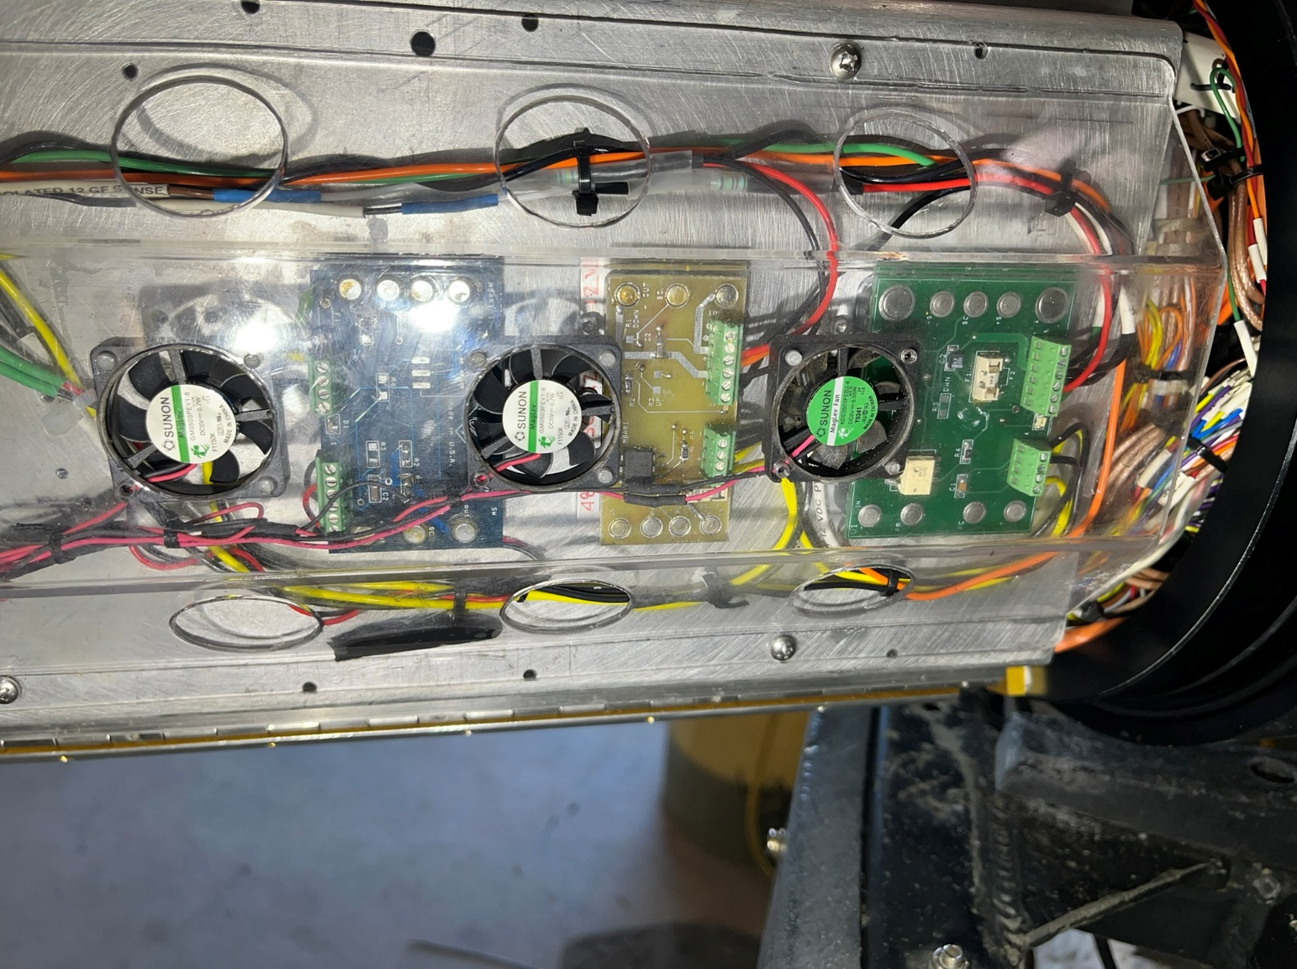

FO_tray
