Test3
Sending Elmo read current limit
$ | 6-May-21 | 19:27:19 | UnitTest | Sending Elmo CL[1] command
EO=0;
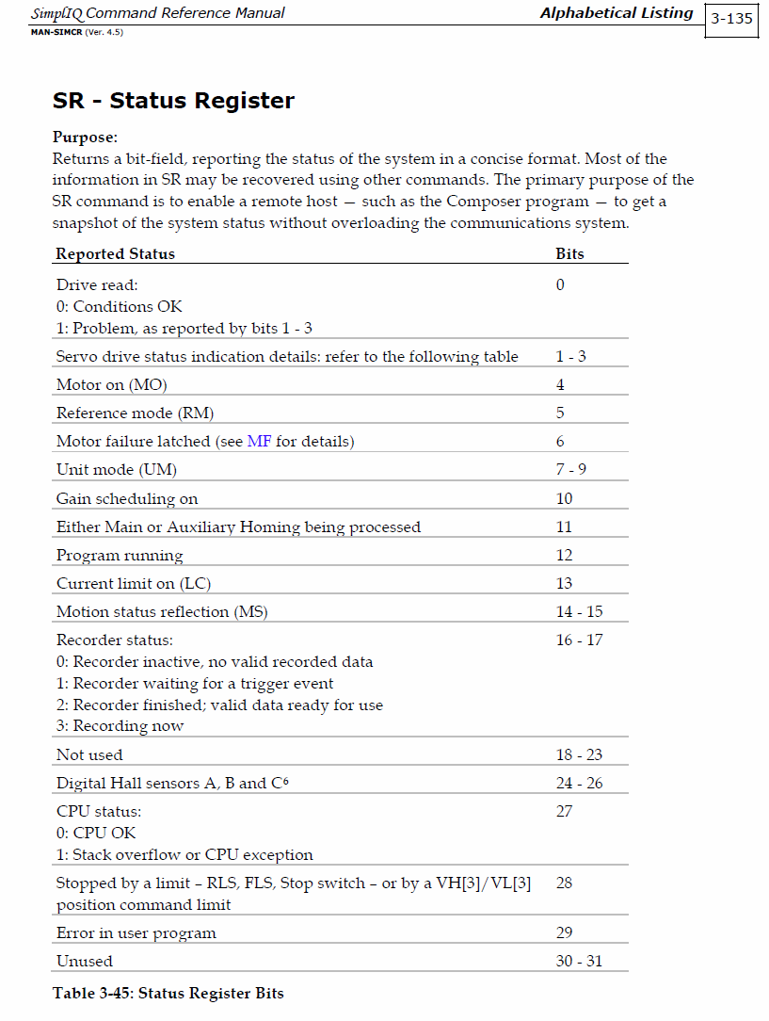
;
;
;
;
;
;
;
;
3.00000;
$ | 6-May-21 | 19:27:57 | UnitTest | BE::openMV: Starting valve open
STX | Date | Time | State | Time | Bellows Position | Volts | milliAmps | Velocity (CPF) | Acctive Current | Reactive Current | Status |  | Pump Motor Fault
$ | 6-May-21 | 19:28:02 | UnitTest | 19:28:02 | 26.63 | 31.4 | 10 | 0 | 0 | 0 | 67158784 | 00000100.00000000.11000011.00000000 | 1
$ | 6-May-21 | 19:28:04 | UnitTest | 19:28:04 | 26.88 | 31.4 | 5 | 0 | 0 | 0 | 67158784 | 00000100.00000000.11000011.00000000 | 1
$ | 6-May-21 | 19:28:07 | UnitTest | 19:28:07 | 26.87 | 31.4 | 5 | 0 | 0 | 0 | 67158784 | 00000100.00000000.11000011.00000000 | 1
$ | 6-May-21 | 19:28:09 | UnitTest | 19:28:09 | 26.87 | 31.4 | 5 | 0 | 0 | 0 | 67158784 | 00000100.00000000.11000011.00000000 | 1
$ | 6-May-21 | 19:28:11 | UnitTest | 19:28:11 | 26.87 | 31.4 | 5 | 0 | 0 | 0 | 67158784 | 00000100.00000000.11000011.00000000 | 1
$ | 6-May-21 | 19:28:12 | UnitTest | BE::sendJV: -100000 |  |  |  |  |  |  |  | 00000000.00000000.00000000.00000000
$ | 6-May-21 | 19:28:12 | UnitTest | Start increasing buoyancy |  |  |  |  |  |  |  | 00000000.00000000.00000000.00000000
$ | 6-May-21 | 19:28:16 | UnitTest | 19:28:16 | 26.88 | 31.35 | 505 | -95401 | 0.0461 | -1.95697 | 96518928 | 00000101.11000000.11000011.00010000 | 1
$ | 6-May-21 | 19:28:18 | UnitTest | 19:28:18 | 26.75 | 31.325 | 540 | -94371 | -0.09603 | -1.57579 | 79741712 | 00000100.11000000.11000011.00010000 | 1
$ | 6-May-21 | 19:28:20 | UnitTest | 19:28:20 | 26.65 | 31.325 | 560 | -93279 | -0.07143 | -1.81936 | 79741712 | 00000100.11000000.11000011.00010000 | 1
$ | 6-May-21 | 19:28:23 | UnitTest | 19:28:23 | 26.52 | 31.325 | 575 | -92882 | 0.03226 | -2.01748 | 46187280 | 00000010.11000000.11000011.00010000 | 1
$ | 6-May-21 | 19:28:25 | UnitTest | 19:28:25 | 26.39 | 31.325 | 590 | -93555 | -0.03722 | -1.95242 | 46187280 | 00000010.11000000.11000011.00010000 | 1
$ | 6-May-21 | 19:28:27 | UnitTest | 19:28:27 | 26.28 | 31.325 | 595 | -93881 | 0.20974 | -2.00536 | 96518928 | 00000101.11000000.11000011.00010000 | 1
$ | 6-May-21 | 19:28:29 | UnitTest | 19:28:29 | 26.16 | 31.325 | 595 | -94348 | 0.22152 | -2.07361 | 79741712 | 00000100.11000000.11000011.00010000 | 1
$ | 6-May-21 | 19:28:31 | UnitTest | 19:28:31 | 26.04 | 31.325 | 600 | -91968 | -0.05211 | -2.20538 | 113296144 | 00000110.11000000.11000011.00010000 | 1
$ | 6-May-21 | 19:28:34 | UnitTest | 19:28:34 | 25.92 | 31.325 | 615 | -93047 | -0.16031 | -3.24514 | 113296144 | 00000110.11000000.11000011.00010000 | 1
$ | 6-May-21 | 19:28:36 | UnitTest | 19:28:36 | 25.82 | 31.325 | 610 | -93845 | -0.13559 | -2.23159 | 113296144 | 00000110.11000000.11000011.00010000 | 1
$ | 6-May-21 | 19:28:38 | UnitTest | 19:28:38 | 25.71 | 31.325 | 610 | -93163 | -0.1744 | -2.46848 | 29410064 | 00000001.11000000.11000011.00010000 | 1
$ | 6-May-21 | 19:28:40 | UnitTest | 19:28:40 | 25.58 | 31.275 | 885 | -92539 | -0.01918 | -2.3948 | 96518928 | 00000101.11000000.11000011.00010000 | 1
$ | 6-May-21 | 19:28:43 | UnitTest | 19:28:43 | 25.49 | 31.275 | 780 | -90294 | -0.11155 | -2.03143 | 113296144 | 00000110.11000000.11000011.00010000 | 1
$ | 6-May-21 | 19:28:45 | UnitTest | 19:28:45 | 25.37 | 31.275 | 855 | -90434 | 0.14585 | -2.9996 | 62964496 | 00000011.11000000.11000011.00010000 | 1
$ | 6-May-21 | 19:28:47 | UnitTest | 19:28:47 | 25.26 | 31.275 | 805 | -92983 | 0.28009 | -2.41826 | 79741712 | 00000100.11000000.11000011.00010000 | 1
$ | 6-May-21 | 19:28:49 | UnitTest | 19:28:49 | 25.25 | 31.275 | 830 | -92952 | -0.09159 | -2.71243 | 46187280 | 00000010.11000000.11000011.00010000 | 1
$ | 6-May-21 | 19:28:52 | UnitTest | 19:28:52 | 25.08 | 31.275 | 835 | -90419 | 0.24525 | -3.53363 | 96518928 | 00000101.11000000.11000011.00010000 | 1
$ | 6-May-21 | 19:28:54 | UnitTest | 19:28:54 | 24.96 | 31.275 | 850 | -91617 | 0.33355 | -2.06263 | 79741712 | 00000100.11000000.11000011.00010000 | 1
$ | 6-May-21 | 19:28:56 | UnitTest | 19:28:56 | 24.88 | 31.275 | 785 | -83729 | 0.01284 | -3.01309 | 79749904 | 00000100.11000000.11100011.00010000 | 1
$ | 6-May-21 | 19:28:58 | UnitTest | 19:28:58 | 24.76 | 31.275 | 785 | -80553 | -0.12493 | -3.08121 | 96527120 | 00000101.11000000.11100011.00010000 | 1
$ | 6-May-21 | 19:29:01 | UnitTest | 19:29:01 | 24.65 | 31.275 | 680 | -67111 | 0.01458 | -3.08958 | 96527120 | 00000101.11000000.11100011.00010000 | 1
$ | 6-May-21 | 19:29:03 | UnitTest | 19:29:03 | 24.6 | 31.3 | 575 | -55640 | 0.22417 | -2.97701 | 29418256 | 00000001.11000000.11100011.00010000 | 1
$ | 6-May-21 | 19:29:05 | UnitTest | 19:29:05 | 24.5 | 31.35 | 150 | 0 | 0.02615 | -2.98144 | 21029648 | 00000001.01000000.11100011.00010000 | 1
$ | 6-May-21 | 19:29:07 | UnitTest | 19:29:07 | 24.47 | 31.35 | 150 | 0 | 0.00221 | -2.99363 | 21029648 | 00000001.01000000.11100011.00010000 | 1
$ | 6-May-21 | 19:29:10 | UnitTest | 19:29:10 | 24.47 | 31.35 | 150 | 0 | -0.01685 | -3.02366 | 21029648 | 00000001.01000000.11100011.00010000 | 1
$ | 6-May-21 | 19:29:12 | UnitTest | 19:29:12 | 24.47 | 31.35 | 150 | 0 | -0.00488 | -2.99645 | 21029648 | 00000001.01000000.11100011.00010000 | 1
$ | 6-May-21 | 19:29:14 | UnitTest | 19:29:14 | 24.47 | 31.35 | 150 | 0 | -0.03592 | -3.01147 | 21029648 | 00000001.01000000.11100011.00010000 | 1
$ | 6-May-21 | 19:29:16 | UnitTest | 19:29:16 | 24.47 | 31.35 | 150 | 0 | -0.01685 | -3.01713 | 21029648 | 00000001.01000000.11100011.00010000 | 1
$ | 6-May-21 | 19:29:19 | UnitTest | 19:29:19 | 24.47 | 31.35 | 150 | 0 | -0.00488 | -2.99645 | 21029648 | 00000001.01000000.11100011.00010000 | 1
$ | 6-May-21 | 19:29:21 | UnitTest | 19:29:21 | 24.48 | 31.35 | 150 | 0 | 0.01906 | -2.97861 | 21029648 | 00000001.01000000.11100011.00010000 | 1
$ | 6-May-21 | 19:29:23 | UnitTest | 19:29:23 | 24.48 | 31.35 | 150 | 0 | -0.03592 | -2.98144 | 21029648 | 00000001.01000000.11100011.00010000 | 1
$ | 6-May-21 | 19:29:25 | UnitTest | 19:29:25 | 24.47 | 31.35 | 150 | 0 | -0.00488 | -3.01147 | 21029648 | 00000001.01000000.11100011.00010000 | 1
$ | 6-May-21 | 19:29:27 | UnitTest | 19:29:27 | 24.47 | 31.35 | 150 | 0 | 0.00931 | -2.99645 | 21029648 | 00000001.01000000.11100011.00010000 | 1
$ | 6-May-21 | 19:29:30 | UnitTest | 19:29:30 | 24.48 | 31.35 | 150 | 0 | 0.02615 | -2.96076 | 21029648 | 00000001.01000000.11100011.00010000 | 1
$ | 6-May-21 | 19:29:32 | UnitTest | 19:29:32 | 24.48 | 31.35 | 150 | 0 | -0.01685 | -2.99363 | 21029648 | 00000001.01000000.11100011.00010000 | 1
$ | 6-May-21 | 19:29:34 | UnitTest | 19:29:34 | 24.47 | 31.35 | 150 | 0 | -0.01685 | -3.01713 | 21029648 | 00000001.01000000.11100011.00010000 | 1
$ | 6-May-21 | 19:29:36 | UnitTest | 19:29:36 | 24.47 | 31.35 | 150 | 0 | 0.01418 | -2.98709 | 21029648 | 00000001.01000000.11100011.00010000 | 1
$ | 6-May-21 | 19:29:39 | UnitTest | 19:29:39 | 24.47 | 31.35 | 150 | 0 | 0.01418 | -2.99928 | 21029648 | 00000001.01000000.11100011.00010000 | 1
$ | 6-May-21 | 19:29:41 | UnitTest | 19:29:41 | 24.47 | 31.35 | 150 | 0 | -0.04789 | -2.99363 | 21029648 | 00000001.01000000.11100011.00010000 | 1
$ | 6-May-21 | 19:29:43 | UnitTest | 19:29:43 | 24.47 | 31.35 | 150 | 0 | -0.02395 | -2.99928 | 21029648 | 00000001.01000000.11100011.00010000 | 1
$ | 6-May-21 | 19:29:45 | UnitTest | 19:29:45 | 24.47 | 31.35 | 150 | 0 | -6.67E-06 | -3.02932 | 21029648 | 00000001.01000000.11100011.00010000 | 1
$ | 6-May-21 | 19:29:48 | UnitTest | 19:29:48 | 24.47 | 31.35 | 150 | 0 | -0.00976 | -3.04434 | 21029648 | 00000001.01000000.11100011.00010000 | 1
$ | 6-May-21 | 19:29:50 | UnitTest | 19:29:50 | 24.46 | 31.35 | 150 | 0 | -0.04301 | -2.99645 | 21029648 | 00000001.01000000.11100011.00010000 | 1
$ | 6-May-21 | 19:29:52 | UnitTest | 19:29:52 | 24.47 | 31.35 | 150 | 0 | -0.02395 | -3.01147 | 21029648 | 00000001.01000000.11100011.00010000 | 1
$ | 6-May-21 | 19:30:00 | UnitTest | 19:30:00 | 24.47 | 31.35 | 150 | 0 | 0.03812 | -3.00865 | 21029648 | 00000001.01000000.11100011.00010000 | 1

