Verticle Flow (Z)
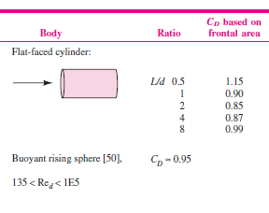

Diamter | 0.2
Length | 1.6
L/D | 8

L/d | CD
8 | 0.99

Horizontal Flow (XY)
Diamter | 0.2
Length | 1.6
L/D | 8

L/d | CD
5 | 0.74
10 | 0.82
8 | 0.788

