Sheet1
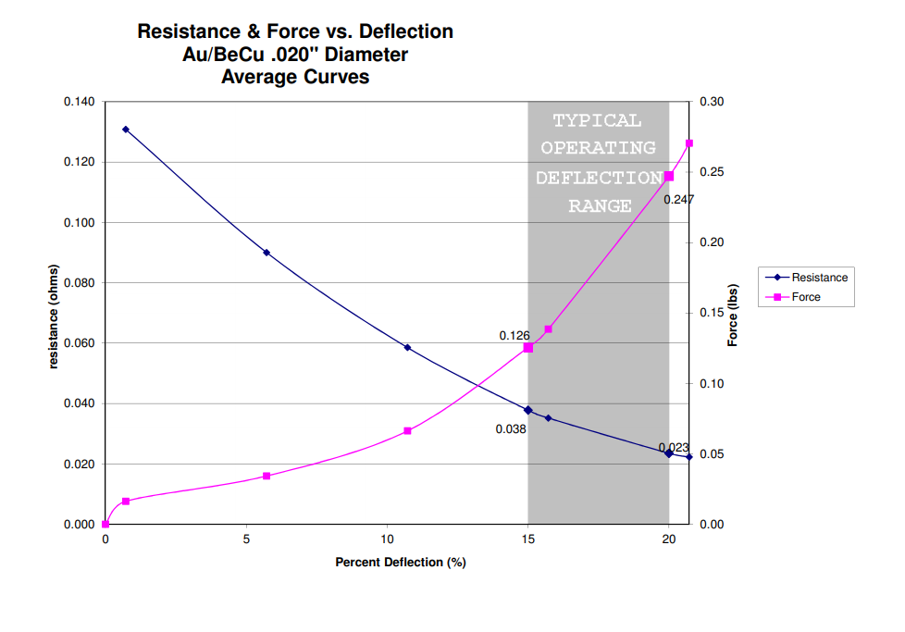
 | Nominal | + tolerance | - tolerance | Max dimension | Min dimension
Fuzz button | 0.125 | 20.00% | 0.00% | 0.1500 | 0.1250

PCB thickness | 0.063 | 10.00% | 10.00% | 0.0688 | 0.0563
PCB Nail | 0.140 | 0.005 | 0.005 | 0.1450 | 0.1350
Fuzz button bore | 0.190 | 0.007 | 0.005 | 0.1970 | 0.1850

Nominal space for FB | 0.112
Max space for FB | 0.121
Min space for FB | 0.106

Nominal FB compression | 10.000%
Max FB compresion | 25.000%
Min FB compression | 3.400%

