Sheet1
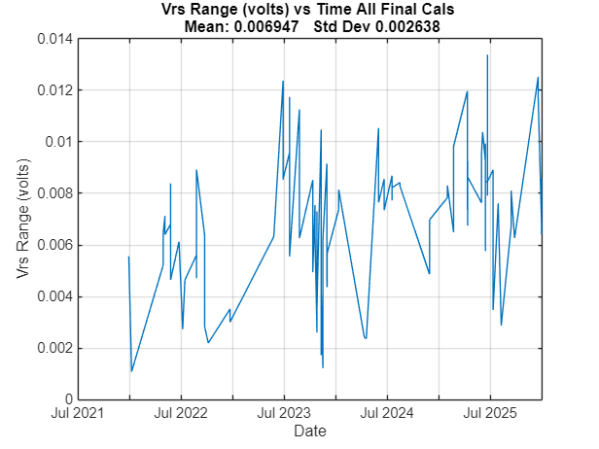
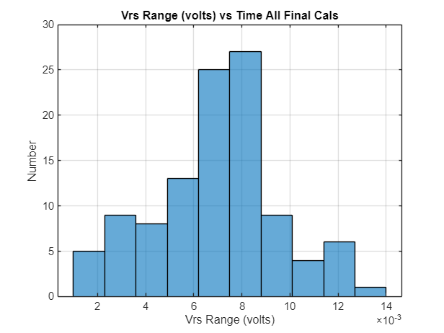
Goal: | Scrape Vrs Range = max(Vrs.k0) – min(Vrs.k0) (aka f(p)) from \\atlas\chem\DuraFET\CALIBRATION\FinalMatlabCalibrations\*.TXT
Summary: | The range of Vrs values calculated by the final polynomial fit is can be seen here.
 | Vrs was recalculated from the poly coefs in the *.txt file using polyval().
 | There does seem to be a step increase in Vrs range about Jan 2023
 | We do seen to have "passed" a signficant number of GDFs with Vrs ranges between 0.007 and 0.012 volts
Notes: | There were a significant number of very large ranges. I’m ignoring these for now.
 | The mean and std dev calculations only use ranges < 0.020 volts
Script: | \\atlas\ProjectLibrary\ChemSensors\GeneM\GDF pH Sensor\Data\Cal Data\Calcs\ProcessFinalCalsAllFiles.mlx
By: | Gene Massion
Date: | 7-Jan-2026

History: | 8-Jan-2026
 | Fixed unreasonably large Vrs range for some GDFs due to not clearing earlier polyCoef

