Sheet1
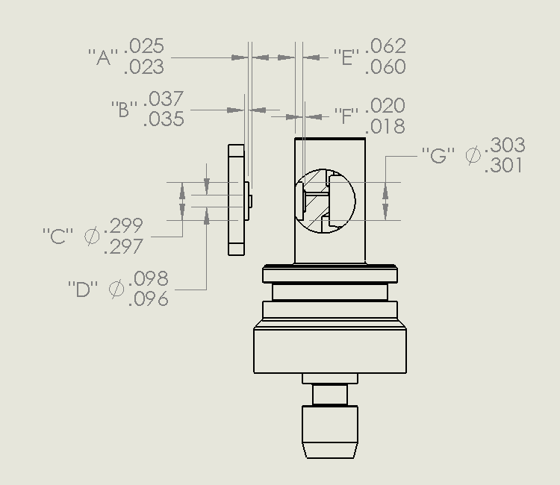
GDF Production Traveler
Serial Number:
Version:
Installed on Float WMO:

Step No. | Description |  | Date | By | Notes
1 | Kit parts
2 | Visual Inspection
3 | Coverplate
Dim A | Dim B | Dim C | Dim D | Dim E | Dim F | Dim G

4 | Gasket thickness
 | Gasket material
 | Gasket compression
5 | Build sensor
6 | Photos front and back |  |  |  |  |  | comments:
7 | Other photos
8 | VL pellet resistance
9 | Substrate-Drain voltage
9 | Substrate-Source voltage
10 | Counter electrode resistance
11 | Seawater Cond. (num. days)
12 | K2 cal (file name)
13 | f(p) cal (file name)
14 | Install on endcap
15 | Test / Calibration K0
16 | Shipped to
17 | Deployed

Assembly Notes:
1) After recording dimensions above, the housing and front cover plate are a
matched pair and must remain together in the kit with the assigned serial number

