Sheet1
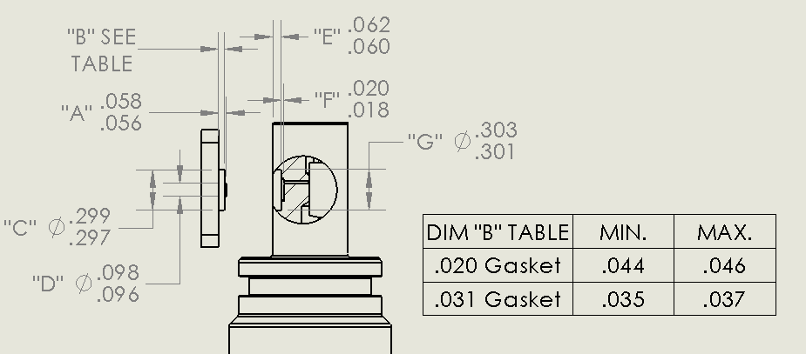
GDF Production Traveler
Serial Number1:
Version2:
Installed on Float WMO:

Step No. | Description |  | Date | By | Notes
1 | Kit parts
2 | Visual Inspection
3 | Coverplate -number
Dim A | Dim B | Dim C | Dim D | Dim E | Dim F | Dim G
 | 0.045 |  |  |  | 0.061 | 0.019
4 | Gasket thickness |  | 0.02
 | Gasket material
 | Gasket compression |  | -0.004 |  | -0.002 to -0.006
5 | Build sensor
6 | Photos front and back3 |  |  |  |  |  | Comments:
7 | Other photos3
8 | VL pellet resistance
9 | ISFET diode measurement
10 | Counter electrode resistance
11 | Seawater Conditioning
12 | K2 cal
13 | F(p) cal
14 | Install on endcap
15 | Test / Calibration K0
16 | Shipped to
17 | Deployed

1 YYYY-xxx: YYYY = year, xxx = number of GDF build that year e.g., 2019-001, 2019-002, 2020-001, 2020-002, …
2 IR = Initial release (soldered pellet), A = rev A (fuzzy pellet)
3 Photos go in \\atlas.shore.mbari.org\ProjectLibrary\pH2018\Production\YYYY-xxx\photos,
 | YYYY-xxx is the serial number

