GDF005
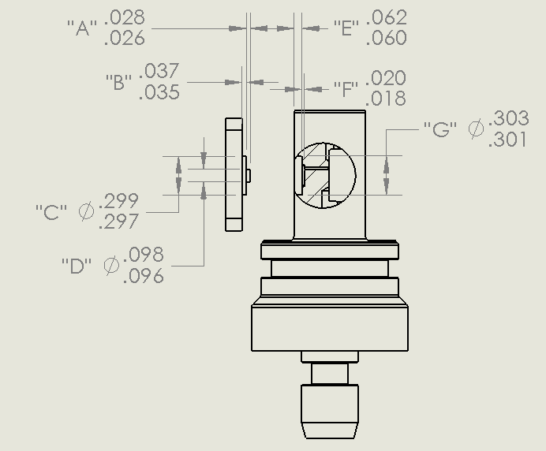
GDF Production Traveler
Serial Number: |  | GDF 005
Version2: |  | rev A
Installed on Float WMO:

Step No. | Description |  | Date | By | Notes
1 | Kit parts |  | 2021-03-01 | PW
2 | Visual Inspection
3 | Coverplate |  | tall shoulder
Dim A | Dim B | Dim C | Dim D | Dim E | Dim F | Dim G
0.028 | 0.036 | 0.297 | 0.098 | 0.061 | 0.019 | 0.301
4 | Gasket thickness |  | 0.031
 | Gasket material |  | 1/32" viton sheet
 | Gasket compression
5 | Build sensor |  | 2021-03-10 | JM
6 | Photos front and back3 |  |  |  |  |  | Comments: f(P) in Ti pressure vessel and k2 by Yui in thermal beaker.
7 | Other photos3 |  |  |  |  |  | Planning to deploy for field testing on spray glider, April 2021.
8 | VL pellet resistance |  | 3/22/21 | PW | 120 kOhm
9 | ISFET diode measurement |  | 3/22/21 | PW | 0.617/0.617
10 | Counter electrode resistance |  | 3/22/21 | PW | 0.2 Ohm
11 | Seawater Cond. (num. days)
12 | K2 cal (file name) |  | 2021-03-25
13 | f(p) cal (file name) |  | 2021-03-22
14 | Install on endcap
15 | Test / Calibration K0
16 | Shipped to
17 | Deployed

2 IR = Initial release (soldered pellet), A = rev A (fuzzy pellet)
3 Photos go in \\atlas.shore.mbari.org\ProjectLibrary\pH2018\Production\YYYY-xxx\photos,
 | YYYY-xxx is the serial number

