GDF001
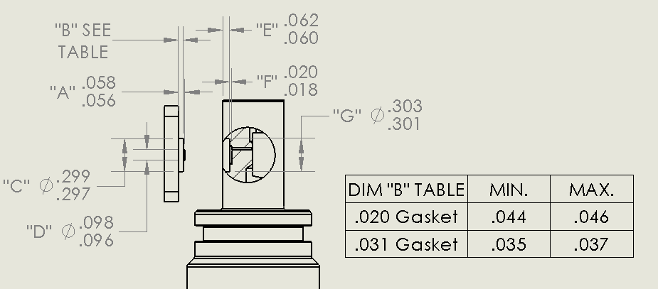
GDF Production Traveler
Serial Number: |  | 1
Version2: |  | IR
Installed on Float WMO: |  | 18340

Step No. | Description |  | Date | By | Notes
1 | Kit parts
2 | Visual Inspection
3 | Coverplate -number |  |  |  | -020x0625
Dim A | Dim B | Dim C | Dim D | Dim E | Dim F | Dim G

4 | Gasket thickness |  | 0.02
 | Gasket material |  | Silicone Rubber
 | Gasket compression |  | -0.039 |  | -0.002 to -0.006
5 | Build sensor
6 | Photos front and back3 |  |  |  |  |  | Production Comments:
7 | Other photos3 |  |  |  |  |  | This is the first GDF ever deployed
8 | VL pellet resistance |  |  |  |  |  | This was pre-traveler and no dimensions were measured on this build
9 | ISFET diode measurement |  |  |  |  |  | Sensor was also refered to as GDF#1
10 | Counter electrode resistance
11 | Seawater Cond. (num. days)
12 | K2 cal (file name)
13 | F(p) cal (file name)
14 | Install on endcap
15 | Test / Calibration K0
16 | Shipped to
17 | Deployed |  | 2020 Mar 09 |  | From Paragon in Ca Current

2 IR = Initial release (soldered pellet), A = rev A (fuzzy pellet)
3 Photos go in \\atlas.shore.mbari.org\ProjectLibrary\pH2018\Production\YYYY-xxx\photos,
 | YYYY-xxx is the serial number

Lab Book
Date | Name
2-Sep-20 | Gene | Ken and Josh recovered the float using the R/V Fulmar
3-Sep-20 | Gene | Luke removed the endcap, Dueterium lamp is not turning on
3-Sep-20 | Gene | Peter and Gene started GDF inspection and dis-assembly
 |  | Observations: Cut in flow cell O-ring probably not a big deal
 |  | Silicon rubber gasket squeezed based shoulder ID in cover plate, partially coveres ISFET
8-9 Sep 20 | Gene | Sensor was run for K0 calibration post-deployment

6-Oct-20 | Gene | List of issues and possible explanation
 |  | Gene, the extruded gasket explains the issues seen by 18340 is all respects. See below.
 |  | Ken
 |  | 1. Extrusion of the ISFET face seal under the shoulder on the cover plate. We’re working on this now and should be able to remove this from the list after some more pressure cycles.
 |  | 2. The shallow water anomaly from the 18340 deployment. As I understand it, this is defined by the discrepancy between the model predicted pH values and the GDF measured pH values above 200 meters or so.
 |  | The extruded seal covers part of the ISFET gate – when parked at 1000 m, the ISFET sees 1000 m water and generates beautiful, stable data.
 |  | As the float rises, only part of the water exchanges and the ISFET sees a mixture of deep and shallow water. Results are mixed near the surface – exactly what we see
 |  | 3. Possible change in K0 (I think it was K0) and f(p) from lab cal to observed in-situ measurements
 |  | The uncertainty in k2 and f(P) are consistent with the explanation above.
 |  | 4. Low Vk on GDF#4
 |  | Peter cleaned up the counter electrode, everything is good.
 |  | 5. Others?
 |  | I think these 2 have been resolved but just to be complete.
 |  | 6. Low frequency variation in Ib that Yui discovered.
 |  | 7. High frequency noise in the Apex like pressure chamber.
 |  | EMI filter fixes this.

GDF003
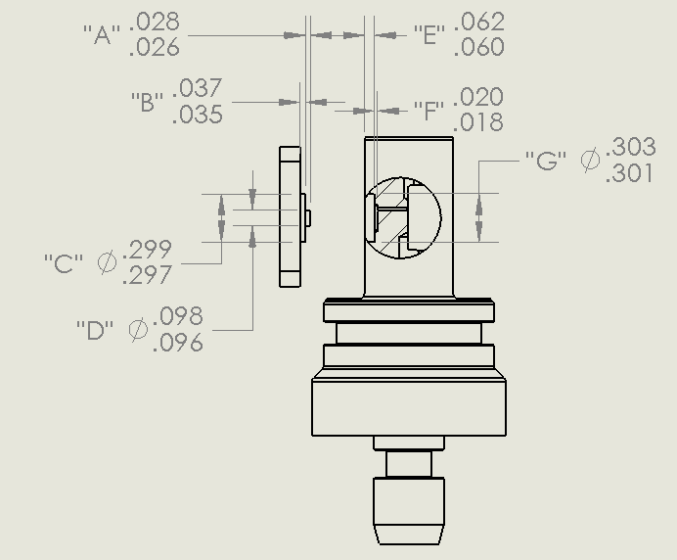
GDF Production Traveler
Serial Number: |  | 003
Version2: |  | IR
Installed on Float WMO: |  |  |  | coverplate tall shoulder

Step No. | Description |  | Date | By | Notes
1 | Kit parts |  | 2020-09-11 | PW
2 | Visual Inspection |  | 2020-09-11 | PW
3 | Coverplate -number |  | tall shoulder | PW
Dim A | Dim B | Dim C | Dim D | Dim E | Dim F | Dim G
0.027 | 0.035 | 0.297 | 0.096 | 0.061 | 0.0187 | 0.301
4 | Gasket thickness |  | 0.031
 | Gasket material |  | viton
 | Gasket compression |  | -0.0053
5 | Build sensor |  | 2020-09-11 | PW | rebuilt GDF#2 with viton gasket
6 | Photos front and back3 |  |  |  |  |  | Comments:
7 | Other photos3 |  |  |  |  |  | rebuilt GDF 2020-001 (GDF#2) with viton gasket, tall shoulder coverplate
8 | VL pellet resistance |  | 2020-09-11 | PW | ~50kOhm |  | same pellet with solder joint on back
9 | ISFET diode measurement |  | 2020-09-11 | PW | 0.605 / 0.605 |  | run in Ti pressure chamber 9/15/20-9/16/20. 0.01N HCl in 0.6M NaCl
10 | Counter electrode resistance |  | 2020-09-11 | PW | 0.3 Ohm |  | fP run in Ti pressure chamber, Oct 1 2020
11 | Seawater Cond. (num. days) |  | 14+ |  |  |  | Seawater conditioning pellet, Feb 2021
12 | K2 cal (file name)
13 | f(p) cal (file name)
14 | Install on endcap
15 | Test / Calibration K0
16 | Shipped to
17 | Deployed

1 YYYY-xxx: YYYY = year, xxx = number of GDF build that year e.g., 2019-001, 2019-002, 2020-001, 2020-002, …
2 IR = Initial release (soldered pellet), A = rev A (fuzzy pellet)
3 Photos go in \\atlas.shore.mbari.org\ProjectLibrary\pH2018\Production\YYYY-xxx\photos,
 | YYYY-xxx is the serial number

Lab Book

GDF008
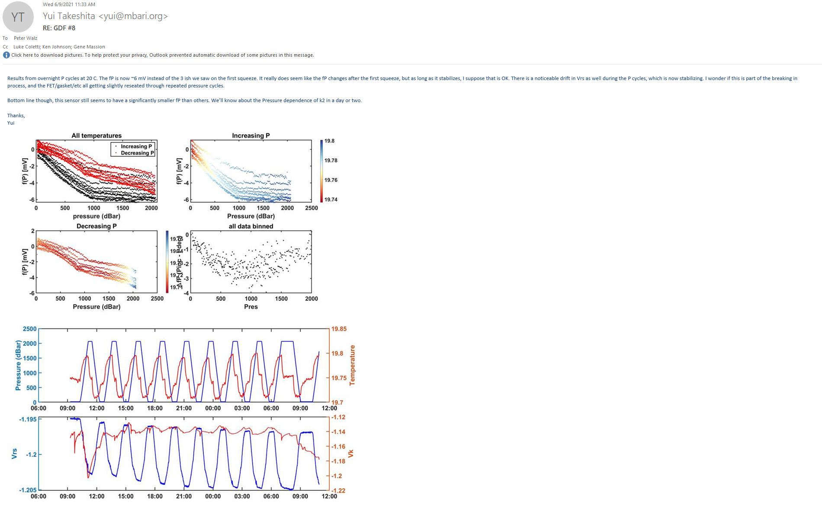
GDF Production Traveler
Serial Number: |  | GDF 008
Version2: |  | rev A
Installed on Float WMO:

Step No. | Description |  | Date | By | Notes
1 | Kit parts |  | 2021-03-01 | PW
2 | Visual Inspection
3 | Coverplate |  | tall shoulder
Dim A | Dim B | Dim C | Dim D | Dim E | Dim F | Dim G
0.027 | 0.036 | 0.296 | 0.096 | 0.061 | 0.017 | 0.301
4 | Gasket thickness |  | 0.031
 | Gasket material |  | 1/32" viton sheet
 | Gasket compression |  | -0.008
5 | Build sensor |  | 2021-03-10 | JM
6 | Photos front and back3 |  |  |  |  |  | Comments:
7 | Other photos3
8 | VL pellet resistance |  | 3/22/21 | PW | 90 kOhm
9 | ISFET diode measurement |  | 3/22/21 | PW | 0.608/0.608
10 | Counter electrode resistance |  | 3/22/21 | PW | 0.3 Ohm
11 | Seawater Cond. (num. days)
12 | K2 cal (file name)
13 | f(p) cal (file name)
14 | Install on endcap
15 | Test / Calibration K0
16 | Shipped to
17 | Deployed

2 IR = Initial release (soldered pellet), A = rev A (fuzzy pellet)
3 Photos go in \\atlas.shore.mbari.org\ProjectLibrary\pH2018\Production\YYYY-xxx\photos,
 | YYYY-xxx is the serial number

