SN010
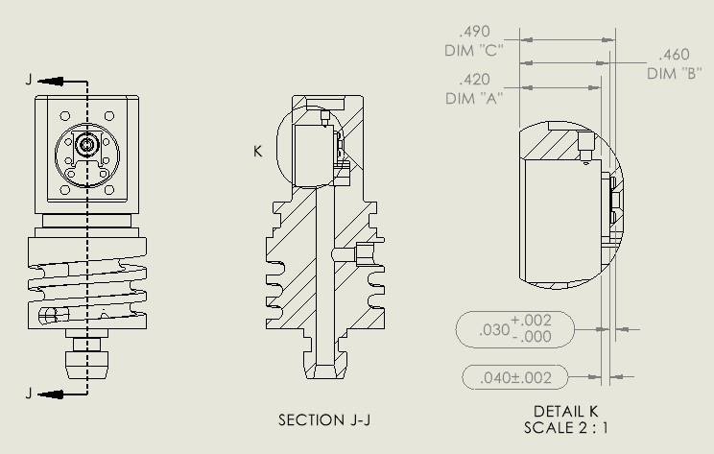
SURpH Assembly Traveler
Serial Number: |  | SN010
Version:
Installed on:
 | Built by: | MBARI
Date | Description |  |  |  | Notes

 | Dim A | Dim B | Dim C | Dim A - B | Dim B - C
 |  |  |  | .0380-.0420 | .0300-.0320
2025-10-20 | 0.3531 | 0.3150 | 0.2841 | 0.0381 | 0.0309
 | Build |  | Gene M
 | ISFET Type
 | O-Ring lube |  | SI Spray
 | Threadlock all fasteners?

 |  |  |  |  |  |  | Notes
 |  |  |  |  |  |  | 2026 Feb 19 | Gene and Luke B. put the PB fitting and short PB tube with plug for beaker testing
 | Wired by |  | Chris Beebe |  |  |  |  | Diode resistance red to black
 | Pre-fill |  |  |  |  |  |  | Diode resistance red to white
 | Diode resistance red to black |  |  |  |  |  |  | VL pellet resistance
 | Diode resistance red to white |  |  |  |  |  |  | Counter electrode resistance
 | VL pellet resistance
 | Counter electrode resistance
 | Weight
 | Post-fill
 | Diode resistance red to black
 | Diode resistance red to white
 | VL pellet resistance
 | Counter electrode resistance
 | Weight
 | Seawater Conditioning (num. days)

 | Deployed

2026 Feb 19 | Gene and Luke B. put the PB fitting and short PB tube with plug for beaker testing
2026-03-02 | SURpH010 |  | mFET with 10K Rb | SURpH011 |  | mFET with 10M Rb | Acros 0.01N HCl, Lot # 244184 |  | SURpH010_10K_SURpH011_10Meg_k2.txt | Restart experiment with controllers swapped

SN011
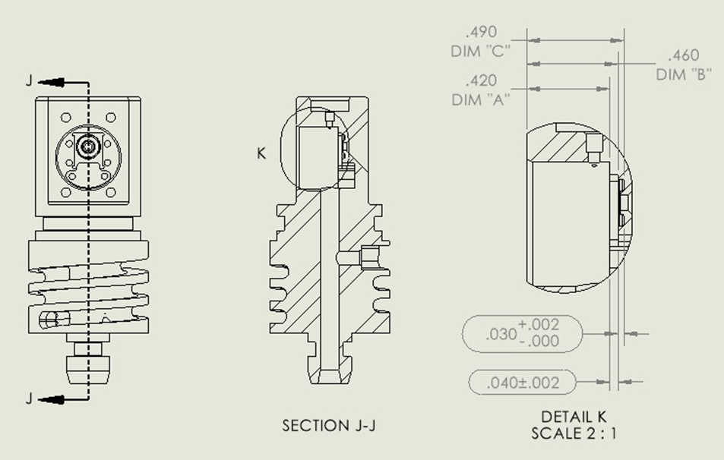
SURpH Assembly Traveler
Serial Number: |  | SN011
Version:
Installed on:
 | Built by: | MBARI
Date | Description |  |  |  | Notes

 | Dim A | Dim B | Dim C | Dim A - B | Dim B - C

 |  |  |  | 0.0000 | 0.0000
 | Build |  | Gene M
 | ISFET Type
 | O-Ring lube |  | SI Spray
 | Threadlock all fasteners?

 | Wired by |  | Chris Beebe
 | Pre-fill |  |  |  |  | Notes:
 | Diode resistance red to black |  |  |  |  | 2026 Feb 19 | Gene and Luke B. put the PB fitting and short PB tube with plug for beaker testing
 | Diode resistance red to white |  |  |  |  |  | Diode resistance red to black
 | VL pellet resistance |  |  |  |  |  | Diode resistance red to white
 | Counter electrode resistance |  |  |  |  |  | VL pellet resistance
 | Weight |  |  |  |  |  | Counter electrode resistance
 | Post-fill
 | Diode resistance red to black
 | Diode resistance red to white
 | VL pellet resistance
 | Counter electrode resistance
 | Weight
 | Seawater Conditioning (num. days)

 | Deployed

