Performance Summary All GDFs
Gasket Compression
 | GDF 003 |  | GDF 004 |  | GDF 005 |  | GDF 006 |  | GDF 007 |  | GDF 008 |  | GDF 009 |  | GDF 010 |  | GDF 011 |  | GDF 012 |  | GDF 013 |  | GDF 014
3 | -0.0053 | 4 | -0.00635 | 5 | -0.00625 | 6 | -0.00625 | 7 | -0.00725 | 8 | -0.00825 | 9 | -0.00595 | 10 | -0.005550 | 11 | -0.00625 | 12 | -0.00725 | 13 | -0.00525 | 14 | -0.00525

GDF001
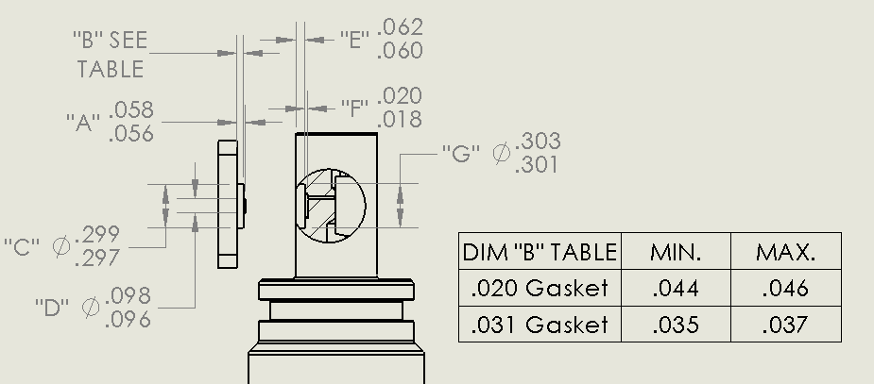
GDF Production Traveler
Serial Number: |  | 1
Version2: |  | IR
Installed on Float WMO: |  | 18340

Step No. | Description |  | Date | By | Notes
1 | Kit parts
2 | Visual Inspection
3 | Coverplate -number |  |  |  | -020x0625
Dim A | Dim B | Dim C | Dim D | Dim E | Dim F | Dim G

4 | Gasket thickness |  | 0.02
 | Gasket material |  | Silicone Rubber
 | Gasket compression |  | -0.039 |  | -0.002 to -0.006
5 | Build sensor
6 | Photos front and back3 |  |  |  |  |  | Production Comments:
7 | Other photos3 |  |  |  |  |  | This is the first GDF ever deployed
8 | VL pellet resistance |  |  |  |  |  | This was pre-traveler and no dimensions were measured on this build
9 | ISFET diode measurement |  |  |  |  |  | Sensor was also refered to as GDF#1
10 | Counter electrode resistance
11 | Seawater Cond. (num. days)
12 | K2 cal (file name)
13 | F(p) cal (file name)
14 | Install on endcap
15 | Test / Calibration K0
16 | Shipped to
17 | Deployed |  | 2020 Mar 09 |  | From Paragon in Ca Current

2 IR = Initial release (soldered pellet), A = rev A (fuzzy pellet)
3 Photos go in \\atlas.shore.mbari.org\ProjectLibrary\pH2018\Production\YYYY-xxx\photos,
 | YYYY-xxx is the serial number

Lab Book
Date | Name
2-Sep-20 | Gene | Ken and Josh recovered the float using the R/V Fulmar
3-Sep-20 | Gene | Luke removed the endcap, Dueterium lamp is not turning on
3-Sep-20 | Gene | Peter and Gene started GDF inspection and dis-assembly
 |  | Observations: Cut in flow cell O-ring probably not a big deal
 |  | Silicon rubber gasket squeezed based shoulder ID in cover plate, partially coveres ISFET
8-9 Sep 20 | Gene | Sensor was run for K0 calibration post-deployment

6-Oct-20 | Gene | List of issues and possible explanation
 |  | Gene, the extruded gasket explains the issues seen by 18340 is all respects. See below.
 |  | Ken
 |  | 1. Extrusion of the ISFET face seal under the shoulder on the cover plate. We’re working on this now and should be able to remove this from the list after some more pressure cycles.
 |  | 2. The shallow water anomaly from the 18340 deployment. As I understand it, this is defined by the discrepancy between the model predicted pH values and the GDF measured pH values above 200 meters or so.
 |  | The extruded seal covers part of the ISFET gate – when parked at 1000 m, the ISFET sees 1000 m water and generates beautiful, stable data.
 |  | As the float rises, only part of the water exchanges and the ISFET sees a mixture of deep and shallow water. Results are mixed near the surface – exactly what we see
 |  | 3. Possible change in K0 (I think it was K0) and f(p) from lab cal to observed in-situ measurements
 |  | The uncertainty in k2 and f(P) are consistent with the explanation above.
 |  | 4. Low Vk on GDF#4
 |  | Peter cleaned up the counter electrode, everything is good.
 |  | 5. Others?
 |  | I think these 2 have been resolved but just to be complete.
 |  | 6. Low frequency variation in Ib that Yui discovered.
 |  | 7. High frequency noise in the Apex like pressure chamber.
 |  | EMI filter fixes this.

GDF003
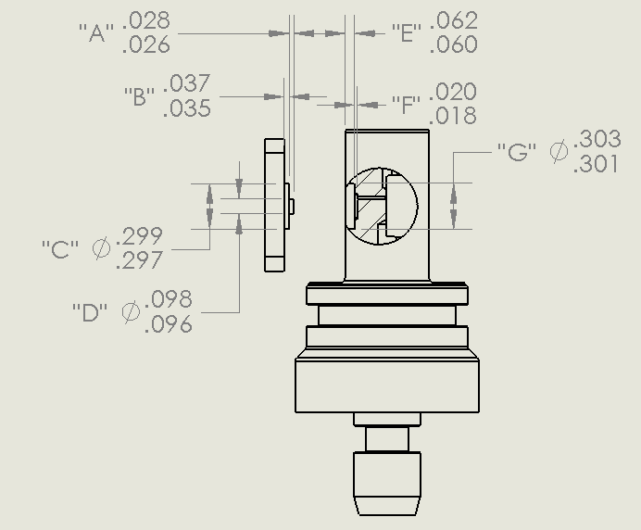
GDF Production Traveler
Serial Number: |  | GDF 003
Version2: |  | IR
Installed on Float WMO: |  |  |  | coverplate tall shoulder

Step No. | Description |  | Date | By | Notes
1 | Kit parts |  | 2020-09-11 | PW
2 | Visual Inspection |  | 2020-09-11 | PW
3 | Coverplate -number |  | tall shoulder | PW
Dim A | Dim B | Dim C | Dim D | Dim E | Dim F | Dim G
0.027 | 0.035 | 0.297 | 0.096 | 0.061 | 0.0187 | 0.301
4 | Gasket thickness |  | 0.031
 | Gasket material |  | viton
 | Gasket compression |  | -0.0053
5 | Build sensor |  | 2020-09-11 | PW | rebuilt GDF#2 with viton gasket
6 | Photos front and back3 |  |  |  |  |  | Comments:
7 | Other photos3 |  |  |  |  |  | rebuilt GDF 2020-001 (GDF#2) with viton gasket, tall shoulder coverplate
8 | VL pellet resistance |  | 2020-09-11 | PW | ~50kOhm |  | same pellet with solder joint on back
9 | ISFET diode measurement |  | 2020-09-11 | PW | 0.605 / 0.605 |  | run in Ti pressure chamber 9/15/20-9/16/20. 0.01N HCl in 0.6M NaCl
10 | Counter electrode resistance |  | 2020-09-11 | PW | 0.3 Ohm |  | fP run in Ti pressure chamber, Oct 1 2020
11 | Seawater Cond. (num. days) |  | 14+ |  |  |  | Seawater conditioning pellet, Feb 2021
12 | K2 cal (file name)
13 | f(p) cal (file name)
14 | Install on endcap
15 | Test / Calibration K0
16 | Shipped to
17 | Deployed

1 YYYY-xxx: YYYY = year, xxx = number of GDF build that year e.g., 2019-001, 2019-002, 2020-001, 2020-002, …
2 IR = Initial release (soldered pellet), A = rev A (fuzzy pellet)
3 Photos go in \\atlas.shore.mbari.org\ProjectLibrary\pH2018\Production\YYYY-xxx\photos,
 | YYYY-xxx is the serial number

 | GDF 004 |  | GDF 005 |  | GDF 006 |  | GDF 007 |  | GDF 008 |  | GDF 009 |  | GDF 010 |  | GDF 011 |  | GDF 012 |  | GDF 013 |  | GDF 015 |  | GDF 016
4 | -0.00635 | 5 | -0.00625 | 6 | -0.00625 | 7 | -0.00725 | 8 | -0.00825 | 9 | -0.00595 | 10 | -0.005550 | 11 | -0.00625 | 12 | -0.00725 | 13 | -0.00525 | 15 | -0.00625 | 16 | -0.00625
Lab Book

GDF004
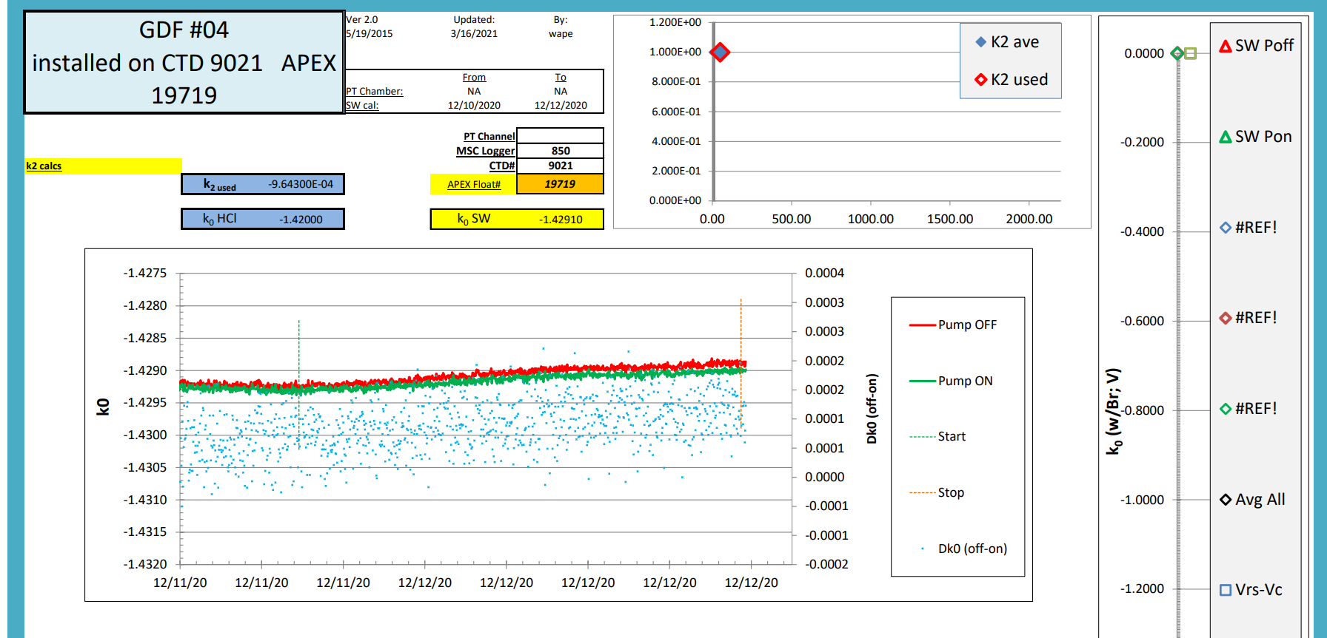
GDF Production Traveler
Serial Number: |  | GDF 004
Version2: |  | rev A
Installed on Float WMO: |  | 19719

Step No. | Description |  | Date | By | Notes
1 | Kit parts |  |  |  | 125 length fuzzbutton
2 | Visual Inspection |  | 2020-09-15 | PW
3 | Coverplate -number |  | tall shoulder
Dim A | Dim B | Dim C | Dim D | Dim E | Dim F | Dim G
0.027 | 0.0351 | 0.297 | 0.096 | 0.061 | 0.018 | 0.301
4 | Gasket thickness |  | 0.03125
 | Gasket material |  | viton
 | Gasket compression |  | -0.00635
5 | Build sensor |  | 2020-09-15
6 | Photos front and back3 |  |  |  |  |  | Comments: Fuzzbutton connection to ref pellet, new "butterfly" shape pcb board.
7 | Other photos3 |  |  |  | gasket + chip hole |  | 9/16/20 checked sensor output in 0.01N HCl
8 | VL pellet resistance |  | 2020-09-16 | PW | <100 kOhm |  | fP work done in Ti pressure vessel Oct 2020
9 | ISFET diode measurement |  | 2020-09-16 | PW | 0.605 blk / 0.604 whi |  | installed on float head CTD 9021 / APEX 18340 and K0 run Dec 9-12 2020
10 | Counter electrode resistance |  | 2020-09-16 | PW | 0.3 Ohm |  | entire APEX flatt 18340 shipped to UW on Dec 22, 2020.
11 | Seawater Cond. (num. days) |  | 14+ |  |  |  | UW intalled CTD 9021 onto float 19719 and returned to MBARI - Feb 2021.
12 | K2 cal (file name) |  |  |  |  |  | Deployed from Western Flyer on 3/18/21
13 | f(p) cal (file name)
14 | Install on endcap |  | 2020-12-07 | PW
15 | Test / Calibration K0 |  | 12/9/20-12/12/2020 | PW
16 | Shipped to |  | 2020-12-22 |  | shipped to UW
17 | Deployed |  | 2021-03-18 |  | Barry cruise on WF

2 IR = Initial release (soldered pellet), A = rev A (fuzzy pellet)
3 Photos go in \\atlas.shore.mbari.org\ProjectLibrary\pH2018\Production\YYYY-xxx\photos,
 | YYYY-xxx is the serial number

GDF006
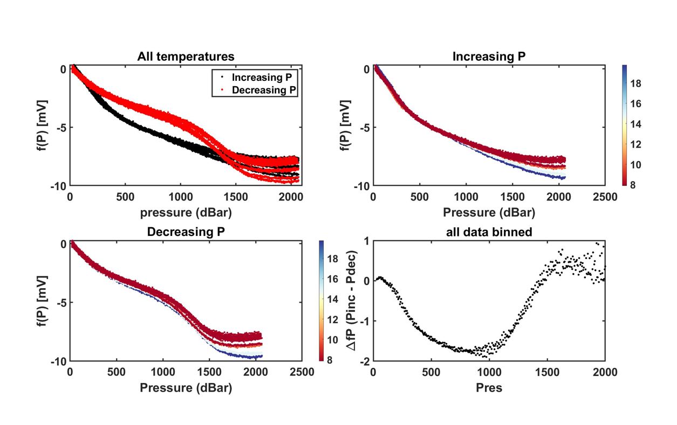
GDF Production Traveler
Serial Number: |  | GDF 006
Version2: |  | rev A
Installed on Float WMO:

Step No. | Description |  | Date | By | Notes
1 | Kit parts |  | 2021-03-01 | PW
2 | Visual Inspection
3 | Coverplate |  | tall shoulder
Dim A | Dim B | Dim C | Dim D | Dim E | Dim F | Dim G
0.028 | 0.036 | 0.295 | 0.096 | 0.061 | 0.019 | 0.301
4 | Gasket thickness |  | 0.03125
 | Gasket material |  | 1/32" viton sheet
 | Gasket compression |  | -0.00625
5 | Build sensor |  | 2021-03-10 | JM
6 | Photos front and back3 |  |  |  |  |  | Comments:
7 | Other photos3 |  |  |  |  |  | Installed in Wirewalker pH 01
8 | VL pellet resistance |  | 3/22/21 | PW | 100 kOhm
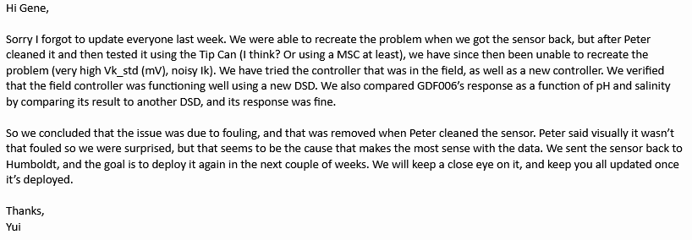
9 | ISFET diode measurement |  | 3/22/21 | PW | 0.611/0.611 |  | Midway through months long deployment, the Vk_std and Ik became erratic and noisy. Peter worked on said pH sensor after its return and the results are detailed in this email from 08/21/2023
10 | Counter electrode resistance |  | 3/22/21 | PW | 0.2 Ohm
11 | Seawater Cond. (num. days)
12 | K2 cal (file name)
13 | f(p) cal (file name)
14 | Install on endcap
15 | Test / Calibration K0
16 | Shipped to
17 | Deployed
18 | ∆f(P) (mV) |  | 9 | BD | fn: _alltemp

2 IR = Initial release (soldered pellet), A = rev A (fuzzy pellet) |  |  |  |  |  |  | More documentation can be found here:
3 Photos go in \\atlas.shore.mbari.org\ProjectLibrary\pH2018\Production\YYYY-xxx\photos, |  |  |  |  |  |  | \\atlas\ProjectLibrary\ChemSensors\GeneM\GDF pH Sensor\FailureAnalysis\GDF006 THOON Failure 2023Jul24
 | YYYY-xxx is the serial number

Test 01: 4/22/2021

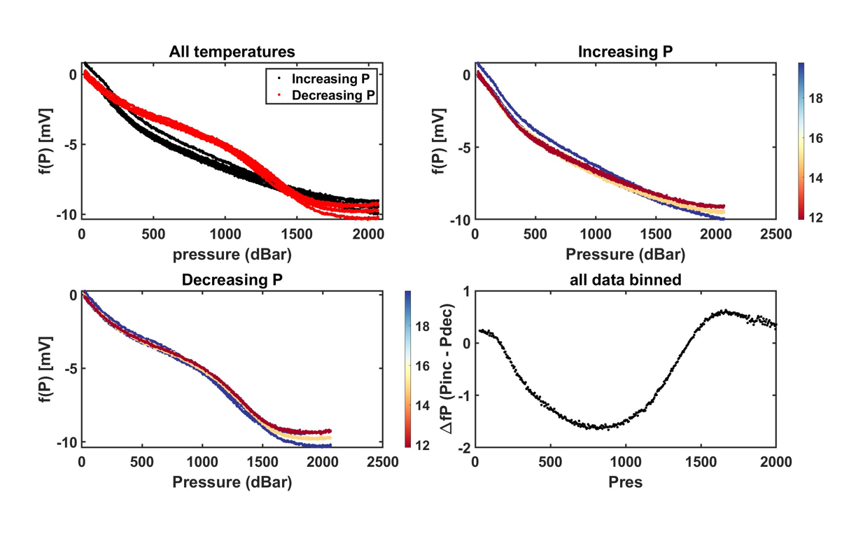

Test 02: 4/26/2021

GDF007
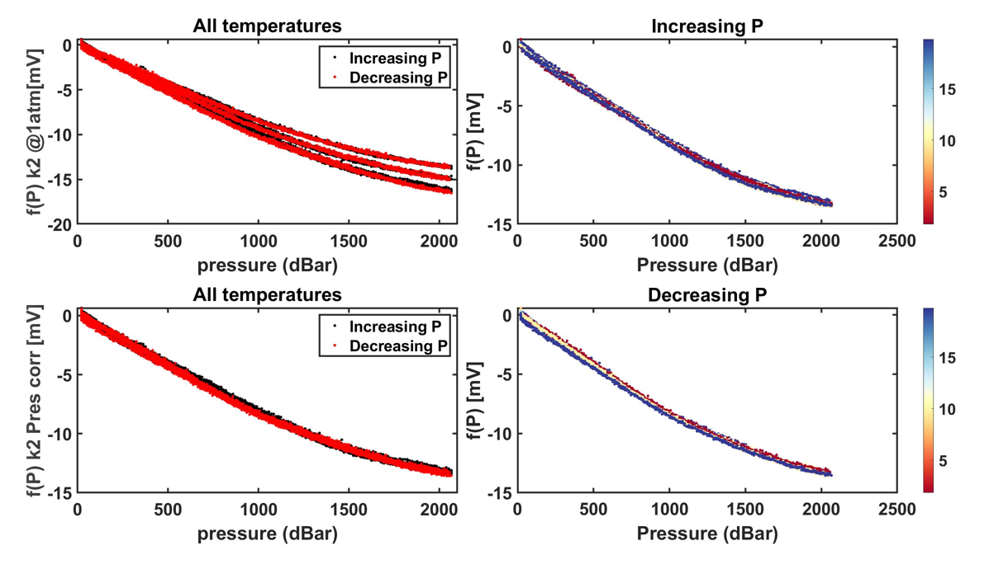
GDF Production Traveler
Serial Number: |  | GDF 007
Version2: |  | rev A
Installed on Float WMO:

Step No. | Description |  | Date | By | Notes
1 | Kit parts |  | 2021-03-01 | PW
2 | Visual Inspection
3 | Coverplate |  | tall shoulder
Dim A | Dim B | Dim C | Dim D | Dim E | Dim F | Dim G
0.027 | 0.036 | 0.296 | 0.097 | 0.061 | 0.018 | 0.300
4 | Gasket thickness |  | 0.03125
 | Gasket material |  | 1/32" viton sheet
 | Gasket compression |  | -0.00725
5 | Build sensor |  | 2021-03-10 | JM
6 | Photos front and back3 |  |  |  |  |  | Comments:
7 | Other photos3 |  |  |  |  |  | Installed in Self-calibrating MpHox
8 | VL pellet resistance |  | 3/22/21 | PW | 90 kOhm
9 | ISFET diode measurement |  | 3/22/21 | PW | 0.609/0.609
10 | Counter electrode resistance |  | 3/22/21 | PW | 0.3 Ohm
11 | Seawater Cond. (num. days)
12 | K2 cal (file name)
13 | f(p) cal (file name)
14 | Install on endcap
15 | Test / Calibration K0
16 | Shipped to
17 | Deployed
18 | ∆f(P) (mV) |  | 8, 14 | BD | fn: _oring, retest_gasket

2 IR = Initial release (soldered pellet), A = rev A (fuzzy pellet)
3 Photos go in \\atlas.shore.mbari.org\ProjectLibrary\pH2018\Production\YYYY-xxx\photos,
 | YYYY-xxx is the serial number

Test 01: 4/22/2021
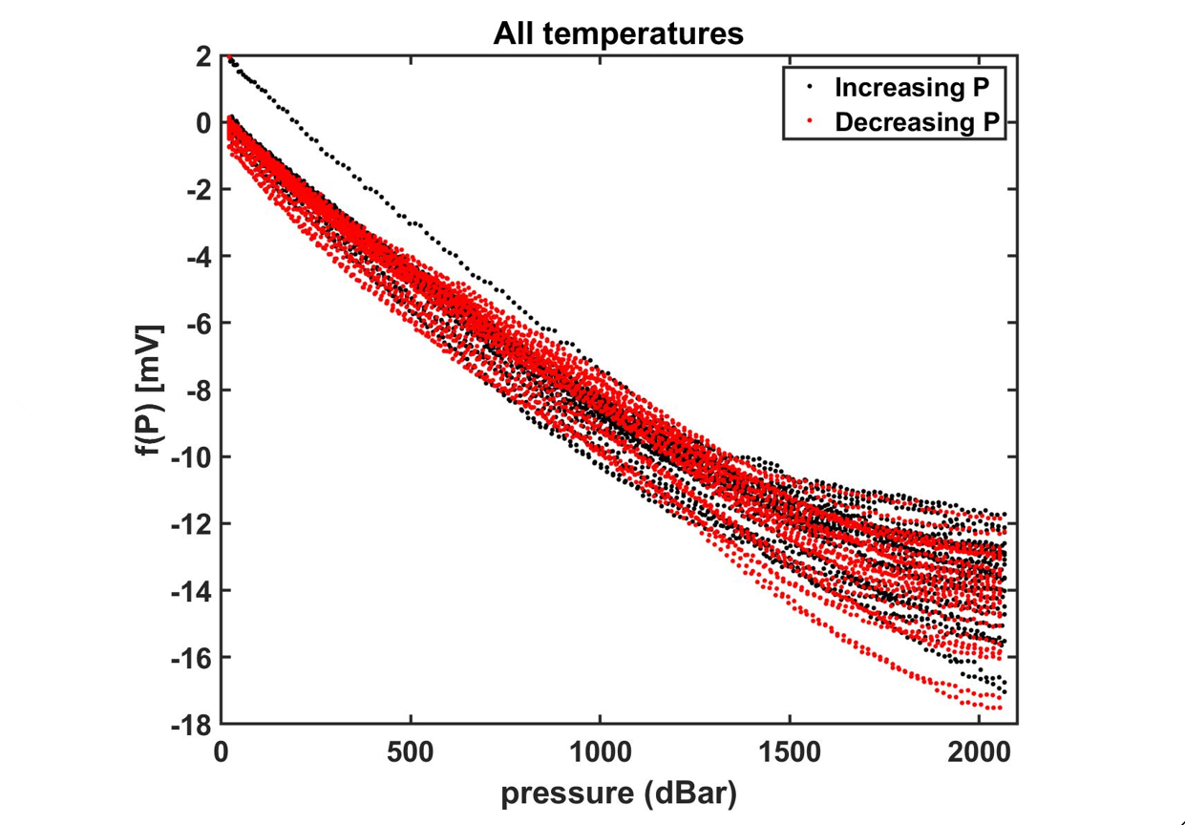

Test 02: 5/6/2021

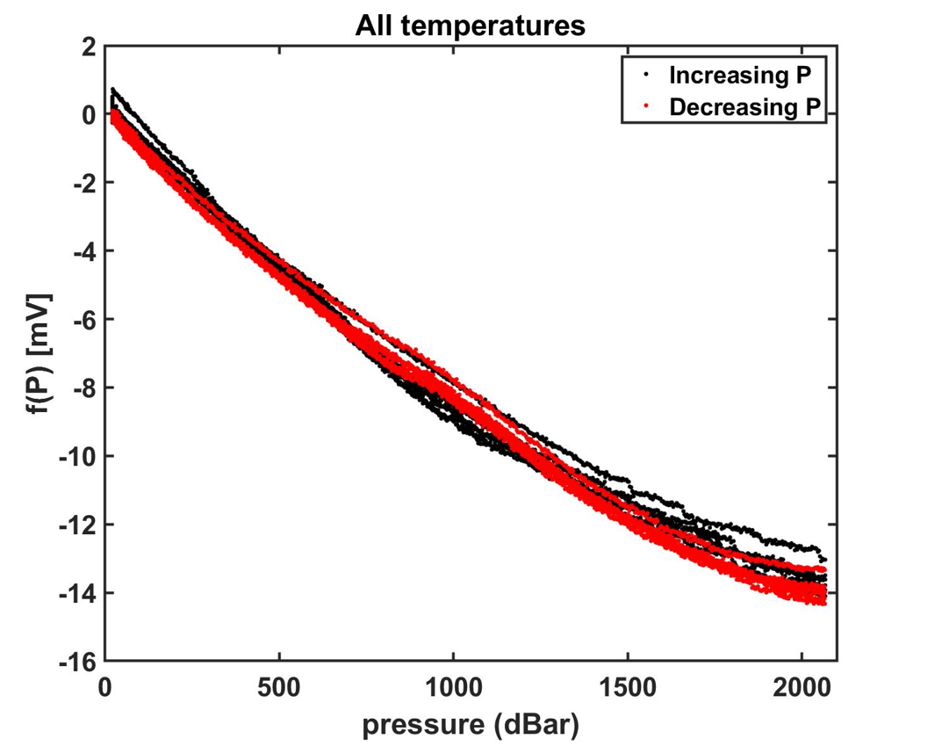

Test 04: 5/18/2021
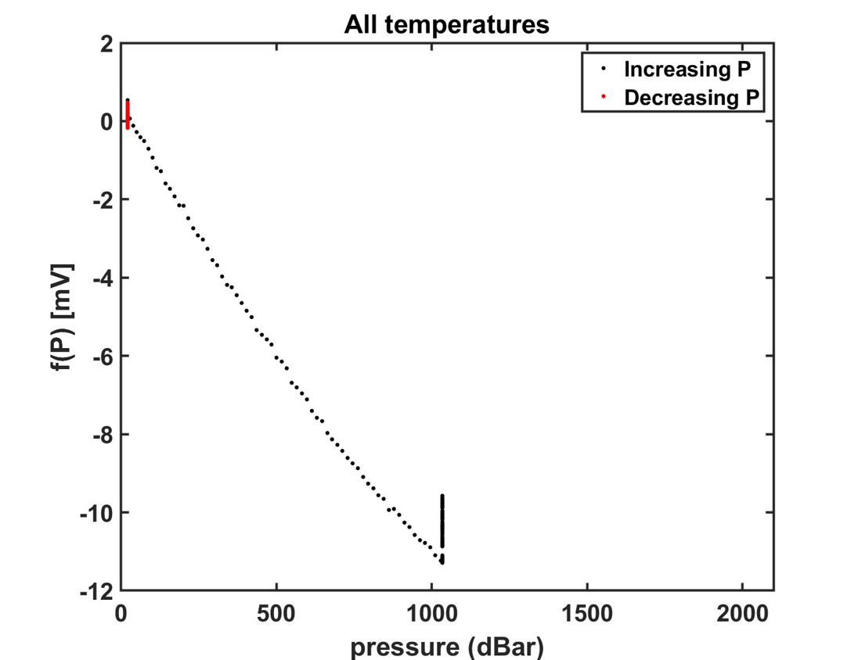

Test 03: 5/16/2021
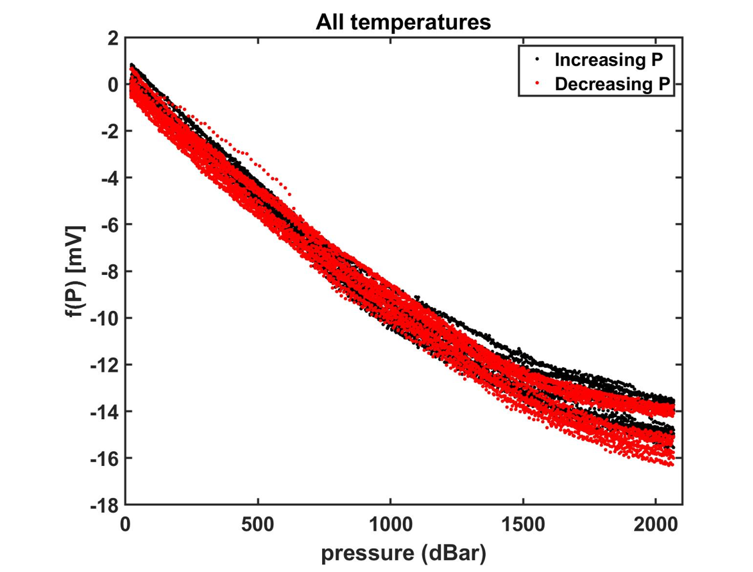

Test 05: 5/20/2021

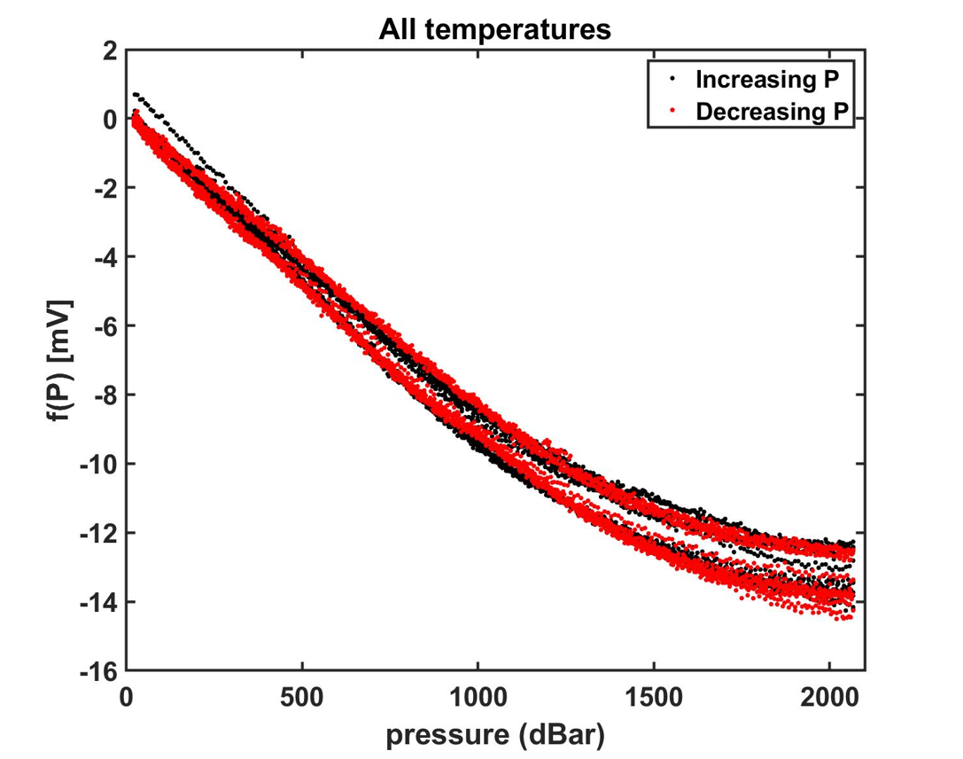

Test 06: 5/31/2021

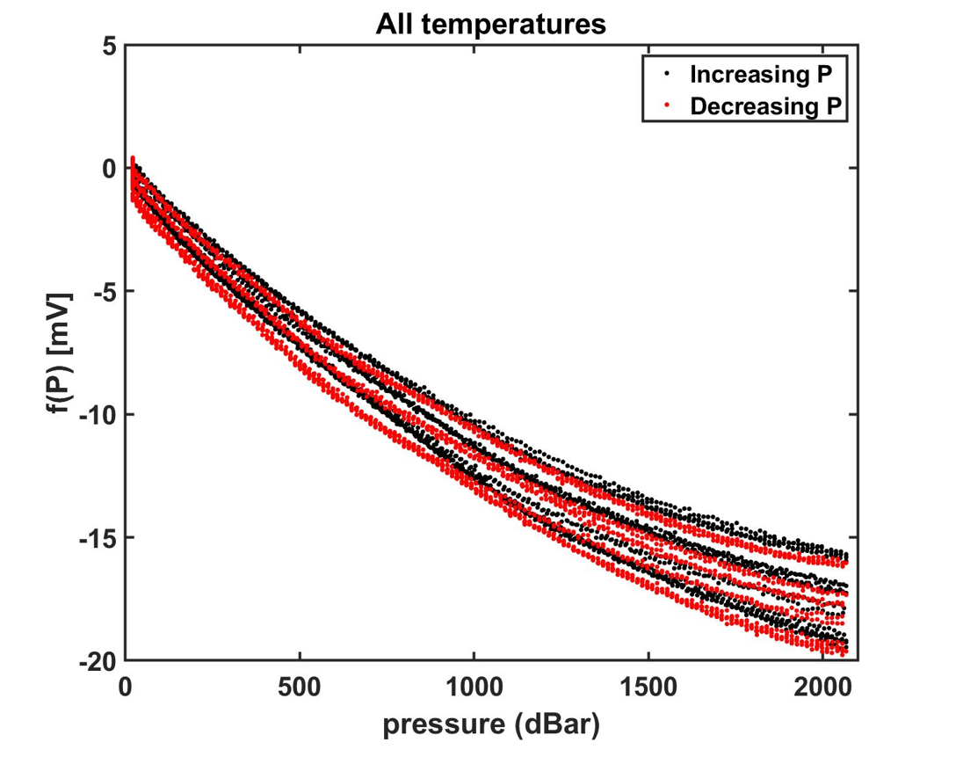

Test 07: 8/4/2021
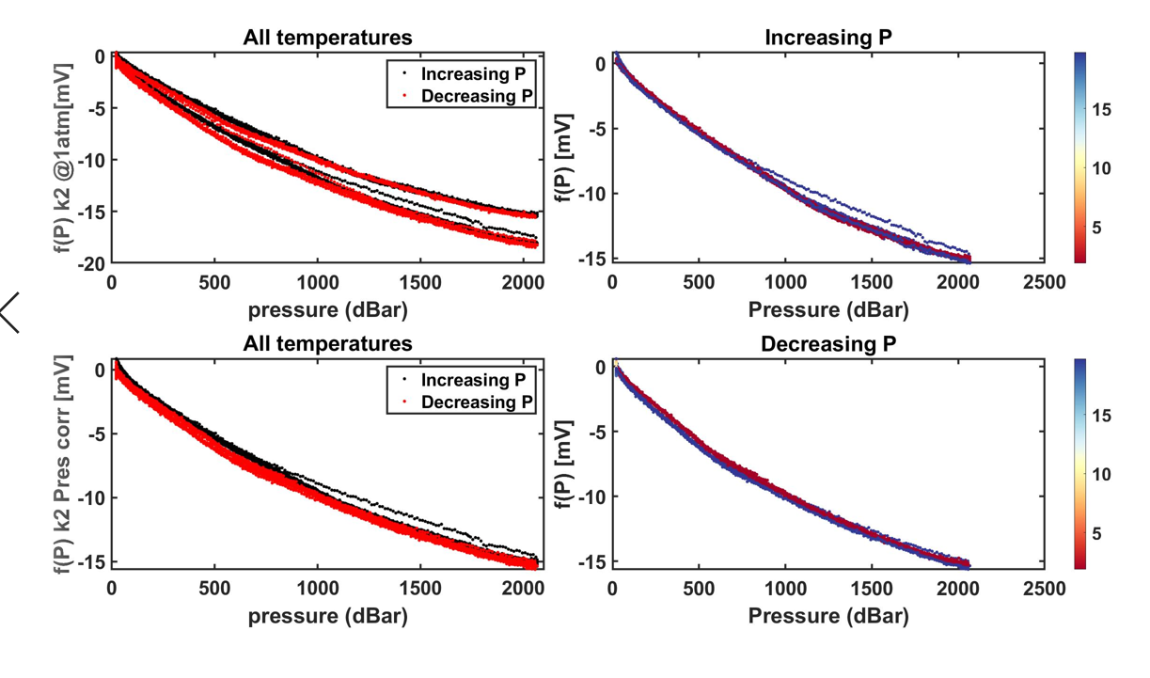

Test 08: 8/11/2021
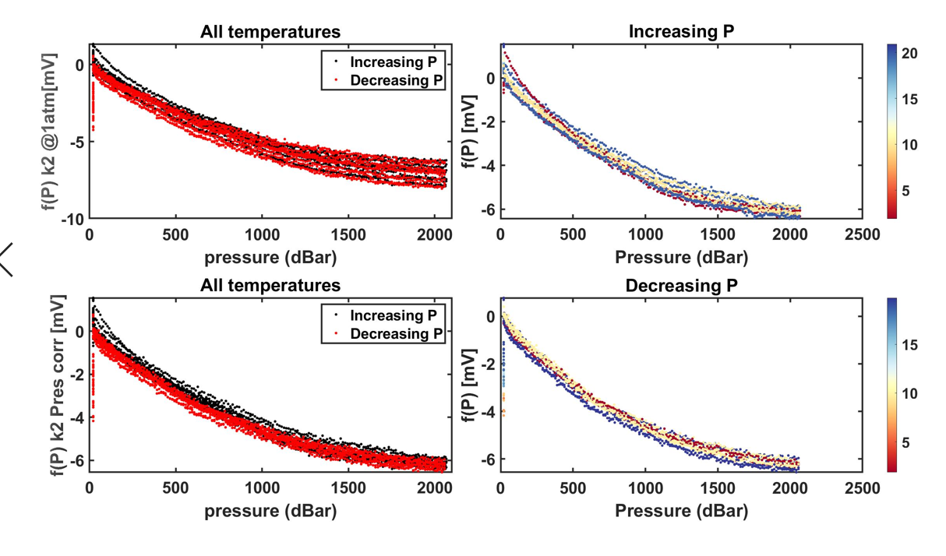

Test 09: 8/24/2021
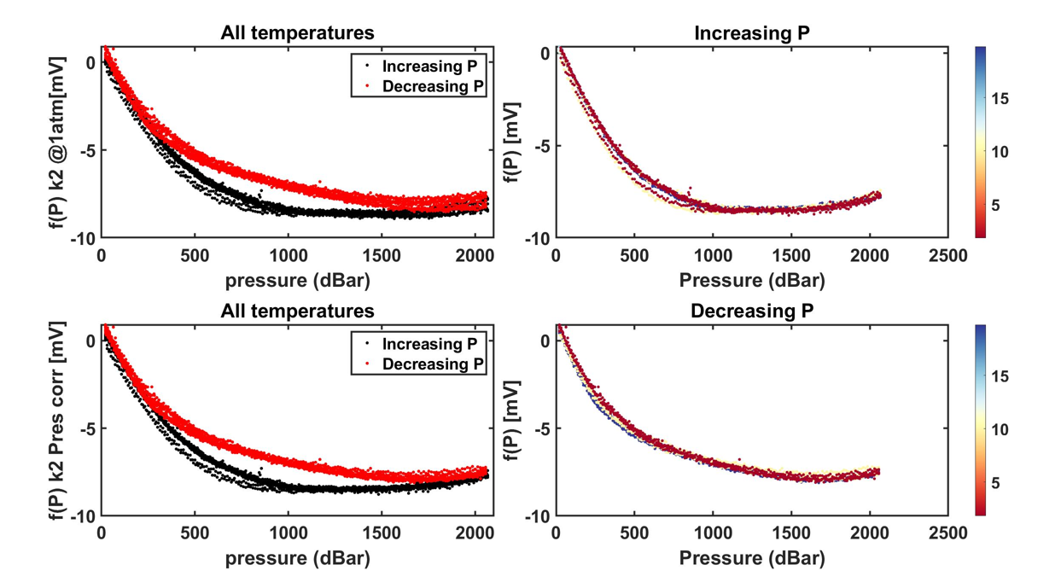

Test 10: 8/31/2021

GDF008
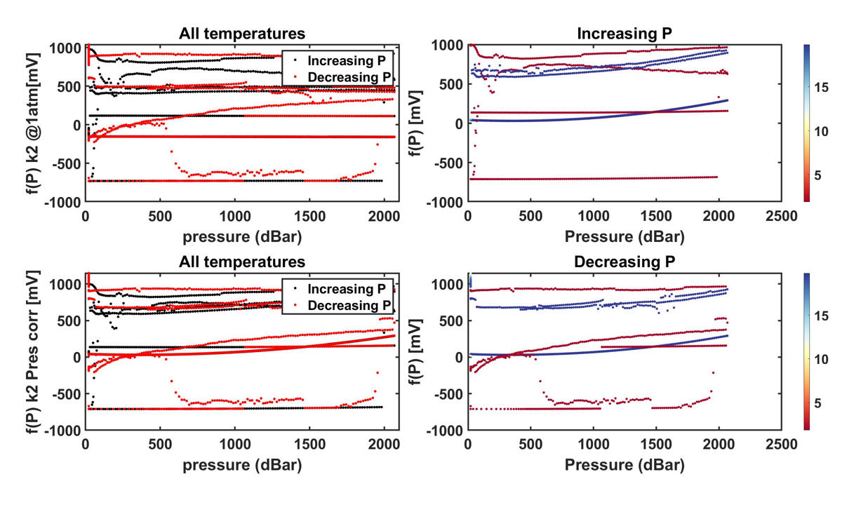
GDF Production Traveler
Serial Number: |  | GDF 008
Version2: |  | rev A
Installed on Float WMO:

Step No. | Description |  | Date | By | Notes
1 | Kit parts |  | 2021-03-01 | PW
2 | Visual Inspection
3 | Coverplate |  | tall shoulder
Dim A | Dim B | Dim C | Dim D | Dim E | Dim F | Dim G
0.027 | 0.036 | 0.296 | 0.096 | 0.061 | 0.017 | 0.301
4 | Gasket thickness |  | 0.03125
 | Gasket material |  | 1/32" viton sheet
 | Gasket compression |  | -0.00825
5 | Build sensor |  | 2021-03-10 | JM
6 | Photos front and back3 |  |  |  |  |  | Comments:
7 | Other photos3 |  |  |  |  |  | replaced viton gasket with 90A durometer polyurethane gasket. Sensor flooded at lower temps and was ruined
8 | VL pellet resistance |  | 3/22/21 | PW | 90 kOhm
9 | ISFET diode measurement |  | 3/22/21 | PW | 0.608/0.608
10 | Counter electrode resistance |  | 3/22/21 | PW | 0.3 Ohm
11 | Seawater Cond. (num. days)
12 | K2 cal (file name)
13 | f(p) cal (file name)
14 | Install on endcap
15 | Test / Calibration K0
16 | Shipped to
17 | Deployed
18 | ∆f(P) (mV) |  | 6 | BD | fn: _new_gasket

2 IR = Initial release (soldered pellet), A = rev A (fuzzy pellet)
3 Photos go in \\atlas.shore.mbari.org\ProjectLibrary\pH2018\Production\YYYY-xxx\photos,
 | YYYY-xxx is the serial number

Test 01: 6/8/2021

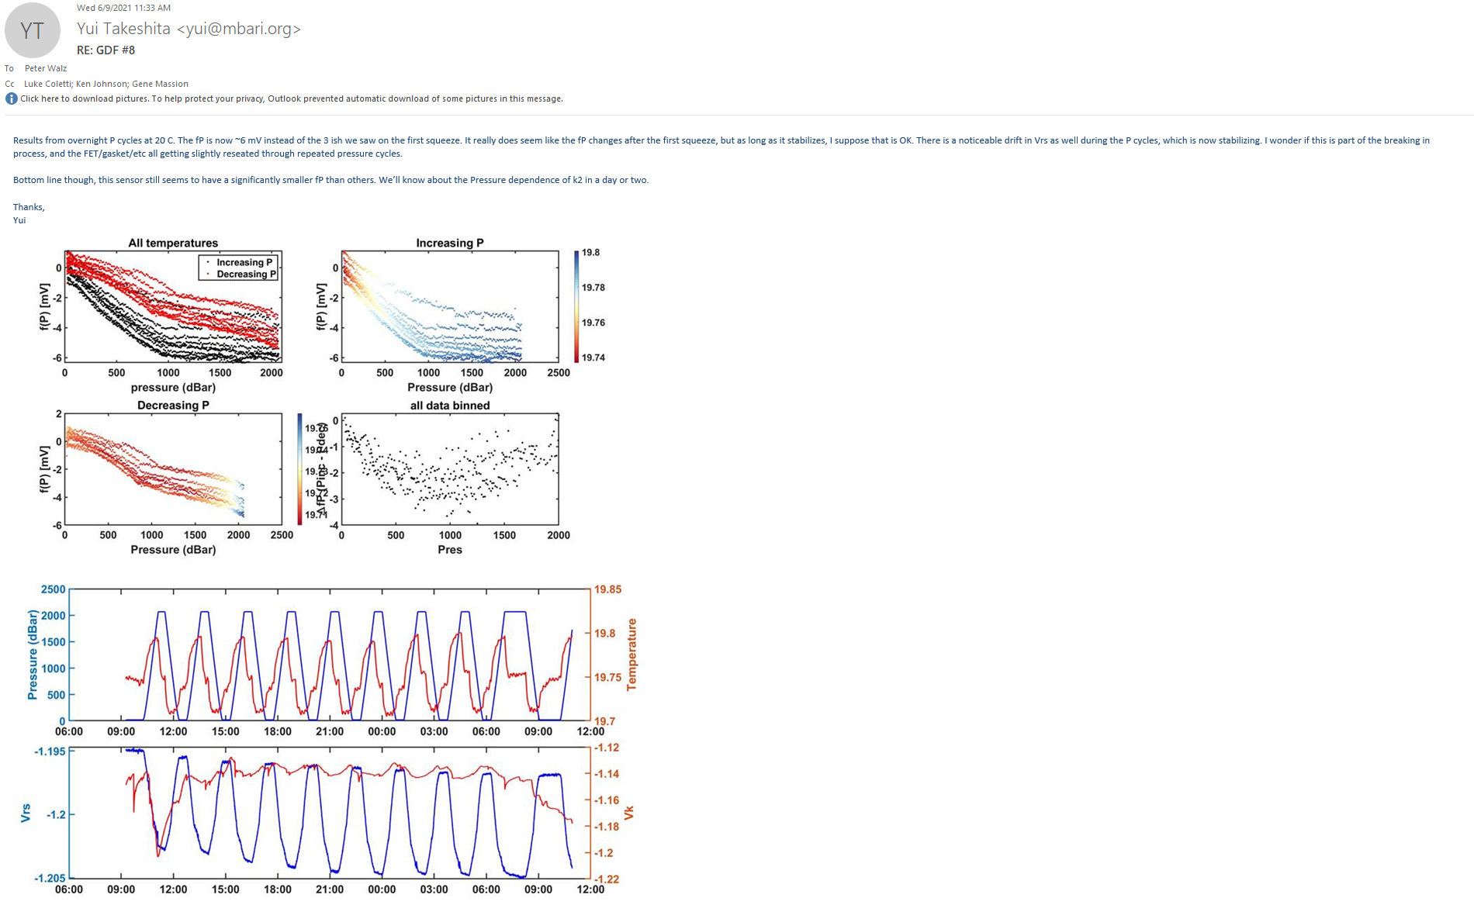

Test 02: 6/14/2021

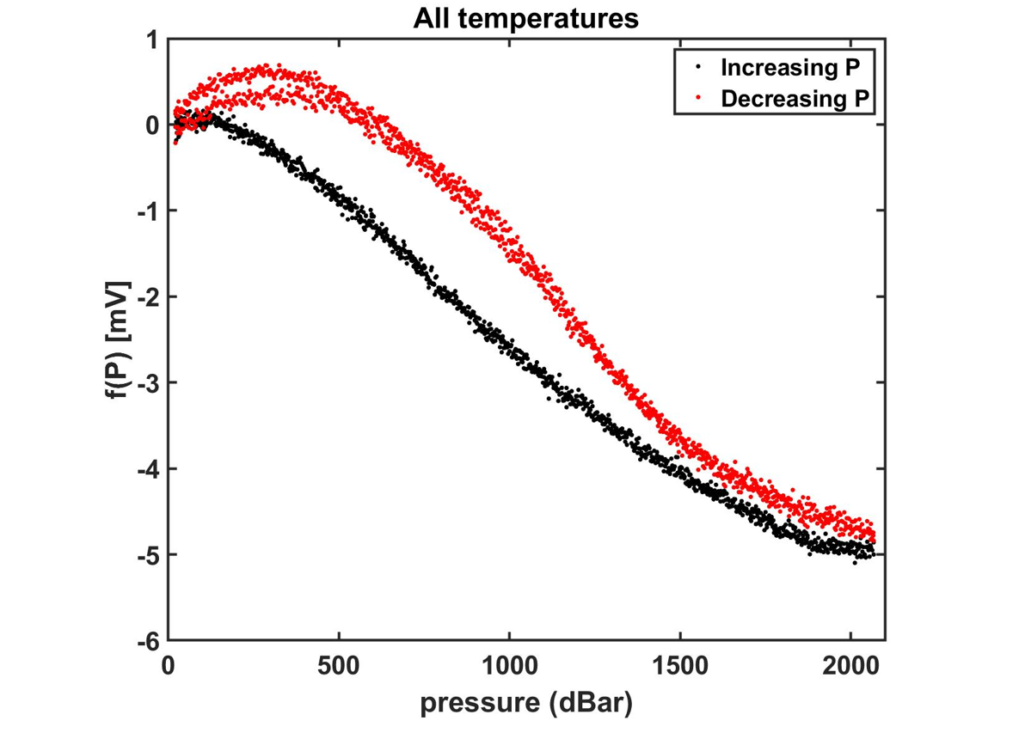

Test 04: 6/18/2021

GDF009
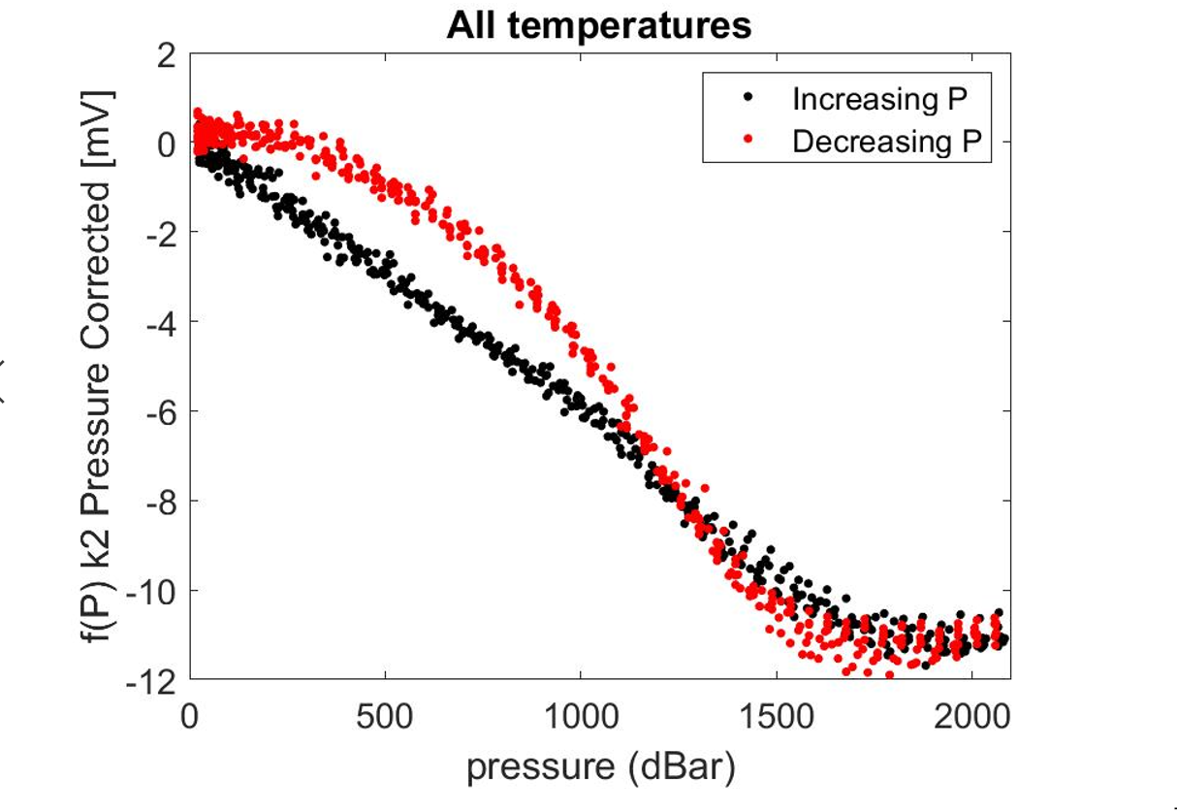
GDF Production Traveler
Serial Number: |  | GDF 009
Version2: |  | rev A
Installed on Float WMO:

Step No. | Description |  | Date | By | Notes
1 | Kit parts
2 | Visual Inspection
3 | Coverplate |  | tall shoulder
Dim A | Dim B | Dim C | Dim D | Dim E | Dim F | Dim G
0.027 | 0.036 | 0.096 | 0.297 | 0.061 | 0.019 | 0.301
4 | Gasket thickness |  | 0.03125
 | Gasket material |  | viton sheet 1/32"
 | Gasket compression |  | -0.00595
5 | Build sensor
6 | Photos front and back3 |  |  |  |  |  | Comments:
7 | Other photos3 |  |  |  |  |  | Broached. Ran several times in various pTC channels
8 | VL pellet resistance
9 | ISFET diode measurement
10 | Counter electrode resistance
11 | Seawater Cond. (num. days)
12 | K2 cal (file name)
13 | f(p) cal (file name)
14 | Install on endcap
15 | Test / Calibration K0
16 | Shipped to
17 | Deployed
18 | ∆f(P) (mV)

2 IR = Initial release (soldered pellet), A = rev A (fuzzy pellet)
3 Photos go in \\atlas.shore.mbari.org\ProjectLibrary\pH2018\Production\YYYY-xxx\photos,
 | YYYY-xxx is the serial number

Test 01: 10/26/2021

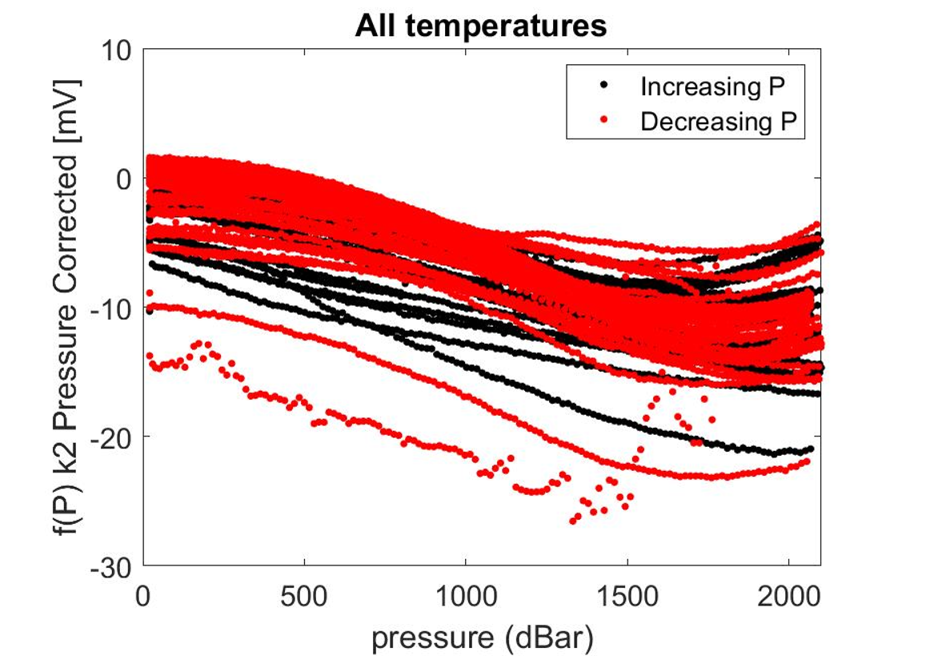

Test 03: 5/3/2022

GDF010
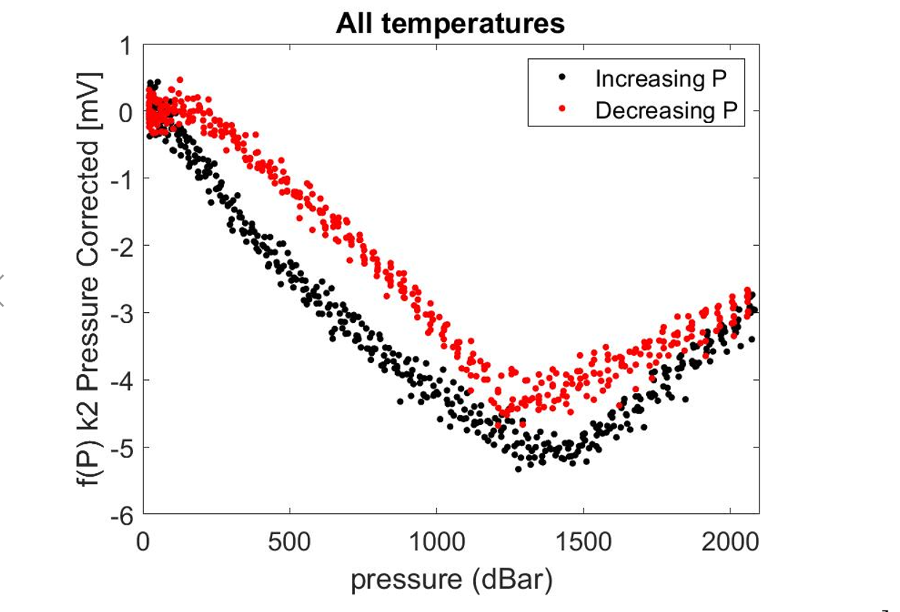
GDF Production Traveler
Serial Number: |  | GDF 010
Version2: |  | rev A
Installed on Float WMO:

Step No. | Description |  | Date | By | Notes
1 | Kit parts
2 | Visual Inspection
3 | Coverplate |  | tall shoulder
Dim A | Dim B | Dim C | Dim D | Dim E | Dim F | Dim G
0.027 | 0.036 | 0.097 | 0.297 | 0.061 | 0.020 | 0.301
4 | Gasket thickness |  | 0.0313
 | Gasket material |  | viton sheet 1/32"
 | Gasket compression |  | -0.005550
5 | Build sensor
6 | Photos front and back3 |  |  |  |  |  | Comments:
7 | Other photos3 |  |  |  |  |  | Broached. Ran in channel E on 05/02/2022
8 | VL pellet resistance
9 | ISFET diode measurement
10 | Counter electrode resistance
11 | Seawater Cond. (num. days)
12 | K2 cal (file name)
13 | f(p) cal (file name)
14 | Install on endcap
15 | Test / Calibration K0
16 | Shipped to
17 | Deployed
18 | ∆f(P) (mV)

2 IR = Initial release (soldered pellet), A = rev A (fuzzy pellet)
3 Photos go in \\atlas.shore.mbari.org\ProjectLibrary\pH2018\Production\YYYY-xxx\photos,
 | YYYY-xxx is the serial number

Test 01: 5/3/2022

GDF011
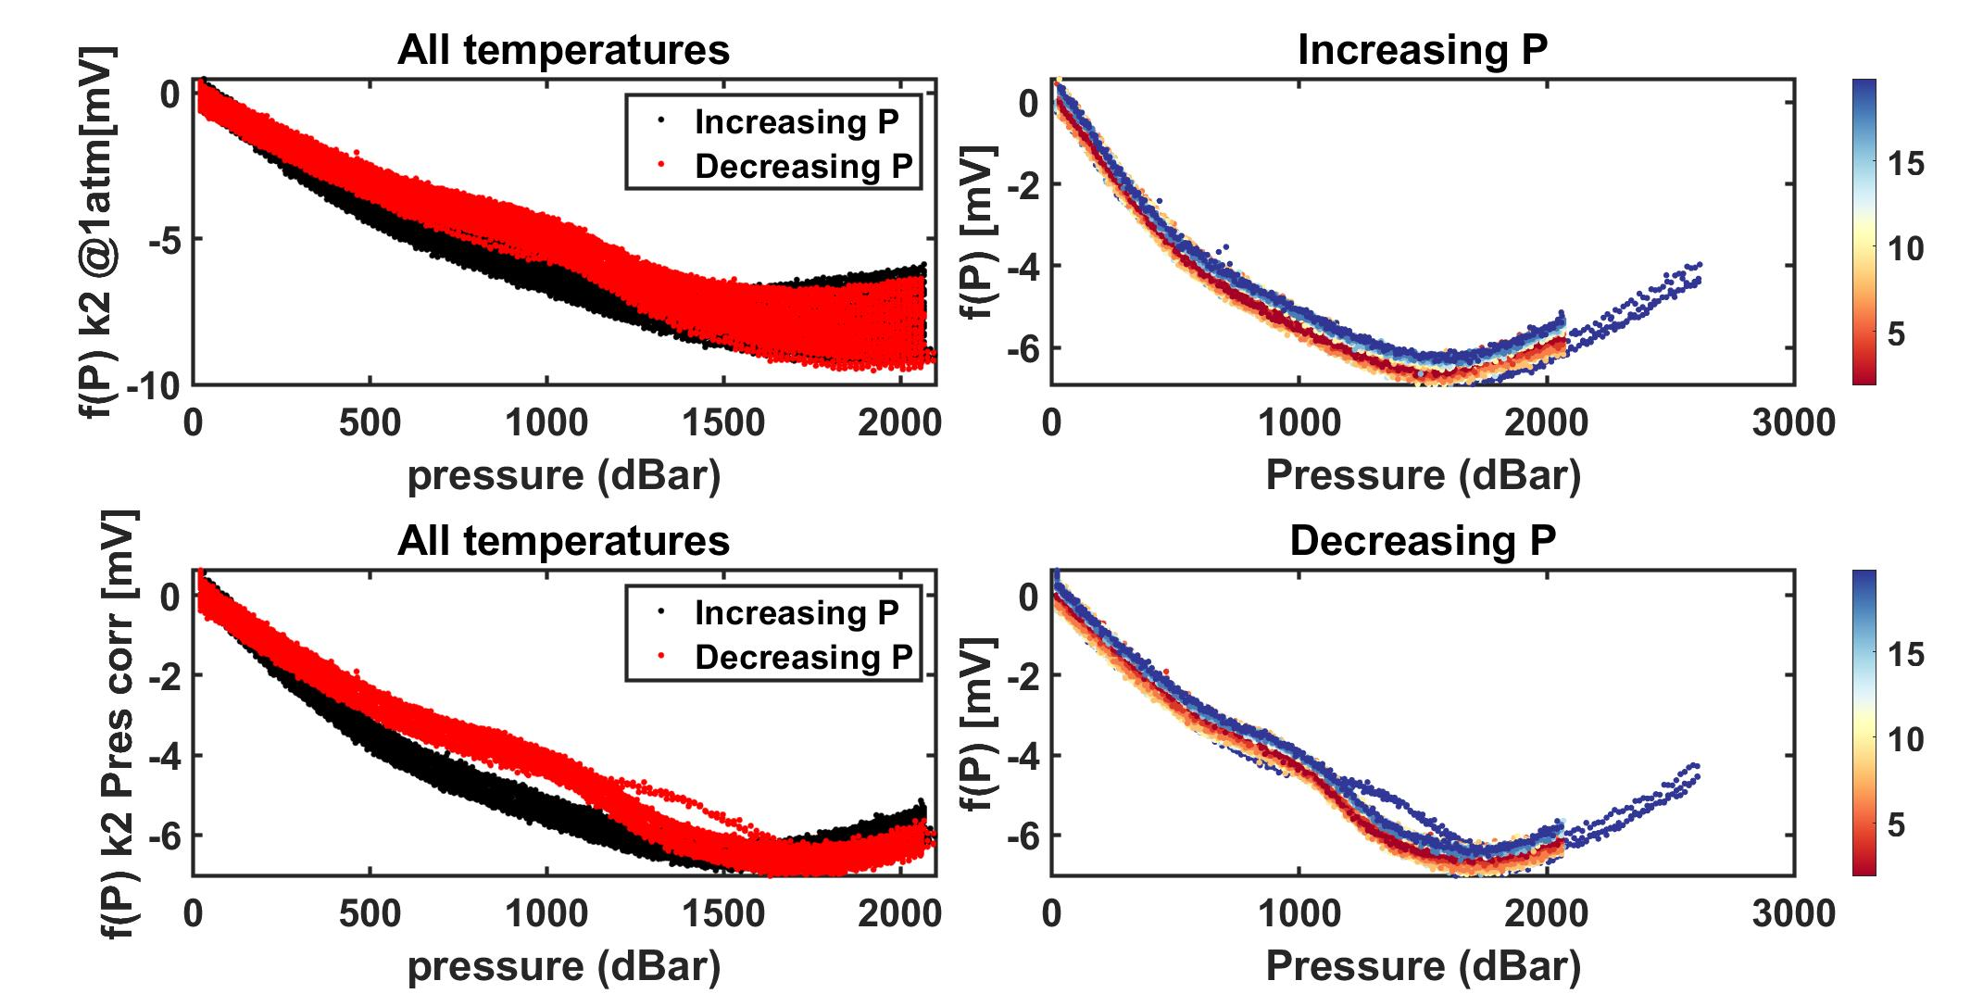
GDF Production Traveler
Serial Number: |  | GDF 011
Version2: |  | rev A with machined corners
Installed on Float WMO:

Step No. | Description |  | Date | By | Notes
1 | Kit parts |  | 2021-09-01 | PW
2 | Visual Inspection |  | 2021-09-01 | PW | Ben D cleaning
3 | Coverplate |  | tall shoulder
Dim A | Dim B | Dim C | Dim D | Dim E | Dim F | Dim G
0.027 | 0.036 | 0.097 | 0.297 | 0.061 | 0.019 | 0.301
4 | Gasket thickness |  | 0.0313
 | Gasket material |  | viton sheet 1/32"
 | Gasket compression |  | -0.00625
5 | Build sensor |  | 2021-09-07 | JM
6 | Photos front and back3 |  |  |  |  |  | Comments:
7 | Other photos3 |  | 2021-09-08 |  | gasket and peek pocket |  | Sept 7-8, 2021 Pressure tested 5 cycles to 3000psi in 0.01 N HCl. Removed gasket for inspection of extrusion into corners. All looked good. Rebuilt with a new gasket for further pressure testing.
8 | VL pellet resistance |  | 2021-09-08 | PW | 90-110 kOhm |  | Sept 8 - xx, 2021 Pressure and temp cycles of stem in 0.01N HCl
9 | ISFET diode measurement |  | 2021-09-08 | PW | 0.609/0.609
10 | Counter electrode resistance |  | 2021-09-08 | PW | 0.3 Ohm |  | Shipped to UW. CTD# 15478 and MSC# 980
11 | Seawater Cond. (num. days) |  | 14+
12 | K2 cal (file name) |  | 2021-10-19
13 | f(p) cal (file name) |  | 2021-10-19
14 | Install on endcap
15 | Test / Calibration K0 |  | 2021-11-09
16 | Shipped to
17 | Deployed
18 | ∆f(P) (mV) |  | 6 | BD | fn: machinedcorners_2

2 IR = Initial release (soldered pellet), A = rev A (fuzzy pellet)
3 Photos go in \\atlas.shore.mbari.org\ProjectLibrary\pH2018\Production\YYYY-xxx\photos,
 | YYYY-xxx is the serial number

Test 01: 9/7/2021

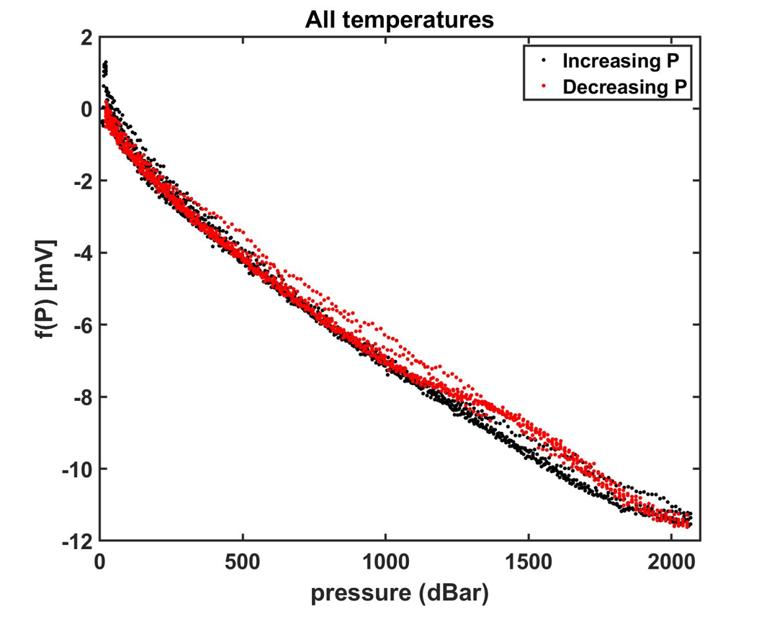

Test 02: 9/8/2021

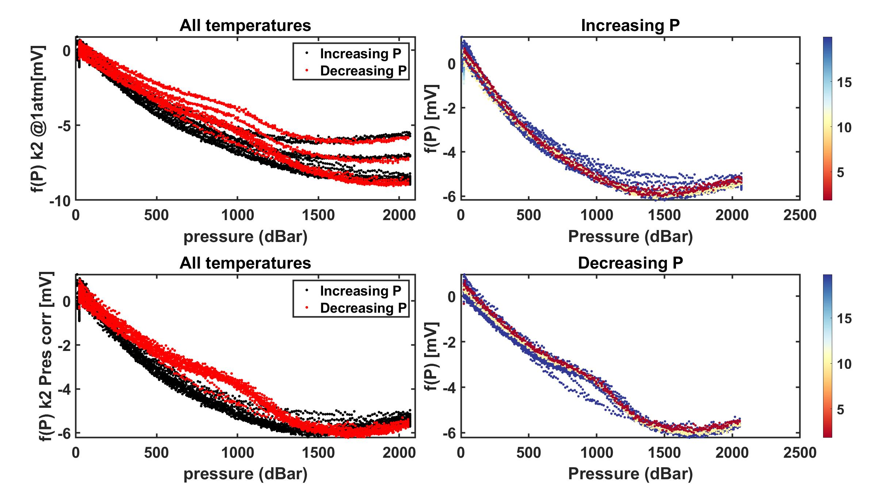

Test 03: 10/19/2021

GDF012
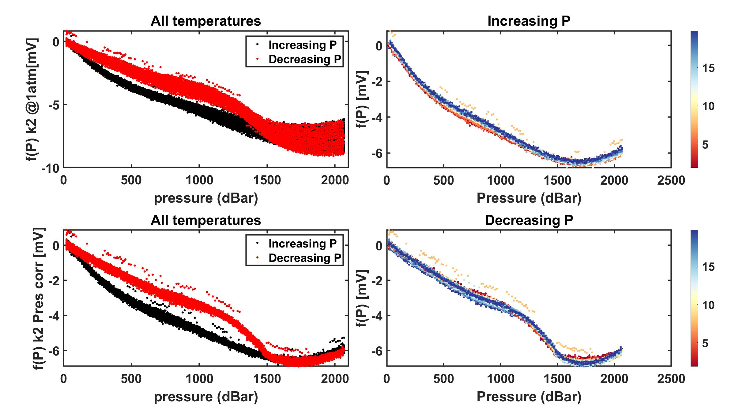
GDF Production Traveler
Serial Number: |  | GDF 012
Version2: |  | rev A with machined corners
Installed on Float WMO:

Step No. | Description |  | Date | By | Notes
1 | Kit parts
2 | Visual Inspection
3 | Coverplate |  | tall shoulder
Dim A | Dim B | Dim C | Dim D | Dim E | Dim F | Dim G
0.027 | 0.036 | 0.097 | 0.297 | 0.061 | 0.018 | 0.301
4 | Gasket thickness |  | 0.0313
 | Gasket material |  | viton sheet 1/32"
 | Gasket compression |  | -0.00725
5 | Build sensor
6 | Photos front and back3 |  |  |  |  |  | Comments:
7 | Other photos3
8 | VL pellet resistance
9 | ISFET diode measurement
10 | Counter electrode resistance |  |  |  |  |  | Shipped to UW. CTD# 14604 and MSC# 979
11 | Seawater Cond. (num. days) |  | 14+
12 | K2 cal (file name) |  | 2021-10-11
13 | f(p) cal (file name) |  | 2021-10-11
14 | Install on endcap
15 | Test / Calibration K0 |  | 2021-11-09
16 | Shipped to
17 | Deployed
18 | ∆f(P) (mV) |  | 6 | BD | fn: _machinedcorners

2 IR = Initial release (soldered pellet), A = rev A (fuzzy pellet)
3 Photos go in \\atlas.shore.mbari.org\ProjectLibrary\pH2018\Production\YYYY-xxx\photos,
 | YYYY-xxx is the serial number

Test 01: 9/14/2021
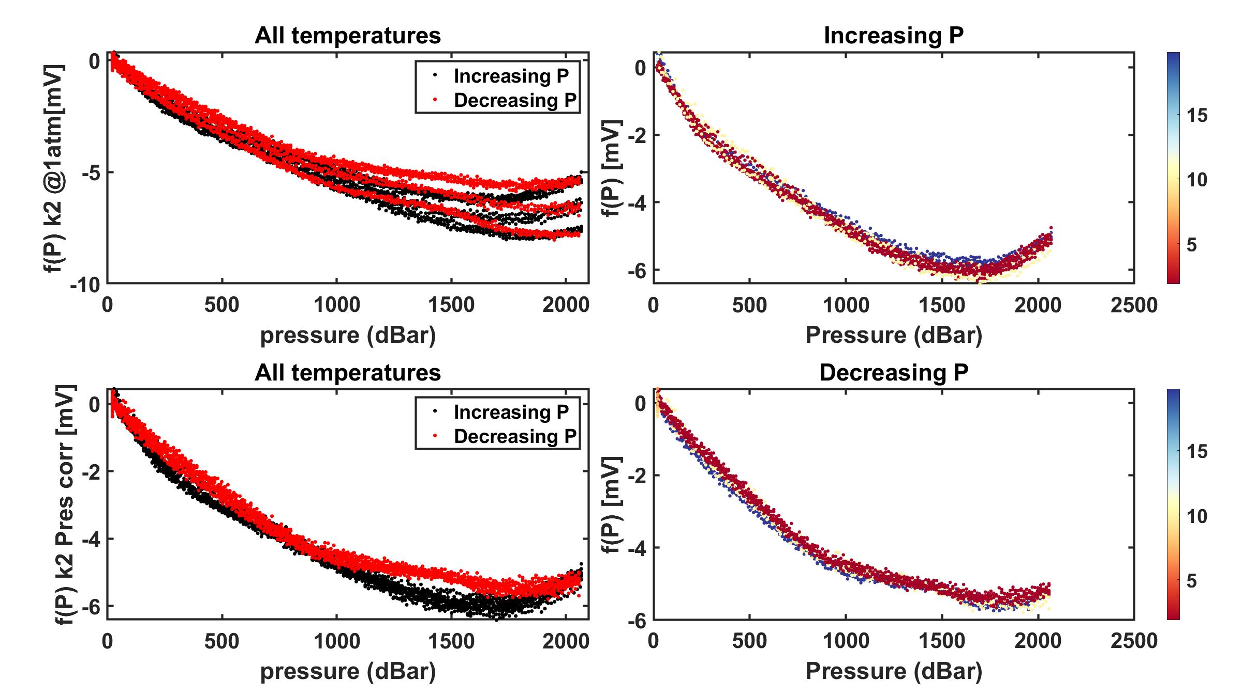

Test 02: 9/17/2021
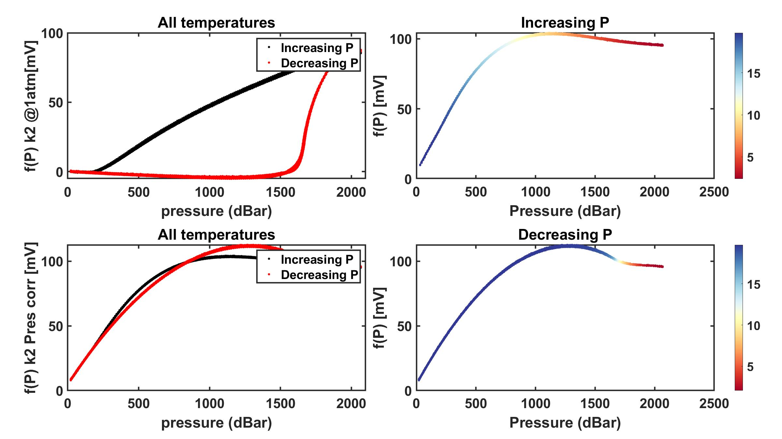

Test 03: 10/5/2021
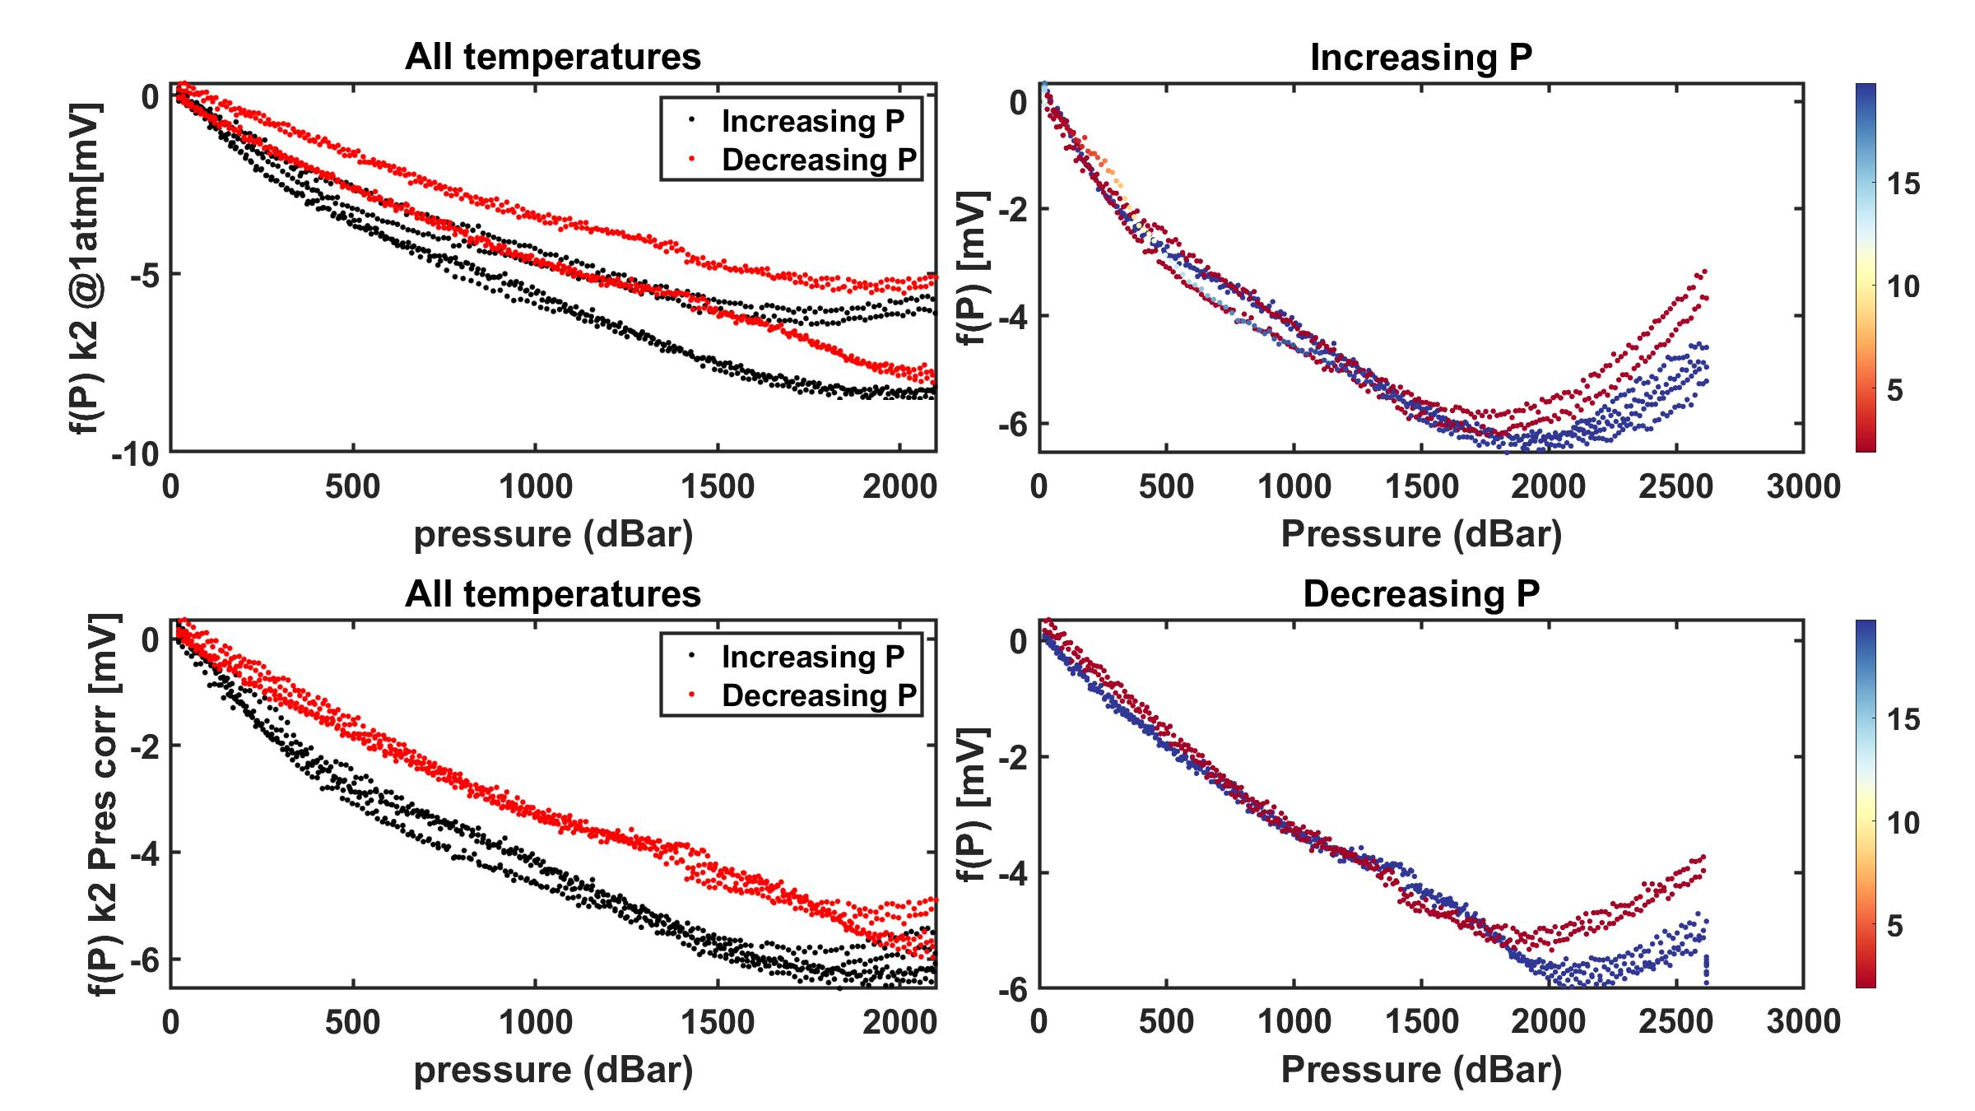

Test 04: 10/11/2021

GDF013
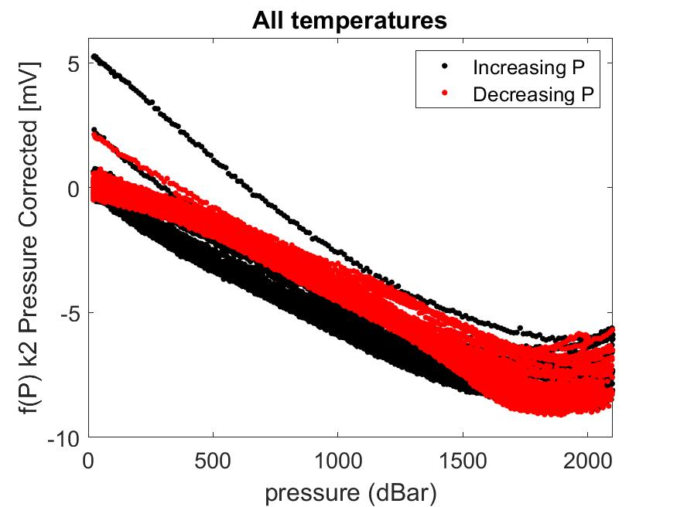
GDF Production Traveler
Serial Number: |  | GDF 013
Version2: |  | rev A with machined corners
Installed on Float WMO:

Step No. | Description |  | Date | By | Notes
1 | Kit parts |  | 2021-11-01 | PW
2 | Visual Inspection |  | 2021-11-01 | PW
3 | Coverplate |  | tall shoulder
Dim A | Dim B | Dim C | Dim D | Dim E | Dim F | Dim G
0.027 | 0.035 | 0.097 | 0.297 | 0.061 | 0.019 | 0.301
4 | Gasket thickness |  | 0.0313
 | Gasket material |  | viton sheet 1/32"
 | Gasket compression |  | -0.00525
5 | Build sensor
6 | Photos front and back3 |  |  |  |  |  | Comments:
7 | Other photos3
8 | VL pellet resistance |  | 2021-12-02 | BD | 80-75 kOhm
9 | ISFET diode measurement |  | 2021-12-02 | BD | 0.612/0.612 |  | CTD# 16670 and MSC# 998
10 | Counter electrode resistance |  | 2021-12-02 | BD | 1.2 Ohm
11 | Seawater Cond. (num. days) |  | 14+
12 | K2 cal (file name) |  | 2021-12-02
13 | f(p) cal (file name) |  | 2021-12-02
14 | Install on endcap
15 | Test / Calibration K0 |  | 2022-01-10
16 | Shipped to
17 | Deployed

2 IR = Initial release (soldered pellet), A = rev A (fuzzy pellet)
3 Photos go in \\atlas.shore.mbari.org\ProjectLibrary\pH2018\Production\YYYY-xxx\photos,
 | YYYY-xxx is the serial number

Test 01: 11/24/2021 |  | (failed)

Test 02: 11/30/2021

GDF014
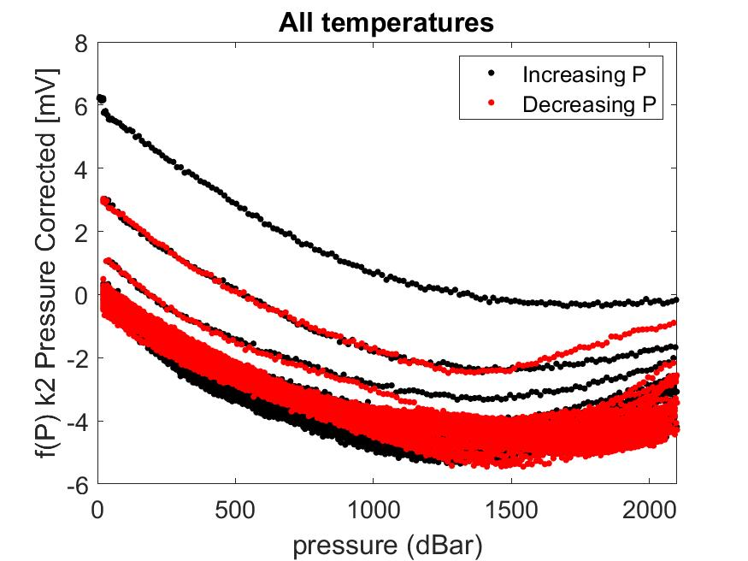
GDF Production Traveler
Serial Number: |  | GDF 014
Version2: |  | rev A with machined corners
Installed on Float WMO:

Step No. | Description |  | Date | By | Notes
1 | Kit parts |  | 2021-11-01 | PW
2 | Visual Inspection |  | 2021-11-01 | PW
3 | Coverplate |  | tall shoulder
Dim A | Dim B | Dim C | Dim D | Dim E | Dim F | Dim G
0.027 | 0.035 | 0.097 | 0.297 | 0.061 | 0.019 | 0.301
4 | Gasket thickness |  | 0.0313
 | Gasket material |  | viton sheet 1/32"
 | Gasket compression |  | -0.00525
5 | Build sensor
6 | Photos front and back3 |  |  |  |  |  | Comments:
7 | Other photos3
8 | VL pellet resistance |  | 2021-12-10 | BD | 90-45 kOhm
9 | ISFET diode measurement |  | 2021-12-10 | BD | 0.610/0.610
10 | Counter electrode resistance |  | 2021-12-10 | BD | 1.3 Ohm |  | CTD# 16668 MSC# 997
11 | Seawater Cond. (num. days) |  | 14+
12 | K2 cal (file name) |  | 2021-12-10
13 | f(p) cal (file name) |  | 2021-12-10
14 | Install on endcap
15 | Test / Calibration K0 |  | 2022-01-10
16 | Shipped to
17 | Deployed

2 IR = Initial release (soldered pellet), A = rev A (fuzzy pellet)
3 Photos go in \\atlas.shore.mbari.org\ProjectLibrary\pH2018\Production\YYYY-xxx\photos,
 | YYYY-xxx is the serial number

Test 01: 12/8/2021

GDF015
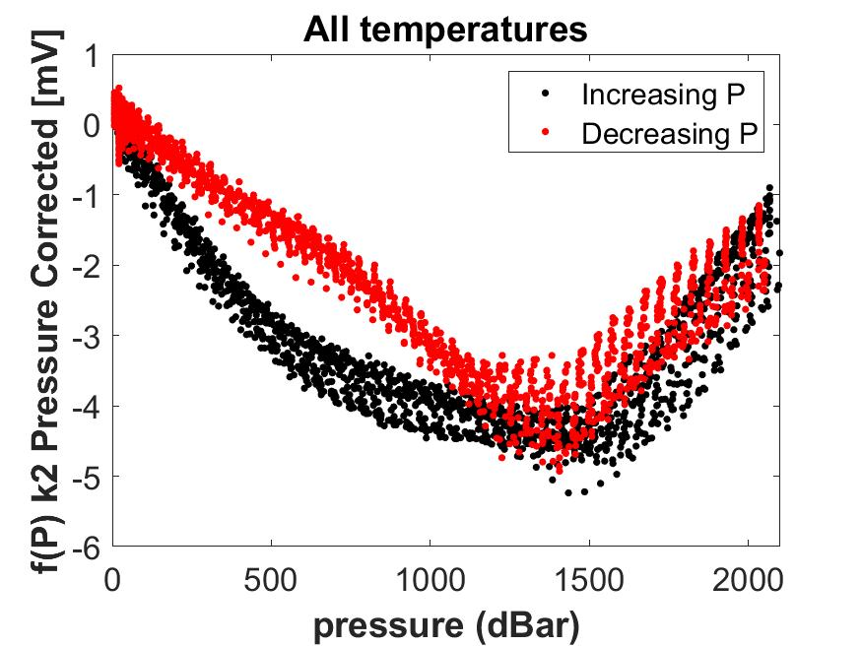
GDF Production Traveler
Serial Number: |  | GDF 015
Version2: |  | rev A with machined corners
Installed on Float WMO:

Step No. | Description |  | Date | By | Notes
1 | Kit parts |  | 2021-11-01 | PW
2 | Visual Inspection |  | 2021-11-01 | PW
3 | Coverplate |  | tall shoulder
Dim A | Dim B | Dim C | Dim D | Dim E | Dim F | Dim G
0.027 | 0.036 | 0.297 | 0.098 | 0.061 | 0.019 | 0.301
4 | Gasket thickness |  | 0.0313
 | Gasket material |  | viton sheet 1/32"
 | Gasket compression |  | -0.00625
5 | Build sensor
6 | Photos front and back3 |  |  |  |  |  | Comments:
7 | Other photos3 |  |  |  |  |  | Recal'd several times in new pTC chamber, f(P) has shifted over calibrations, most dramatically on May 2, 2022 in channel D in Takeshita Lab
8 | VL pellet resistance
9 | ISFET diode measurement |  |  |  |  |  | Replaced ISFET with a reclaimed from dead (RFD) ISFET from an old shallow Honeywell Durafet 3. Looks ok
10 | Counter electrode resistance
11 | Seawater Cond. (num. days) |  |  |  |  |  | Final calibration was completed on xxxxxxx
12 | K2 cal (file name) |  | 2021-12-18
13 | f(p) cal (file name) |  | 2021-12-18
14 | Install on endcap
15 | Test / Calibration K0
16 | Shipped to
17 | Deployed

2 IR = Initial release (soldered pellet), A = rev A (fuzzy pellet)
3 Photos go in \\atlas.shore.mbari.org\ProjectLibrary\pH2018\Production\YYYY-xxx\photos,
 | YYYY-xxx is the serial number

Test 01: 12/16/2021

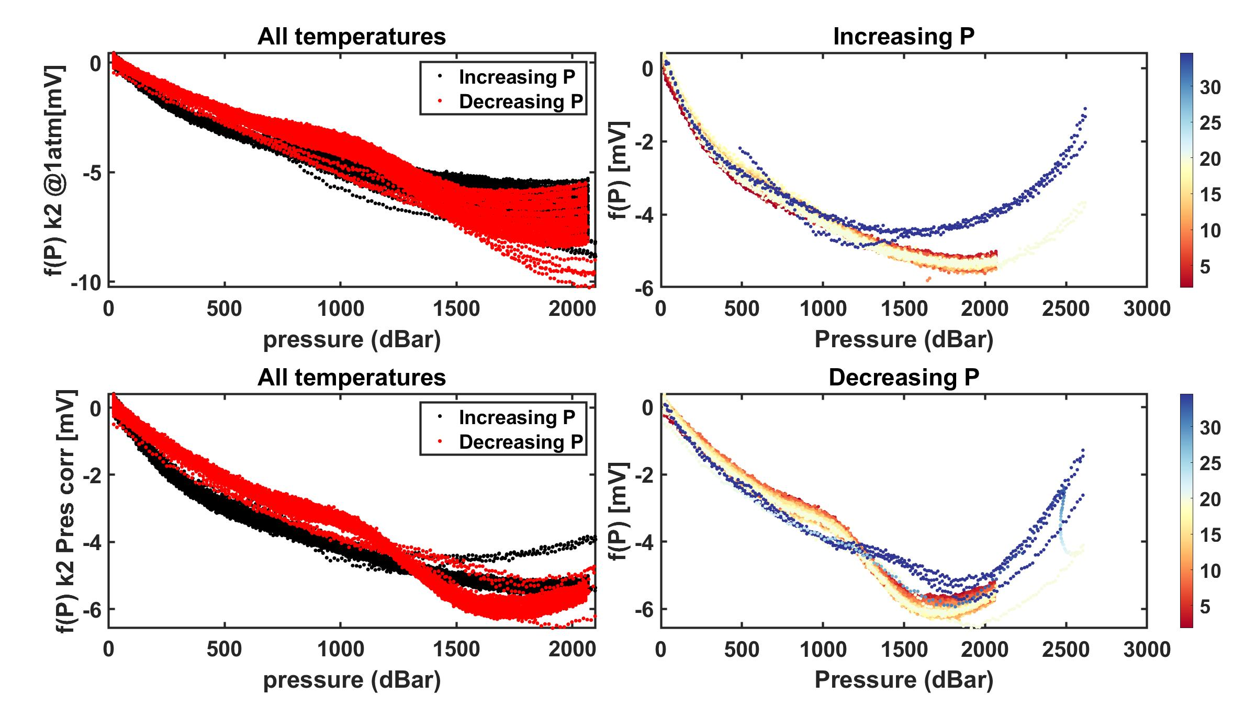

Test 02: 12/29/2021

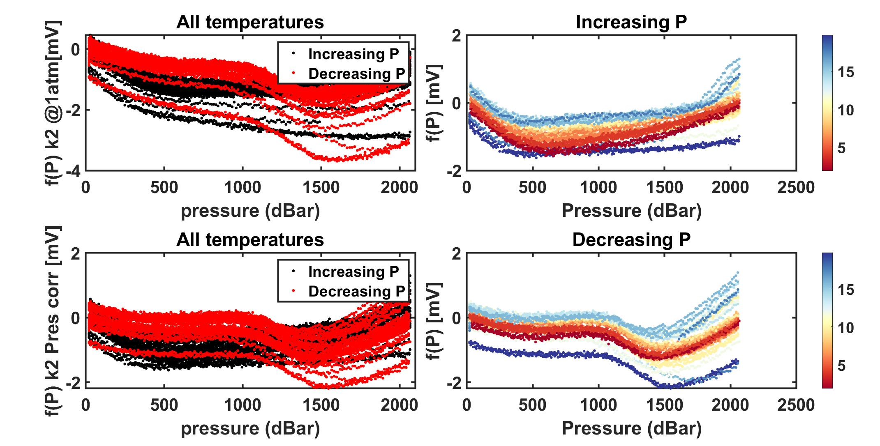

Test 03: 1/15/2022

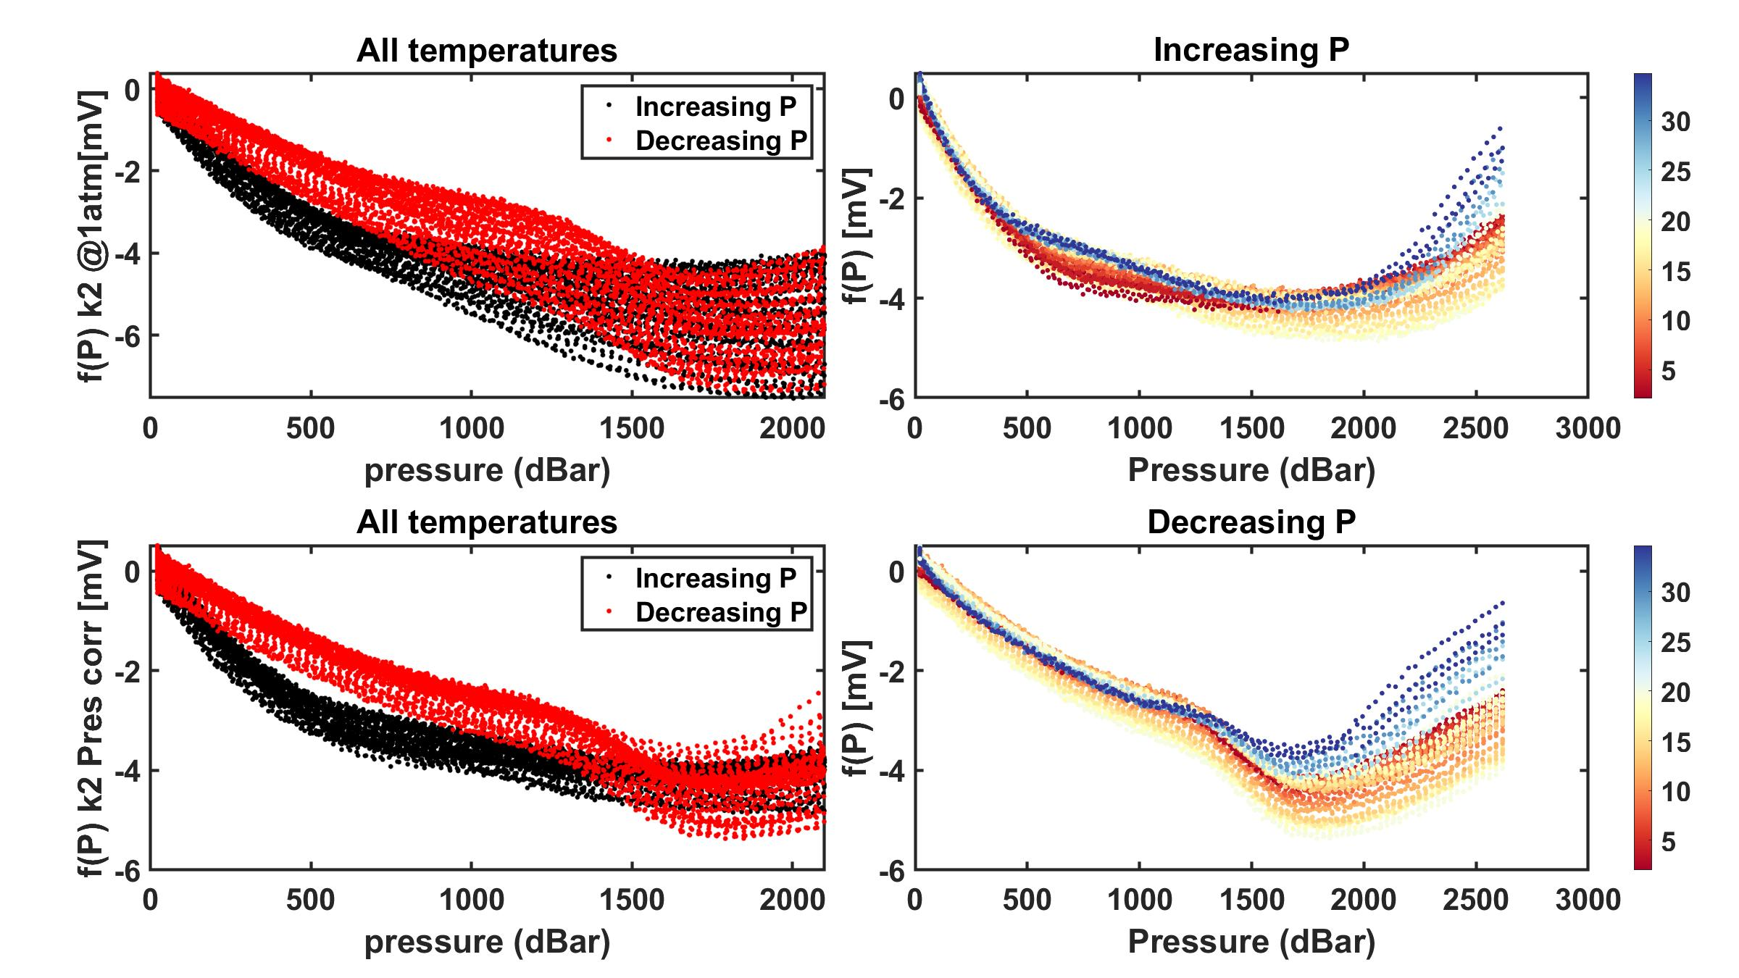

Test 04: 1/24/2022
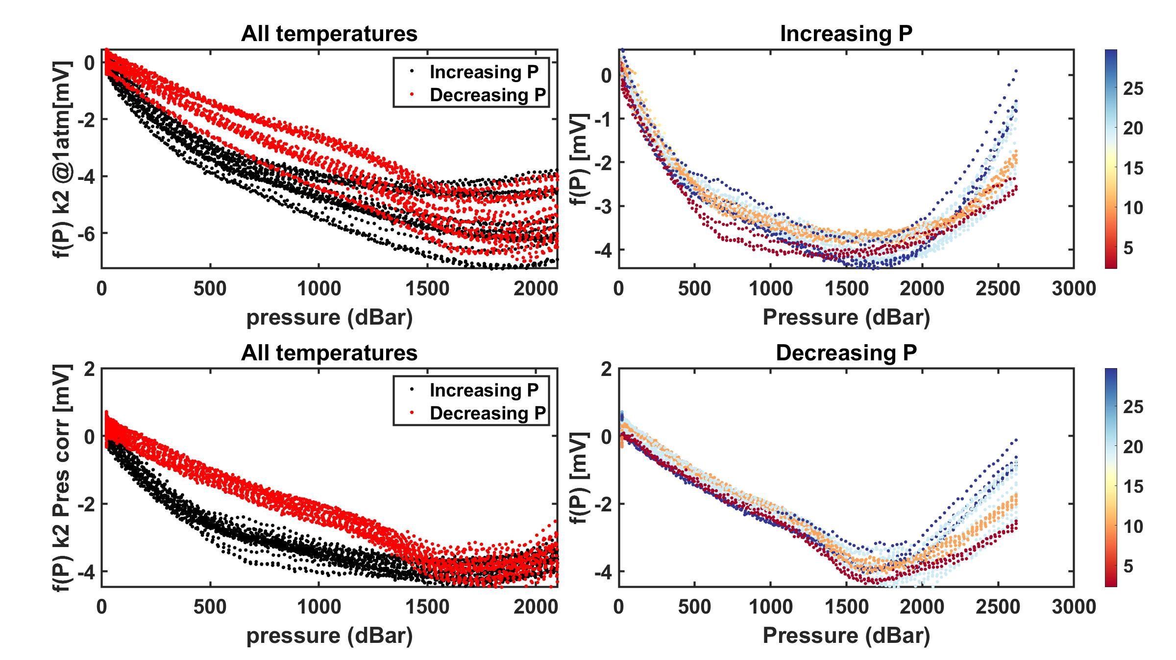

Test 05: 5/2/2022

GDF016
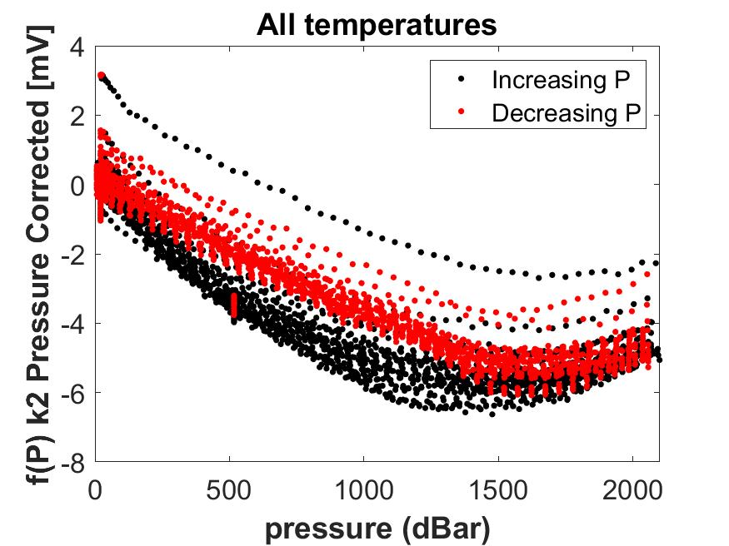
GDF Production Traveler
Serial Number: |  | GDF 016
Version2: |  | rev A with machined corners
Installed on Float WMO:

Step No. | Description |  | Date | By | Notes
1 | Kit parts |  | 2022-01-24 | PW
2 | Visual Inspection |  | 2022-01-24 | PW
3 | Coverplate |  | tall shoulder
Dim A | Dim B | Dim C | Dim D | Dim E | Dim F | Dim G
0.027 | 0.036 | 0.298 | 0.096 | 0.061 | 0.019 | 0.301
4 | Gasket thickness |  | 0.0313
 | Gasket material |  | viton sheet 1/32"
 | Gasket compression |  | -0.00625
5 | Build sensor |  | 2022-02-17
6 | Photos front and back3 |  |  |  |  |  | Comments:
7 | Other photos3 |  |  |  |  |  | PTC calibration 2/18/22 but some shift in sensor. 3/8/22 removed coverplate and inspected gasket and ISFET chip. Both looked ok. Sensor reassembled with new gasket.
8 | VL pellet resistance |  | 80kOhm
9 | ISFET diode measurement |  | 0.609 / 0.609 |  |  |  | GDF 16 -21 built with Fluke Machine parts
10 | Counter electrode resistance |  | 0.3 Ohm
11 | Seawater Cond. (num. days) |  |  |  |  |  | CTD# 17171 and MSC# 1019
12 | K2 cal (file name)
13 | f(p) cal (file name)
14 | Install on endcap
15 | Test / Calibration K0
16 | Shipped to
17 | Deployed

2 IR = Initial release (soldered pellet), A = rev A (fuzzy pellet)
3 Photos go in \\atlas.shore.mbari.org\ProjectLibrary\pH2018\Production\YYYY-xxx\photos,
 | YYYY-xxx is the serial number

Test 01: 2/18/2022

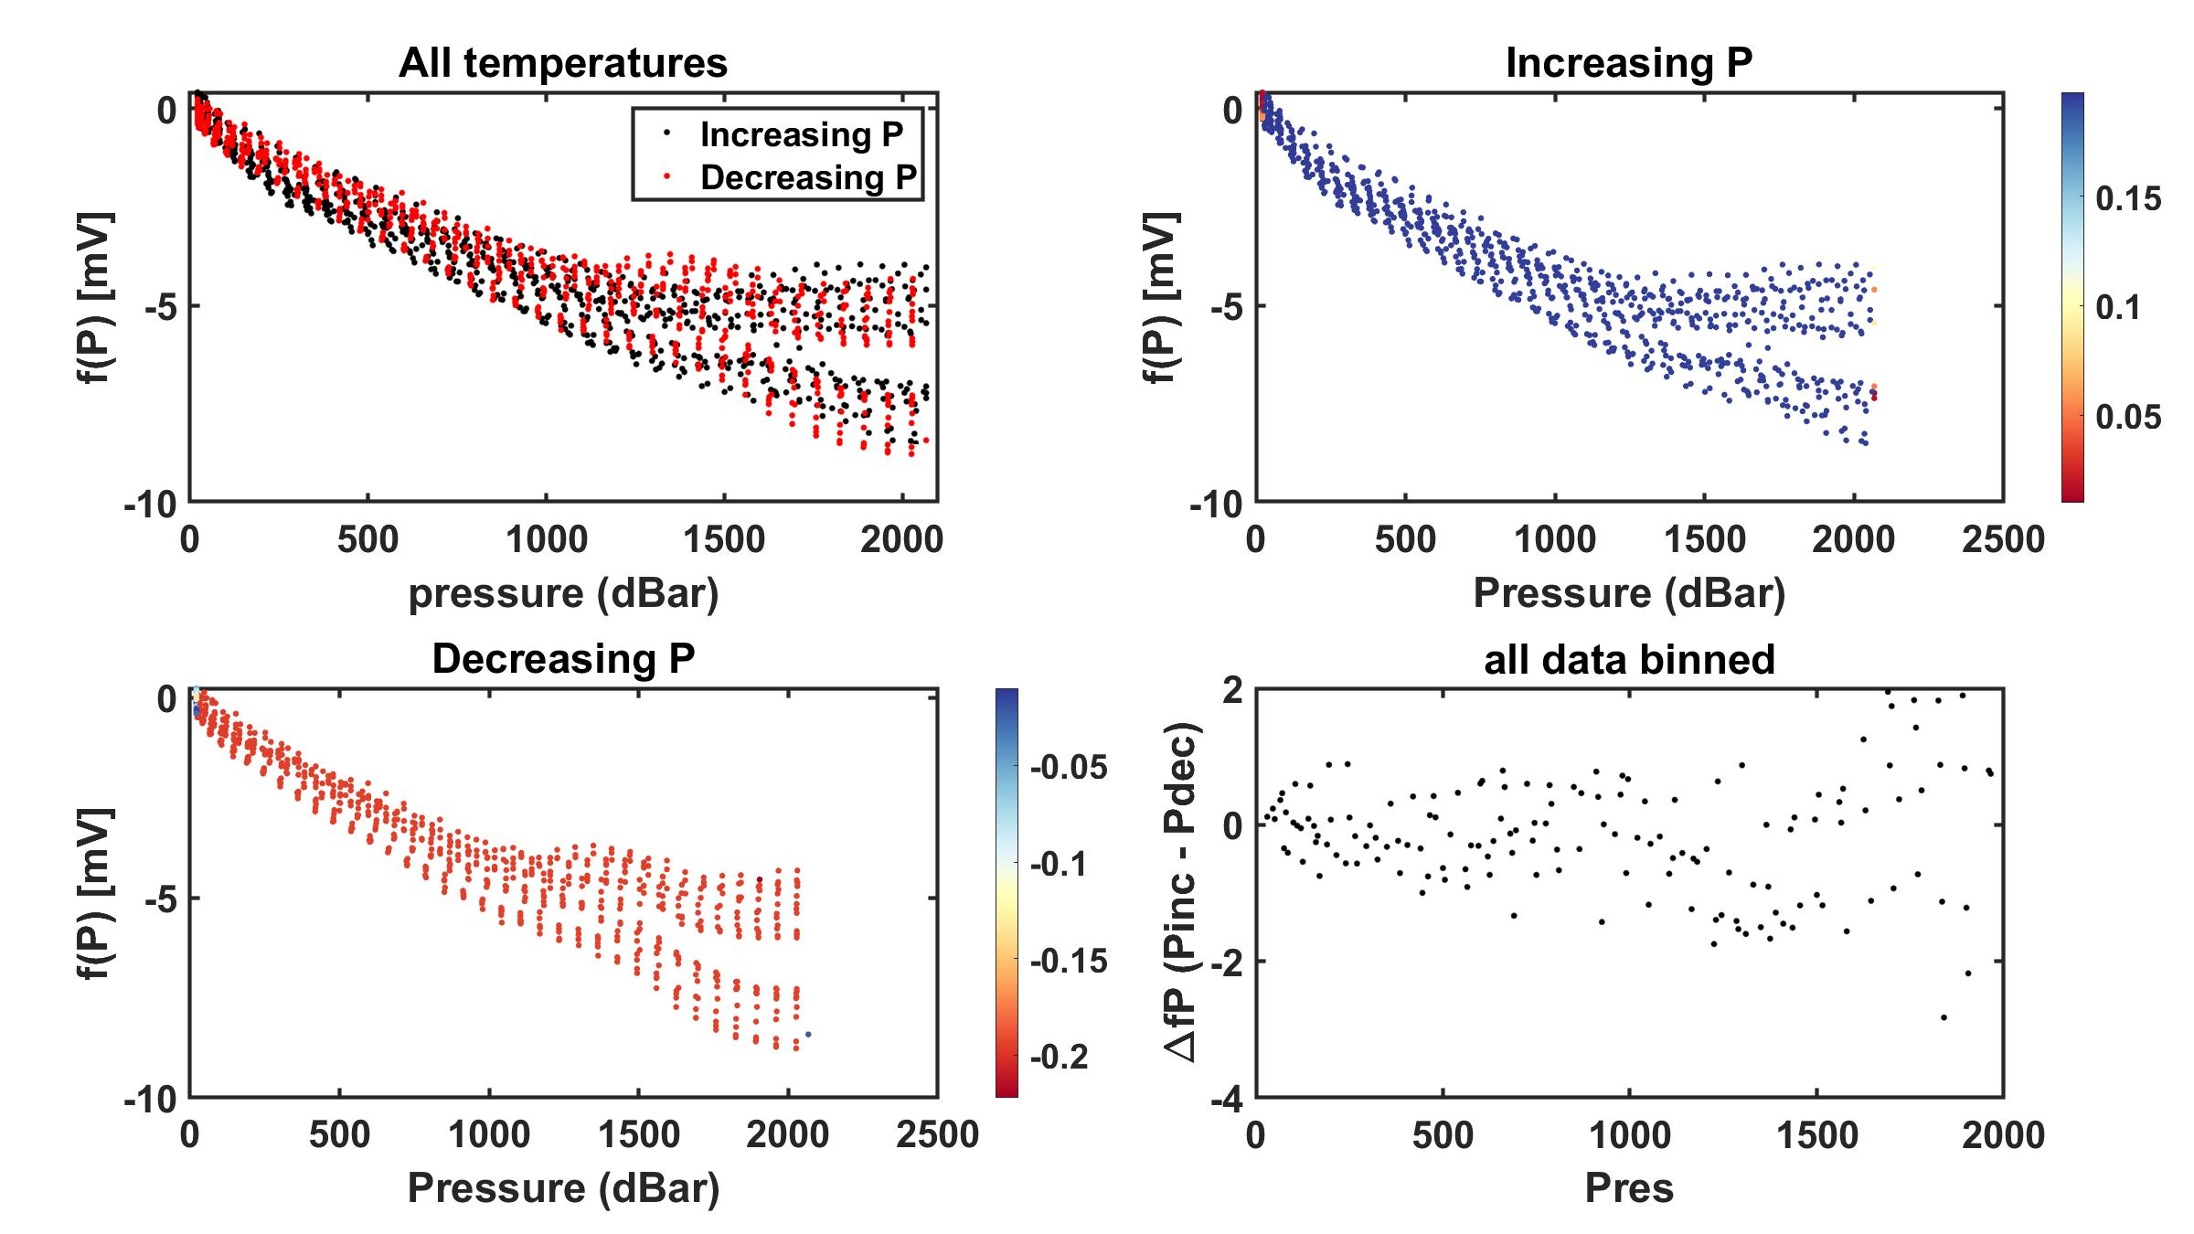

Test 02: 4/5/2022

GDF017
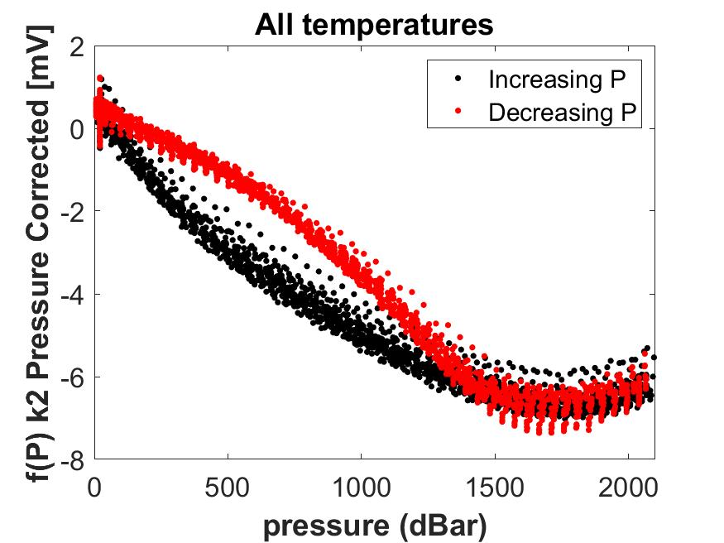
GDF Production Traveler
Serial Number: |  | GDF 017
Version2: |  | rev A with machined corners
Installed on Float WMO:

Step No. | Description |  | Date | By | Notes
1 | Kit parts |  | 2022-01-24 | PW
2 | Visual Inspection |  | 2022-01-24 | PW
3 | Coverplate |  | tall shoulder
Dim A | Dim B | Dim C | Dim D | Dim E | Dim F | Dim G
0.027 | 0.036 | 0.298 | 0.097 | 0.061 | 0.019 | 0.301
4 | Gasket thickness |  | 0.0313
 | Gasket material |  | viton sheet 1/32"
 | Gasket compression |  | -0.00625
5 | Build sensor |  | 2022-02-17
6 | Photos front and back3 |  |  |  |  |  | Comments:
7 | Other photos3 |  |  |  |  |  | GDF 16 -21 built with Fluke Machine parts
8 | VL pellet resistance |  | 75 kOhm |  |  |  | Run with tall shoulder coverplate and also Ti no shoulder coverplate.
9 | ISFET diode measurement |  | 0.611 / 0.611 |  |  |  | 13 April 2022 rebuilt with new chip and new gasket and tall shoulder coverplate
10 | Counter electrode resistance |  | 0.3 Ohm
11 | Seawater Cond. (num. days)
12 | K2 cal (file name)
13 | f(p) cal (file name)
14 | Install on endcap |  |  |  |  |  | CTD# 17193 and MSC# 1022
15 | Test / Calibration K0
16 | Shipped to
17 | Deployed

2 IR = Initial release (soldered pellet), A = rev A (fuzzy pellet)
3 Photos go in \\atlas.shore.mbari.org\ProjectLibrary\pH2018\Production\YYYY-xxx\photos,
 | YYYY-xxx is the serial number

Test 01: 2/18/2022

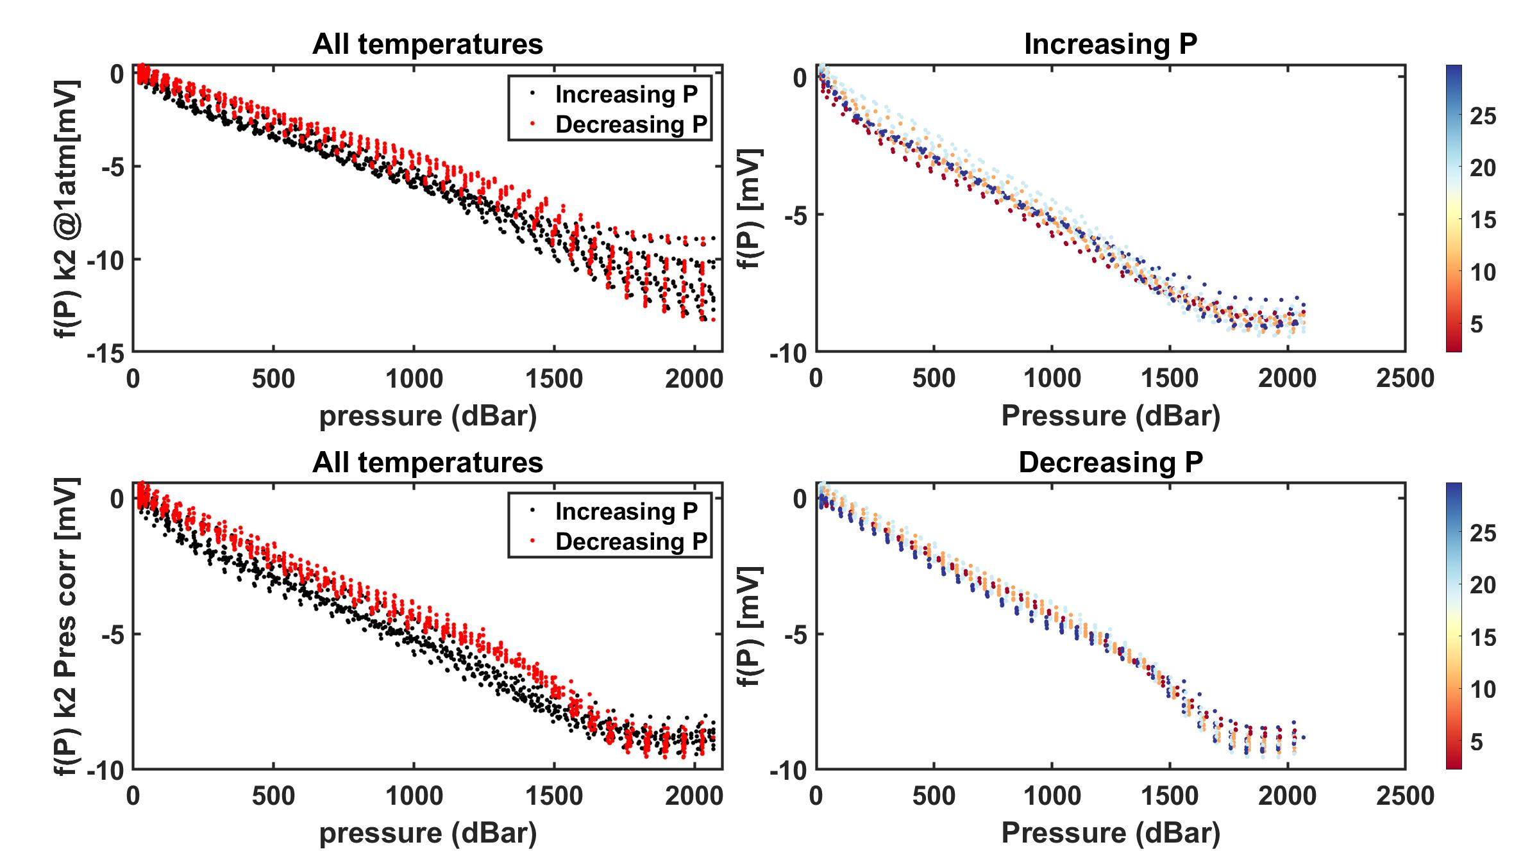

Test 02: 3/22/2022

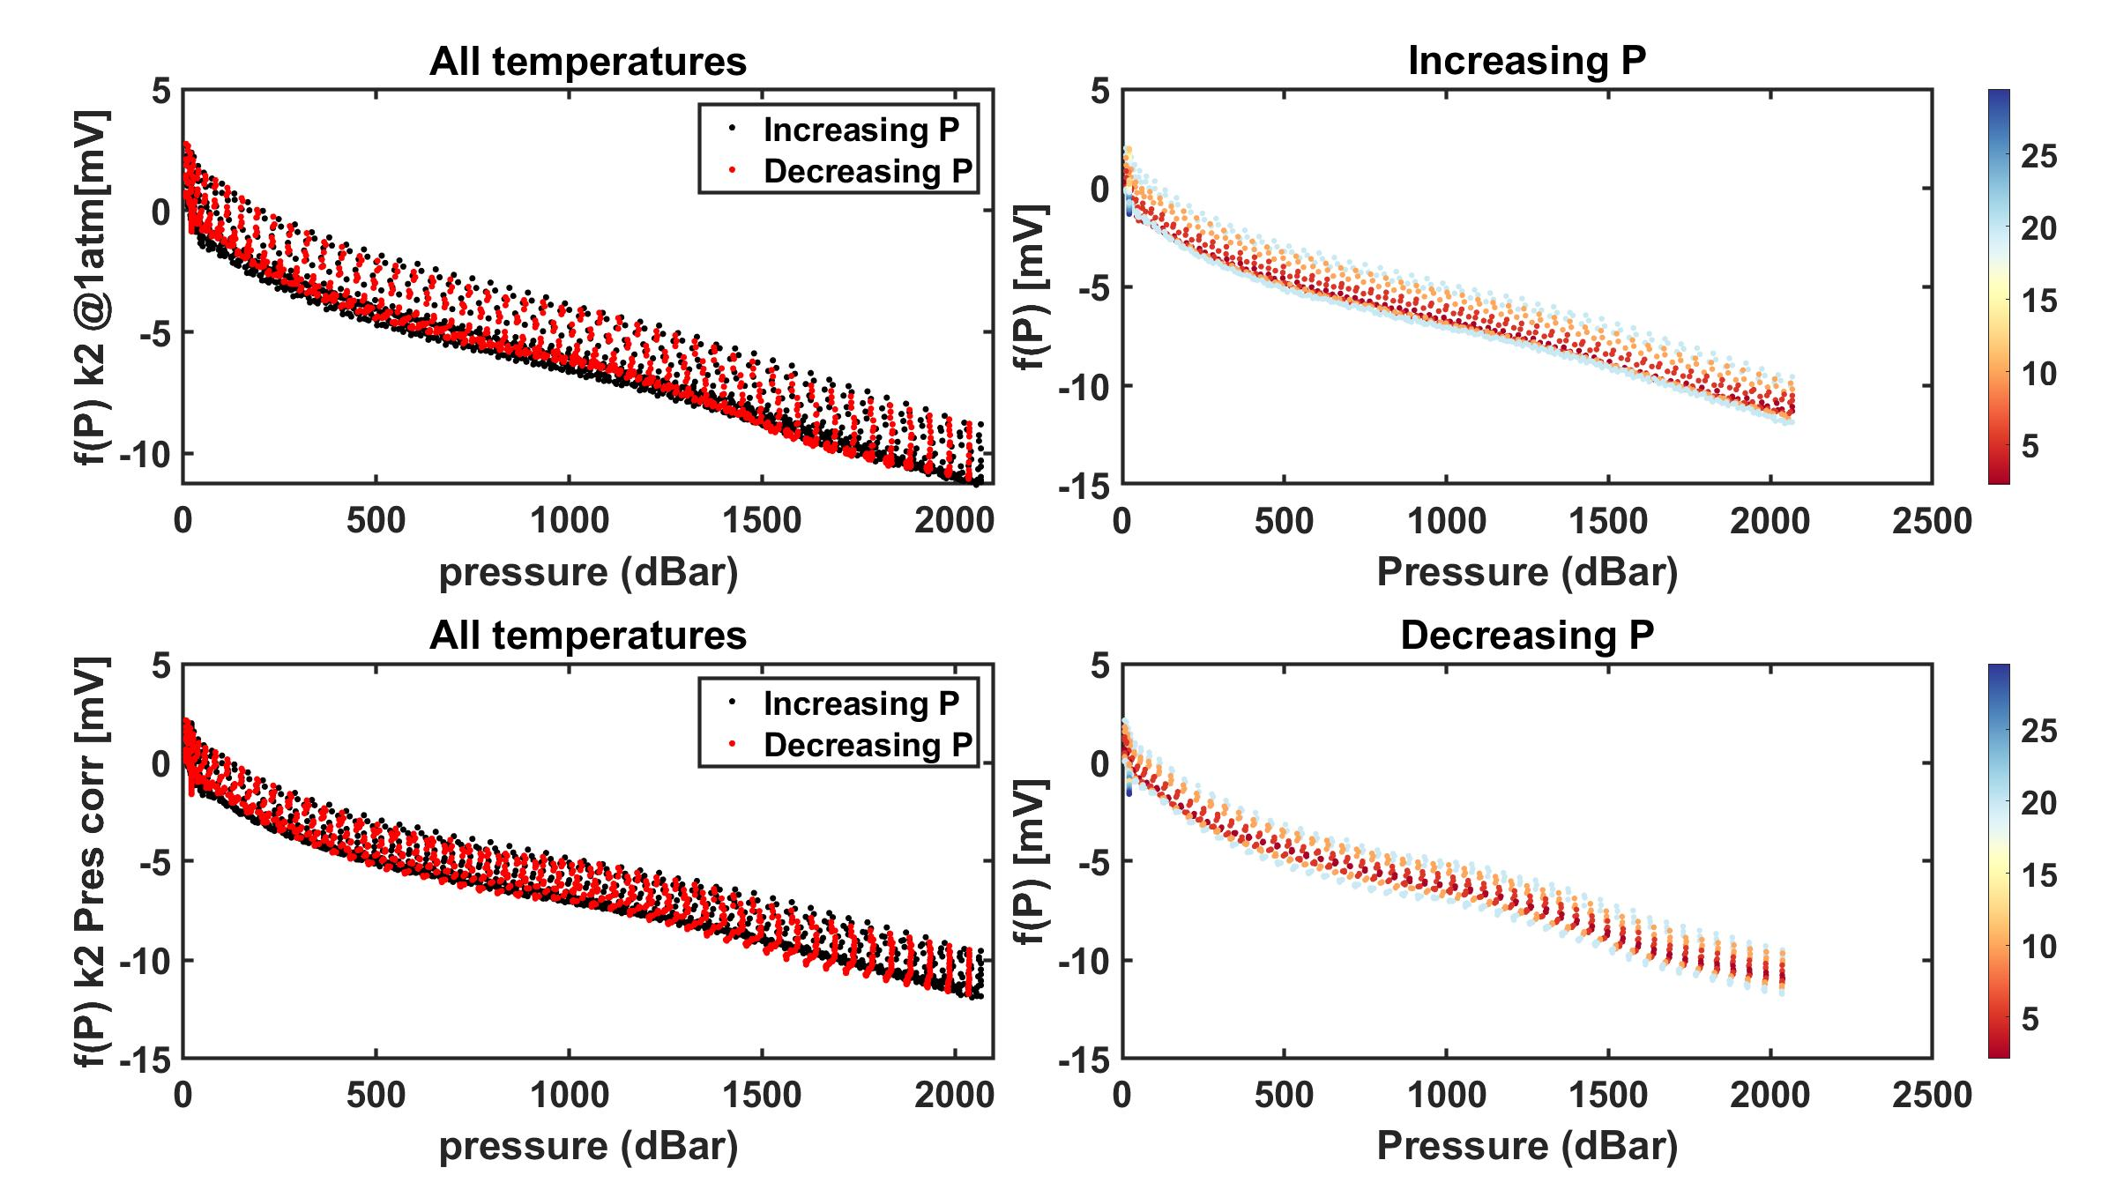

Test 03: 4/15/2022

GDF018
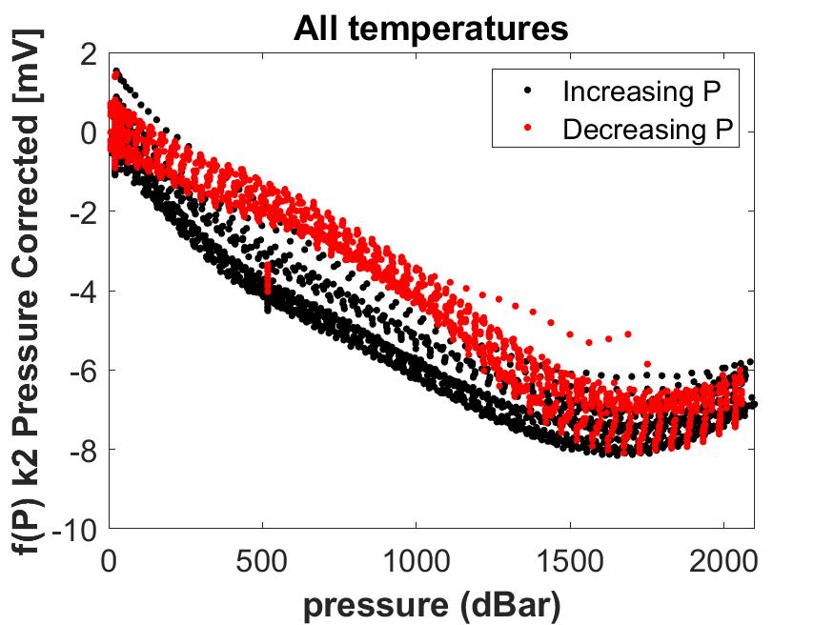
GDF Production Traveler
Serial Number: |  | GDF 018
Version2: |  | rev A with machined corners
Installed on Float WMO:

Step No. | Description |  | Date | By | Notes
1 | Kit parts |  | 2022-01-24 | PW
2 | Visual Inspection |  | 2022-01-24 | PW
3 | Coverplate |  | tall shoulder
Dim A | Dim B | Dim C | Dim D | Dim E | Dim F | Dim G
0.027 | 0.036 | 0.298 | 0.097 | 0.061 | 0.019 | 0.301
4 | Gasket thickness |  | 0.0313
 | Gasket material |  | viton sheet 1/32"
 | Gasket compression |  | -0.00625
5 | Build sensor |  | 2022-02-17
6 | Photos front and back3 |  |  |  |  |  | Comments:
7 | Other photos3 |  |  |  |  |  | GDF 16 -21 built with Fluke Machine parts
8 | VL pellet resistance |  | 80 kOhm
9 | ISFET diode measurement |  | 0.582 / 0.582
10 | Counter electrode resistance |  | 0.1 Ohm
11 | Seawater Cond. (num. days)
12 | K2 cal (file name)
13 | f(p) cal (file name)
14 | Install on endcap |  |  |  |  |  | CTD# 17177 and MSC# 1021
15 | Test / Calibration K0
16 | Shipped to
17 | Deployed

2 IR = Initial release (soldered pellet), A = rev A (fuzzy pellet)
3 Photos go in \\atlas.shore.mbari.org\ProjectLibrary\pH2018\Production\YYYY-xxx\photos,
 | YYYY-xxx is the serial number

Test 01: 2/23/2022

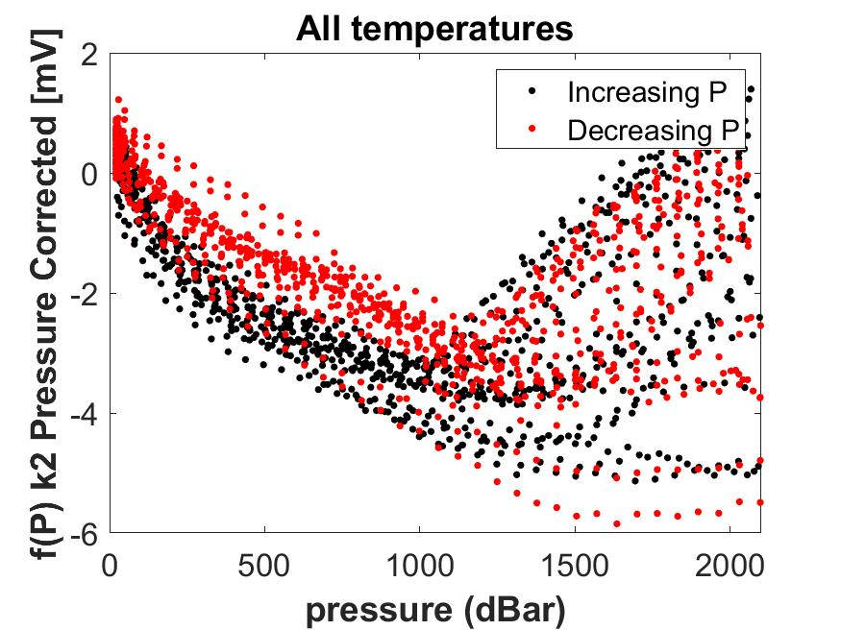

Test 02: 2/28/2022

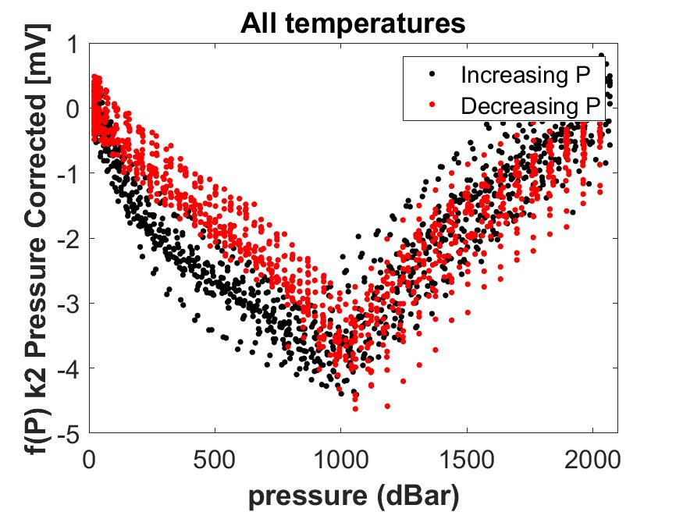

Test 03: 4/5/2022

GDF019
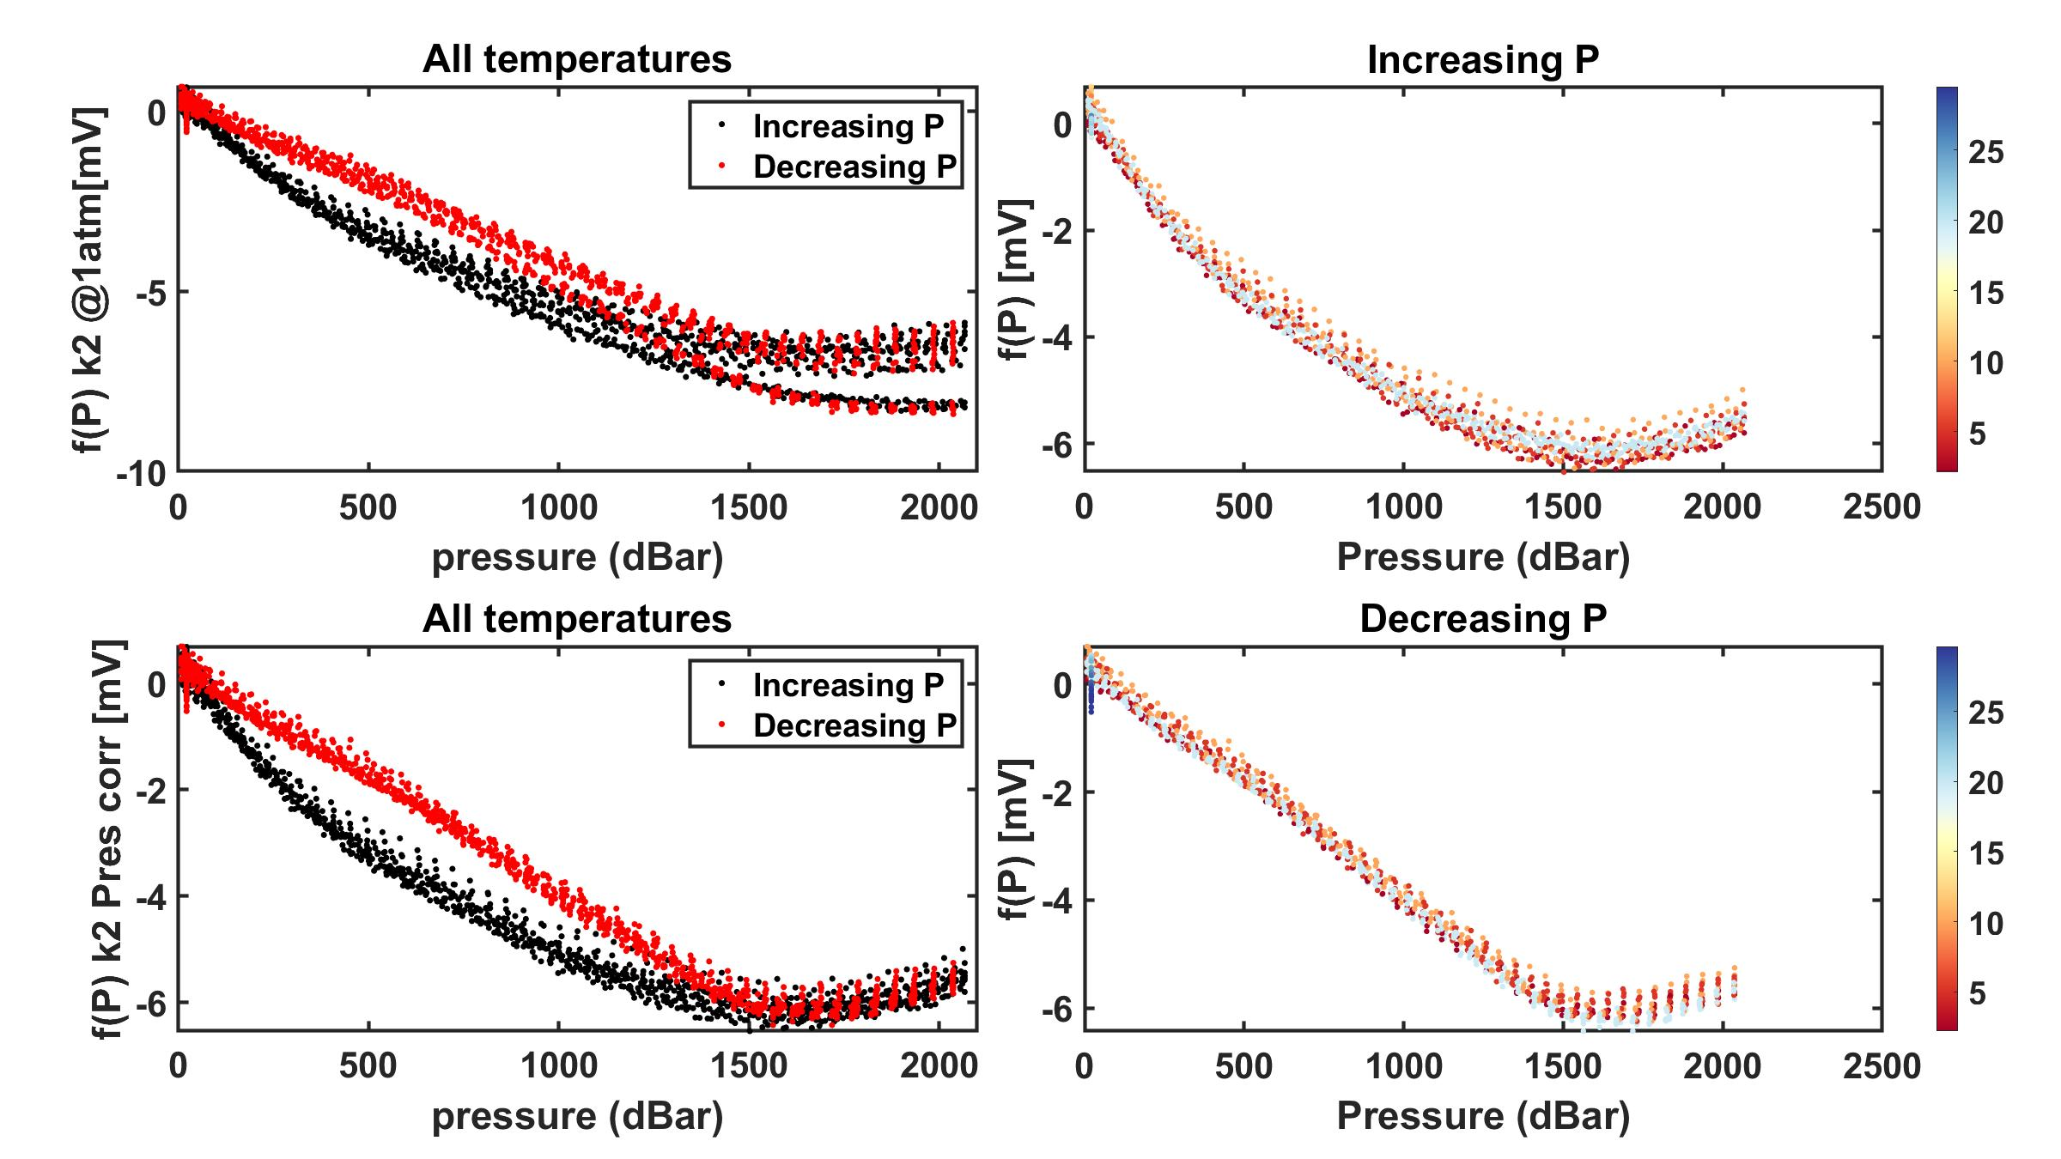
GDF Production Traveler
Serial Number: |  | GDF 019
Version2: |  | rev A with machined corners
Installed on Float WMO:

Step No. | Description |  | Date | By | Notes
1 | Kit parts |  | 2022-01-24 | PW
2 | Visual Inspection |  | 2022-01-24 | PW
3 | Coverplate |  | tall shoulder
Dim A | Dim B | Dim C | Dim D | Dim E | Dim F | Dim G
0.027 | 0.036 | 0.298 | 0.097 | 0.061 | 0.019 | 0.301
4 | Gasket thickness |  | 0.0313
 | Gasket material |  | viton sheet 1/32"
 | Gasket compression |  | -0.00625
5 | Build sensor |  | 2022-02-17
6 | Photos front and back3 |  |  |  |  |  | Comments:
7 | Other photos3 |  |  |  |  |  | 2/28/22 calibrated with tall shoulder coverplate but Vrs signal inconsistent
8 | VL pellet resistance |  | 55 kOhm |  |  |  | installed o-ring coverplate 3/8/22 for PTC tests. Sensor developed an unusual decreasing pressure hysteresis. 3/16/22 installed new ISFET chip and new gasket with tall shoulder coverplate. Will re-run in PTC.
9 | ISFET diode measurement |  | 0.585 / 0.585
10 | Counter electrode resistance |  | 0.1 Ohm |  |  |  | GDF 16 -21 built with Fluke Machine parts
11 | Seawater Cond. (num. days)
12 | K2 cal (file name)
13 | f(p) cal (file name)
14 | Install on endcap
15 | Test / Calibration K0
16 | Shipped to
17 | Deployed |  |  |  |  |  | CTD# 17174 and MSC# 1018

2 IR = Initial release (soldered pellet), A = rev A (fuzzy pellet)
3 Photos go in \\atlas.shore.mbari.org\ProjectLibrary\pH2018\Production\YYYY-xxx\photos,
 | YYYY-xxx is the serial number

Test 01: 2/23/2022

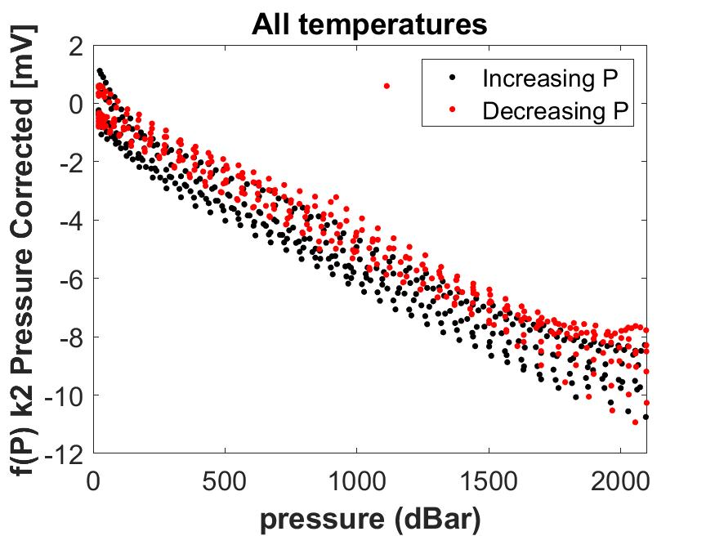

Test 02: 2/28/2022

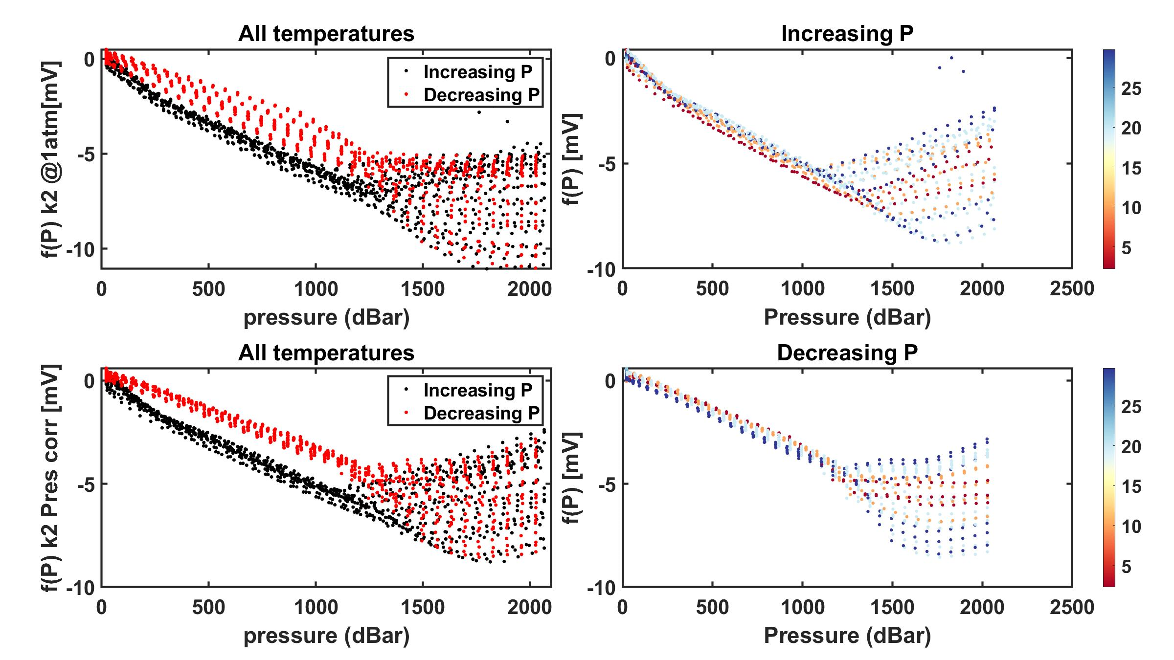

Test 03: 3/8/2022

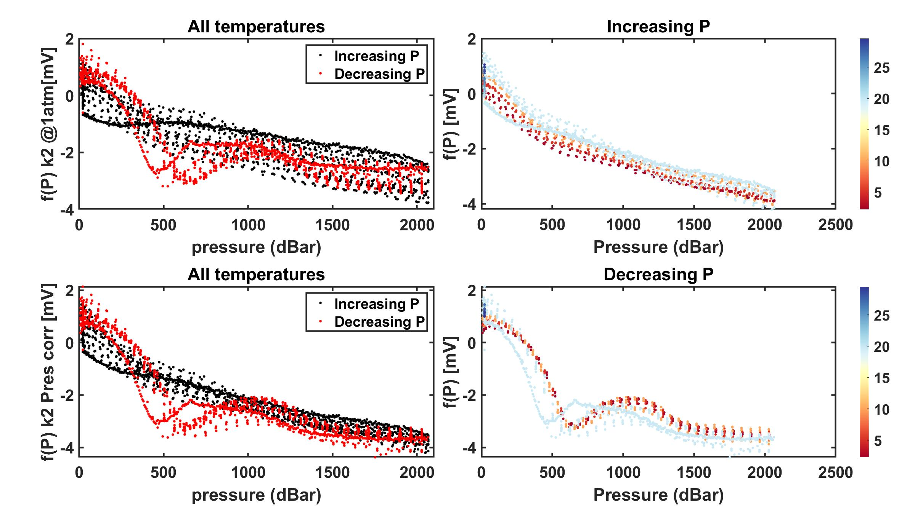

Test 04: 3/14/2022

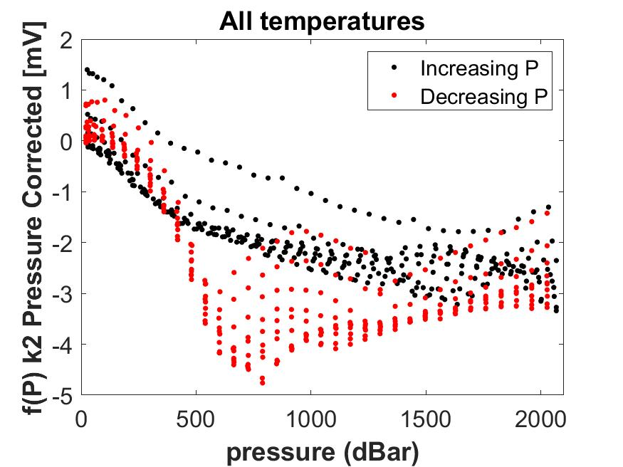

Test 05: 3/22/2022

GDF020
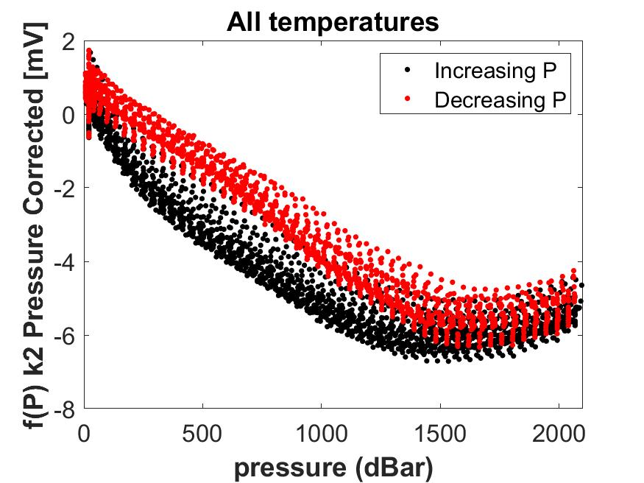
GDF Production Traveler
Serial Number: |  | GDF 020
Version2: |  | rev A with machined corners
Installed on Float WMO:

Step No. | Description |  | Date | By | Notes
1 | Kit parts |  | 2022-01-24 | PW
2 | Visual Inspection |  | 2022-01-24 | PW
3 | Coverplate |  | tall shoulder
Dim A | Dim B | Dim C | Dim D | Dim E | Dim F | Dim G
0.027 | 0.036 | 0.298 | 0.097 | 0.061 | 0.018 | 0.301
4 | Gasket thickness |  | 0.0313
 | Gasket material |  | viton sheet 1/32"
 | Gasket compression |  | -0.00725
5 | Build sensor |  | 2022-02-17
6 | Photos front and back3 |  |  |  |  |  | Comments: PTC calibration 3/16/22
7 | Other photos3 |  |  |  |  |  | GDF 16 -21 built with Fluke Machine parts
8 | VL pellet resistance |  |  |  |  |  | initially run with tall shoulder coverplate, 13April 2022 replaced chip and gasket
9 | ISFET diode measurement |  | 0.593/0.593
10 | Counter electrode resistance |  | 0.1 Ohm
11 | Seawater Cond. (num. days)
12 | K2 cal (file name)
13 | f(p) cal (file name)
14 | Install on endcap
15 | Test / Calibration K0
16 | Shipped to
17 | Deployed |  |  |  |  |  | CTD# 14606 and MSC# 1024

2 IR = Initial release (soldered pellet), A = rev A (fuzzy pellet)
3 Photos go in \\atlas.shore.mbari.org\ProjectLibrary\pH2018\Production\YYYY-xxx\photos,
 | YYYY-xxx is the serial number

Test 01: 3/16/2022



Test 02: 4/15/2022

GDF021

GDF Production Traveler
Serial Number: |  | GDF 021
Version2: |  | rev A with machined corners
Installed on Float WMO:

Step No. | Description |  | Date | By | Notes
1 | Kit parts |  | 2022-01-24
2 | Visual Inspection |  | 2022-01-24
3 | Coverplate |  | tall shoulder
Dim A | Dim B | Dim C | Dim D | Dim E | Dim F | Dim G
0.027 | 0.036 | 0.298 | 0.097 | 0.061 | 0.018 | 0.301
4 | Gasket thickness |  | 0.0313
 | Gasket material |  | viton sheet 1/32"
 | Gasket compression |  | -0.00725
5 | Build sensor |  | 2022-02-17
6 | Photos front and back3 |  |  |  |  |  | comments: PTC calibration 3/16/22
7 | Other photos3 |  |  |  |  |  | GDF 16 -21 built with Fluke Machine parts
8 | VL pellet resistance
9 | ISFET diode measurement |  | 0.587/0.587
10 | Counter electrode resistance |  | 0.2 Ohm
11 | Seawater Cond. (num. days)
12 | K2 cal (file name)
13 | f(p) cal (file name)
14 | Install on endcap
15 | Test / Calibration K0
16 | Shipped to
17 | Deployed |  |  |  |  |  | CTD# 17176 and MSC# 1020

2 IR = Initial release (soldered pellet), A = rev A (fuzzy pellet)
3 Photos go in \\atlas.shore.mbari.org\ProjectLibrary\pH2018\Production\YYYY-xxx\photos,
 | YYYY-xxx is the serial number

Test 01: 3/16/2022

GDF022




GDF Production Traveler
Serial Number: |  | GDF 022
Version2: |  | rev A with machined corners
Installed on Float WMO:

Step No. | Description |  | Date | By | Notes
1 | Kit parts |  | 2022-04-25 | PW
2 | Visual Inspection |  | 2022-04-25 | PW
3 | Coverplate
Dim A | Dim B | Dim C | Dim D | Dim E | Dim F | Dim G
0.027 | 0.036 | 0.298 | 0.097 | 0.060 | 0.019 | 0.301
4 | Gasket thickness |  | 0.0313
 | Gasket material |  | viton sheet 1/32"
 | Gasket compression |  | -0.00725
5 | Build sensor |  | 2022-04-26
6 | Photos front and back3 |  |  |  |  |  | comments: machined corners Fluke parts
7 | Other photos3
8 | VL pellet resistance |  | 85 kOhm
9 | ISFET diode measurement |  | 0.605/0.605
10 | Counter electrode resistance |  | 0.3 Ohm
11 | Seawater Cond. (num. days)
12 | K2 cal (file name)
13 | f(p) cal (file name)
14 | Install on endcap
15 | Test / Calibration K0
16 | Shipped to
17 | Deployed

2 IR = Initial release (soldered pellet), A = rev A (fuzzy pellet)
3 Photos go in \\atlas.shore.mbari.org\ProjectLibrary\pH2018\Production\YYYY-xxx\photos,
 | YYYY-xxx is the serial number

Test 01: 5/25/2022

GDF023

GDF Production Traveler
Serial Number: |  | GDF 023
Version2: |  | rev A with machined corners
Installed on Float WMO:

Step No. | Description |  | Date | By | Notes
1 | Kit parts |  | 2022-04-25 | PW
2 | Visual Inspection |  | 2022-04-25 | PW
3 | Coverplate
Dim A | Dim B | Dim C | Dim D | Dim E | Dim F | Dim G
0.027 | 0.036 | 0.298 | 0.097 | 0.060 | 0.019 | 0.301
4 | Gasket thickness |  | 0.0313
 | Gasket material |  | viton sheet 1/32"
 | Gasket compression |  | -0.00725
5 | Build sensor |  | 2022-04-26
6 | Photos front and back3 |  |  |  |  |  | comments:machined corners Fluke parts
7 | Other photos3 |  |  |  |  |  | ran twice in PTC (June 2022) with odd fP hysteresis. Replaced gasket and isfet chip and re-ran in PTC (July 7 2022)
8 | VL pellet resistance
9 | ISFET diode measurement |  |  |  |  |  | Replaced gasket and ISFET with a Honeywell out of spec (HOS) ISFET die. Still performed poorly.
10 | Counter electrode resistance
11 | Seawater Cond. (num. days)
12 | K2 cal (file name)
13 | f(p) cal (file name)
14 | Install on endcap
15 | Test / Calibration K0
16 | Shipped to
17 | Deployed

2 IR = Initial release (soldered pellet), A = rev A (fuzzy pellet)
3 Photos go in \\atlas.shore.mbari.org\ProjectLibrary\pH2018\Production\YYYY-xxx\photos,
 | YYYY-xxx is the serial number

Test 01: 6/01/2022


Test 01: 6/27/2022


Test 01: 7/07/2022



Test 01: 7/27/2022

GDF 033

GDF Production Traveler
Serial Number: |  | GDF 033
Version2: |  | rev A with machined corners

Installed on Float WMO:

Step No. | Description |  | Date | By | Notes
1 | Kit parts |  | 2024-03-01 | PW
2 | Visual Inspection |  | 2024-03-01 | PW
3 | Coverplate |  | tall shoulder
Dim A | Dim B | Dim C | Dim D | Dim E | Dim F | Dim G
0.024 | 0.036 | 0.298 | 0.097 | 0.060 | 0.018 | 0.301
4 | Gasket thickness |  | 0.0313
 | Gasket material |  |  |  |  |  | Tall shoulder coverplate: Rev G
 | Gasket compression |  | -0.00830 |  |  |  | Housing: Rev U
5 | Build sensor |  | 2024-04-03
6 | Photos front and back3 |  |  |  |  |  | comments:
7 | Other photos3 |  |  |  |  |  | modified with oil fill port for pressure balanced design.
8 | VL pellet resistance |  | ~70 kOhm | PW |  |  | shoulder of peek coverplate now 0.023-0.025 (Dimension "A")
9 | ISFET diode measurement |  | 0.605/0.605 | PW
10 | Counter electrode resistance |  | 0.3 Ohm | PW
11 | Seawater Cond. (num. days)
12 | K2 cal (file name)
13 | f(p) cal (file name)
14 | Install on endcap
15 | Test / Calibration K0
16 | Shipped to
17 | Deployed

2 IR = Initial release (soldered pellet), A = rev A (fuzzy pellet)
3 Photos go in \\atlas.shore.mbari.org\ProjectLibrary\pH2018\Production\YYYY-xxx\photos,
 | YYYY-xxx is the serial number

GDF template

GDF Production Traveler
Serial Number:
Version2:
Installed on Float WMO:

Step No. | Description |  | Date | By | Notes
1 | Kit parts
2 | Visual Inspection
3 | Coverplate
Dim A | Dim B | Dim C | Dim D | Dim E | Dim F | Dim G

4 | Gasket thickness
 | Gasket material
 | Gasket compression
5 | Build sensor
6 | Photos front and back3 |  |  |  |  |  | comments:
7 | Other photos3
8 | VL pellet resistance
9 | ISFET diode measurement
10 | Counter electrode resistance
11 | Seawater Cond. (num. days)
12 | K2 cal (file name)
13 | f(p) cal (file name)
14 | Install on endcap
15 | Test / Calibration K0
16 | Shipped to
17 | Deployed

2 IR = Initial release (soldered pellet), A = rev A (fuzzy pellet)
3 Photos go in \\atlas.shore.mbari.org\ProjectLibrary\pH2018\Production\YYYY-xxx\photos,
 | YYYY-xxx is the serial number

