To Do
Design
Finalize the ISFET seal design | Gene
Design the tooling | Gene
Finish the Circuit Card Assembly (CCA) | Jose
Design the AgCl electrode (AE) mold tooling

Buy everything

Build
Build the ISFET seal tooling
Build the AE mold tooling
Build the CCA
Finish machining all the parts

Develop
Develop the AE assy modling process
Develop the seal modling process
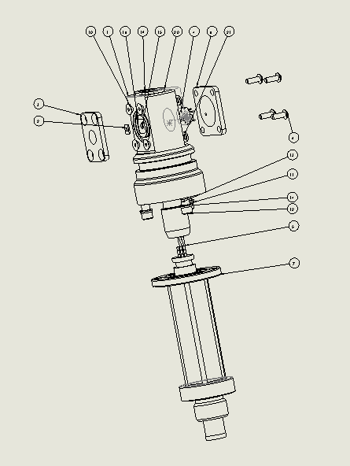
Build the whole sensor
Pressure test/cal
MBARI BOM
WO Placed | Ordered | Kitted | ITEM NO. | SW-File Name(File Name) | MATERIAL | Vendor | VendorNo | Manufacturer | ManufacturerNo | Exploded/QTY. | Build QTY.
 |  |  | 1 | Housing5 |  |  |  |  |  | 1
 |  |  | 2 | DuraFETchip |  |  |  |  |  | 1
 |  |  | 3 | FrontCoverPlate | Ti-6Al-4VSolution treated and aged (SS) |  |  | MBARI |  | 1
 |  |  | 4 | CCA |  |  |  |  |  | 1

 |  |  | 5 | PaveTech16321 |  |  |  |  |  | 1
 |  |  | 6 | backCoverPlate | Ti-6Al-4VSolution treated and aged (SS) |  |  | MBARI |  | 1
 |  |  | 7 | portAdapter2 | 6061-T6 (SS) |  |  |  |  | 1
 |  |  | 8 | O-Ring 3-906 | SS 316 |  |  |  |  | 1
 |  |  | 9 | SBHCSCREW 0.086-56x0.25-HX-N |  |  |  |  |  | 4
 |  |  | 10 | SCHCSCREW 0.086-56x0.25x0.25-HX- N |  |  |  |  |  | 4
 |  |  | 11 | Regular LW 0.112SS-316 | SS 316 |  |  |  |  | 3
 |  |  | 12 | HX-SHCS 0.112-40x0.3125x0.3125-N- SS-316 | SS 316 |  |  |  |  | 3
 |  |  | 13 | isolatorBushing | Delrin 2700 NC010, Low Viscosity Acetal Copolymer (SS) |  |  |  |  | 3
 |  |  | 14 | 93493A229_FIBERGLASS FLAT WASHER |  | McMaster Carr | 93493A229 |  |  | 3
 |  |  | 15 | duraFETLowerGasket |  |  |  |  |  | 1
 |  |  | 16 | duraFETUpperGasket |  |  |  |  |  | 1
 |  |  | 17 | 90910A380_LOW-PROFILE BUTTON HEAD TORX MACHINE SCREW |  | McMaster Carr | 90910A380 |  |  | 1
 |  |  | 18 | O-Ring | NITRILE |  |  |  |  | 1
 |  |  | 19 | refPelletCasting |  |  |  |  |  | 1
 |  |  | 20 | VLReferenceCastingCap |  |  |  |  |  | 1
 |  |  | 21 | Regular LW 0.086 |  |  |  |  |  | 4
 |  |  | 22 | SolderTerminal |  |  |  | Keystone | 1038 | 1
 |  |  | 23 | Fuzzbutton |  | Custom Interconnects |  |  |  | 3

