To Do
Design
Simplify the AgCl electrode machining
Design the AgCl electrode mold tooling
Redesign for Hans' new Pave penetrator
Oil filled modiications?

Buy/steal
fuzz buttons
Van London AgCl pellets
CCA pins
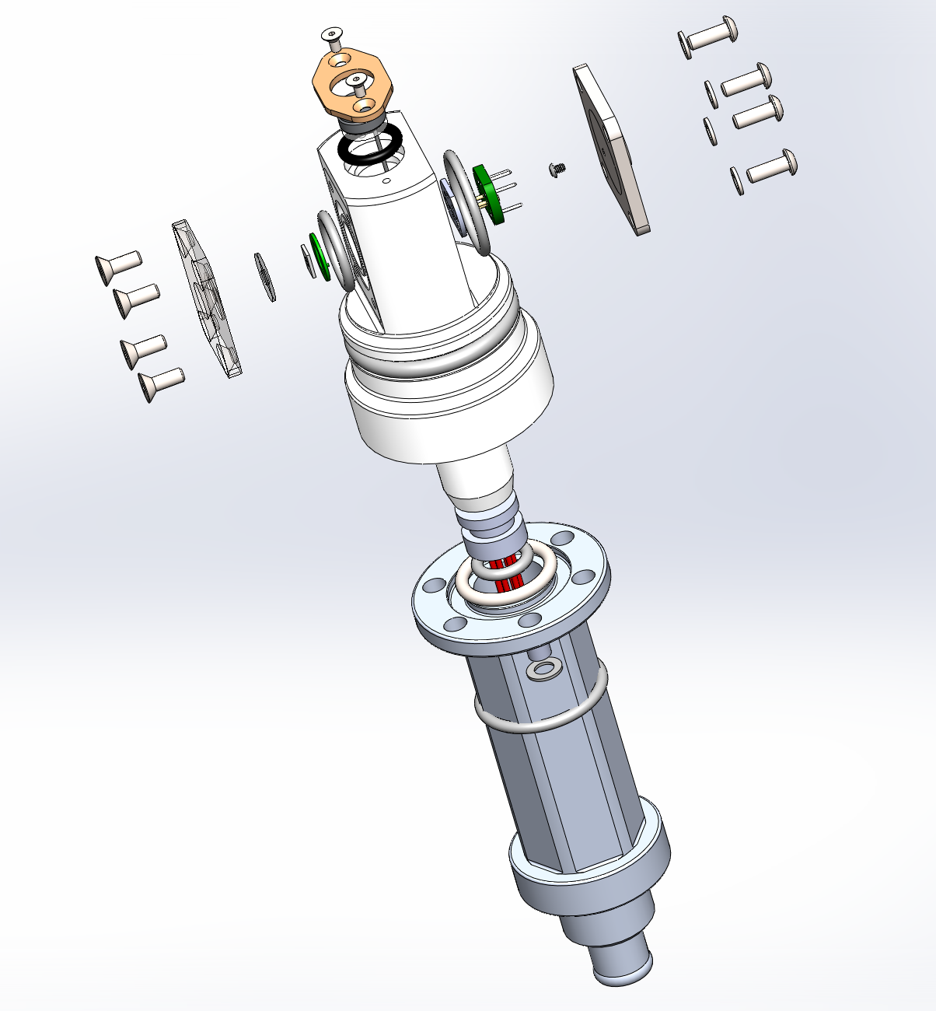
O-Rings
Fasteners

Build
Repunch the gaskets
Build the CCA
remachine housing to match the gasket dimensions
Finish machining all the other parts
front cover | Ti
back cover | Ti
centralizer | PEEK
CCA shim | PEEK
port adapter | Alum
pellet cap | PEEK

Develop
Develop the AgCl pellet molding process

Build the whole sensor
Pressure test/cal

