Sheet1
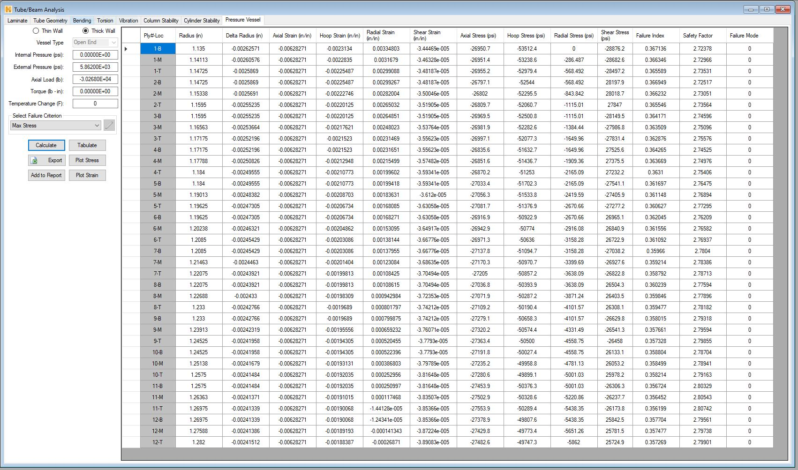
P (psi) | radius (in) | delta radius (in) | axial strain (in/in) | L (in) | V initial | Vfinal | bulk mod (psi) | bulk mod seawater* (psi) | * https://www.engineeringtoolbox.com/bulk-modulus-elasticity-d_585.html
5862 | 1.282 | -0.00241512 | -0.00628271 | 15.77 | 81.424971718 | 80.608828899 | 5.85E+05 | 3.39E+05

