error check
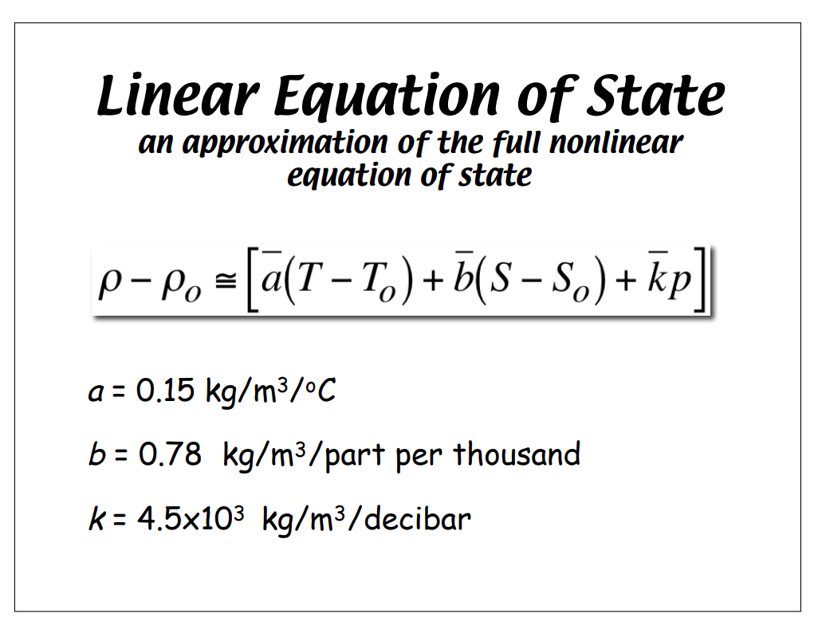
 | Design Depth (m) = |  |  | 2000 | q (psi) = | 2901 |  | SW-density= | .03706 lbf/in^3 |  | SW-density_DEEP= |  | .03706+(2000*1.45876*.03706)/325,000 = .037143

 |  | gram per lb | 453.6

Shell Length (L.b) | I.D. shell | Shell Wall Thickness | O.D SHELL |  |  | Axial Disp.Shell (in./in.) | Total Axial Disp (in) | Delta Radius Change EXTERNAL (in) |  | Max. Stress (Hoop Str) | Margin of Safety | Asymmetric (Lobar) Buckling [Shell Instability] P.crit | Margin of Safety for Buckling |  | Ext. Vol. of Case (in^3) | Dry Wt. of Case (lbf.) | Wet Wt. of Case | Wet Wt. @ Depth | Difference
LM Graphite_Epoxy Fiber Tube 2000m (12L@+/-60)
15.75 | 2.255 | 0.147 | 2.549 |  |  | 0.0031239 | 0.049201 | 0.0011926 |  | 26604 | 5.47 | 5959 | 2.05 | nominal | 80.3730 | 0.996 | -1.983 | -1.975 | -0.008 | x
 |  |  |  |  |  |  |  |  |  |  |  |  |  | depth | 79.9720338
 |  |  |  |  |  |  |  |  |  |  |  |  |  |  |  |  |  | grams: | -3.7293439032

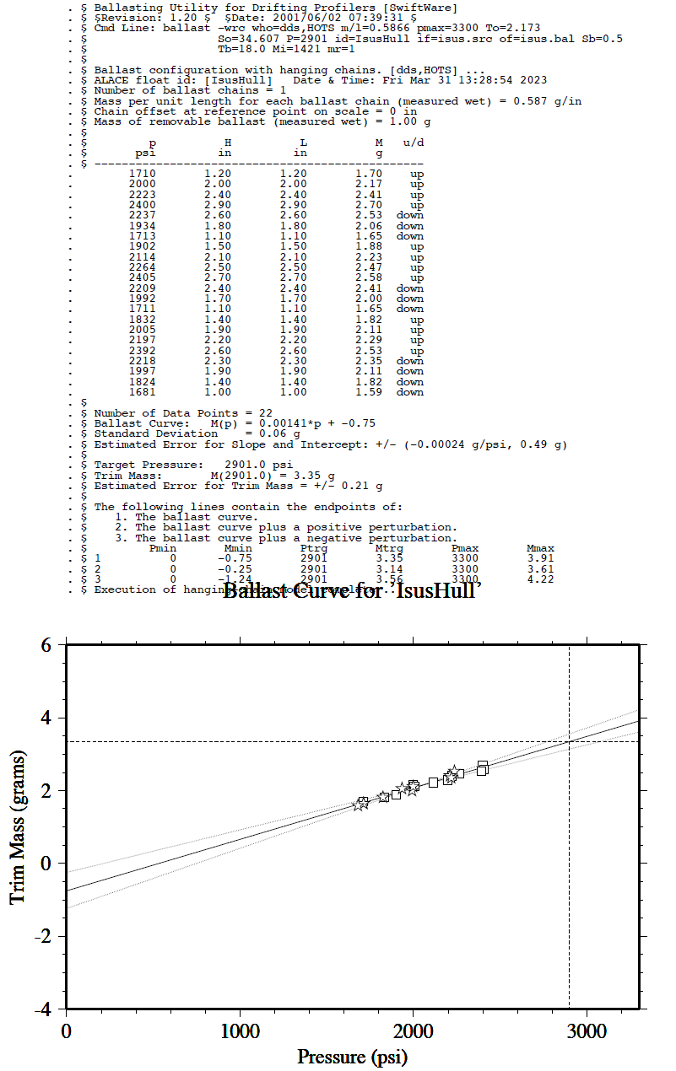
 |  |  |  |  |  |  |  |  |  |  |  |  |  |  | vol | density
 |  |  |  |  |  |  |  |  |  |  |  |  |  |  | m^3 | (kg/m^3) | displaced mass |  | delta g
 |  |  |  |  |  |  |  |  |  |  |  |  |  | nominal | 0.0013170801801 | 1025 | 1.3500071846
 |  |  |  |  |  |  |  |  |  |  |  |  |  | depth | 0.0013091992054 | 1034 | 1.3537119784 |  | -3.7047937853

