Sheet1
Sampler Pulley Belt Center to Center Calculator
E. Nicholson
2024-01-02

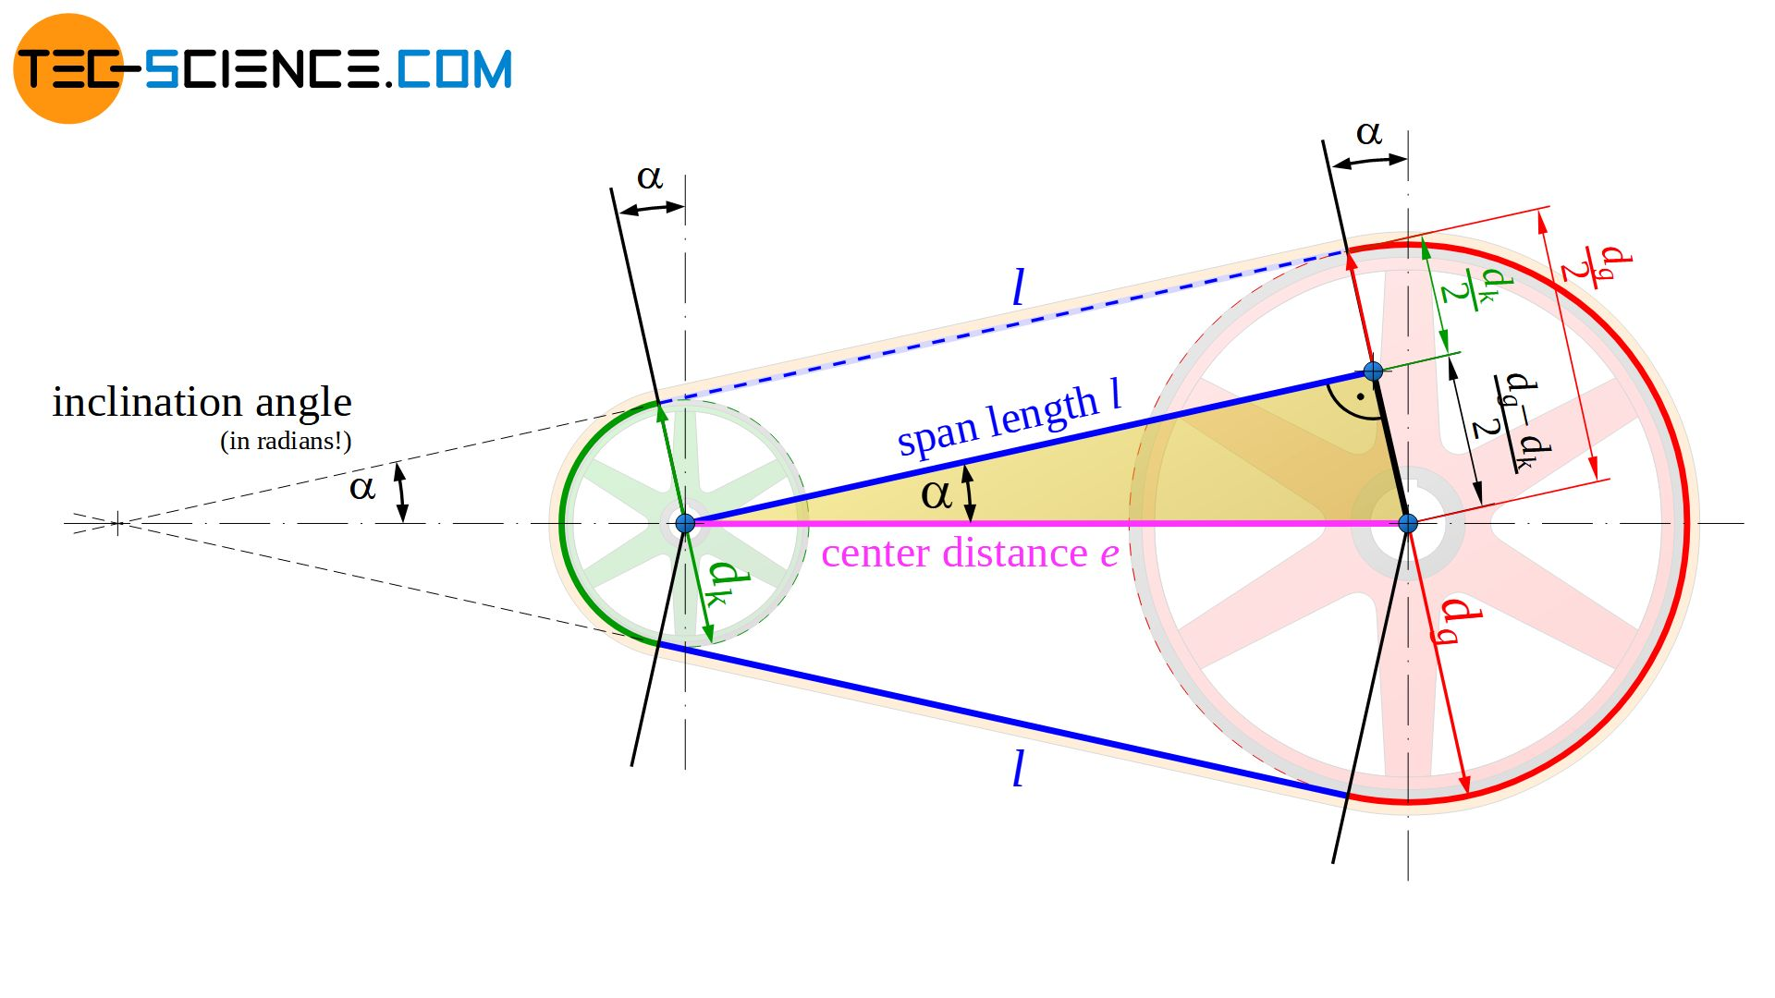

 |  | dl | 10.823 | in
 |  | ds | 0.638 | in

 | Li_set | Li_set | Li_eq | e | alpha_rad | alpha_deg
 | mm | in | in | in | rad | deg
 | 975.36 | 38.4 | 38.400002877 | 8.6517887855 | 0.62931561489 | 36.057128715

