Sheet1
3G ESP Cartridge Numbering

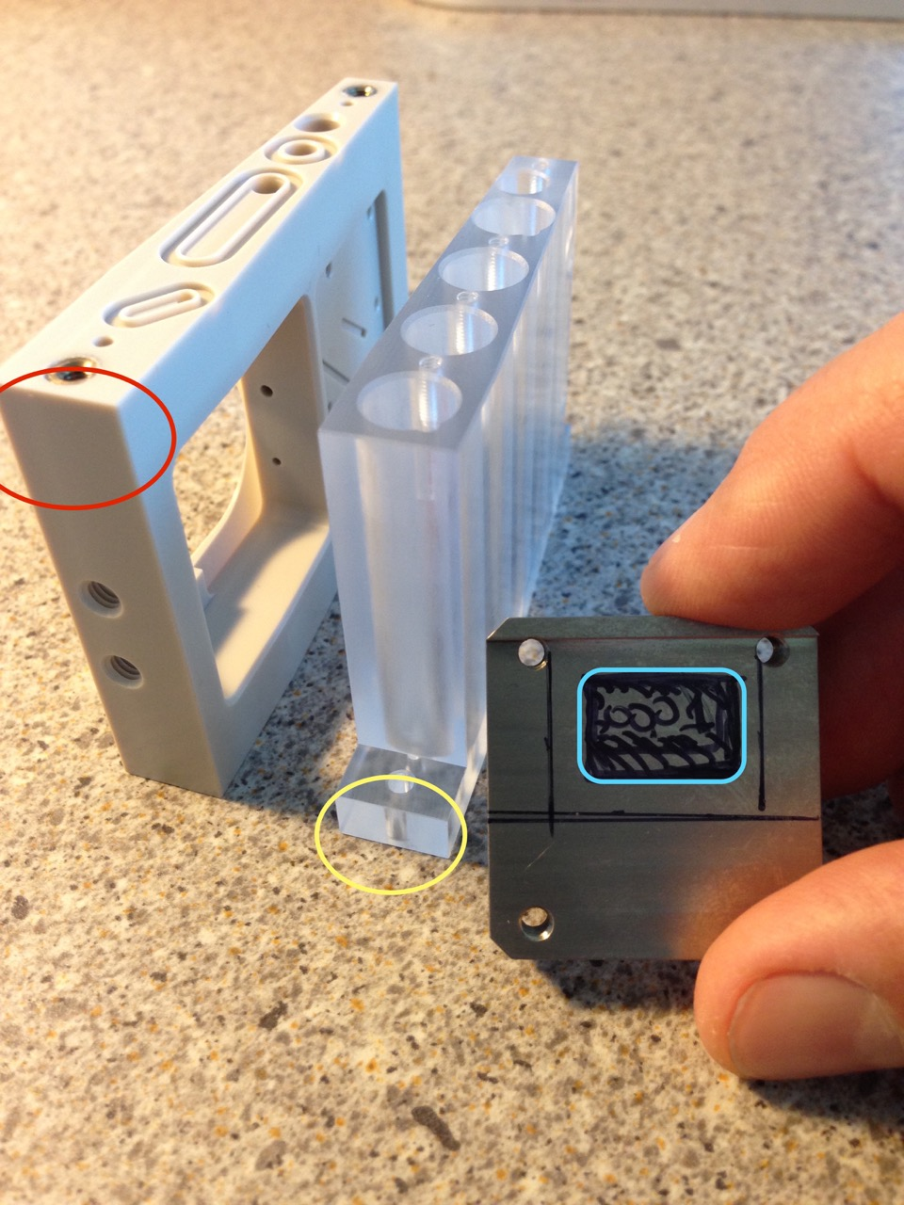
Cartridge numbering format: |  |  |  |  |  |  | This was original
 | A10-0159 | L5-0040 |  |  |  |  | number placement:
 |  |  |  |  |  |  | (Changed cartridge top
A=Archival | 10=Part Rev number on drawing |  | 0159=sequential number |  |  |  | to along edge)
L=Lysis | 5=Part Rev number on drawing |  | 0040=sequential number

Puck numbering format:
 | 7-0350

 | 7=Puck bottom Rev number |  | 0350=sequential number

Numbering at Laser Mark's: |  |  |  | Start # | End # | Cost/ea:
Archive Cartridges
5-Jan-18 | 340 | Syringe tops |  | A10-0000 | A10-0340 | $1.25
 | 340 | PEEK bottoms |  | A18-0000 | A18-0340 | $1.25

Lysis Cartridges
9-Feb-18 | 60 | LNG Cartridge syringe top |  | L8-0000 | L8-0060 | $1.25
 | 40 | LNG Cartridge PEEK bottom |  | L5-0000 | L5-0040 | $1.25

Pucks
5-Jan-18 | 357 | Puck bottoms |  | 7-0000 | 7-0357 | $2.00

 |  |  |  |  |  |  | Final:

