Sheet1
m/s | C/W | Delta
0.5 | 2.03 |  | Aluminum
1 | 1.25 | 0.78
1.5 | 1.01 | 0.24
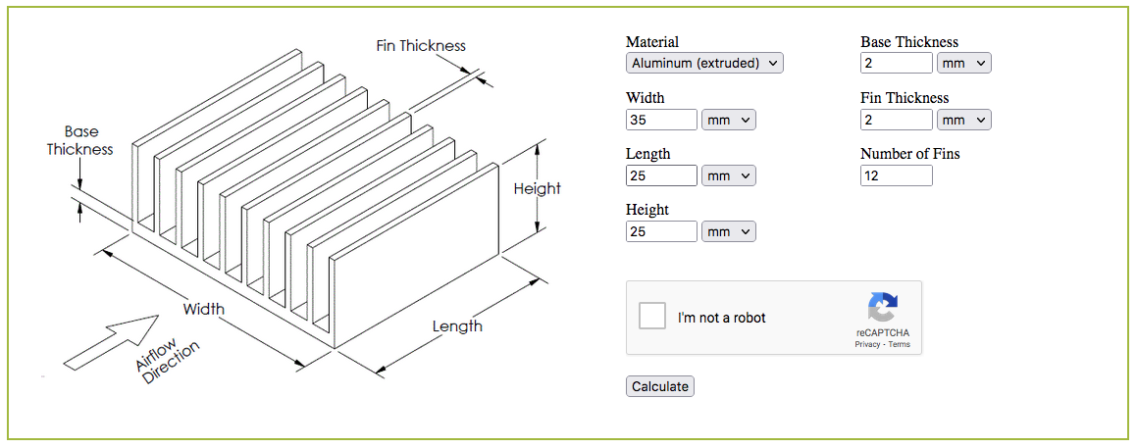
2 | 0.88 | 0.13
2.5 | 0.8 | 0.08
3 | 0.75 | 0.05
3.5 | 0.7 | 0.05
4 | 0.67 | 0.03
4.5 | 0.64 | 0.03
5 | 0.61 | 0.03

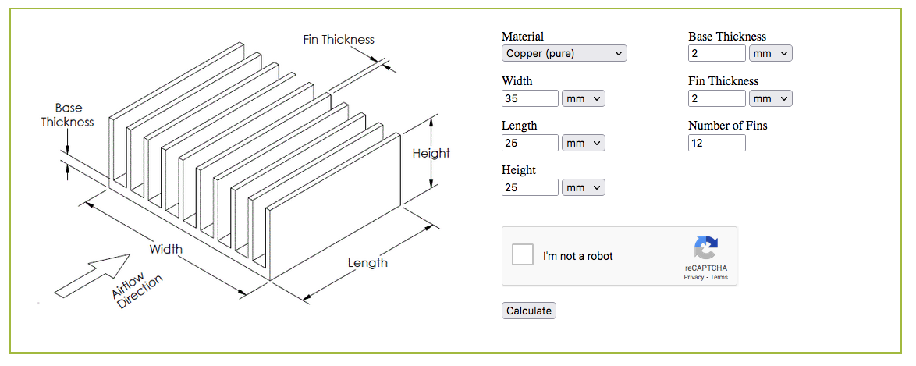
m/s | C/W | Delta | Copper
0.5 | 1.99
1 | 1.22 | 0.77
1.5 | 0.97 | 0.25
2 | 0.85 | 0.12
2.5 | 0.77 | 0.08
3 | 0.71 | 0.06
3.5 | 0.67 | 0.04
4 | 0.63 | 0.04
4.5 | 0.6 | 0.03
5 | 0.58 | 0.02

