Sheet1
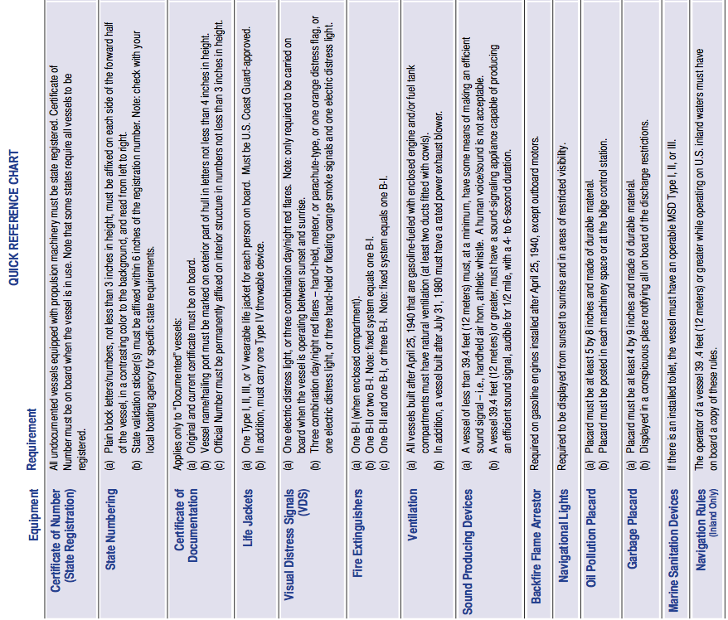

 |  | R/V Paragon is a documented vessel

 |  | We are not required to display registration
 |  | because we are owned by the State of California. UC Santa Cruz.

 |  | Certificate of Documentation is a blue page in logbook and folder
 |  | found under the helm seat
 |  | Vessel Name is on the stern
 |  | Official Number is 993613 and found on placrd inside and
 |  | center of the v-berth
 |  | 6 Type III workvests and 2 Type III youth on port side V-berth
 |  | 8 Type I PFDs in cabinet at apex of V-berth
 |  | 2 Type IV throwable PFD: Life ring (back deck) & sling on roof
 |  | 8 Universal Immersion suits (Starboard V-berth)
 |  | 3 combination day/night flares
 |  | Mirror, Distress, Flag, and 2 whistles
 |  | Expired: parachutes, 10 12-guage aerial, & 3 handheld (Extra)
 |  | ( All found in yellow Pelican case in center V-berth)
 |  | One B-I is mounted in the cabin
 |  | One B-I is in V-berth on starboard side

 |  | Enclosed Saddle Tanks have "Saddletank Blowers" on main panel
 |  | Aft hatch has center and port blowers. "Blowers" on main panel
 |  | Center blower pulls from lower 1/3 of hatch (regulation).
 |  | Required for gas engine and enclosed fuel tanks below.
 |  | Compressed Air Horn is found in yellow Pelican box with flares
 |  | Two whistles are found in yellow Pelican box with flares
 |  | Electric horn. Red, labeled button on console.

 |  | Not Required because we have outboard motors

 |  | Sidellights & anchor light (sufficient for night & restricted visibility)

 |  | Sticker found in aft comnpartment on hydraulic oil reservoir

 |  | Sticker found in cabin on Port side

 |  | Type III portapotty on board OR bucket OR directly over the side

 |  | Navigation Rules are found in storage space under helm seat

Navigation Tools | Found under Helm Seat and/or in yellow Pelican box with flares
Navigation Maps | Found in starboard cabinet inside V-berth
VHF Radios | Two found by helm
Voluntary Inspection Sticker | Outside, aft of Port side window
First Aid Kit | Under port side seat cushion in cabin
Oil containment | Bucket, oil-absorbant rags (aft compartment and/or under helm seat)
EPIRB | Outside in starboard side of aft wall of cabin
SPOT beacon | In black Pelican case on starboard side of roof

