Sheet1
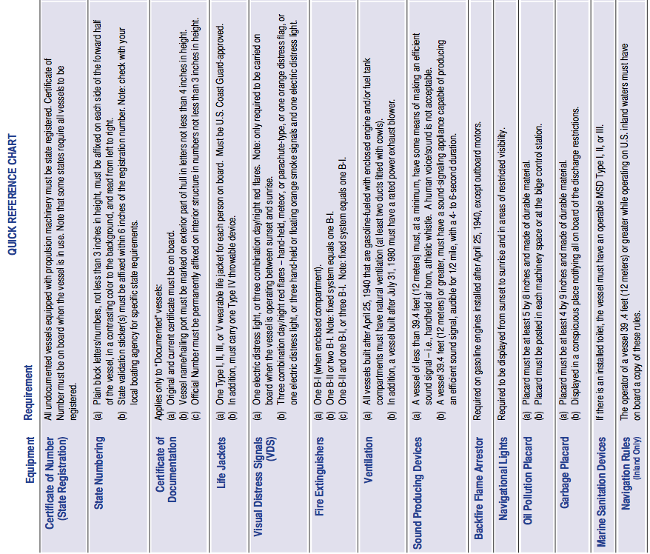

 |  | R/V Paragon is a documented vessel

 |  | We are not required to display registration
 |  | because we are owned by the State of California. UC Santa Cruz.

 |  | Certificate of Documentation is a blue page in logbook and folder
 |  | found under the helm seat
 |  | Vessel Name is on the stern
 |  | Official Number is 993613 and found on placard inside and
 |  | center of the v-berth
 |  | 8 Type III workvests on port side V-berth- w/ lights and whistles
 |  | 8 Type I PFDs in cabinet at apex of V-berth- w/ lights and whistles
 |  | 2 Type IV throwable PFD: Life ring (back deck) & sling on roof
 |  | 8 Universal & 1 large Immersion suits (Starboard V-berth)
 |  | 3 combination day/night flares
 |  | Mirror, Distress, Flag, and 2 whistles
 |  | Parachutes, 10 12-guage aerial, & 3 handheld (Extra)
 |  | ( All found in yellow Pelican case in V-berth)
 |  | Two B-I extingushers are mounted in the cabin

 |  | Enclosed Saddle Tanks have "Saddletank Blowers" on main panel
 |  | Aft hatch has center and port blowers. "Blowers" on main panel
 |  | Center blower pulls from lower 1/3 of hatch (regulation).
 |  | Required for gas engine and enclosed fuel tanks below.
 |  | Compressed Air Horn is found in yellow Pelican box with flares
 |  | Two whistles are found in yellow Pelican box with flares
 |  | Electric horn. Red, labeled button on console.

 |  | Not Required because we have outboard motors

 |  | Sidellights & anchor light (sufficient for night & restricted visibility)
 |  | Also have remote spotlight on Mast (not navigational)
 |  | Sticker found in cabin on Port side

 |  | Sticker found in cabin on Port side

 |  | None

 |  | Navigation Rules are found in storage space under helm seat
 |  | or found in yellow Pelican box with Flares

Navigation Tools | Found under Helm Seat and/or in yellow Pelican box with flares
Navigation Maps | Found in starboard cabinet inside V-berth
VHF Radios | Two wall mount radios found by helm. 1 VHF found behind helm seat or with ditch bag
Voluntary Inspection Sticker | If current- Outside, aft of Port side window
First Aid Kit | Under port side seat cushion in cabin
Oil containment | Bucket, oil-absorbant rags (aft compartment and/or under helm seat)
EPIRB | Outside in starboard side of aft wall of cabin
SPOT beacon | In black Pelican case on starboard side of roof
AIS | Under shelf stbd of helm seat
DSC Radio | Main Garmin radio mounted near roof above helm seat

